F.3.4-5 Tube Chassis
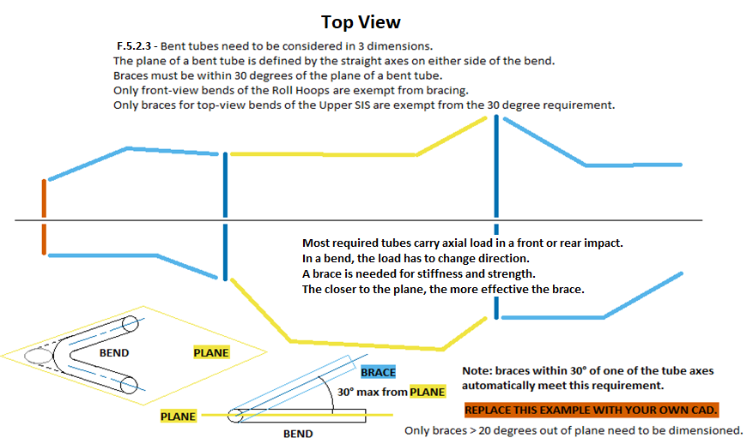
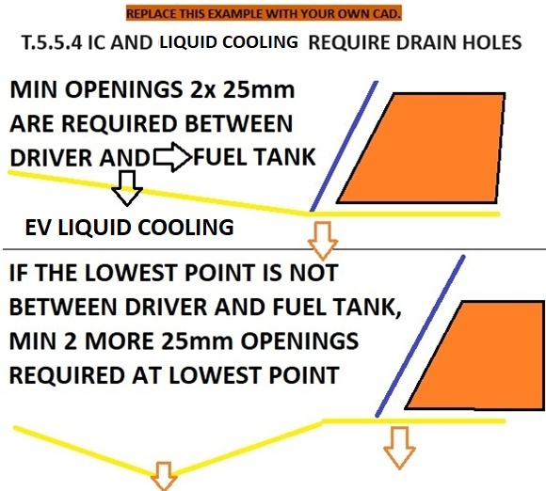
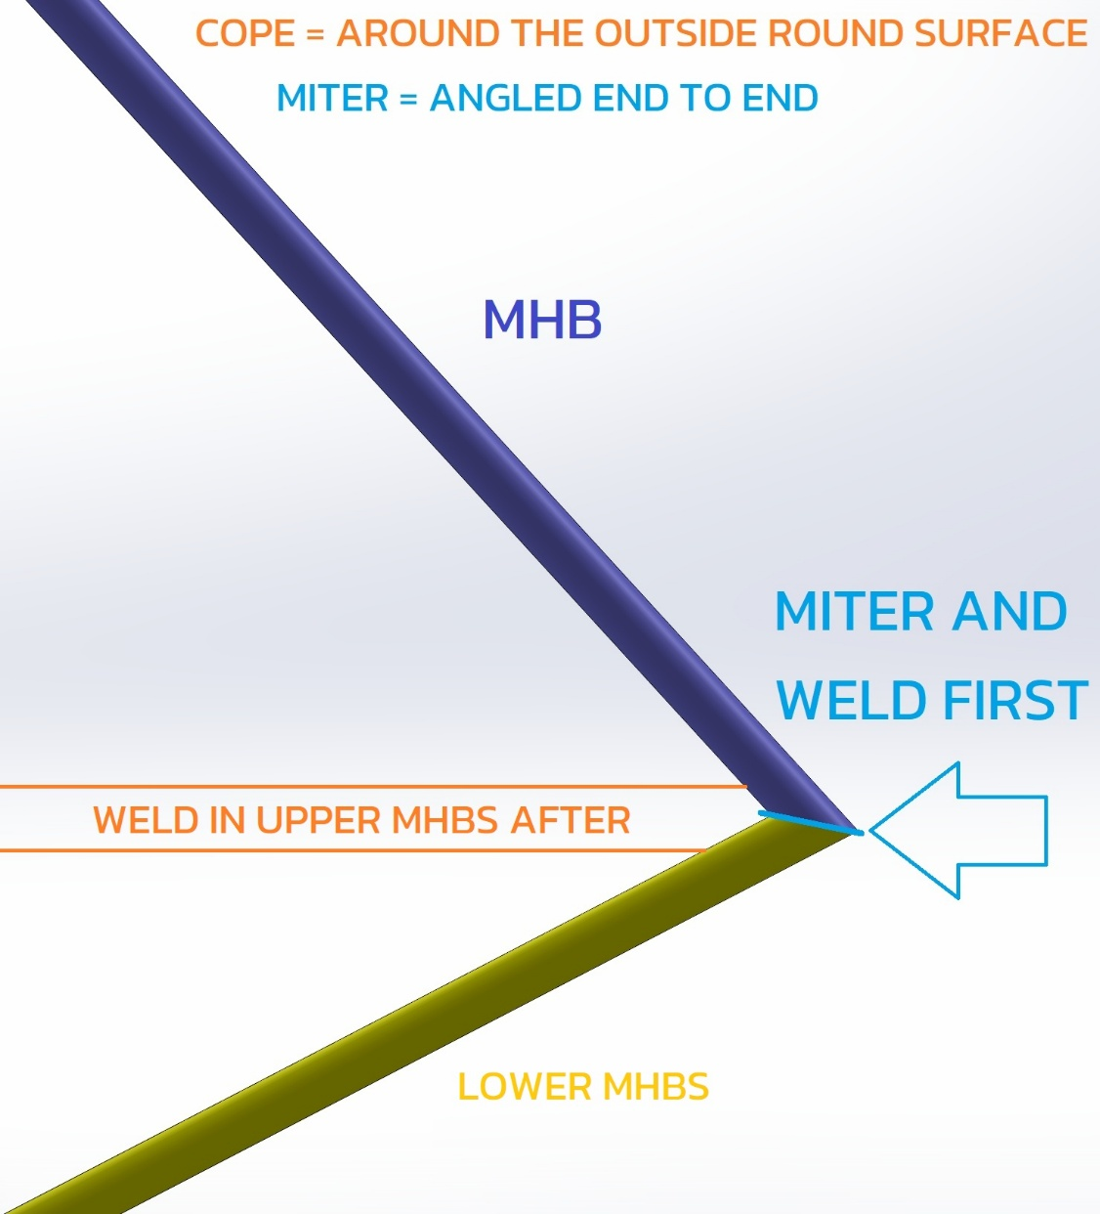
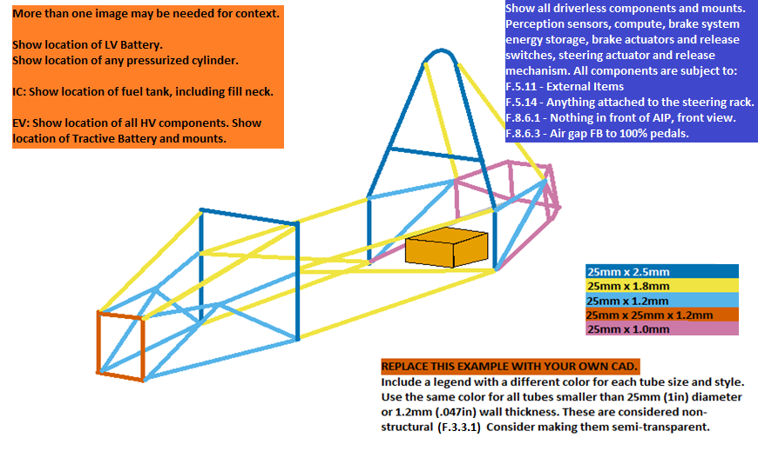
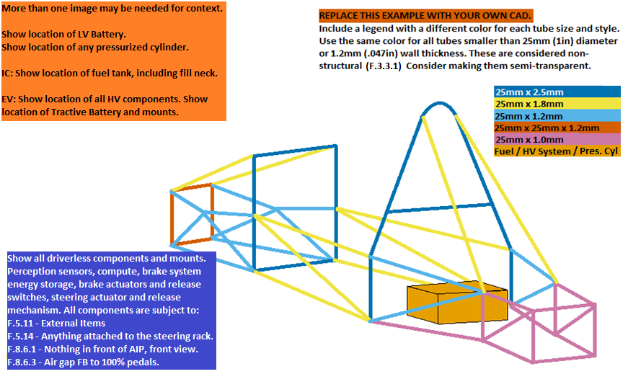
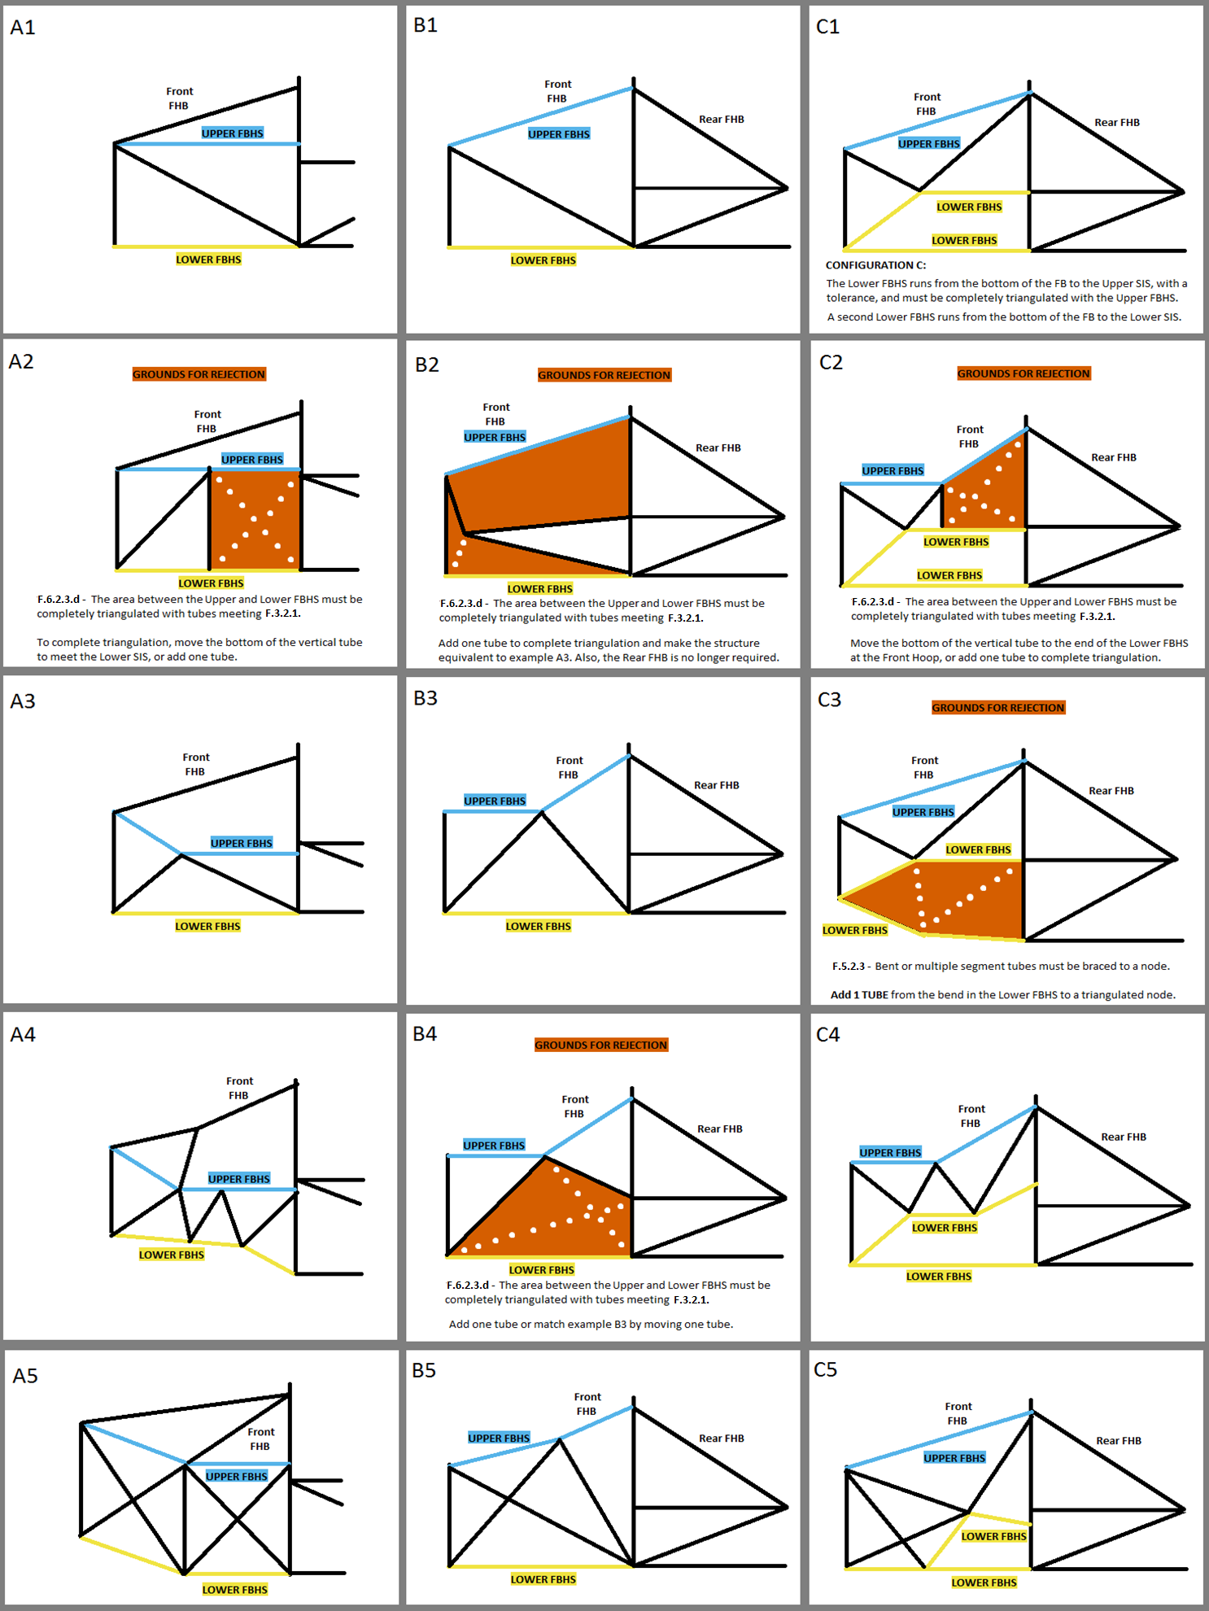
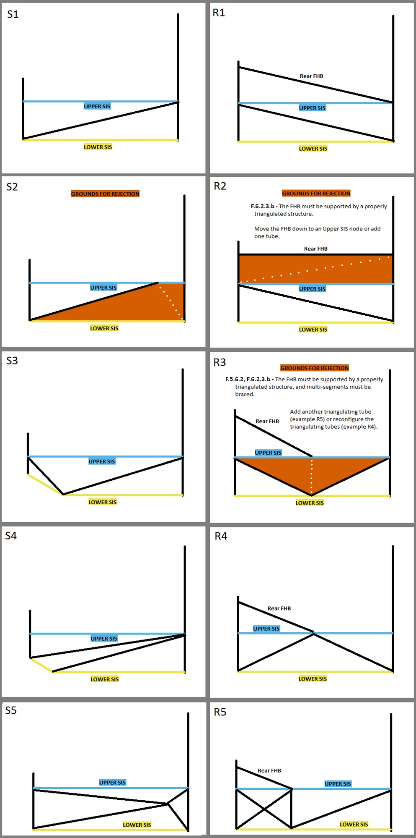
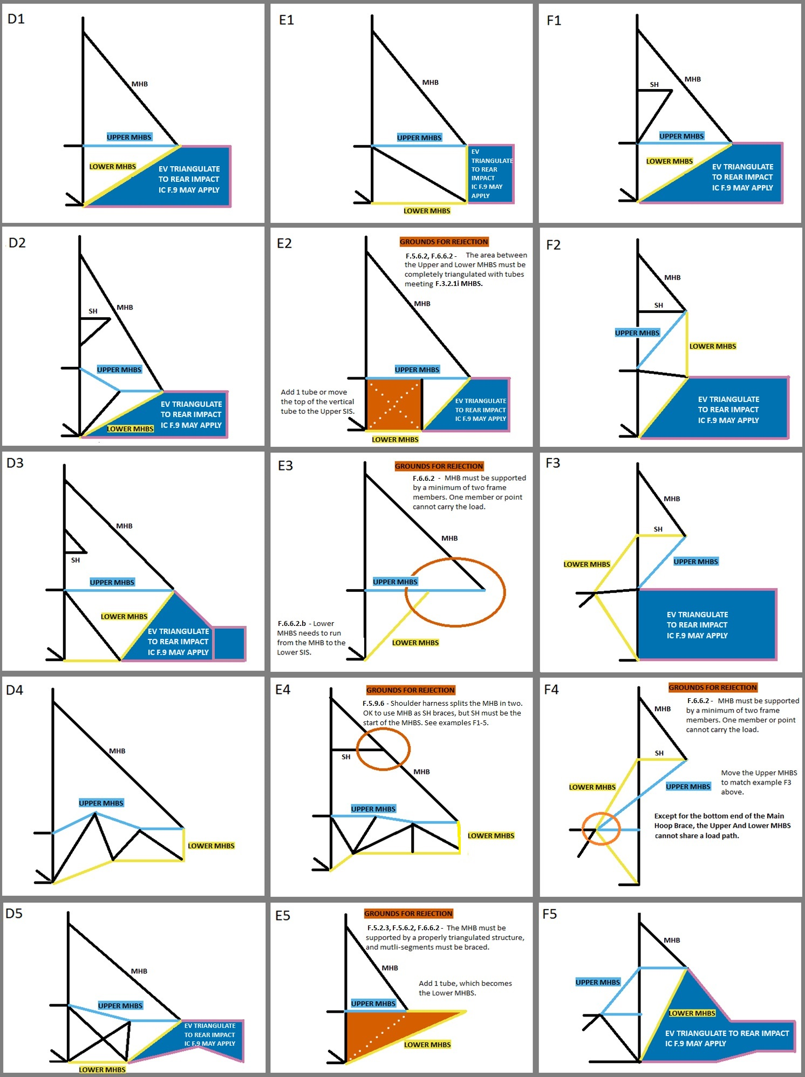
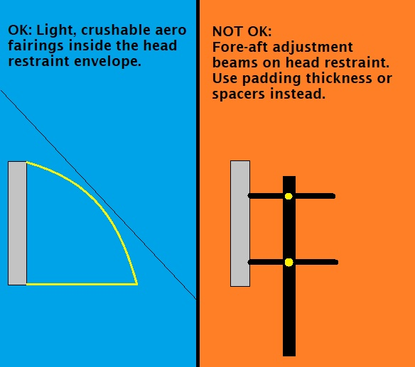
 | University Name |  |  |  |  |  |  | BLANK |  | 2027 | FSAE Structural Equivalency Spreadsheet (SES) |  |  |  |  |  |  |  |  |  |  | Monocoque/Hybrid/Aluminum | 1.1 | SES Bug Reporting |  |  | Do not delete any tabs aside from extra F.4.2 Composite. |  |  |  |  |  |  |  |  |  |  |  |  |  |  |  |  |  |  |  |  |  |  |  |  |  |  |  |  |  |  |  |  |  |  |  |  |  |  |  |  |  |  |  |  |  |  |  |  |  |  |  |  |  |  |  |  |  |  |  | F.3.2.1 | F.3.4.1 |  | FBHS: Some examples and explanations for configurations A, B, and C. | SIS Examples | SIS with Rear FHB (or Forward MHB) | MHBS examples and explanations. | Using Shoulder Harness Bar/Braces | Head Restraint Protection
 | Team Name |  |  |  |  |  |  | BLANK |  |  |  |  |  |  |  |  |  |  |  |  |  |  |  | 1.1 |  |  | Guidance images may be deleted. |  |  |  |  |  |  |  |  |  |  |  |  |  |  |  |  |  |  |  |  |  |  |  |  |  |  |  |  |  |  |  |  |  |  |  |  |  |  |  |  |  |  |  |  |  |  |  |  |  |  |  |  |  |  |  |  |  |  |  | A round tube which is both the Minimum Diameter and the Minimum Wall Thickness may not meet
 | Competitions | May - IC |  | June - EV | Other - Edit | Other - Edit |  | EQ |  | There are two versions of the 2027 SES: Steel Tube and Monocoque/Hybrid/Aluminum. |  |  |  |  |  |  |  |  |  |  |  |  |  | Welded / Bolted Activation |  |  |  |  |  |  |  |  |  |  |  |  |  |  |  |  |  |  |  |  |  |  |  |  |  |  |  |  |  |  |  |  |  |  |  |  |  |  |  |  |  |  |  |  |  |  |  |  |  |  |  |  |  |  |  |  |  |  |  |  |  |  | the Moment of Inertia and Cross Sectional Area Requirements.
 | Car Numbers |  |  |  |  |  |  | BLANK |  | Aluminum equivalance may be used in the Steel Tube SES for Anti-Intrusion, EV Rear Impact, or Tractive Battery Containers and Mounting. |  |  |  |  |  |  |  |  |  |  |  |  |  | F4.3 Sheet Metal |  |  | Show dimensions in images, preferably not drawn on. |  |  |  |  |  |  |  |  |  |  |  |  |  |  |  |  |  |  |  |  |  |  |  |  |  |  |  |  |  |  |  |  |  |  |  |  |  |  |  |  |  |  |  |  |  |  |  |  |  |  |  |  |  |  |  |  |  |  |  | A square tube which is both the Minimum Width and the Minimum Wall Thickness always meets
 | Team Contact(s) |  |  |  |  |  |  | BLANK |  | Steel can be used for any part of the frame in the Monocoque/Hybrid/Aluminum SES. |  |  |  |  |  |  |  |  |  |  |  |  |  |  |  |  | Do not enter fractions or your sheet will be permanently broken |  |  |  |  |  |  |  |  |  |  |  |  |  |  |  |  |  |  |  |  |  |  |  |  |  |  |  |  |  |  |  |  |  |  |  |  |  |  |  |  |  |  |  |  |  |  |  |  |  |  |  |  |  |  |  |  |  |  |  | the Moment of Inertia and Cross Sectional Area Requirements.
 | Email Address(es) |  |  |  |  |  |  | BLANK |  | F.3.4.2 | Any and all steel grades are assigned the same material properties. No material properties for different steel grades may be used in the SES. |  |  |  |  |  |  |  |  |  |  |  |  |  |  |  | Use the same units as the SES, or show conversions, don't make us do math.
Faculty Advisor |  | Email Address |  | Chassis Rules | Powertrain |  |  | EQ |  |  |  |  |  |  |  |  |  |  |  |  |  |  |  |  |  |  |  |  |  |  |  |  |  |  |  |  |  |  |  |  |  |  |  |  |  |  |  |  |  |  |  |  |  |  |  |  |  |  |  |  |  |  |  |  |  |  |  |  |  |  |  |  |  |  |  |  |  |  |  |  |  |  |  |  |  |  | The examples to the right cover the tube location requirements for the FBHS, SIS, and MHBS. There are many solutions not shown that can meet the documentation, triangulation, and bracing requirements. The examples to the left need to be replaced with your own CAD. Images should be clear, undistorted, moderate filesize. SES 25MB total.
 |  |  |  | Select | Select |  |  | BLANK |  | YouTube: 2019 SES Instructional Guide |  |  |  |  | YouTube: 2020 ESF Document Training |  |  | F.2.3 | FEA is not accepted for any SES equivalency. |  |  |  |  |  |  |  | Grinding welds flush is prohibited, especially in structures regulated by rules.
 |  |  |  |  |  |  |  |  |  |  | Only shaded cells with borders can be edited. Enter all values as positive numerals. |  |  |  |  |  |  |  |  |  |  |  |  |  |  |  |  |  |  |  |  |  |  |  |  |  |  |  |  |  | Front 3/4 3D CAD with color coded tube sizes / layups required. |  |  |  |  |  |  | Rear 3/4 3D CAD with color coded tube sizes / layups required. |  |  |  |  |  |  |  |  |  |  |  | Top View CAD with color coded tube sizes / layups. |  |  |  |  |  |  |  |  |  |  |  | Bottom View CAD with color coded tube sizes / layups.
Overall |  |  | Ready to submit for review? |  |  |  | NO |  |  | Drop down options can be identified by the heavy border. Delete will clear the entry. |  |  |  |  |  |  |  |  |  |  |  |  |  |  |  |  | We want to reward teams with a good Tech Number who:
 |  |  |  |  |  |  |  |  |  | Each entry, each category, each tab, and the entire sheet are coded as one of the following: |  |  |  |  |  |  |  | BLANK | EQ | CHECK | REJECT | N/A |  |  |  |  | Submit good-quality documentation of rules-legal designs |  |  |  |  |  |  |  |  |  |  |  |  |  | Use different colors for square and round. |  |  |  |  |  |  |  |  | Use different colors for square and round. |  |  |  |  |  |  |  |  |  | Use different colors for square and round. |  |  |  |  |  |  |  |  |  |  |  | Use different colors for square and round.
 | F.3.4-5 Tube Chassis | BLANK | BLUE: NO. BLANK ENTRY. INCOMPLETE. CHECK ALL TABS. |  |  |  |  |  |  | The status of some cells depends on entries in other cells. |  |  |  |  |  |  |  |  |  |  |  |  |  |  |  |  | Work with the document reviewers quickly to resolve any issues with their submission
 | F.7.1-5 Composite Chassis | BLANK | This will not change until all required entries are filled out. Check all tabs. |  |  |  |  |  |  |  |  |  |  |  |  |  |  |  |  |  |  |  |  |  |  |  | Submit documents early |  |  |  |  |  |  |  |  |  |  |  |  |  | Include a legend that shows each color and size. |  |  |  |  |  |  |  |  | Include a legend that shows each color and size. |  |  |  |  |  |  |  |  |  | Include a legend that shows each color and size. |  |  |  |  |  |  |  |  |  |  |  | Include a legend that shows each color and size.
 | F.7.6-9 Mono Attach | BLANK | Incomplete submissions will incur a penalty. |  |  |  |  |  |  | SELECT YOUR UNITS. The entire SES will be completed in either mm or Inch. Inch tubing can be entered in mm, and vice versa. |  |  |  |  |  |  |  |  |  |  |  |  |  |  |  |  | SES sets the IC Order. After Battery Video and ESF, SES was worth up to 25 places in EV 2026. |  |  |  |  |  |  |  |  |  |  |  |  |  |  |  |  |  |  |  |  |  |  |  |  |  |  |  |  |  |  |  |  |  |  |  |  |  |  |  |  |  |  |  |  |  |  |  |  |  |  |  |  |  |  |  |  |  |  |  | The row numbers are for reference only.
 | F.10.1-4 Module&Contain | BLANK | RED ORANGE: NO. GROUNDS FOR REJECTION. CHECK ALL TABS. |  |  |  |  |  |  | Keep a copy of the rules open to reference rule numbers directly while filling out the SES. |  |  |  |  |  |  |  | How To Interpret Rules |  |  |  |  |  |  |  |  |  |  |  |  |  |  |  |  |  |  |  |  |  |  | Fuel tank + filler or HV systems must be shown in orange. |  |  |  |  |  |  |  | Fuel tank + filler or HV systems must be shown in orange. |  |  |  |  |  |  |  |  |  |  | Fuel tank, HV systems, pressurized tanks shown in orange. |  |  |  |  |  |  |  |  |  |  |  | Fuel tank, HV systems, pressurized tanks shown in orange. |  |  |  |  |  |  |  |  |  |  |  |  |  |  | Designating the FBHS as A,B, or C is needed to check rule F.6.2.3a-b.
 | F.10.5 Batt Attach | BLANK | The SES will permanently REJECT for removing any tab except composite testing. |  |  |  |  |  |  | Fill in all | BLANK | sections on ALL TABS. Start with any drop downs in the top left corner of each tab. |  |  |  |  |  |  |  |  |  |  |  |  |  |  | You have up to 48 hours to resubmit before your Tech Number increases. |  |  |  |  |  |  |  |  |  |  |  |  |  |  |  |  |  |  |  |  |  |  |  |  |  |  |  |  |  |  |  |  |  |  |  |  |  |  |  |  |  |  |  |  |  |  |  |  |  |  |  |  |  |  |  |  |  |  |  | The other column letters are for reference only.
 | F.8 Front Protection | BLANK | Locate all violations and bring the design into compliance before submitting. |  |  |  |  |  |  | Replace example images with your own clear, undistorted CAD, showing all required dimensions in a moderate filesize. Each SES file 40Mb max. |  |  |  |  |  |  |  |  |  |  |  |  |  |  |  |  | Make sure every item is fixed.
 | F.3.4.3 Welded Inserts | BLANK | Grounds for rejection could be considered incomplete and incur a penalty. |  |  |  |  |  |  | ADDITIONAL GUIDANCE IMAGES ARE ON THE RIGHT SIDE OF DIFFERENT SHEETS |  |  |  |  |  |  |  |  |  |  |  |  |  |  |  |  | Comment with a description of every fix, and where to find the information in the SES. |  |  |  |  |  |  |  |  |  |  |  |  |  |  |  |  |  |  |  |  |  |  |  |  |  |  |  |  |  |  |  |  |  |  |  |  |  |  |  |  |  |  |  |  |  |  |  |  |  |  |  |  |  |  |  |  |  |  |  | Using this 7-color palette will accommodate color-blind students or reviewers:
 | F.5.12 Bolted Members | BLANK | SKY: YES. RULES EQUIVALENCE. |  |  |  |  |  |  |  |  |  |  |  |  |  |  |  |  |  |  |  |  |  |  |  | If it will take more than 48 hours to do additional testing, make a plan with your reviewer. |  |  |  |  |  |  |  |  |  |  |  |  |  |  |  |  |  |  |  |  |  |  |  |  |  |  |  |  |  |  |  |  |  |  |  |  |  |  |  |  |  |  |  |  |  |  |  |  |  |  |  |  |  |  |  |  |  |  |  | https://www.extensis.com/blog/how-to-design-for-color-blindness
BLANK |  |  | Document is ready for review. Double check triangulation. |  |  |  |  |  | F.2.2.1 | SES forms must be completed and submitted by all teams no later than the date specified in the Action Deadlines on the specific event website. |  |  |  |  |  |  |  |  |  |  |  |  |  |  |  |  |  |  |  |  |  |  |  |  |  |  |  |  |  |  |  |  |  |  |  |  |  |  |  |  |  |  |  |  |  |  |  |  |  |  |  |  |  |  |  |  |  |  |  |  |  |  |  |  |  |  |  |  |  |  |  |  |  |  |  |  | In the examples to the right:
 |  |  | Sheet protection must still be active when submitted, or the SES will be rejected. |  |  |  |  |  | DR.3.2.1 | Submission of late, blank, incomplete, or previous car's SES will incur a competition point penalty. |  |  |  |  |  |  |  |  |  |  |  |  |  |  |  |  | We think it benefits you and our reviewers to submit and get approved earlier. |  |  |  |  |  |  |  |  |  |  |  |  |  |  |  |  |  |  |  |  |  |  |  |  |  |  |  |  |  |  |  |  |  |  |  |  |  |  |  |  |  |  |  |  |  |  |  |  |  |  |  |  |  |  |  |  |  |  |  | THE SKY BLUE LINE is the upper tube
 |  |  | YELLOW: YES. CHECK ADDITIONAL EQUIVALENCIES. |  |  |  |  |  | PS.3.1.3 | Please respond quickly and thoroughly to requests for revisions or clarifications. Response time influences Tech Inspection order. New review: Clock starts. Submit: Clock stops. |  |  |  |  |  |  |  |  |  |  |  |  |  |  |  |  | Submitting at the deadline increases the time to get a first review by several weeks. |  |  |  |  |  |  |  |  |  |  |  |  |  |  |  |  |  |  |  |  |  |  |  |  |  |  |  |  |  |  |  |  |  |  |  |  |  |  |  |  |  |  |  |  |  |  |  |  |  |  |  |  |  |  |  |  |  |  |  | THE YELLOW LINE is the lower tube
 |  |  | Some entries require additional tubes or documentation. |  |  |  |  |  |  | Please describe all changes made and their location in the SES for each re-submission. Make sure every entry is shown in an image. |  |  |  |  |  |  |  |  |  |  |  |  |  |  |  |  |  |  |  |  |  |  |  |  |  |  |  |  |  |  |  |  |  |  |  |  |  |  |  |  |  |  |  |  |  |  |  |  |  |  |  |  |  |  |  |  |  |  |  |  |  |  |  |  |  |  |  |  |  |  |  |  |  |  |  |  | BLACK LINES are additional related tubes
 |  |  | Entries between 95% and 100% equivalence will receive extra scrutiny. |  |  |  |  |  |  | Resubmission after approval for engineering changes does not incur a clock penalty. The SES needs to match the car that comes to competition. |  |  |  |  |  |  |  |  |  |  |  |  |  |  |  |  | There is no penalty for resubmitting after approval. |  |  |  |  |  |  |  |  |  |  |  |  |  |  |  |  |  |  |  |  |  |  |  |  |  |  |  |  |  |  |  |  |  |  |  |  |  |  |  |  |  |  |  |  |  |  |  |  |  |  |  |  |  |  |  |  |  |  |  | RED ORANGE AREAS highlight design aspects that do not meet the rules
mm |  |  |  |  |  | Units |  |  | IN.8.1 | Bring an ELECTRONIC copy of the approved SES to Tech Inspection. It is your responsibility to bring a functioning, charged tablet or laptop. Bring backups. DO NOT PRINT. |  |  |  |  |  |  |  |  |  |  |  |  |  |  |  |  | Especially for small changes like fastener sizes. |  |  |  |  |  |  |  |  |  |  |  |  |  |  |  |  |  |  |  |  |  |  |  |  |  |  |  |  |  |  |  |  |  |  |  |  |  |  |  |  |  |  |  |  |  |  |  |  |  |  |  |  |  |  |  |  |  |  |  | White dotted lines |  | represent potential design changes to an orange area to allow it to pass.
 |  |  |  |  |  |  |  |  | IN.1.2.2 | Approval of an SES does not guarantee passing Tech Inspection. The final decision about all designs will be made at Tech Inspection. |  |  |  |  |  |  |  |  |  |  |  |  |  |  |  |  | We need the document to match the car in Tech Inspection.
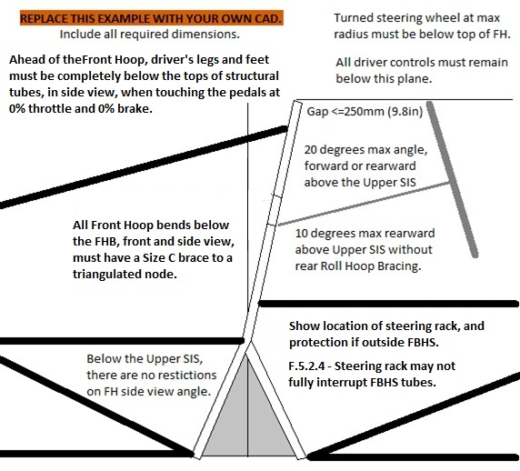
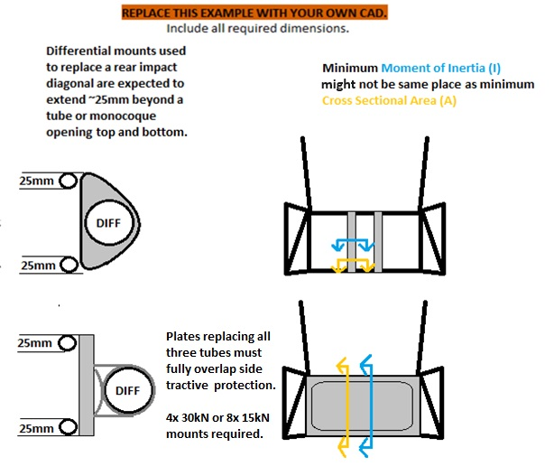
Use the space below to list changes between uploads, rules inquiries, and any other information. |  |  |  |  |  |  |  |  |  |  |  |  |  |  |  |  |  |  |  |  |  |  |  |  |  |  |  |  |  |  |  |  |  |  |  |  |  |  |  |  |  |  |  |  |  |  |  |  |  |  |  |  |  |  |  |  |  |  |  |  |  |  |  |  |  |  |  |  |  |  |  |  |  |  |  |  |  |  |  |  |  |  |  |  |  |  | ACRONYMS
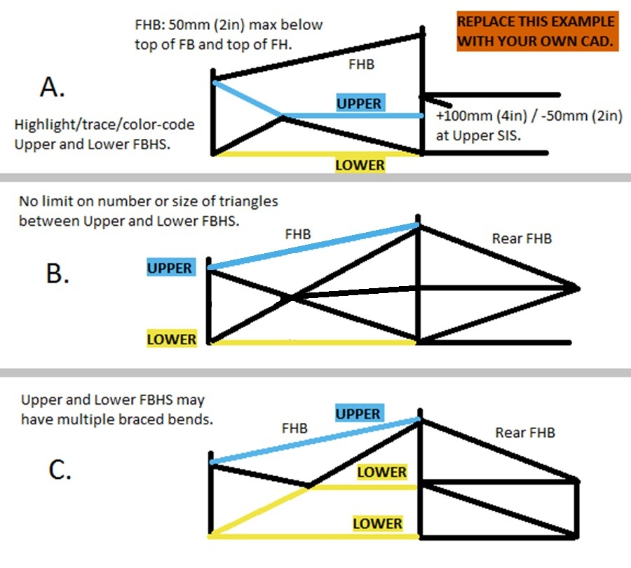
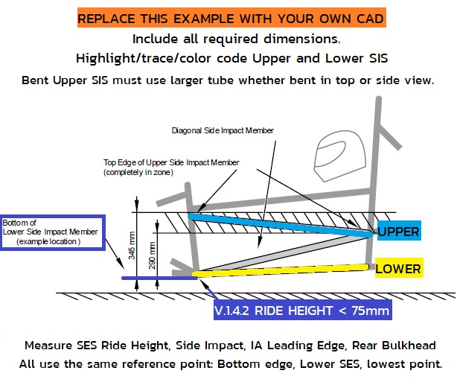
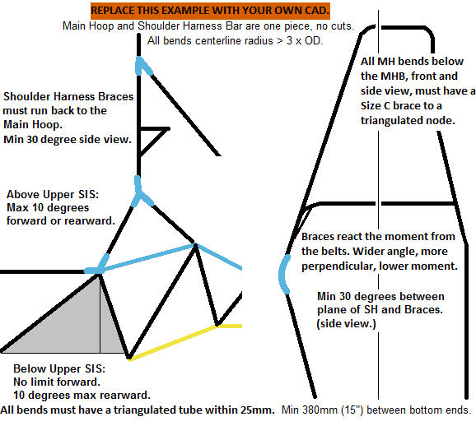
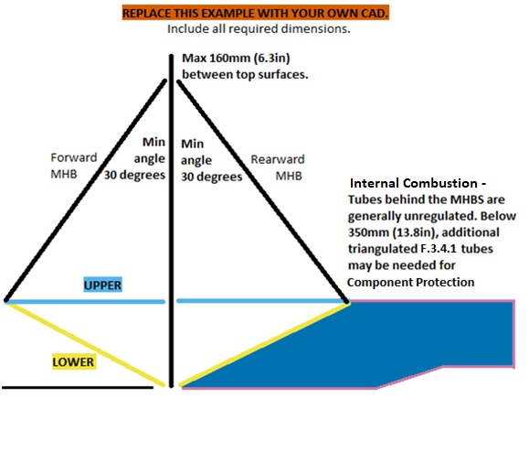
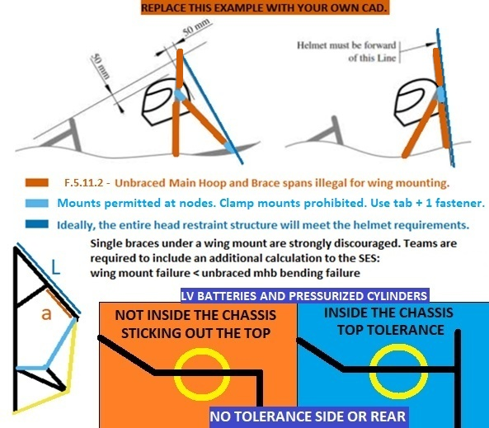
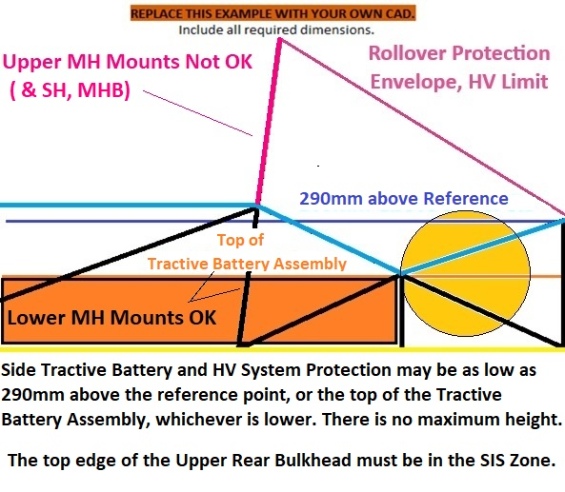
 |  |  |  |  |  |  |  |  |  |  |  |  |  |  |  |  |  |  |  |  |  |  |  |  |  |  |  |  |  |  |  |  |  |  |  |  |  |  |  |  |  |  |  |  |  |  |  |  |  |  |  |  |  |  |  |  |  |  |  |  |  |  |  |  |  |  |  |  |  |  |  |  |  |  |  |  |  |  |  |  |  |  |  |  |  |  | AI | Anti Intrusion Plate
 |  |  |  |  |  |  |  |  |  |  |  |  |  |  |  |  |  |  |  |  |  |  |  |  |  |  |  |  |  |  |  |  |  |  |  |  |  |  |  |  |  |  |  |  |  |  |  |  |  |  |  |  |  |  |  |  |  |  |  |  |  |  |  |  |  |  |  |  |  |  |  |  |  |  |  |  |  |  |  |  |  |  |  |  |  |  | IA | Impact Attenuator
 |  |  |  |  |  |  |  |  |  |  |  |  |  |  |  |  |  |  |  |  |  |  |  |  |  |  |  |  |  |  |  |  |  |  |  |  |  |  |  |  |  |  |  |  |  |  |  |  |  |  |  |  |  |  |  |  |  |  |  |  |  |  |  |  |  |  |  |  |  |  |  |  |  |  |  |  |  |  |  |  |  |  |  |  |  |  | IC | Internal Combustion
 |  |  |  |  |  |  |  |  |  |  |  |  |  |  |  |  |  |  |  |  |  |  |  |  |  |  |  |  |  |  |  |  |  |  |  |  |  |  |  |  |  |  |  |  |  |  |  |  |  |  |  |  |  |  |  |  |  |  |  |  |  |  |  |  |  |  |  |  |  |  |  |  |  |  |  |  |  |  |  |  |  |  |  |  |  |  | EV | Electric Vehicle
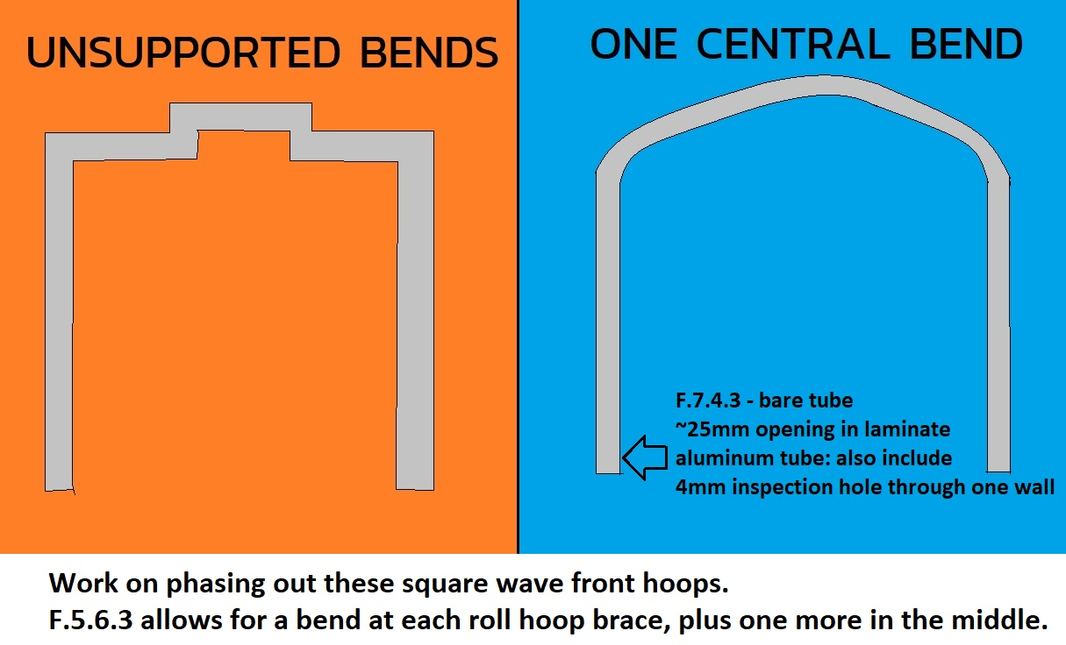
 |  |  |  |  |  |  |  |  |  |  |  |  |  |  |  |  |  |  |  |  |  |  |  |  |  |  |  |  |  |  |  |  |  |  |  |  |  |  |  |  |  |  |  |  |  |  |  |  |  |  |  |  |  |  |  |  |  |  |  |  |  |  |  |  |  |  |  |  |  |  |  |  |  |  |  |  |  |  |  |  |  |  |  |  |  |  | EQ | Rules Equivalence Achieved
 |  |  |  |  |  |  |  |  |  |  |  |  |  |  |  |  |  |  |  |  |  |  |  |  |  |  |  |  |  |  |  |  |  |  |  |  |  |  |  |  |  |  |  |  |  |  |  |  |  |  |  |  |  |  |  |  |  |  |  |  |  |  |  |  |  |  |  |  |  |  |  |  |  |  |  |  |  |  |  |  |  |  |  |  |  |  | FB | Front Bulkhead
 |  |  |  |  |  |  |  |  |  |  |  |  |  |  |  |  |  |  |  |  |  |  |  |  |  |  |  |  |  |  |  |  |  |  |  |  |  |  | Harness tabs cannot rub on harness material. |  |  |  |  |  |  |  |  |  |  |  |  |  |  |  |  |  |  |  |  |  |  |  |  |  |  |  |  |  |  |  |  |  |  |  |  |  |  |  |  |  |  |  |  |  |  |  | FBHS | Front Bulkhead Support
 |  |  |  |  |  |  |  |  |  |  |  |  |  |  |  |  |  |  |  |  |  |  |  |  |  |  |  |  |  |  |  |  |  |  |  |  |  |  |  |  |  |  |  |  |  |  |  |  |  |  |  |  |  |  |  |  |  |  |  |  |  |  |  |  |  |  |  |  |  |  |  |  |  |  |  |  |  |  |  |  |  |  |  |  |  |  | FH | Front Roll Hoop
 |  |  |  |  |  |  |  |  |  |  |  |  |  |  |  |  |  |  |  |  |  |  |  |  |  |  |  |  |  |  |  |  |  |  |  |  |  |  | Use a thicker tab to keep the edge away. |  |  |  |  |  |  |  |  |  |  |  |  |  |  |  |  |  |  |  |  |  |  |  |  |  |  |  |  |  |  |  |  |  |  |  |  |  |  |  |  |  |  |  |  |  |  |  | FHB | Front Hoop Brace
 |  |  |  |  |  |  |  | Front Hoop CAD with dimensions required. |  |  |  |  |  |  |  |  |  |  |  |  |  |  |  |  |  |  |  |  |  |  |  |  |  |  |  |  |  |  |  |  |  |  |  |  |  |  |  |  |  |  |  |  |  |  |  |  |  |  |  |  |  |  |  |  |  |  |  |  |  |  |  |  |  |  |  |  |  |  |  |  |  |  |  |  |  |  | HRP | Head Restraint Protection
 |  |  |  |  |  |  |  |  |  |  |  |  |  |  |  |  | FBHS, FHB CAD with dimensions required. |  |  |  |  |  |  |  |  |  | SIS CAD with dimensions required. |  |  |  |  |  |  |  |  |  |  |  | Harness tab location, dimensions, shear area, |  |  |  |  | MH + SH CAD with dimensions required. |  |  |  |  |  |  |  |  | MHB, MHBS CAD with dimensions required. |  |  |  |  |  |  |  | Clearance CAD with dimensions required. |  |  |  |  |  |  |  |  | HV Protection CAD with dimensions. |  |  |  |  |  |  |  |  | Rear Impact CAD with dimensions required. |  |  |  |  |  |  |  | HV | High Voltage
 |  |  |  |  |  |  |  | See image F.5.9.6 for steering wheel. |  |  |  |  |  |  |  |  |  |  |  |  |  |  |  |  |  |  |  |  |  |  |  |  |  |  |  |  |  |  |  |  |  |  |  |  |  |  |  |  |  |  |  |  |  |  |  |  |  |  |  |  |  |  |  |  |  |  |  |  |  |  |  |  |  |  |  |  |  |  |  |  |  |  |  |  |  |  | MH | Main Roll Hoop
 |  |  |  |  |  |  |  |  |  |  |  |  |  |  |  |  | Highlight/trace/color code required tubes. |  |  |  |  |  |  |  |  |  | Highlight/trace/color code required tubes. |  |  |  |  |  |  |  |  |  |  |  | tabs in plane with belts. |  |  |  |  |  |  |  |  |  |  |  |  |  | Highlight/trace/color code required tubes. |  |  |  |  |  |  |  | Helmet and T.2.8.4 Head Restraint. |  |  |  |  |  |  |  |  | Air gap driver to Tractive Battery assembly. |  |  |  |  |  |  |  |  |  |  |  |  |  |  |  |  | MHB | Main Hoop Brace
 |  |  |  |  |  |  |  |  |  |  |  |  |  |  |  |  |  |  |  |  |  |  |  |  |  |  |  |  |  |  |  |  |  |  |  |  |  |  |  |  |  |  |  |  |  |  |  |  |  |  |  |  |  |  |  |  |  |  |  |  |  |  |  |  |  |  |  |  |  |  |  |  |  |  |  |  |  |  |  |  |  |  |  |  |  |  | MHBS | Main Hoop Brace Support
 |  |  |  |  |  |  |  |  |  |  |  |  |  |  |  |  |  |  |  |  |  |  |  |  |  |  |  |  |  |  |  |  |  |  |  |  |  |  | No open ended eyebolts. |  |  |  |  |  |  |  |  |  |  |  |  |  |  |  |  |  |  |  |  |  |  |  |  |  |  |  |  |  |  |  |  |  |  |  |  |  |  |  |  |  |  |  |  |  |  |  | N/A | Not Applicable (Not required.)
 |  |  |  |  |  |  |  |  |  |  |  |  |  |  |  |  |  |  |  |  |  |  |  |  |  |  |  |  |  |  |  |  |  |  |  |  |  |  |  |  |  |  |  |  |  |  |  |  |  |  |  |  |  |  |  |  |  |  |  |  |  |  |  |  |  |  |  |  |  |  |  |  |  |  |  |  |  |  |  |  |  |  |  |  |  |  | SH | Shoulder Harness Structure
 |  |  |  |  |  |  |  |  |  |  |  |  |  |  |  |  |  |  |  |  |  |  |  |  |  |  |  |  |  |  |  |  |  |  |  |  |  |  | Spec sheet for fasteners / eyebolts. |  |  |  |  |  |  |  |  |  |  |  |  |  |  |  |  |  |  |  |  |  |  |  |  |  |  |  |  |  |  |  |  |  |  |  |  |  |  |  |  |  |  |  |  |  |  |  | SES | Structural Equivalency Spreadsheet
 |  |  |  |  |  |  |  |  |  |  |  |  |  |  |  |  |  |  |  |  |  |  |  |  |  |  |  |  |  |  |  |  |  |  |  |  |  |  |  |  |  |  |  |  |  |  |  |  |  |  |  |  |  |  |  |  |  |  |  |  |  |  |  |  |  |  |  |  |  |  |  |  |  |  |  |  |  |  |  |  |  |  |  |  |  |  | SIS | Side Impact Structure
 |  |  |  |  |  |  |  |  |  |  |  |  |  |  |  |  |  |  |  |  |  |  |  |  |  |  |  |  |  |  |  |  |  |  |  |  |  |  |  |  |  |  |  |  |  |  |  |  |  |  |  |  |  |  |  |  |  |  |  |  |  |  |  |  |  |  |  |  |  |  |  |  |  |  |  |  |  |  |  |  |  |  |  |  |  |  | RB | Rear Bulkhead
 |  |  |  |  |  |  |  |  |  |  |  |  |  |  |  |  |  |  |  |  |  |  |  |  |  |  |  |  |  |  |  |  |  |  |  |  |  |  |  |  |  |  |  |  |  |  |  |  |  |  |  |  |  |  |  |  |  |  |  |  |  |  |  |  |  |  |  |  |  |  |  |  |  |  |  |  |  |  |  |  |  |  |  |  |  |  | RBHS | Rear Bulkhead Support

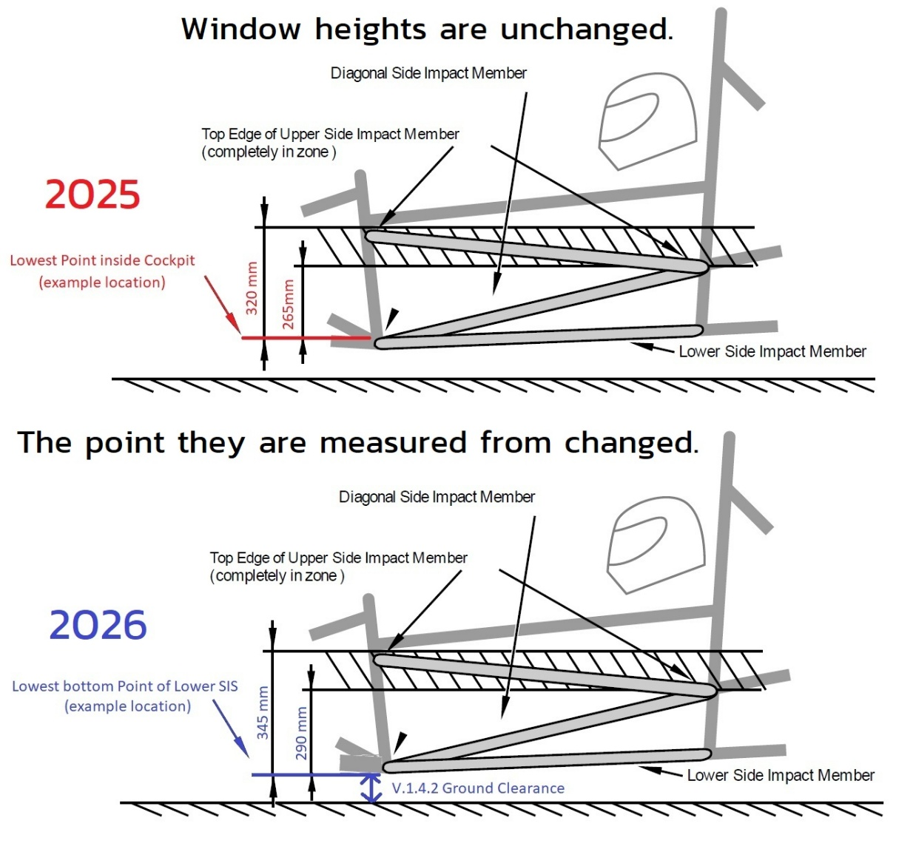
 |  |  |  |  |  |  |  |  |  |  |  |  |  |  |  |  |  |  |  |  |  |  |  |  |  |  |  |  |  |  |  |  |  |  |  |  |  |  |  |  |  |  |  |  |  |  |  |  |  |  |  |  |  |  |  |  |  |  |  |  |  |  |  |  |  |  |  |  |  |  |  |  |  |  |  |  |  |  |  |  |  |  |  |  |  |  | TRIANGULATION
 |  |  |  |  |  |  |  |  |  |  |  |  |  |  |  |  |  |  |  |  |  |  |  |  |  |  |  |  |  |  |  |  |  |  |  |  |  |  |  |  |  |  |  |  |  |  |  |  |  |  |  |  |  |  |  |  |  |  |  |  |  |  |  |  |  |  |  |  |  |  |  |  |  |  |  |  |  |  |  |  |  |  |  |  |  |  | F.1.17 | An arrangement of Frame Members where all members and segments of members
 |  |  |  |  |  |  |  |  |  |  |  |  |  |  |  |  |  |  |  |  |  |  |  |  |  |  |  |  |  |  |  |  |  |  |  |  |  |  |  |  |  |  |  |  |  |  |  |  |  |  |  |  |  |  |  |  |  |  |  |  |  |  |  |  |  |  |  |  |  |  |  |  |  |  |  |  |  |  |  |  |  |  |  |  |  |  | between bends or nodes with other structural tubes form a structure composed entirely of triangles.
 |  |  |  |  |  |  |  |  |  |  |  |  |  |  |  |  |  |  |  |  |  |  |  |  |  |  |  |  |  |  |  |  |  |  |  |  |  |  |  |  |  |  |  |  |  |  |  |  |  |  |  |  |  |  |  |  |  |  |  |  |  |  |  |  |  |  |  |  |  |  |  |  |  |  |  |  |  |  |  |  |  |  |  |  |  |  | a. This is generally required between an upper member and a lower member, both of which
 |  |  |  |  |  |  |  |  |  |  |  |  |  |  |  |  |  |  |  |  |  |  |  |  |  |  |  |  |  |  |  |  |  |  |  |  |  |  |  |  |  |  |  |  |  |  |  |  |  |  |  |  |  |  |  |  |  |  |  |  |  |  |  |  |  |  |  |  |  |  |  |  |  |  |  |  |  |  |  |  |  |  |  |  |  |  | may have multiple segments requiring a diagonal to form multiple triangles.
 |  |  |  |  |  |  |  | If additional images are necessary, they may be placed below each section. |  |  |  |  |  |  |  |  | If additional images are necessary, they may be placed below each section. |  |  |  |  |  |  |  |  |  | If additional images are necessary, they may be placed below each section. |  |  |  |  |  |  |  |  |  |  |  |  |  |  |  |  | If additional images are necessary, they may be placed below each section. |  |  |  |  |  |  |  |  | If additional images are necessary, they may be placed below each section. |  |  |  |  |  |  |  | If additional images are necessary, they may be placed below each section. |  |  |  |  |  |  |  |  | Additional images may be placed below each section. |  |  |  |  |  |  |  |  | Additional images may be placed below each section. |  |  |  |  |  |  |  | b. This is also what is meant by “properly triangulated”.
 |  |  |  |  |  |  |  | BLANK |  | Alternative Tubing Properties, |  |  |  |  |  |  | BLANK |  | Front Bulkhead Supports (FBHS) |  |  |  |  |  |  |  | BLANK |  | Side Impact Structure (SIS), |  |  |  |  |  | BLANK |  | Lap and Anti-Sub Attachment |  |  |  |  |  |  | BLANK |  | Main Hoop (MH), |  |  |  |  |  |  | BLANK |  | Main Hoop Braces (MHB), |  |  |  |  |  | BLANK |  | Helmet Clearance, Head Restraint, |  |  |  |  |  |  | BLANK |  | Tractive Battery Side Protection, |  |  |  |  |  |  | BLANK |  | Rear Bulkhead (EV Only)
 |  |  |  |  |  |  |  |  |  |  |  |  |  |  |  |  |  |  |  |  |  |  |  |  |  |  |  |  |  |  |  |  |  |  |  |  |  |  |  |  |  |  |  |  |  |  |  |  |  |  |  |  |  |  |  |  |  |  |  |  |  |  |  |  |  |  |  |  |  |  |  |  |  |  |  |  |  |  |  |  |  |  |  |  |  |  | The Upper and Lower must maintain spacing and not share a load path.
 |  |  |  |  |  |  |  | Front Hoop (FH), Steering Protection |  |  |  |  |  |  |  |  | and Front Hoop Braces (FHB) |  |  |  |  |  |  |  |  |  | Lap and Sub Belt Tube Attachment |  |  |  |  |  |  |  |  |  |  |  |  |  |  |  |  | Shoulder Harness Tube (SH) |  |  |  |  |  |  |  |  | Main Hoop Brace Supports (MHBS) |  |  |  |  |  |  |  | Fuel System (IC), Rear Wing Mounting |  |  |  |  |  |  |  |  | HV Side Protection, RBHS (EV Only) |  |  |  |  |  |  |  |  |  |  |  |  |  |  |  |  | The bottom of the MHB is the only exception to this requirement.
 |  |  |  |  |  |  |  |  |  |  |  |  |  |  |  |  |  |  |  |  |  |  |  |  |  |  |  |  |  |  |  |  |  |  | Do not modify harness hardware. |  |  |  |  |  |  |  |  |  |  |  |  |  |  |  |  |  |  |  |  |  |  |  |  |  |  |  |  |  |  |  |  |  |  |  |  |  |  |  |  |  |  |  | F.11.3.1 | From the rear, all HV components must be protected with an upper tube, a lower tube,
 |  |  |  |  |  |  |  | F.3.5.3.a | Unwelded aluminum minimum wall is 2.0mm (0.079in) |  |  |  |  |  |  |  | There are three basic configurations for a tube FBHS. See examples starting in cell DH3. |  |  |  |  |  |  |  |  |  |  |  |  |  |  |  |  |  | For any bolted harness or using the shank of an eyebolt, |  |  |  |  |  |  |  |  | F.5.8.1-2 | The Main Hoop extends, uncut, from the lowest frame member on both sides. |  |  |  |  |  |  |  | F.5.9.6 | The Main Hoop Braces must be one piece, steel, with no bends. |  |  |  |  |  |  | The rollover plane is defined by the direction of the main hoop braces, shown above. |  |  |  |  |  |  |  |  | F.11.1.1 | F.1.11 | Tractive Batteries must be within the Primary Structure. |  |  |  |  |  |  | and a diagonal tube or vertical tubes connecting the upper and lower tubes. |  |  |  |  |  |  |  | F.3.3.2 | Non structural tubing will be ignored.
 |  |  |  |  |  |  |  |  | Welded or hot-worked Aluminum (except for monocoque cure) min wall is 3.0mm (0.118in) |  |  |  |  |  |  |  | A. | Upper FBHS from the top of the FB to the Upper SIS, with a tolerance. |  |  |  |  |  |  |  |  | F.6.4.4 | Designate the Upper SIS and Lower SIS along their entire length. |  |  |  |  |  |  | there is a sleeve that gets clamped and allows rotation. |  |  |  |  |  |  |  |  | F.5.6.3 | All front and side view bends below the MHB must be braced to a node. |  |  |  |  |  |  |  |  | Main Hoop Braces that cross over in an 'X' shape are prohibited. |  |  |  |  |  |  | F.5.6.6 | Dummy's foot must be on brake pedal, helmet must be on head restraint padding. |  |  |  |  |  |  |  | F.11.2.1 | If the Tractive Battery extends behind the MH, Size B tubes are needed behind the MH. |  |  |  |  |  |  |  | F.11.3.6 | Inboard HV components must be forward of the rear plane of the Upper and Lower Rear Bulkhead. |  |  |  |  |  |  |  | Tubes with smaller than 25mm (1in) Outer Diamter will be ignored.
 |  |  |  |  |  |  |  | F.3.5.3.d | Other Aluminum alloys must use welded properties everywhere if welded. |  |  |  |  |  |  |  |  | Lower FBHS from the bottom of the FB to the Lower SIS. |  |  |  |  |  |  |  |  | Upper SIS height is measured from the lowest point of the bottom edge of the Lower SIS tube. |  |  |  |  |  |  |  |  |  |  |  |  |  |  |  |  | F.6.5.3 | Engine, motor, suspension, and tractive battery mounts are prohibited on the SH, |  |  |  |  |  |  |  | F.5.2.4 | F.6.6.3 | Miter the base of the MHB to the Lower MHBS. Cope only diagonals and hoops. |  |  |  |  |  | T.2.8.5 | Head Restraint must attach to chassis near the top and bottom of the Head Restraint. |  |  |  |  |  |  |  |  |  |  |  |  |  |  |  |  | Triangulation may be asymmetric. F.11.3.3, F.2.3.1: Rear Bulkhead verticality tolerance: +/-Tube OD longitudinally. |  |  |  |  |  |  |  |  | Tubes with Wall thinner than 1.2mm (0.047in) will be ignored.
 |  |  |  |  |  |  |  |  |  |  |  |  |  |  |  |  | B. | Upper FBHS from the top of FB to above the Upper SIS, braced rearward. |  |  |  |  |  |  |  |  | F.6.4.6 | The area between the upper and lower SIS must be completely triangulated. |  |  |  |  |  |  | There must be continuous floor between all belts and the ground. |  |  |  |  |  |  |  |  | F.5.11.4 | on the MH above the SIS, and on the MHB spans. |  |  |  |  |  |  |  |  |  |  |  |  |  |  |  | BLANK |  |  |  |  |  |  |  |  | F.11.2.1.a | From the side, the Tractive Battery must be protected with an upper tube, a lower tube. |  |  |  |  |  |  |  | If a plate replaces all three tubes, it must fully overlap RBHS tubes, and 4x 30, 6x 20, or 8x 15kN mounts are required.
 |  |  |  |  |  |  |  | Magnesium and Titanium are not accepted as welded or brazed Alternative Tubing Materials. |  |  |  |  |  |  |  |  |  | Lower FBHS from the bottom of the FB to the Lower SIS. |  |  |  |  |  |  |  |  | A straight Upper SIS may be intersected by the MHB-MHBS miter without being considered bent. |  |  |  |  |  |  |  | Wrapped belts also need limters to control width. |  |  |  |  |  |  |  |  |  |  |  |  |  |  |  |  |  | F.6.6.2.a | The Upper MHBS runs from MHB to the Upper SIS. Highlight the path. |  |  |  |  |  |  | F.5.6.4.a |  |  |  |  | Helmet >=50mm (2in) below Roll Hoop plane: |  | mm | BLANK | and a diagonal tube or tubes completely triangulating the upper and lower tubes. |  |  |  |  |  |  |  |  | F.11.3.1.a | Increase from Size C to Size B if the Tractive Battery is < 100mm (3.937in) from the rear impact . |  |  |  |  |  |  | X-geometry may be used instead of diagonals.
 |  |  |  |  |  |  |  |  |  |  |  |  |  |  |  |  | C. | Upper FBHS from the top of FB to above the Upper SIS, braced rearward. |  |  |  |  |  |  |  |  | F.3.2.1.f | A bent Upper Side Impact tube requires Size D. |  |  |  |  |  |  | If welded, weld only the outside to keep the belt flat. |  |  |  |  |  |  |  |  | F.6.5.1.a | Tube Shoulder Harness Bars must be one piece of uncut, continuous steel tubing. |  |  |  |  |  |  |  | F.6.6.2.b | The Lower MHBS runs from MHB to the Lower SIS. Highlight the path. |  |  |  |  |  |  |  |  |  |  |  |  |  |  |  |  |  |  |  |  |  |  |  |  | F.11.3.4 | The Rear Protection must be fully triangulated back to the Upper and Lower SIS.
 |  |  |  |  |  |  |  |  |  |  |  |  |  |  |  |  |  | Lower FBHS from the bottom of the FB to the Upper SIS, with a tolerance. |  |  |  |  |  |  |  |  | F.5.2.3.c | Diagonals for straight or bent upper SIS are both minimum Size B. |  |  |  |  |  |  |  |  |  |  |  |  |  |  |  | F.6.5.1.b | Tube Shoulder Harness Bars must connect to the Main Hoop at both ends. |  |  |  |  |  |  |  | F.6.6.2 | The area between the Upper and Lower MHBS must be completely triangulated. |  |  |  |  |  |  | BLANK |  |  |  |  |  |  |  |  | F.11.2.3 | Minimum height for the top edge of the upper tube is the lower of: 290mm above |  |  |  |  |  |  |  |  |  |  |  |  |  |  |  | The SES examples show that quadrilateral openings are unacceptable.
 |  |  |  |  |  |  |  |  |  |  |  |  |  |  |  |  |  | A second Lower FBHS path from the bottom of the FB to the Lower SIS. |  |  |  |  |  |  |  |  |  |  |  |  |  |  |  |  | Mount lap and anti-sub belts below the seat bottom. |  |  |  |  |  |  |  |  | F.6.5.2.b | SH Braces must support SH bends. Wider angles to the SH react moments better. |  |  |  |  |  |  |  | F.6.6.2.a | A Shoulder Harness Bar and/or SH Brace may be used as part of the MHBS. |  |  |  |  |  |  | F.5.6.4.b-c |  |  |  |  | Main Hoop Braces protecting Helmet: |  |  | BLANK | the lowest point of the bottom edge of the Lower SIS tube, or the top of the tractive battery.
 |  |  |  |  |  |  |  | Clear material property cells for unused materials. |  |  |  |  |  |  |  |  | F.6.2.3.a | Designate the Upper FBHS along its entire length. |  |  |  |  |  |  |  |  | BLANK |  |  |  |  |  |  |  | Do not mount to the SIS diagonal, use the lower SIS or a cross-car structure. |  |  |  |  |  |  |  |  | F.6.5.2.b | Shoulder Harness Braces must connect back to the Main Hoop, ideally at a node. |  |  |  |  |  |  |  |  |  |  |  |  |  |  |  | F.5.6.4.b-c |  |  |  |  | Helmet >=0 ahead of Main Hoop rear surface: |  | mm | BLANK | F.11.1.3 | F.1.13 | HV components above 290mm must be inside the Rollover Protection Envelope. |  |  |  |  |  |  | BLANK |  |  |  |  |  |  |  | Exception One:
 |  |  |  |  |  |  |  | Note: Forces are given in Pa, not Mpa or Gpa. |  |  |  |  |  |  |  |  | F.6.2.3.c | Designate the Lower FBHS along its entire length. |  |  |  |  |  |  |  | F.6.4.4.b | F.6.4.1 | Upper Side Impact Structure (SIS) |  |  |  |  |  | BLANK | When the Anti-Sub goes under the driver's leg and back up, |  |  |  |  |  |  |  |  | The MHB may act as braces for a bent Shoulder Harness Bar. See column 'F' to the right. |  |  |  |  |  |  |  |  | F.5.11.2 | Clamshell mounts are prohibited for items mounted on the MHB or upper MH. |  |  |  |  |  |  |  |  |  |  |  |  |  |  |  | F.11.1.3 | All batteries, motors, and motor controllers must be securely mounted below SH height. |  |  |  |  |  |  |  | F.11.3.1.a |  |  |  | Min distance from Tractive Battery to Rear Bulkhead? |  | mm | BLANK | 1. The space between the two lower paths of a Type-C FBHS is not required to be triangulated.
 |  |  |  |  |  |  |  | EQ |  |  |  |  |  |  |  |  | F.6.2.3.d | The area between the Upper and Lower FBHS must be completely triangulated |  |  |  |  |  |  |  | F.6.4.4.b |  |  |  |  | Minimum | Tube Used |  | EQ | extra vertical length increases slack in an impact. |  |  |  |  |  |  |  |  |  |  |  |  |  |  |  |  |  | Zip ties, hose clamps, or tabs may be used for items mounted between the MHB or MH tubes. |  |  |  |  |  |  |  | Strongly preferred: Locating the fuel fill tube on the opposite side of the exhaust. |  |  |  |  |  |  |  |  |  |  |  |  |  |  |  |  |  | F.11.2.2.a |  | Upper / Lower: |  | Diagonal: |  |  | BLANK | 1a. All bends on the lowest tube must still be braced to the corner of another triangle.
 |  |  |  |  |  |  |  |  |  |  | E | S_Yield | S_Ultimate | Sy_Weld | Su_Weld | EQ | with tubes meeting F.3.4.1 Size C. |  |  |  |  |  |  |  |  |  |  |  |  |  | Steel |  |  | BLANK | ~25mm may be the limit, 50-75mm up is too much. |  |  |  |  |  |  |  |  | SH bar needs to be spaced far enough rearward. |  |  |  |  |  |  |  |  | A tab at an MHB node with a single fastener is preferred for external items mounted on the MHB. |  |  |  |  |  |  |  | F.9.1.2 | Every part of the fuel system must be above the bottom tubes of the chassis. |  |  |  |  |  |  |  | T.1.6.3.b | Show air gap >= 25mm required between tractive system and driver's seat. |  |  |  |  |  |  |  |  | Tractive Battery Rear Bulkhead |  |  | Minimum | Tube Used |  | N/A
 |  |  |  |  |  |  |  |  |  |  | Pa | Pa | Pa | Pa | Pa | EQ |  |  |  |  |  |  |  |  |  |  | F.3.2.1.e | Example: 25.4mm x 1.6mm round |  |  | Size B |  |  | BLANK | The tangent of the Anti-Sub from the attachment to the driver needs to be |  |  |  |  |  |  |  |  | The spacing is defined by the requirement for 3-bar adjuster clearance. |  |  |  |  |  |  |  |  |  |  |  |  |  |  |  |  | BLANK |  |  |  |  |  |  |  |  | T.1.6.3.b | Anything attached to the tractive battery is considered a heat source. |  |  |  |  |  |  |  |  |  |  |  | Steel |  |  | N/A | Exception Two:
 |  |  |  |  |  |  |  | F.3.4.2 | Steel | 10XX | 2.00E+11 | 3.05E+08 | 3.65E+08 | 1.80E+08 | 3.00E+08 | EQ |  | Tubes that cross over in an 'X' or 'V' shape point at the driver. |  |  |  |  |  |  |  |  | F.3.4.1.b |  |  | Wall thickness: | 1.2 |  | mm | BLANK | primarily horizontal for its horizontal loading. |  |  |  |  |  |  |  |  | Only belts should touch the driver, not hardware. |  |  |  |  |  |  |  |  | Mounting items outside the primary structure on the MHBS, lower MH, or other tubes is unrestricted. |  |  |  |  |  |  |  |  |  |  |  |  |  |  |  | BLANK | T.1.8.5 | The Tractive Battery may not be part of the firewall. |  |  |  |  |  |  |  | F.3.2.1 | Example: 25.4mm x 1.6mm round |  |  | Size B |  |  | N/A | 2. A diagonal that ends on the Upper and Lower tube may be replaced by a tube with a single bend,
 |  |  |  |  |  |  |  | F.3.5.3.bc | Aluminum | 6061-T6 | 6.90E+10 | 2.40E+08 | 2.90E+08 | 1.15E+08 | 1.75E+08 | EQ | GR.1.5 | 'X' or 'V' shaped tubes spanning FB to FH should not be used. |  |  |  |  |  |  |  |  |  |  |  | Square side: | 25 |  | mm | BLANK |  |  |  |  |  |  |  |  |  | 2-bar adjusters for 3in Shoulder Belts are very expensive. |  |  |  |  |  |  |  |  |  |  |  |  |  |  |  |  |  |  |  |  |  |  |  | T.9.2.1 | BLANK |  |  |  |  |  |  |  |  |  | F.3.4.1 |  |  | Wall thickness: | 1.2 |  | mm | N/A | leaving one quadrilateral opening.
 |  |  |  |  |  |  |  |  |  |  | Critical strength for equivalence: | 78.7% | 79.5% | 63.9% | 58.3% | EQ | F.6.3.2 | 'X' or 'V' configuration tubes may not be used as Front Hoop Braces. |  |  |  |  |  |  |  |  |  |  |  | Wall thickness: | 0.0012 |  | m | EQ | Anti-sub attachments need to be at or rearward of the buckle. |  |  |  |  |  |  |  |  |  |  |  |  |  |  |  |  |  |  | Main Hoop Braces may run forward or rearward. |  |  |  |  |  |  |  |  |  |  |  |  |  | T.5.5.4 | BLANK | F.11.4 | Especially towards the side and rear, Tractive Batterys should maintain 25mm clearance |  |  |  |  |  |  |  |  |  |  | Square side: | 25 |  | mm | N/A | 2a. The brace for the bent tube must form part of a triangle on both sides.
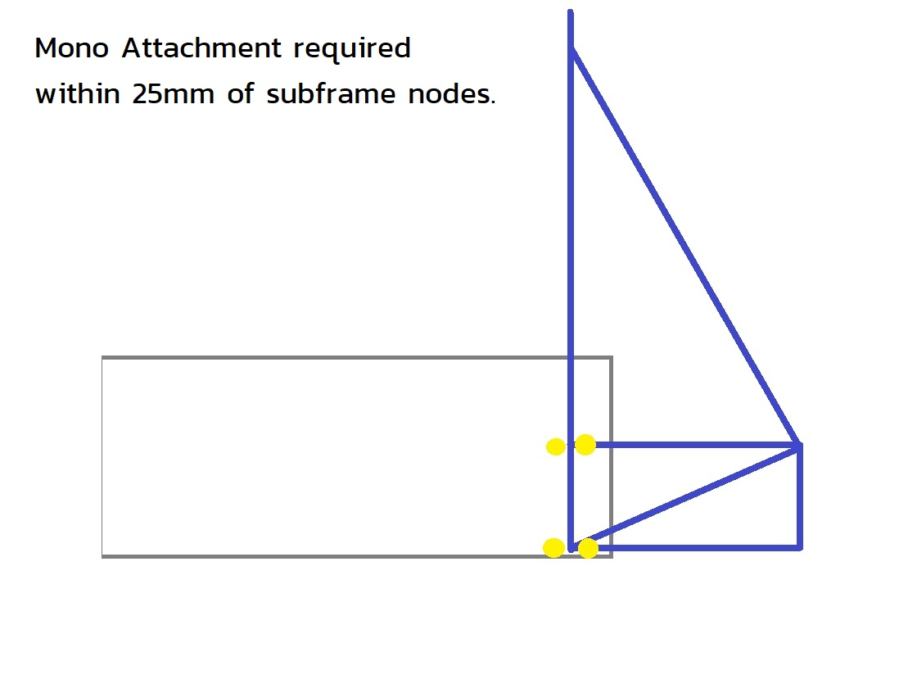
 |  |  |  |  |  |  |  | F.3.5.3 |  |  |  |  |  |  |  | N/A |  |  |  |  |  |  |  |  |  |  |  |  |  | Square side: | 0.025 |  | m | EQ | T.2.7.2 only works for conventional saloon car seats. |  |  |  |  |  |  |  |  | Wrapped SH strongly preferred. |  |  |  |  |  |  |  |  | BLANK |  |  |  |  |  |  |  |  |  |  |  |  |  |  | F.6.5.3 | BLANK | to non-crushable objects. Not including mounts, but preferably including other chassis tubes. |  |  |  |  |  |  |  |  |  |  |  | Wall thickness: | 0.0012 |  | m | N/A
 |  |  |  |  |  |  |  |  |  |  | Critical strength for equivalence: |  |  |  |  |  | F.6.3.6 | The upper and lower segments of a straight Front Hoop tube |  |  |  |  |  |  |  |  |  |  |  | Tube cross sectional area (A): | 1.14E-04 |  | m^2 | EQ | Which are almost never seen in FSAE. |  |  |  |  |  |  |  |  | Eyebolts or tabs must be in front of tube, in line with belts. |  |  |  |  |  |  |  |  | F.5.9.2 |  |  |  | Main Hoop brace direction: |  |  | BLANK |  |  |  |  |  |  |  | T.6.1.6 | BLANK |  |  |  |  |  |  |  |  |  |  |  |  | Square side: | 0.025 |  | m | N/A | Bent Tubes
 |  |  |  |  |  |  |  |  |  |  |  |  |  |  |  |  |  | (created by the FBHS offset to the Upper SIS) are treated as one segment. |  |  |  |  |  |  |  |  |  |  |  | Tube second moment of inertia (I): | 8.51E-09 |  | m^4 | EQ | The forces in a reclined position are forward, not upward. |  |  |  |  |  |  |  |  | Weld outside only of SH width guides, to keep the belt wrapped flat around the tube. |  |  |  |  |  |  |  |  | F.5.9.5 |  |  |  | Angle between MH and MHB >=30 degrees: |  | degrees | BLANK |  |  |  |  |  |  |  | T.6.1.7 | BLANK | BLANK |  |  |  |  |  |  |  |  |  |  |  | Tube cross sectional area (A): | 1.14E-04 |  | m^2 | N/A
 |  |  |  |  |  |  |  |  |  |  |  |  |  |  |  |  |  |  |  |  |  |  |  |  |  |  | F.3.4.2 |  |  | Young's Modulus (E): | 2.00E+11 | 0.00E+00 | Pa | BLANK | See the Formula position on page 11 of the Schroth manual. |  |  |  |  |  |  |  |  |  |  |  |  |  |  |  |  |  |  |  |  |  |  |  |  |  |  |  |  |  |  |  |  | F.9.2 | N/A | F.11.2.1 | Tractive Battery Side Protection |  |  |  |  |  |  | BLANK |  |  |  | Tube second moment of inertia (I): | 8.51E-09 |  | m^4 | N/A
 |  |  |  |  |  |  |  |  |  |  |  |  |  |  |  |  | F.6.3.6 | A tube FHB must be straight, without any bends. (One segment.) |  |  |  |  |  |  |  |  |  |  |  | (S): | #N/A |  | Pa | EQ |  |  |  |  |  |  |  |  |  | The more vertical the SH brace is, the better it reacts the moment. |  |  |  |  |  |  |  |  | BLANK |  |  |  |  |  |  |  |  |  |  |  |  |  |  | F.9.1.1. | N/A |  |  |  |  |  | Minimum | Tube Used |  | EQ | F.3.4.2 |  |  | Young's Modulus (E): | 2.00E+11 | 0.00E+00 | Pa | N/A | All bends and multiple segment members must be braced according to F.5.2.
 |  |  |  |  |  |  |  |  |  |  |  |  |  |  |  |  | Designate the Front Hoop Braces. |  |  |  |  |  |  |  |  |  | Buckling Modulus |  |  | E_1*I_1 <= E_2*I_2: | 1.70E+03 |  |  | EQ | Lap and Anti-Sub should not share the same attachment. |  |  |  |  |  |  |  |  | https://www.fsaeonline.com/cdsweb/rqa/ViewFAQ.aspx?faqnum=284 |  |  |  |  |  |  |  |  | F.5.9.4 |  |  |  | Top of MH to MHB tube, 160mm vertical limit: |  | mm | BLANK | T.2.8.3 | A straight tube between the MHB is inside the rollover envelope. Head Restraints behind |  |  |  |  |  |  |  |  |  |  |  |  | Steel |  |  | BLANK |  |  |  | (S): | #N/A |  | Pa | N/A | F.5.2.1 | The bend radius at the centerline axis must be >= 3 x tube OD.
 |  |  |  |  |  |  |  |  |  |  |  |  |  |  |  |  | F.6.3.3 | The FHB should extend all the way to the Front Bulkhead. |  |  |  |  |  |  |  |  | (S): |  |  | S_1*A_1 <= S_2*A_2: | #N/A |  | #N/A | #N/A | Lap belt loading is essentially vertical and forward. |  |  |  |  |  |  |  |  | SH brace to a node is also ideal. |  |  |  |  |  |  |  |  |  |  |  |  |  |  |  |  | Main Hoop requires rear structure, either triangulated tubing or F.5.10, see examples G1-G5. |  |  |  |  |  |  |  |  | F.3.2.1.m | Example: 25.4mm x 1.6mm round |  |  |  | Size B |  |  | BLANK | Buckling Modulus |  |  | E_1*I_1 <= E_2*I_2: | 1.70E+03 |  |  | N/A | F.5.2.3.a | The brace must be at the center of the bend or intersection.
 |  |  |  |  |  |  |  | F.5.7.2-3 | The FH runs from the lowest frame member on each side. The FH may be multiple pieces. |  |  |  |  |  |  |  | F.6.3.3 | Front FHB that do not reach the FB must end the node of a completely triangulated structure. |  |  |  |  |  |  |  |  | Bending |  |  | 4*S_1*I_1/r <= 4*S_2*I_2/r: | #N/A |  | #N/A | #N/A | Anti-Sub loading is essentially horizontal and forward. |  |  |  |  |  |  |  |  |  |  |  |  |  |  |  |  |  | BLANK |  |  |  |  |  |  |  | F.5.10 | A single, uncut Size B hoop, attached at the MHB nodes, separate from the Head Restraint, |  |  |  |  |  |  |  | F.3.4.1.b |  |  |  | Wall thickness: | 1.2 |  | mm | BLANK | (S): |  |  | S_1*A_1 <= S_2*A_2: | #N/A |  | #N/A | N/A | F.5.2.3.c | The brace must be at least as big as the largest tube being braced.
 |  |  |  |  |  |  |  | F.5.6.3 | Below the FHB, front and side Front Hoop bends must be braced in side view to node. |  |  |  |  |  |  |  | F.5.6.2 | Rear FHB must end at the node of a completely triangulated structure. |  |  |  |  |  |  |  |  | Deflection |  |  | Bending_1/(48*EI): | #N/A |  | #N/A | #N/A | Lap and Anti-Sub must not clip to the same eye. |  |  |  |  |  |  |  |  | BLANK |  |  |  |  |  |  |  |  | F.5.9.1 | Main Hoop Brace (MHB) |  |  | Minimum | Tube Used |  | EQ | may be used to extend the Head Restraint envelope. This has no effect on helmet envelopes. |  |  |  |  |  |  |  |  |  |  |  |  | Square side: | 25 |  | mm | BLANK | Bending |  |  | 4*S_1*I_1/r <= 4*S_2*I_2/r: | #N/A |  | #N/A | N/A | F.5.2.3.c | The brace must be within 30 degrees of the plane of the bend.
 |  |  |  |  |  |  |  |  | Triangulating tubes must run to an FBHS or SIS node. |  |  |  |  |  |  |  | T.1.3.2 | The driver's feet and legs must be completely enclosed by tubes meeting F.3.4.1. |  |  |  |  |  |  |  |  | Energy |  |  | 0.5*Bending^2/(48*EI): | #N/A |  | #N/A | #N/A | The Lap can clip to the eye while the Anti-Sub goes around the shank. |  |  |  |  |  |  |  |  | F.5.8 | Main Hoop (MH) |  |  |  | Minimum | Tube Used |  | EQ |  |  |  |  | Steel | Steel |  | EQ | T.2.8.4 | Nothing may be mounted to the head restraint, leave a 25mm gap. |  |  |  |  |  |  |  |  |  |  |  | Wall thickness: | 0.0012 |  | m | EQ | Deflection |  |  | Bending_1/(48*EI): | #N/A |  | #N/A | N/A | The plane of the bend is defined by the straight axes on either side of the bend.
 |  |  |  |  |  |  |  |  |  |  |  |  |  |  |  |  | In side view, feet on pedals, structural tubes must be above and below all of feet and legs. |  |  |  |  |  |  |  |  |  |  |  |  |  |  |  |  |  | Enter this as Lap Only, Eyebolt Through Welded Insert, and |  |  |  |  |  |  |  |  |  |  |  |  |  | Steel | Steel |  | EQ | F.3.2.1.h | Example: 25.4mm x 1.6mm round |  |  | Size B |  |  | BLANK | BLANK |  |  |  |  |  |  |  |  |  |  |  |  | Square side: | 0.025 |  | m | EQ | Energy |  |  | 0.5*Bending^2/(48*EI): | #N/A |  | #N/A | N/A | The plane and 30 degree requirement must be considered in 3 dimensions.
 |  |  |  |  |  |  |  | BLANK |  |  |  |  |  |  |  |  | Tubes may be added for leg and foot protection. |  |  |  |  |  |  |  |  |  | BLANK |  |  |  |  |  |  |  | Anti-Sub, Bolted Through Welded Insert . |  |  |  |  |  |  |  |  | F.3.2.1.g | Example: 25mm x 2.5mm round |  |  |  | Size A | Round |  | EQ | F.3.4.1.b |  |  | Wall thickness: | 1.2 |  | mm | BLANK | T.2.8.3 |  |  |  |  | Head Restraint >=0 from rollover envelope: |  | mm | BLANK |  |  |  |  | Tube cross sectional area (A): | 1.14E-04 |  | m^2 | EQ
 |  |  |  |  |  |  |  | F.5.7 | Front Hoop (FH) |  |  |  | Minimum | Tube Used |  | EQ |  |  |  |  |  |  |  |  |  |  |  |  |  |  | Lowest edge of Lower SIS to Lowest Upper SIS top edge >=290mm: |  | mm | BLANK | Do not clip around a shank or bolt. |  |  |  |  |  |  |  |  | F.3.4.1.a |  |  |  | Wall thickness: | 2 |  | mm | BLANK |  |  |  | Square side: | 25 |  | mm | BLANK | F.5.10 |  |  |  |  | Head Restraint Protection Hoop Used? |  |  | BLANK |  |  |  |  | Tube second moment of inertia (I): | 8.51E-09 |  | m^4 | EQ | F.11.3.2 | The entire top edge of the upper tube or plate must be between 290mm and 345mm |  |  |  |  |  |  | There is no limit to the number bends.
 |  |  |  |  |  |  |  |  |  |  |  |  | Steel |  |  | BLANK | BLANK |  |  |  |  |  |  |  |  |  |  |  |  |  | Lowest edge of Lower SIS to Highest Upper SIS top edge <=345mm: |  | mm | BLANK | Only use harness ends for bolting around a shank. |  |  |  |  |  |  |  |  |  |  |  |  | Outer Diameter (OD): | 25 |  | mm | BLANK |  |  |  | Wall thickness: | 1.2 |  | mm | BLANK | F.3.2.1.h | Example: 25.4mm x 1.6mm round |  |  |  | Size B |  |  | N/A | F.3.4.2 |  |  |  | Young's Modulus (E): | 2.00E+11 | 0.00E+00 | Pa | BLANK | above the lowest point of the bottom edge of the Lower SIS tube. |  |  |  |  |  |  |  | There is no limit to the number or size of triangles used between an Upper and Lower.
 |  |  |  |  |  |  |  | F.3.2.1.c | Example: 25mm x 2.5mm round |  |  |  | Size A |  |  | BLANK | F.6.2 | Front Bulkhead Support (FBHS) |  |  |  |  |  |  | BLANK |  |  |  |  |  | Inclination: Measure to the top edge of the Upper SIS tube. | 0 | mm | BLANK | A single tab will be in bending from one or both belts. |  |  |  |  |  |  |  |  |  |  |  |  | Wall thickness: | 2.0 |  | mm | BLANK |  |  |  | Square side: | 25.0 |  | mm | BLANK | F.3.4.1.b |  |  |  | Wall thickness: | 1.2 |  | mm | N/A |  |  |  |  | (S): | #N/A |  | Pa | EQ
 |  |  |  |  |  |  |  | F.3.4.1.a |  |  |  | Wall thickness: | 2 |  | mm | BLANK |  |  |  |  |  | Minimum | Tube Used |  | EQ |  |  |  |  |  |  |  |  |  | A double shear design can use one tab for equivalence on each belt. |  |  |  |  |  |  |  |  |  |  |  |  | Outer Diameter (OD): | 25.0 |  | mm | BLANK |  |  |  | Tube cross sectional area (A): | 114 |  | mm^2 | BLANK |  |  |  |  | Square side: | 25 |  | mm | N/A | Buckling Modulus |  |  |  | E_1*I_1 <= E_2*I_2: | 1.70E+03 |  |  | EQ | BLANK
 |  |  |  |  |  |  |  |  |  |  |  | Square side: | 25 |  | mm | BLANK | F.3.2.1.b | Example: 25.4mm x 1.2mm round |  |  |  | Steel |  |  | BLANK |  | BLANK |  |  |  |  |  |  |  | But a better approach is angling the tabs individually. |  |  |  |  |  |  |  |  |  |  |  |  | Tube cross sectional area (A): | 173 |  | mm^2 | BLANK |  |  |  | Tube second moment of inertia (I): | 8509 |  | mm^4 | BLANK |  |  |  |  | Wall thickness: | 1.2 |  | mm | N/A | (S): |  |  |  | S_1*A_1 <= S_2*A_2: | #N/A |  | #N/A | #N/A |  |  |  |  | Lowest edge of Lower SIS to Lowest Upper RB top edge >=290mm: |  | mm | BLANK
 |  |  |  |  |  |  |  |  |  |  |  | Wall thickness: | 0.002 |  | m | EQ | F.3.4.1.c |  |  |  |  | Size C |  |  | BLANK |  | F.6.4.1 | Lower / Diagonal SIS |  |  |  |  |  | BLANK |  |  |  |  |  |  |  |  |  |  |  |  |  | Tube second moment of inertia (I): | 11320 |  | mm^4 | BLANK |  |  |  |  |  |  |  |  |  |  |  |  | Square side: | 25.0 |  | mm | N/A | Bending |  |  |  | 4*S_1*I_1/r <= 4*S_2*I_2/r: | #N/A |  | #N/A | #N/A |  |  |  |  | Lowest edge of Lower SIS to Highest Upper RB top edge <=345mm: |  | mm | BLANK
 |  |  |  |  |  |  |  |  |  |  |  | Square side: | 0.025 |  | m | EQ |  |  |  |  | Wall thickness: | 1.2 |  | mm | BLANK |  |  |  |  |  | Minimum | Tube Used |  | EQ |  |  |  |  | Lap and anti-sub belts must attach directly to a Size B tube. Eyebolts must use welded inserts. |  |  |  |  |  |  |  |  |  |  |  |  |  | BLANK |  |  |  |  |  |  |  |  |  |  |  | Tube cross sectional area (A): | 114 |  | mm^2 | N/A | Deflection |  |  |  | Bending_1/(48*EI): | #N/A |  | #N/A | #N/A
 |  |  |  |  |  |  |  |  |  |  |  | Tube cross sectional area (A): | 1.73E-04 |  | m^2 | EQ |  |  |  |  | Square side: | 25 |  | mm | BLANK |  |  |  |  |  | Steel |  |  | BLANK |  |  |  |  | Tabs must be welded on, or be bolted (with positive locking) using welded inserts. |  |  |  |  | BLANK |  |  |  |  |  |  |  |  | F.6.6 | Main Hoop Brace Support (MHBS) |  |  |  |  |  | BLANK |  |  |  |  | Tube second moment of inertia (I): | 8509 |  | mm^4 | N/A | Energy |  |  |  | 0.5*Bending^2/(48*EI): | #N/A |  | #N/A | #N/A | Outside rear differential carriers may be used for diagonal equivalence.
 |  |  |  |  |  |  |  |  |  |  |  | Tube second moment of inertia (I): | 1.13E-08 |  | m^4 | EQ |  |  |  |  | Wall thickness: | 0.0012 |  | m | EQ |  | F.3.2.1.e | Example: 25.4mm x 1.6mm round |  |  | Size B |  |  | BLANK | BLANK |  |  |  |  |  |  |  |  | F.6.5 | Shoulder Harness Bar (SH) |  |  |  |  |  |  | BLANK |  |  |  |  | Minimum | Tube Used |  | EQ |  |  |  |  |  |  |  |  |  |  |  |  |  |  |  |  |  |  | F.11.3.5.a | The mounts or plate extend 25mm above and 25mm below the opening.
 |  |  |  |  |  |  |  | F.3.4.2 |  |  |  | Young's Modulus (E): | 2.00E+11 | 0.00E+00 | Pa | BLANK |  |  |  |  | Square side: | 0.025 |  | m | EQ |  | F.3.4.1.b |  |  | Wall thickness: | 1.2 |  | mm | BLANK |  | Lap Belt Attachment: |  |  |  |  |  |  | BLANK |  |  |  |  |  | Minimum | Tube Used |  | EQ |  |  |  |  | Steel |  |  | BLANK | F.5.11 | Wing mounts and other items outside the rollover envelope could buckle the MH or MHB. |  |  |  |  |  |  |  | BLANK |  |  |  |  |  |  |  |  | Holes in a plate must be too small for the differential to pass through.
 |  |  |  |  |  |  |  |  |  |  |  | (S): | #N/A |  | Pa | EQ |  |  |  |  | Tube cross sectional area (A): | 9.10E-05 |  | m^2 | EQ |  |  |  |  | Square side: | 25 |  | mm | BLANK | T.2.4.3.a |  |  |  |  | Harness Test Load: | 30000 | N | EQ |  |  |  |  |  | Steel | Steel |  | EQ | F.3.2.1.i | Example: 25.4mm x 1.2mm round |  |  | Size C |  |  | BLANK | F.5.11.2.a | Place rear wing mounts at nodes, or away from the MH and MHB. |  |  |  |  |  |  |  | T.1.6.3.b |  |  |  |  | Air gap to driver's seat >=25mm: |  | mm | BLANK
 |  |  |  |  |  |  |  | Buckling Modulus |  |  |  | E_1*I_1 <= E_2*I_2: | 2.26E+03 |  |  | EQ |  |  |  |  | Tube second moment of inertia (I): | 6.69E-09 |  | m^4 | EQ |  |  |  |  | Wall thickness: | 0.0012 |  | m | EQ | T.2.5.8 |  |  |  |  | Shank OD, unmodified harness, no thread shear: |  | mm | BLANK | F.3.2.1.k | Example: 25mm x 2.5mm round |  |  |  | Size A |  |  | BLANK | F.3.4.1.c |  |  | Wall thickness: | 1.2 |  | mm | BLANK | Suspension pickups or rocker mounts on the MHB must be at or below the base. |  |  |  |  |  |  |  |  |  |  |  | Top surface of Tractive Battery Protection: |  |  |  |  | BLANK | The mounts are considered as beams, seen in the side view.
 |  |  |  |  |  |  |  | (S): |  |  |  | S_1*A_1 <= S_2*A_2: | #N/A |  | #N/A | #N/A | F.3.4.2 |  |  |  | Young's Modulus (E): | 2.00E+11 | 0.00E+00 | Pa | BLANK |  |  |  |  | Square side: | 0.025 |  | m | EQ |  |  |  |  |  | Bolt rated UTS: |  | Pa | BLANK | F.3.4.1.a |  |  |  | Wall thickness: | 2 |  | mm | BLANK |  |  |  | Square side: | 25 |  | mm | BLANK | F.5.11.3 | Wing mounts should not point at the driver. In failure, try to keep outside chassis tubes. |  |  |  |  |  |  |  |  |  |  |  |  |  |  |  |  | Sections should be taken in a plane parallel to the ground. *Plate minimums are more likely to be vertical.
 |  |  |  |  |  |  |  | Bending |  |  |  | 4*S_1*I_1/r <= 4*S_2*I_2/r: | #N/A |  | #N/A | #N/A |  |  |  |  | (S): | #N/A |  | Pa | EQ |  |  |  |  | Tube cross sectional area (A): | 1.14E-04 |  | m^2 | EQ |  |  |  |  |  | Fastener shear strength 0.577*UTS*A (N): | 0 | 0.00% | REJECT |  |  |  |  | Square side: | 25 |  | mm | BLANK |  |  |  | Wall thickness: | 0.0012 |  | m | EQ |  |  |  |  |  |  |  |  |  | F.11.1.3 | F.11.1.2 | HV Components must be within the Rollover Protection Envelope.
 |  |  |  |  |  |  |  | Deflection |  |  |  | Bending_1/(48*EI): | #N/A |  | #N/A | #N/A | Buckling Modulus |  |  |  | E_1*I_1 <= E_2*I_2: | 1.34E+03 |  |  | EQ |  |  |  |  | Tube second moment of inertia (I): | 8.51E-09 |  | m^4 | EQ |  |  |  |  |  |  |  | mm | N/A |  |  |  |  | Wall thickness: | 2.0 |  | mm | BLANK |  |  |  | Square side: | 0.025 |  | m | EQ | F.5.11.2.b | Each wing mount in the middle of the MHB must have a structural tube brace underneath, |  |  |  |  |  |  |  | EV.4.1.3 | Outboard wheel motors are the exception. Cables must exit ahead of FH, behind MH. |  |  |  |  |  |  |  | Take the area and moment of inertia of the one mount.
 |  |  |  |  |  |  |  | Energy |  |  |  | 0.5*Bending^2/(48*EI): | #N/A |  | #N/A | #N/A | (S): |  |  |  | S_1*A_1 <= S_2*A_2: | #N/A |  | #N/A | #N/A |  | F.3.4.2 |  |  | Young's Modulus (E): | 2.00E+11 | 0.00E+00 | Pa | BLANK |  |  |  |  |  |  |  | mm | N/A |  |  |  |  | Square side: | 25.0 |  | mm | BLANK |  |  |  | Tube cross sectional area (A): | 9.10E-05 |  | m^2 | EQ | and have a detachment or failure force below the calculated buckling yield of the MHB. |  |  |  |  |  |  |  |  |  |  |  |  |  |  |  |  |  | If they are identical, these values can be multiplied by two.
 |  |  |  |  |  |  |  |  |  |  |  |  |  |  |  |  | Bending |  |  |  | 4*S_1*I_1/r <= 4*S_2*I_2/r: | #N/A |  | #N/A | #N/A |  |  |  |  | (S): | #N/A |  | Pa | EQ |  |  |  |  |  |  | 0 | 0.00% | N/A |  |  |  |  | Tube cross sectional area (A): | 173 |  | mm^2 | BLANK |  |  |  | Tube second moment of inertia (I): | 6.69E-09 |  | m^4 | EQ | F.2.3 | FEA is not an accepted calculation for mount failure force or any other SES equivalency. |  |  |  |  |  |  |  | F.11.2.4 | From the side, all HV components must be protected with an upper tube, a lower tube, |  |  |  |  |  |  |  | If they are unique, add the values from the second mount.
 |  |  |  |  |  |  |  | BLANK |  |  |  |  |  |  |  |  | Deflection |  |  |  | Bending_1/(48*EI): | #N/A |  | #N/A | #N/A |  | Buckling Modulus |  |  | E_1*I_1 <= E_2*I_2: | 1.70E+03 |  |  | EQ |  |  |  |  |  | Eyebolt or bolt to chassis: |  |  | BLANK |  |  |  |  | Tube second moment of inertia (I): | 11320 |  | mm^4 | BLANK | F.3.4.2 |  |  | Young's Modulus (E): | 2.00E+11 | 0.00E+00 | Pa | BLANK | F.6.6.2 | If the brace has a path to the SIS and is triangulated underneath, it could be the MHBS. |  |  |  |  |  |  |  | and a diagonal tube or tubes completely triangulating the upper and lower tubes.
 |  |  |  |  |  |  |  | F.5.7.4 |  |  |  |  | Turned Steering Wheel minimum below FH top: |  | mm | BLANK | Energy |  |  |  | 0.5*Bending^2/(48*EI): | #N/A |  | #N/A | #N/A |  | (S): |  |  | S_1*A_1 <= S_2*A_2: | #N/A |  | #N/A | #N/A |  |  |  |  |  |  |  | mm | N/A | F.6.5.3 | Harness, Head Restraint, Firewall, seat, and light bodywork only on the SH bar. |  |  |  |  |  |  |  |  |  |  | (S): | #N/A |  | Pa | EQ | F.5.9.6 | The wing mount would then be at an MHB node, and there is no failure requirement. |  |  |  |  |  |  |  |  |  |  |  |  |  |  |  |  | If mounts are identical, R is the same centroid distance in each, and is the value used.
 |  |  |  |  |  |  |  |  |  |  |  |  |  |  |  |  |  |  |  |  |  |  |  |  |  |  | Bending |  |  | 4*S_1*I_1/r <= 4*S_2*I_2/r: | #N/A |  | #N/A | #N/A |  |  |  |  |  |  |  | mm | N/A |  |  |  |  | Shoulder Harness Bar does not require braces. |  |  |  |  | Buckling Modulus |  |  | E_1*I_1 <= E_2*I_2: | 1.34E+03 |  |  | EQ |  | F.5.11 External Items: | https://www.fsaeonline.com/cdsweb/rqa/ViewFAQ.aspx?faqnum=279 |  |  |  |  |  |  | BLANK |  |  |  |  |  |  |  |  | If mounts are asymmetric, average the centroid values for R.
 |  |  |  |  |  |  |  | BLANK |  |  |  |  |  |  |  |  | BLANK |  |  |  |  |  |  |  |  |  | Deflection |  |  | Bending_1/(48*EI): | #N/A |  | #N/A | #N/A |  |  |  |  |  |  |  | mm | N/A |  |  |  |  |  |  |  |  |  | (S): |  |  | S_1*A_1 <= S_2*A_2: | #N/A |  | #N/A | #N/A |  |  |  |  |  |  |  |  |  | F.11.2.4 | HV Side Protection, RBHS |  |  |  |  |  |  | BLANK
 |  |  |  |  |  |  |  | F.5.7.5 |  |  |  |  | FH to Steering Wheel gap <=250mm (9.8in) |  | mm | BLANK | F.6.2.3a |  |  |  |  | Top of FB to Upper FBHS tube, 50mm vertical limit: |  | mm | BLANK |  | Energy |  |  | 0.5*Bending^2/(48*EI): | #N/A |  | #N/A | #N/A |  |  |  |  |  |  |  | mm | N/A | EQ |  |  |  |  |  |  |  |  | Bending |  |  | 4*S_1*I_1/r <= 4*S_2*I_2/r: | #N/A |  | #N/A | #N/A | BLANK |  |  |  |  |  |  |  |  |  |  |  |  |  | Minimum | Tube Used |  | EQ | EQ
 |  |  |  |  |  |  |  |  |  |  |  |  |  |  |  |  |  |  |  |  |  |  |  |  |  |  |  |  |  |  |  |  |  |  |  |  |  |  |  |  | 0 | 0.00% | N/A | F.6.5.2.b | Brace angle to plane of SH side view >= 30: |  |  |  |  |  | degrees | N/A | Deflection |  |  | Bending_1/(48*EI): | #N/A |  | #N/A | #N/A | F.5.11 |  |  |  | Rear Wing chassis mounting locations: |  |  |  | BLANK |  |  |  |  |  | Steel |  |  | BLANK | F.11.3.1.a |  |  | Diagonal Rear Bulkhead Tubes Replaced: | 0 |  |  | EQ
 |  |  |  |  |  |  |  | BLANK |  |  |  |  |  |  |  |  | BLANK |  |  |  |  |  |  |  |  |  | T.2.4.2 | F.3.2.1.j | Lap and sub belts attachments must be located on minimum Size B tubes. |  |  |  |  |  |  |  |  |  | At least 2x 6mm critical fasteners, Welded Inserts, and external Positive Locking required. |  |  |  |  |  |  |  |  |  |  |  |  |  | Energy |  |  | 0.5*Bending^2/(48*EI): | #N/A |  | #N/A | #N/A |  |  |  |  |  | Number of fasteners per chassis mount for the wing: |  |  | N/A | F.3.2.1.n | Example: 25.4mm x 1.2mm round |  |  |  | Size B |  |  | BLANK |  |  |  |  | Minimum | Material |  | N/A
 |  |  |  |  |  |  |  | F.5.7.6 |  |  |  |  | FH side angle above Upper SIS <=20 degrees: |  | degrees | BLANK | F.6.2.3.a-b |  |  |  |  | FBHS configuration: |  |  | BLANK |  |  |  |  |  |  |  |  |  |  |  |  |  |  |  |  |  |  | F.5.2.3 | The plane of a bent tube is defined by the straight axes on either side of the bend. |  |  |  |  |  |  |  |  |  |  |  |  |  |  |  | F.5.11.2.b | Wing Mount Braces |  |  |  | Minimum | Steel |  | N/A | F.3.4.1.c |  |  |  | Wall thickness: | 1.2 |  | mm | BLANK |  |  |  |  | Steel |  |  | N/A
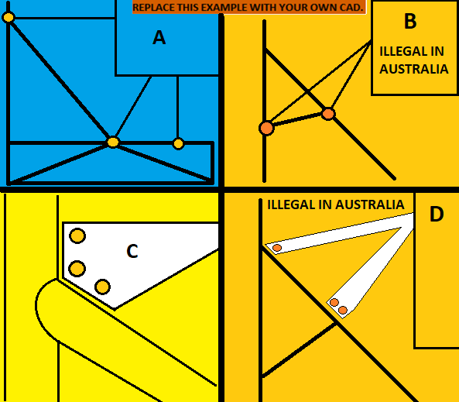
 |  |  |  |  |  |  |  |  |  |  |  |  |  |  |  |  |  |  |  |  |  | Top of Upper FBHS relative to top of Upper SIS: |  |  | BLANK |  | BLANK |  |  |  |  |  |  |  | BLANK |  |  |  |  |  |  |  |  |  |  |  |  |  |  |  |  |  |  |  |  |  |  |  |  |  | F.3.2.1.o | Example: 25.4mm x 1.2mm round |  |  |  | Size C |  |  | N/A |  |  |  |  | Square side: | 25 |  | mm | BLANK | F.3.2.1 | Example: 25.4mm x 1.6mm round |  |  | Size B |  |  | N/A
 |  |  |  |  |  |  |  | BLANK |  |  |  |  |  |  |  |  |  |  |  |  |  | Vertical limit 50mm below top of SIS: |  | mm | BLANK |  | T.2.4.2 | F.3.2.1.j | Minimum Lap/Sub Belt Tube |  |  |  |  | BLANK |  |  |  | Anti-Submarining Belt Attachment: |  |  |  |  | BLANK |  |  |  |  | Shoulder Harness Bar does not require braces. |  |  |  |  |  |  |  |  |  |  |  |  | F.3.4.1.c |  |  |  | Wall thickness: | 1.2 |  | mm | N/A |  |  |  |  | Wall thickness: | 0.0012 |  | m | EQ | F.3.4.2 |  |  |  | 2.00E+11 |  | Pa | N/A
 |  |  |  |  |  |  |  | F.6.3.5 |  |  |  |  | FH rearward lean above Upper SIS <= 10, or braced: |  | degrees | BLANK |  |  |  |  | Rearward Front Bulkhead Support is not required. |  |  |  |  |  |  |  |  |  | Minimum | Tube Used |  | EQ | T.2.4.3.a |  |  |  |  | Harness Test Load: | 30000 | N | EQ | EQ |  |  |  |  |  |  |  |  |  |  |  |  |  |  |  |  |  |  |  |  | Square side: | 25 |  | mm | N/A |  |  |  |  | Square side: | 0.025 |  | m | EQ |  |  |  |  | 3.05E+08 |  | Pa | N/A
 |  |  |  |  |  |  |  |  |  |  |  | Rearward Front Hoop Brace is not required. |  |  |  |  |  |  |  |  |  |  |  |  |  |  |  |  |  |  | Steel |  |  | BLANK | T.2.7.5 |  |  |  |  | Shank OD, unmodified harness, no thread shear: |  | mm | BLANK | F.6.5.2.b | Shoulder Harness Braces |  |  |  | Minimum | Tube Used |  | N/A |  |  |  |  |  |  |  |  |  |  |  |  | Wall thickness: | 1.2 |  | mm | N/A |  |  |  |  | Tube cross sectional area (A): | 1.14E-04 |  | m^2 | EQ |  |  |  |  | 3.65E+08 |  | Pa | N/A
 |  |  |  |  |  |  |  |  |  |  |  |  |  |  |  |  | BLANK |  |  |  |  |  |  |  |  |  | F.3.2.1.j | Example: 25.4mm x 1.6mm round |  |  | Size B |  |  | BLANK |  |  |  |  |  | Bolt rated UTS: |  | Pa | BLANK | F.3.2.1.l | Example: 25.4mm x 1.2mm round |  |  |  | Size C |  |  | N/A |  |  |  |  |  |  |  |  |  |  |  |  | Square side: | 25.0 |  | mm | N/A |  |  |  |  | Tube second moment of inertia (I): | 8.51E-09 |  | m^4 | EQ | (S) |  |  |  | 0.00E+00 | 0.00E+00 | Pa | N/A
 |  |  |  |  |  |  |  | BLANK |  |  |  |  |  |  |  |  | F.6.3.4 | Top of FH to top of FHB tube, 50mm vertical limit: |  |  |  |  |  | mm | BLANK |  | F.3.4.1.b |  |  | Wall thickness: | 1.2 |  | mm | BLANK |  |  |  |  |  | Fastener shear strength 0.577*UTS*A (N): | 0 | 0.00% | REJECT | F.3.4.1.c |  |  |  | Wall thickness: | 1.2 |  | mm | N/A |  |  |  |  |  |  |  |  |  |  |  |  | Tube cross sectional area (A): | 91 |  | mm^2 | N/A | F.3.4.2 |  |  |  | Young's Modulus (E): | 2.00E+11 | 0.00E+00 | Pa | BLANK |  |  |  |  |  |  | mm^2 | N/A
 |  |  |  |  |  |  |  | F.5.14 |  |  |  |  | Steering rack is inside the FBHS? |  |  | BLANK |  |  |  |  |  |  |  |  |  |  |  |  |  | Square side: | 25 |  | mm | BLANK |  |  |  |  |  |  |  | mm | N/A |  |  |  |  | Square side: | 25 |  | mm | N/A |  |  |  |  |  |  |  |  |  |  |  |  | Tube second moment of inertia (I): | 6695 |  | mm^4 | N/A |  |  |  |  | (S): | #N/A |  | Pa | EQ |  |  |  |  |  |  | mm^4 | N/A
 |  |  |  |  |  |  |  |  |  |  |  | Additional steering protection required the FBHS. |  |  |  | EQ | BLANK |  |  |  |  |  |  |  |  |  |  |  |  | Wall thickness: | 0.0012 |  | m | EQ |  |  |  |  |  |  |  | mm | N/A |  |  |  |  | Wall thickness: | 1.2 |  | mm | N/A |  |  |  |  |  |  |  |  | F.5.11.2.b |  |  |  | Calculation of bending strength of MHB tube. |  |  |  | N/A | Buckling Modulus |  |  |  | E_1*I_1 <= E_2*I_2: | 1.70E+03 |  |  | EQ |  |  |  |  |  |  | mm | N/A
 |  |  |  |  |  |  |  | F.5.14 | Steering Protection |  |  |  |  |  |  | BLANK | F.6.3 | Forward Front Hoop Braces (FHB) |  |  |  |  |  |  | BLANK |  |  |  |  | Square side: | 0.025 |  | m | EQ |  |  |  |  |  |  | 0 | 0.00% | N/A |  |  |  |  | Square side: | 25.0 |  | mm | N/A |  |  |  |  |  |  |  |  | F.3.4.2 |  |  |  |  | Yield Strength (Sy): | 3.05E+08 | Pa | N/A | (S): |  |  |  | S_1*A_1 <= S_2*A_2: | #N/A |  | #N/A | #N/A |  |  |  | Cross sectional area (A): | 0.00E+00 | 0.00E+00 | m^2 | N/A
 |  |  |  |  |  |  |  |  |  |  |  |  | Minimum | Tube Used |  | EQ |  |  |  |  |  | Minimum | Tube Used |  | EQ |  |  |  |  | Tube cross sectional area (A): | 1.14E-04 |  | m^2 | EQ |  |  |  |  |  | Eyebolt or bolt to chassis: |  |  | BLANK |  |  |  |  | Tube cross sectional area (A): | 91 |  | mm^2 | N/A |  |  |  |  |  |  |  |  |  |  |  |  |  | Main Hoop Brace Outer Diameter (OD): | 0 | mm | N/A | Bending |  |  |  | 4*S_1*I_1/r <= 4*S_2*I_2/r: | #N/A |  | #N/A | #N/A |  |  |  | Second moment of inertia (I): | 0.00E+00 | 0.00E+00 | m^4 | N/A
 |  |  |  |  |  |  |  | F.3.2.1.n | Example: 25.4mm x 1.2mm round |  |  |  | Steel |  |  | BLANK | F.3.2.1.d | Example: 25.4mm x 1.6mm round |  |  |  | Steel |  |  | BLANK |  |  |  |  | Tube second moment of inertia (I): | 8.51E-09 |  | m^4 | EQ |  |  |  |  |  |  |  | mm | N/A |  |  |  |  | Tube second moment of inertia (I): | 6695 |  | mm^4 | N/A |  |  |  |  |  |  |  |  |  |  |  |  |  | Main Hoop Brace second moment of inertia (I): |  | mm^4 | N/A | Deflection |  |  |  | Bending_1/(48*EI): | #N/A |  | #N/A | #N/A |  |  |  | Radius of gyration (R): | 1.27E-02 | 0.00E+00 | m | N/A
 |  |  |  |  |  |  |  | F.3.4.1.c |  |  |  | Rear FHB Minimum Tube: | Size C |  |  | BLANK | F.3.4.1.b |  |  |  | FHB Minimum Tube: | Size B |  |  | BLANK |  | F.3.4.2 |  |  | Young's Modulus (E): | 2.00E+11 | 0.00E+00 | Pa | BLANK |  |  |  |  |  |  |  | mm | N/A |  |  |  |  |  |  |  |  |  |  |  |  |  |  |  |  |  |  |  |  |  |  | Main Hoop Brace Length (Main Hoop to MHBS) (L): |  | mm | N/A | Energy |  |  |  | 0.5*Bending^2/(48*EI): | #N/A |  | #N/A | #N/A | Buckling Modulus |  |  | E_1*I_1 <= E_2*I_2: | 0.00E+00 |  |  | N/A
 |  |  |  |  |  |  |  |  |  |  |  | Wall thickness: | 1.2 |  | mm | BLANK |  |  |  |  | Wall thickness: | 1.2 |  | mm | BLANK |  |  |  |  | (S): | #N/A |  | Pa | EQ |  |  |  |  |  |  |  | mm | N/A | BLANK |  |  |  |  |  |  |  |  | Required Image: Car showing wing mounts. |  |  |  |  |  |  |  |  |  |  |  |  | Braced Wing Mount distance to closest MHB end (a): |  | mm | N/A |  |  |  |  |  |  |  |  |  |  |  |  | S_1*A_1 <= S_2*A_2: | 0.00E+00 |  |  | N/A
 |  |  |  |  |  |  |  |  |  |  |  | Square side: | 25 |  | mm | BLANK |  |  |  |  | Square side: | 25 |  | mm | BLANK |  | Buckling Modulus |  |  | E_1*I_1 <= E_2*I_2: | 1.70E+03 |  |  | EQ |  |  |  |  |  |  |  | mm | N/A | F.5.8.3.a |  |  |  |  | Main Hoop side view direction from Upper SIS up: |  |  | BLANK |  |  |  |  |  |  |  |  |  |  |  |  |  | MHB Max Bending Load (Sy*I)/(OD/2*a*(L-a)^2/L^2): |  | N | N/A | F.11.2.3 | Minimum height for the top edge of the upper tube is the lower of: 290mm above |  |  |  |  |  |  |  | Bending |  |  | 4*S_1*I_1/r <= 4*S_2*I_2/r: | 0.00E+00 |  |  | N/A
 |  |  |  |  |  |  |  |  |  |  |  | Wall thickness: | 0.0012 |  | m | EQ |  |  |  |  | Wall thickness: | 0.0012 |  | m | EQ |  | (S): |  |  | S_1*A_1 <= S_2*A_2: | #N/A |  | #N/A | #N/A |  |  |  |  |  |  | 0 | 0.00% | N/A |  |  |  |  |  | Main Hoop angle from vertical above Upper SIS, in side view <=10: |  | degrees | BLANK |  |  |  |  |  |  |  |  |  |  |  | Rear Wing Mount Limit: |  |  |  |  | N/A | the lowest point of the bottom edge of the Lower SIS tube, or the top of the tractive battery. |  |  |  |  |  |  |  |  | Deflection |  |  | Bending_1/(48*EI): |  |  |  | N/A
 |  |  |  |  |  |  |  |  |  |  |  | Square side: | 0.025 |  | m | EQ |  |  |  |  | Square side: | 0.025 |  | m | EQ |  | Bending |  |  | 4*S_1*I_1/r <= 4*S_2*I_2/r: | #N/A |  | #N/A | #N/A |  |  |  |  | At least 2x 6mm critical fasteners, Welded Inserts, and external Positive Locking required. |  |  |  |  | F.5.8.2 | Main Hoop Braces may run forward or rearward. |  |  |  |  |  |  |  |  |  |  |  |  |  |  |  |  |  |  |  |  |  |  | N | N/A |  |  |  |  |  |  |  |  |  | Energy |  |  | 0.5*Bending^2/(48*EI): |  |  |  | N/A
 |  |  |  |  |  |  |  |  |  |  |  | Tube cross sectional area (A): | 9.10E-05 |  | m^2 | EQ |  |  |  |  | Tube cross sectional area (A): | 1.14E-04 |  | m^2 | EQ |  | Deflection |  |  | Bending_1/(48*EI): | #N/A |  | #N/A | #N/A |  |  |  |  |  |  |  |  |  |  |  |  |  |  |  |  |  |  |  |  |  |  |  |  |  |  |  |  |  |  |  |  |  |  | N/A | BLANK
 |  |  |  |  |  |  |  |  |  |  |  | Tube second moment of inertia (I): | 6.69E-09 |  | m^4 | EQ |  |  |  |  | Tube second moment of inertia (I): | 8.51E-09 |  | m^4 | EQ |  | Energy |  |  | 0.5*Bending^2/(48*EI): | #N/A |  | #N/A | #N/A |  |  |  |  |  |  |  |  |  | BLANK |  |  |  |  |  |  |  |  |  |  |  |  |  |  |  |  |  |  |  |  |  |  | 0.00 |  | N/A |  |  |  |  | EV motor location: |  |  |  | BLANK |  |  |  | In rear view, a rear bulkhead plate must fully overlap the F.11.2.2.b chassis load paths to the SIS.
 |  |  |  |  |  |  |  | F.3.4.2 |  |  |  | Young's Modulus (E): | 2.00E+11 | 0.00E+00 | Pa | BLANK | F.3.4.2 |  |  |  | Young's Modulus (E): | 2.00E+11 | 0.00E+00 | Pa | BLANK |  |  |  |  |  |  |  |  |  |  |  |  |  |  |  |  |  |  | F.5.8.3.c |  |  |  |  | MH side view direction from Upper SIS down: |  |  | BLANK |  |  |  |  |  |  |  |  |  |  |  |  | Do not delete any original tabs (OK to delete extra F.4.3 Composite Testing tabs.) |  |  |  |  |  |  |  | Top surface of HV System Protection: |  |  |  |  | BLANK |  |  |  | The plate must rest on the tubes so the fasteners carry lateral loads only, not the 120kN rear impact load.
 |  |  |  |  |  |  |  |  |  |  |  | (S): | #N/A |  | Pa | EQ |  |  |  |  | (S): | #N/A |  | Pa | EQ |  |  |  |  |  |  |  |  |  |  |  |  |  |  |  |  |  |  |  |  |  |  |  | Main Hoop side angle from vertical below Upper SIS: |  | degrees | BLANK |  |  |  |  |  |  |  |  | BLANK |  |  |  |  |  |  |  |  |  |  |  |  |  |  |  |  |  | EQ
 |  |  |  |  |  |  |  | Buckling Modulus |  |  |  | E_1*I_1 <= E_2*I_2: | 1.34E+03 |  |  | EQ | Buckling Modulus |  |  |  | E_1*I_1 <= E_2*I_2: | 1.70E+03 |  |  | EQ |  |  |  |  |  |  |  |  |  |  |  |  |  |  |  |  |  |  |  |  |  |  |  |  |  |  |  |  |  |  |  |  |  |  |  |  |  |  |  |  | Do any regulated tubes use F.5.12 bolted connections? |  |  | BLANK |  |  |  |  |  |  |  |  |  | F.7.8.1 |  |  |  |  |  |  | N/A
 |  |  |  |  |  |  |  | (S): |  |  |  | S_1*A_1 <= S_2*A_2: | #N/A |  | #N/A | #N/A | (S): |  |  |  | S_1*A_1 <= S_2*A_2: | #N/A |  | #N/A | #N/A |  |  |  |  |  |  |  |  |  |  |  |  |  |  |  |  |  |  | BLANK |  |  |  |  |  |  |  |  |  |  |  |  |  |  |  |  |  |  |  |  |  | Any holes > 4mm or welded inserts in F.3.2.1 required tubes? |  |  | BLANK |  |  |  |  |  |  |  |  |  |  |  |  |  |  | #DIV/0! | N | N/A
 |  |  |  |  |  |  |  | Bending |  |  |  | 4*S_1*I_1/r <= 4*S_2*I_2/r: | #N/A |  | #N/A | #N/A | Bending |  |  |  | 4*S_1*I_1/r <= 4*S_2*I_2/r: | #N/A |  | #N/A | #N/A |  |  |  |  |  |  |  |  |  |  |  |  |  |  |  |  |  |  | F.5.8.4 |  |  |  |  | Distance between Main Hoop ends >=380mm (15") |  | mm | BLANK |  |  |  |  |  |  |  |  |  |  |  |  |  | Does the steering rack interrupt any required tubes? |  |  | BLANK |  |  |  |  |  |  |  |  |  | F.7.8.7 |  |  |  |  |  | mm | N/A
 |  |  |  |  |  |  |  | Deflection |  |  |  | Bending_1/(48*EI): | #N/A |  | #N/A | #N/A | Deflection |  |  |  | Bending_1/(48*EI): | #N/A |  | #N/A | #N/A |  |  |  |  |  |  |  |  |  |  |  |  |  |  |  |  |  |  |  |  |  |  |  |  |  |  |  |  |  |  |  |  |  |  |  |  |  |  |  |  |  |  |  |  |  |  |  |  |  |  |  |  |  |  |  |  |  |  |  | Pa | N/A
 |  |  |  |  |  |  |  | Energy |  |  |  | 0.5*Bending^2/(48*EI): | #N/A |  | #N/A | #N/A | Energy |  |  |  | 0.5*Bending^2/(48*EI): | #N/A |  | #N/A | #N/A |  |  |  |  |  |  |  |  |  |  |  |  |  | Harness tabs cannot rub on harness material. |  |  |  |  | F.5.2.1 | Enter the tightest bend on any F.3.1.1 tube in the chassis (usually in the MH or SH.) |  |  |  |  |  |  |  |  |  |  |  |  |  |  |  | AIP or EV might activate Welded Inserts tab |  |  |  |  |  |  |  |  |  |  |  |  |  |  |  |  |  |  |  |  |  |  | 0.00E+00 | #DIV/0! | N/A
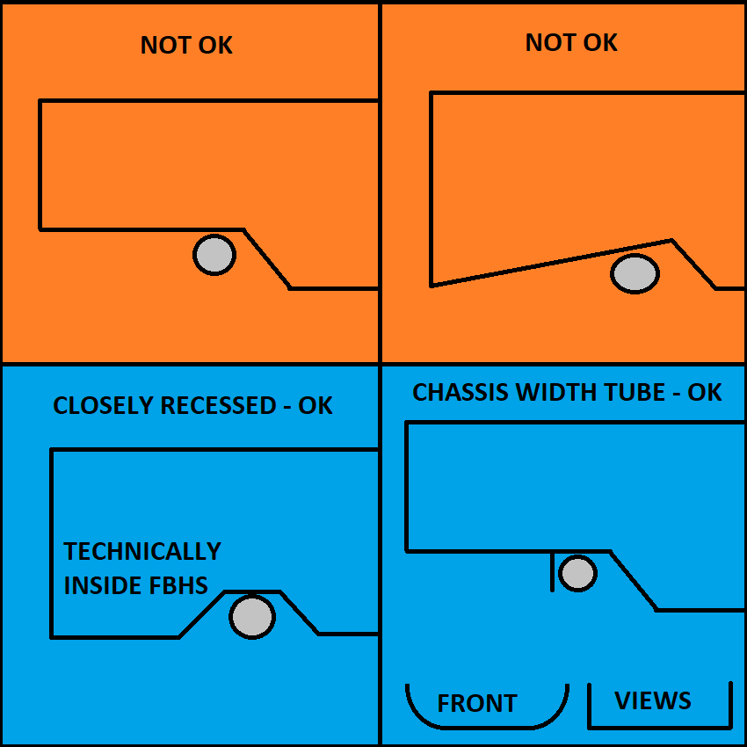
 |  |  |  |  |  |  |  |  |  |  |  |  |  |  |  |  |  |  |  |  |  |  |  |  |  |  |  |  |  |  |  |  |  |  |  |  |  |  |  |  |  |  |  | BLANK |  |  |  |  |  |  |  |  |  |  |  |  |  |  |  |  |  |  |  |  |  |  |  |  |  |  |  |  |  |  |  |  |  |  |  |  |  |  |  |  | mm | N/A
 |  |  |  |  |  |  |  |  |  |  |  |  |  |  |  |  |  |  |  |  |  |  | Rearward Front Hoop Brace is not required. |  |  |  |  |  |  | Lap and Anti-Sub chassis locations |  |  |  |  |  |  |  |  | Use a thicker tab to keep the edge away. |  |  |  |  | F.5.2.1 |  |  |  |  | Minimum tube centerline radius: |  | mm | BLANK |  |  |  |  |  |  |  |  |  |  |  |  |  |  |  |  |  |  |  |  |  |  |  |  |  |  |  |  |  |  |  |  | mm | N/A
 |  |  |  |  |  |  |  |  |  |  |  |  |  |  |  |  | EQ |  |  |  |  |  |  |  |  |  |  |  |  |  |  |  |  |  |  |  |  |  |  |  |  |  |  |  |  |  |  |  | Outer Diameter (OD): |  | mm | BLANK | F.5.11 | Approaches to wing detachment. |  |  |  |  |  |  | Composite: Complete testing and chassis tabs |  |  |  |  |  |  |  |  |  |  |  |  |  |  |  |  |  |  |  |  |  |  |  | mm | N/A
 |  |  |  |  |  |  |  |  |  |  |  |  |  |  |  |  | F.6.2.3.b | Rear Front Bulkhead Support (FBHS) |  |  |  |  |  |  | N/A |  |  |  |  |  |  |  |  |  |  |  |  |  | Harness tab location, dimensions, shear area, |  |  |  |  |  |  |  |  |  | Minimum radius::diameter ratio >=3: |  |  | BLANK |  |  |  |  |  |  |  |  |  |  |  |  |  |  |  |  |  |  |  |  |  |  |  |  |  |  |  |  |  |  |  | 0.00E+00 | #DIV/0! | N/A
 |  |  |  |  |  |  |  |  |  |  |  |  |  |  |  |  |  |  |  |  |  | Minimum | Tube Used |  | N/A |  |  |  |  |  |  |  |  |  |  |  |  |  |  |  |  |  |  |  |  |  |  |  |  |  |  |  | A | STRONGLY PREFERRED |  |  |  |  |  |  |  |  |  |  |  |  |  |  |  |  |  |  |  |  |  |  |  |  |  |  |  |  |  | 0.00E+00 | #DIV/0! | N/A
 |  |  |  |  |  |  |  |  |  |  |  |  |  |  |  |  | F.3.2.1.b | Example: 25.4mm x 1.2mm round |  |  |  | Steel |  |  | N/A |  |  |  |  |  |  |  |  |  |  |  |  |  | tabs in plane with belts. |  |  |  |  |  |  |  |  | Wrapping shoulder harness belts around a steel SH bar is strongly preferred. |  |  |  |  |  | Single fastener at each node, rotationally free. |  |  |  |  |  |  | EV: Complete EV protection columns to the right |  |  |  |  |  |  |  |  |  |  |  |  |  |  |  |  |  |  |  |  |  |  |  | mm | N/A
 |  |  |  |  |  |  |  |  |  |  |  |  |  |  |  |  | F.3.4.1.c |  |  |  | Rear FHB Minimum Tube: | Size C |  |  | N/A |  |  |  |  |  |  |  |  |  |  |  |  |  |  |  |  |  |  | BLANK |  |  |  |  |  |  |  |  |  | No failure force required. |  |  |  |  |  |  |  |  |  |  |  |  |  |  |  |  |  |  |  |  |  |  |  |  |  |  |  |  |  |  | mm | N/A
 |  |  |  |  |  |  |  |  |  |  |  |  |  |  |  |  |  |  |  |  | Wall thickness: | 1.2 |  | mm | N/A |  |  |  |  |  |  |  |  |  |  |  |  |  | No open ended eyebolts. |  |  |  |  |  |  |  | Shoulder Harness Attachment: |  |  |  |  | BLANK |  | Mounts rearward of the MHB assembly are completely unrestricted |  |  |  |  |  |  |  |  |  |  |  |  |  |  |  |  |  |  |  |  |  |  |  |  |  |  |  |  |  |  | mm | N/A
 |  |  |  |  |  |  |  |  |  |  |  |  |  |  |  |  |  |  |  |  | Square side: | 25 |  | mm | N/A |  |  |  |  |  |  |  |  |  |  |  |  |  |  |  |  |  |  | T.2.4.3.a |  |  |  |  | Harness Test Load: | 15000 | N | EQ |  |  |  |  |  |  |  |  | EV: Complete all other tabs |  |  |  |  |  |  |  |  |  |  |  |  |  |  |  |  |  |  |  |  |  |  | #VALUE! | #VALUE! | N/A
 |  |  |  |  |  |  |  |  |  |  |  |  |  |  |  |  |  |  |  |  | Wall thickness: | 0.0012 |  | m | N/A |  |  |  |  |  |  |  |  |  |  |  |  |  | Spec sheet for fasteners / eyebolts. |  |  |  |  | T.2.6.4 |  |  |  |  | Shank OD, unmodified harness, no thread shear: |  | mm | BLANK | B | NOT RECOMMENEDED - ILLEGAL IN AUSTRALIA |  |  |  |  |  |  |  |  |  |  |  |  |  |  |  |  |  |  |  |  |  |  |  |  |  |  |  |  |  | #VALUE! | #VALUE! | N/A
 |  |  |  |  |  |  |  |  |  |  |  |  |  |  |  |  |  |  |  |  | Square side: | 0.025 |  | m | N/A |  |  |  |  |  |  |  |  |  |  |  |  |  |  |  |  |  |  |  |  |  |  |  | Bolt rated UTS: |  | Pa | BLANK |  | Mounts in the middle of the MHB or MH require a brace between the two.
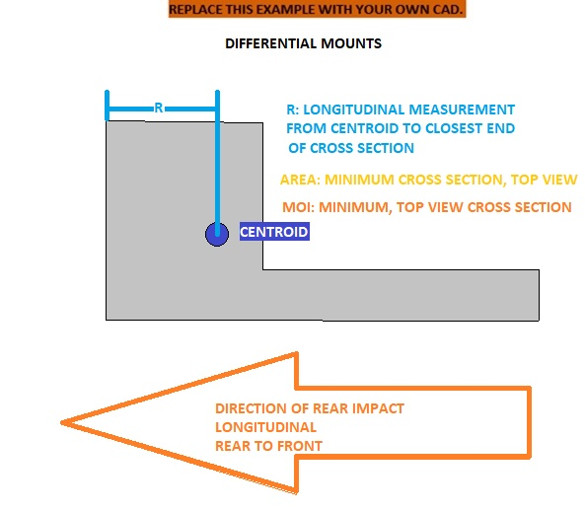
 |  |  |  |  |  |  |  |  |  |  |  |  |  |  |  |  |  |  |  |  | Tube cross sectional area (A): | 9.10E-05 |  | m^2 | N/A |  |  |  |  |  |  |  |  |  |  |  |  |  |  |  |  |  |  |  |  |  |  |  | Fastener shear strength 0.577*UTS*A (N): | 0 | 0.00% | REJECT |  | All fasteners or mounts on a side must fail simultaneously below the MHB buckling force. |  |  |  |  |  |  | BLANK |  | F.7.1-5 Composite Chassis
F.3.4-5 Tube Chassis |  |  |  |  |  |  |  | Steering rack location |  |  |  |  |  |  |  |  |  |  |  |  | Tube second moment of inertia (I): | 6.69E-09 |  | m^4 | N/A |  |  |  |  |  |  |  |  |  |  |  |  |  |  |  |  |  |  |  |  |  |  |  |  |  | mm | N/A
 |  |  |  |  |  |  |  |  |  |  |  |  |  |  |  |  | F.3.4.2 |  |  |  | Young's Modulus (E): | 2.00E+11 | 0.00E+00 | Pa | N/A |  |  |  |  |  |  |  |  |  |  |  |  |  |  |  |  |  |  |  |  |  |  |  |  |  | mm | N/A | C | NOT RECOMMENEDED - GUSSET MAY BE REQUIRED |  |  |  |  |  |  | BLANK |  | F.7.6-9 Attachments
 |  |  |  |  |  |  |  |  |  |  |  |  |  |  |  |  |  |  |  |  | (S): | #N/A |  | Pa | N/A |  |  |  |  |  |  |  |  |  |  |  |  |  |  |  |  |  |  |  |  |  |  |  |  | 0 | 0.00% | N/A |  | Multiple fasteners within 1x outer diameter of the node.
 |  |  |  |  |  |  |  |  |  |  |  |  |  |  |  |  | Buckling Modulus |  |  |  | E_1*I_1 <= E_2*I_2: | 1.34E+03 |  |  | N/A |  |  |  |  |  |  |  |  |  |  |  |  |  |  |  |  |  |  |  |  |  |  |  | Eyebolt or bolt to chassis: |  |  | BLANK |  | All but one fastener must fail simultaneously below the MHB buckling force. |  |  |  |  |  |  | BLANK |  | F.10 Modules And Container
 |  |  |  |  |  |  |  |  |  |  |  |  |  |  |  |  | (S): |  |  |  | S_1*A_1 <= S_2*A_2: | #N/A |  | #N/A | N/A |  |  |  |  |  |  |  |  |  |  |  |  |  |  |  |  |  |  |  |  |  |  |  |  |  | mm | N/A
 |  |  |  |  |  |  |  |  |  |  |  |  |  |  |  |  | Bending |  |  |  | 4*S_1*I_1/r <= 4*S_2*I_2/r: | #N/A |  | #N/A | N/A |  |  |  |  |  |  |  |  |  |  |  |  |  |  |  |  |  |  |  |  |  |  |  |  |  | mm | N/A | D | NOT RECOMMENEDED - ILLEGAL IN AUSTRALIA |  |  |  |  |  |  | BLANK |  | F.10.5 Battery Attachment
 |  |  |  |  |  |  |  |  |  |  |  |  |  |  |  |  | Deflection |  |  |  | Bending_1/(48*EI): | #N/A |  | #N/A | N/A |  |  |  |  |  |  |  |  |  |  |  |  |  |  |  |  |  |  |  |  |  |  |  |  |  | mm | N/A |  | Multiple fasteners along the MHB.
 |  |  |  |  |  |  |  |  |  |  |  |  |  |  |  |  | Energy |  |  |  | 0.5*Bending^2/(48*EI): | #N/A |  | #N/A | N/A |  |  |  |  |  |  |  |  |  |  |  |  |  |  |  |  |  |  |  |  |  |  |  |  |  | mm | N/A |  | Brace required between MH and MHB at rearmost fastener. |  |  |  |  |  |  | BLANK |  | F.8 Front Protection
 |  |  |  |  |  |  |  |  |  |  |  |  |  |  |  |  |  |  |  |  |  |  |  |  |  |  |  |  |  |  |  |  |  |  |  |  |  |  |  |  |  |  |  |  |  |  |  |  |  | 0 | 0.00% | N/A |  | All fasteners not located at the MH-MHB node must fail simultaneously below the MHB buckling force.
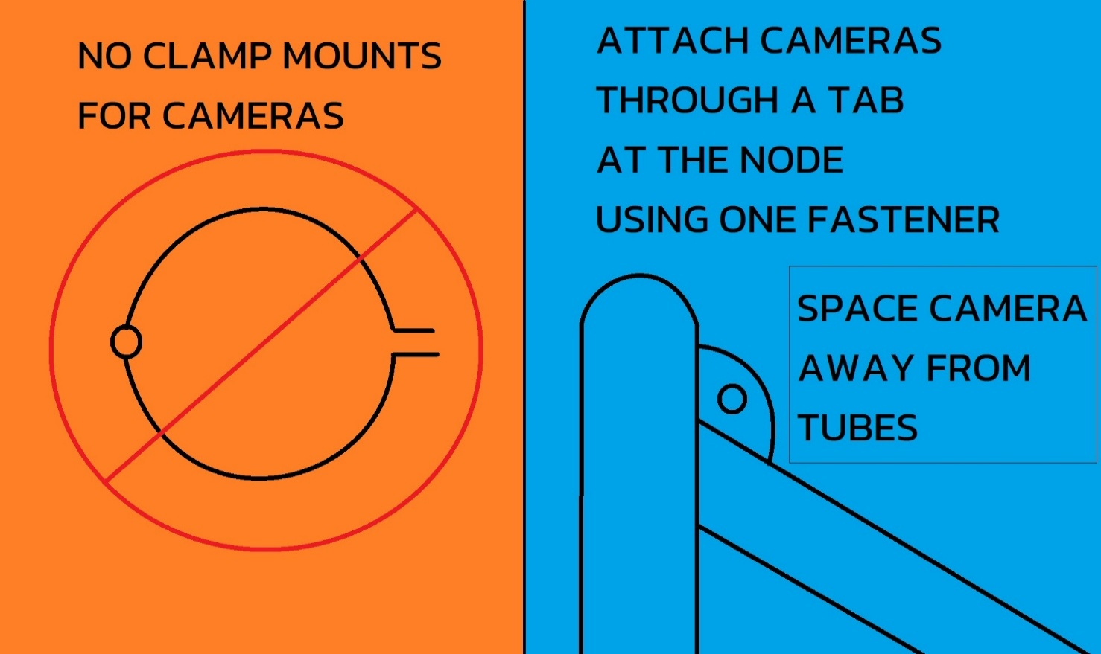
 |  |  |  |  |  |  |  |  |  |  |  |  |  |  |  |  | F.6.2.3.b | Rear FBHS braces minimum Size C. |  |  |  |  |  |  |  |  | Good Engineering Practices, Future Rules |  |  |  |  |  |  |  |  |  |  |  |  |  |  |  |  |  |  |  |  | At least 2x 6mm critical fasteners, Welded Inserts, and external Positive Locking required. |  |  |  |  |  |  |  |  |  |  |  |  | BLANK |  | F.3.4.3 Welded Inserts
 |  |  |  |  |  |  |  |  |  |  |  |  |  |  |  |  | F.6.3.5 | Rear FH braces minimum Size B.
 |  |  |  |  |  |  |  |  |  |  |  |  |  |  |  |  |  |  |  |  |  |  |  |  |  |  | Cross-car tubes for harnesses increased to SH strength. |  |  |  |  |  |  |  |  |  |  |  |  |  |  |  |  | Good Engineering Practices, Future Rules |  |  |  |  |  |  |  |  |  |  |  |  |  |  |  |  | BLANK |  | F.5.12 Bolted Members |  |  |  |  |  |  |  |  |  |  |  |  |  |  |  | Rear Bulkhead CAD with dimensions required.
 |  |  |  |  |  |  |  |  |  |  |  |  |  |  |  |  |  |  |  |  |  |  |  |  |  |  | The SH is currently Size A, while the Lap and Anti-Sub requirement is Size B. |  |  |  |  |  |  |  |  |  |  |  |  |  |  |  |  | SH between tubes triangulated in side view.
 |  |  |  |  |  |  |  |  |  |  |  |  |  |  |  |  |  |  |  |  |  |  |  |  |  |  | Monocoque floor requirements will need to be evaluated. |  |  |  |  |  |  |  |  |  |  |  |  |  |  |  |  | To react longitudinal load and reduce bending on the MH. |  |  |  |  |  |  |  |  |  |  |  |  |  |  |  |  | NO |  | Ready to submit for review?

 |  |  |  |  |  |  |  |  |  |  |  |  |  |  |  |  |  |  |  |  |  |  |  |  |  |  | Lap Belt Mounting Width
 |  |  |  |  |  |  |  |  |  |  |  |  |  |  |  |  |  |  |  |  |  |  |  |  |  |  | The width of the lap belt attachment should match driver hip bones.
 |  |  |  |  |  |  |  |  |  |  |  |  |  |  |  |  |  |  |  |  |  |  |  |  |  |  | This suggests placing the lap belts on a cross-car tube.
 |  |  |  |  |  |  |  |  |  |  |  |  |  |  |  |  |  |  |  |  |  |  |  |  |  |  | Approximately 400mm, straight up and down in front view.
 |  |  |  |  |  |  |  |  |  |  |  |  |  |  |  |  |  |  |  |  |  |  |  |  |  |  | Full wrap, not attached higher.
 |  |  |  |  |  |  |  |  |  |  |  |  |  |  |  |  |  |  |  |  |  |  |  |  |  |  | Not at an angle in front view.

 |  |  |  |  |  |  |  |  |  |  |  |  |  |  |  |  |  |  |  |  |  |  |  |  |  |  | Harness Loads At Triangulated Nodes
 |  |  |  |  |  |  |  |  |  |  |  |  |  |  |  |  |  |  |  |  |  |  |  |  |  |  | Lap and Anti-Sub attachments on the Lower SIS should be near a triangulated node.
 |  |  |  |  |  |  |  |  |  |  |  |  |  |  |  |  |  |  |  |  |  |  |  |  |  |  | Cross car tubes for belts should be between nodes triangulated in side view.
 |  |  |  |  |  |  |  |  |  |  |  |  |  |  |  |  |  |  |  |  |  |  |  |  |  |  | This is likely to include a longitudinal tube for the SH.

RENAME F.4.2 Composite
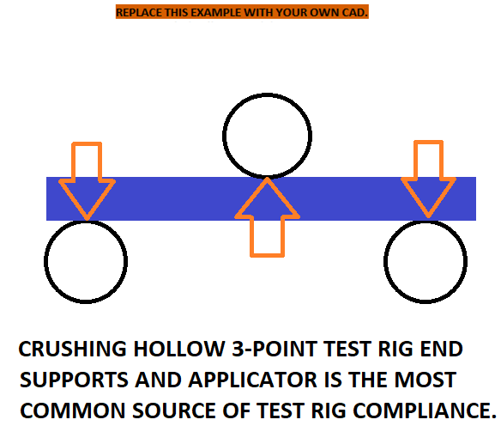
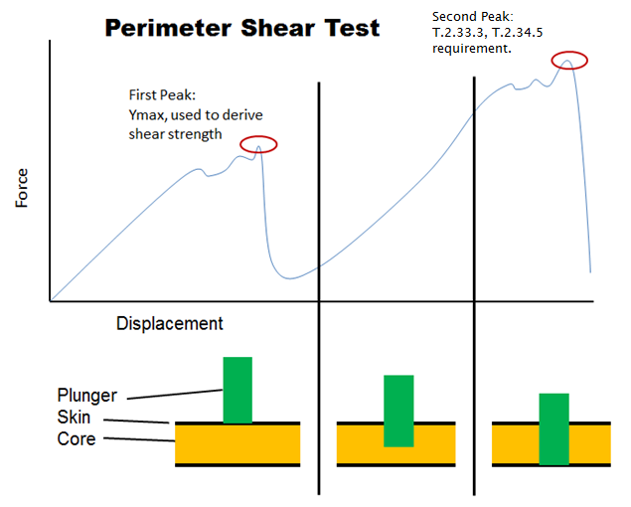
 | SHEAR
0.00 | 0.00
0.00 | 0.00
BLANK | BLANK |  | Layup Details, Include Receipts |  |  |  |  |  |  |  |  |  |  |  |  |  |  |  |  |  | Paste in logged data from test below: |  |  |  |  |  |  |  |  |  |  |  |  |  | Paste in logged data from test below: |  |  |  |  |  |  |  |  |  |  |  | Paste in logged data from test below: |  |  |  |  |  |  |  |  |  | Paste in logged data from test below: |  |  |  |  |  | Estimated Stiffness (GPa) |  |  |  | Estimated | Estimated Strength (MPa) |  |  |  | 0 | 0 | 0 | 0 | 0 | 0 | 0 | 0 | 0 | 0 | 0
Is this SIS or HV SIde Impact? |  |  |  |  |  |  |  |  |  |  |  |  |  |  |  |  |  |  |  |  | Use mm and N, paste values only. |  |  |  |  |  |  |  |  |  |  |  |  |  | Use mm and N, paste values only. |  |  |  |  |  |  |  |  |  |  |  | Use mm and N, paste values only. |  |  |  |  |  |  |  |  |  | Use mm and N, paste values only. |  |  |  |  |  | E | 0 Transverse Contribution |  |  | Flexural | UTS | 0 Transverse Contribution |  |  | 0 | 0 | 0 | 0 | 0 | 0 | 0 | 0 | 0 | #DIV/0! | #DIV/0!
 | BLANK |  |  |  |  |  |  |  |  |  |  |  |  |  |  |  |  |  |  |  | It is acceptable to resample the data at a lower |  |  |  |  |  |  |  |  |  |  |  |  |  | It is acceptable to resample the data at a lower |  |  |  |  |  |  |  |  |  |  |  | It is acceptable to resample the data |  |  |  |  |  |  |  |  |  | It is acceptable to resample the data |  |  |  |  | Material | 0 | Unidirectional | Biaxial - Perpendicular Balance | Triaxial - 0/60/-60 Balance | Strength | 0 | Unidirectional | Biaxial - Perpendicular Balance | Triaxial - 0/60/-60 Balance |  |  |  |  | 0 | 0 | 0 | 0 | 0 | 0, 0
 | F.4.1.2 |  | Skin type: | Sheet Metal |  |  |  |  |  | EQ |  |  |  |  |  |  |  |  |  |  | frequency to reduce the number of datapoints. |  |  |  |  |  |  |  |  |  |  |  |  |  | frequency to reduce the number of datapoints. |  |  |  |  |  |  |  |  |  |  |  | at a lower frequency to reduce |  |  |  |  |  |  |  |  |  | at a lower frequency to reduce |  |  |  |  | Aramid | 76 | 5.5 | 5.5 | 5.5 | 60% | 1380 | 30 | 162 | 226 |  |  |  |  | 0 | 0 | 0 | 0 | 0 | #DIV/0!
BLANK | Core type: | Example: Al 3/8 Cell Honeycomb, .002 Wall |  |  |  |  | Density: |  | g/cm^3 | BLANK |  |  |  |  |  |  |  |  |  |  | Repeat the energy calculation in column three. |  |  |  |  |  |  |  |  |  |  |  |  |  | Repeat the energy calculation in column three. |  |  |  | Required: Test setup images, measurements. |  |  |  |  |  |  |  | the number of datapoints. |  |  |  |  |  |  |  |  |  | the number of datapoints. |  |  |  |  | Carbon | 130 | 10 | 13 | 13 | 60% | 1800 | 90 | 212 | 295 |  |  |  |  | 0 | 0 | 0 | 0 | 0
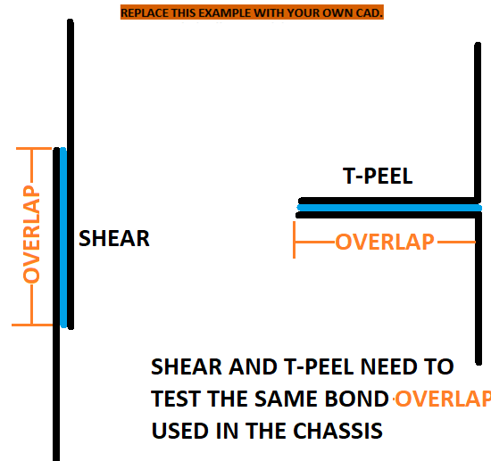
Tractive Battery Container? |  |  |  | Brand Name, Epoxy, Vinylester, Polyester, Phenolic, Cyanate |  |  |  |  |  | N/A |  |  |  |  |  |  |  |  |  |  | The graph should automatically generate. |  |  |  |  |  |  |  |  |  |  |  |  |  | The graph should automatically generate. |  |  |  |  |  |  |  |  |  |  |  | The graph should automatically generate. |  |  |  |  |  |  |  |  |  | The graph should automatically generate. |  |  |  |  | S Glass | 45 | 11 | 11 | 11 | 60% | 1750 | 45 | 206 | 287 |  |  |  |  | 0 | 0 | 0 | 0 | 0
 |  |  |  | Examples: Prepreg, Resin Infusion, Wet Layup |  |  |  |  |  | N/A |  |  |  |  |  |  |  |  |  |  | The formulas should automatically propagate. |  |  |  |  |  |  |  |  |  |  |  |  |  | The formulas should automatically propagate. |  |  |  |  |  |  |  |  |  |  |  |  |  |  |  |  |  |  |  |  |  |  |  |  |  |  | E Glass | 40 | 10 | 10 | 10 | 60% | 1150 | 45 | 135 | 189 |  |  |  |  | 0 | 0 | 0 | 0 | 0
 |  | Cure times: |  |  | Cure temperatures: |  |  | Cure pressures: |  | EQ |  | Required: Test setup images, measurements. |  |  |  |  |  |  |  |  |  |  |  |  |  | Required: Test setup images, measurements. |  |  |  |  |  |  |  |  |  |  |  |  | Note: If the first peak is higher, it may be used for T.2.33.3 or T.2.34.5. |  |  |  |  |  |  |  |  |  | Required: Test setup images, measurements. |  |  |  |  |  |  |  | SHEAR | SHEAR | T-PEEL | T-PEEL |  |  |  |  |  |  |  |  |  |  |  |  |  |  |  | 0 | 0 | 0 | 0 | 0
BLANK |  |  |  |  |  |  |  |  |  | N/A |  |  |  |  |  |  |  |  |  |  | MAX | MAX | 19 | LINEAR |  |  |  |  |  |  |  |  |  |  | MAX | 0 | 0 | LINEAR |  |  |  |  |  |  |  |  | MAX | 0 |  |  |  |  |  |  |  |  | MAX | 0 | MAX | 0 | Material | 0 | 0 | 0 | 0 | 0 | 0 | 0 | 0 | 0 | 0 |  |  |  |  | 0 | 0 | 0 | 0 | 0
Is this the FBHS Layup? | Adhesive name: | Example: brand and part no., structural film |  |  |  |  | Areal: |  | g/m^2 | BLANK |  | All test samples must be presented at Technical Inspection. |  |  |  |  |  |  |  |  | 0 | 0 | #N/A | #DIV/0! |  | All test samples must be presented at Technical Inspection. |  |  |  |  |  |  |  |  | 0 | 0 | 0.00 | #DIV/0! |  |  |  |  |  |  |  |  | 0 | 0 | All test samples must be presented at Technical Inspection. |  |  |  |  |  |  |  | 0 | 0 | 0 | 0 | Direction | 0 | 0 | 0 | 0 | 0 | 0 | 0 | 0 | 0 | 0 |  |  |  |  | 0 | 0 | 0 | 0 | 0
 |  |  |  |  |  |  | Optional Mesh Areal: |  | g/m^2 |  |  |  |  |  |  |  |  |  |  |  | mm | N | J | #DIV/0! |  |  |  |  |  |  |  |  |  |  | mm | N | J | #DIV/0! |  |  |  |  |  |  |  |  | mm | N |  |  |  |  |  |  |  |  | mm | N | mm | N | Fibers | 0 | 0 | 0 | 0 | 0 | 0 | 0 | 0 | 0 | 0
 | F.4.2.2.d | Core thickness may be scaled as low as 50% of tested while maintaining material properties. |  |  |  |  |  |  |  |  |  |  |  |  |  |  |  |  |  |  | Disp. (d) | Force (P) | Energy | Modulus |  |  |  |  |  |  |  |  |  |  | Disp. (d) | Force (P) | Energy | Modulus |  |  |  |  |  |  |  |  | Disp. (d) | Force (P) |  |  |  |  |  |  |  |  | Disp. (d) | Force (P) | Disp. (d) | Force (P) | gsm | 0 | 0 | 0 | 0 | 0 | 0 | 0 | 0 | 0 | 0 |  |  |  |  | 20 |  | 0 | Average Panel Failure | 0 | 90% Panel Failure | 0 | Average Panel Modulus | 0 | 90% Panel Modulus
BLANK | Core must maintain the same material grade and density. Honeycombs must maintain wall thickness and cell size. |  |  |  |  |  |  |  |  |  |  |  |  |  |  |  |  |  |  |  | 0.00 | 0.00 | 0.00 | 0.00 |  |  |  |  |  |  |  |  |  |  | 0.00 | 0.00 | 0.00 | 0.00 |  |  |  |  |  |  |  |  | 0.00 | 0.00 |  |  |  |  |  |  |  |  | 0.00 | 0.00 | 0.00 | 0.00 | Instances | 0 | 0 | 0 | 0 | 0 | 0 | 0 | 0 | 0 | 0 |  |  |  |  | 0 | 0 | 0 | 0 | 0 | 0 | 0 | 0 | 0 | 0
AIP, Tractive Battery, or Hoop attachment point layup? | Skin may double the whole initial layup. No individual layers may be added or subtracted. |  |  |  |  |  |  |  |  |  |  | Include failed sample pictures. |  |  |  |  |  |  |  |  | 0.00 | 0.00 | 0.00 | #DIV/0! |  | Image: measuring skin thickness in mm. |  |  |  |  |  |  |  |  | 0.00 | 0.00 | 0.00 | #DIV/0! | Include failed sample pictures. |  |  |  |  |  |  |  | 0.00 | 0.00 |  |  |  |  |  |  |  |  | 0.00 | 0.00 | 0.00 | 0.00 | 1 | 0 | 0 | 0 | 0 | 0 | 0 | 0 | 0 | 0 | 0 | Skin UTS Estimate |  |  |  | 1 | 0.01745329252 | 0 | 0 | 0 | 0 | 0 | 0 | 0 | 0
 | Skins tested with different layups or thicknesses on either side of the core must scale both sides equally. |  |  |  |  |  |  |  |  |  |  |  |  |  |  |  |  |  |  |  |  |  | 0.00 | #DIV/0! |  |  |  |  |  |  |  |  |  |  |  |  | 0.00 | #DIV/0! |  |  |  |  |  |  |  |  |  |  |  |  |  |  |  |  |  |  |  |  |  |  | Fibers | 0 | 0 | 0 | 0 | 0 | 0 | 0 | 0 | 0 | 0 | 0 |  | 0 |  | 21 | 0.36651914292 | 0 | 0 | 0 | 0 | 0 | 0 | 0 | 0
 | Local reinforcement is permitted as [extra/tested_schedule/core/tested_schedule/extra]. |  |  |  |  |  |  |  |  |  |  |  |  |  |  |  |  |  |  |  |  |  | 0.00 | #DIV/0! |  | Include failed sample pictures. |  |  |  |  |  |  |  |  |  |  | 0.00 | #DIV/0! |  |  |  |  |  |  |  |  |  |  |  |  |  |  |  |  |  |  |  |  |  |  | Fibers | 60 | 60 | 60 | 60 | 60 | 60 | 60 | 60 | 60 | 60 | 0 |  |  |  | 41 | 0.71558499332 | 0 | 0 | 0 | 0 | 0 | 0 | 0 | 0
 | Show local reinforcement on the composite chassis tab. Without testing, local reinforcement does not increase equivalence. |  |  |  |  |  |  |  |  |  |  |  |  |  |  |  |  |  |  |  |  |  | 0.00 | #DIV/0! |  |  |  |  |  |  |  |  |  |  |  |  | 0.00 | #DIV/0! |  |  |  |  |  |  |  |  |  |  |  |  |  |  |  |  |  |  |  |  |  |  | Fibers | -60 | -60 | -60 | -60 | -60 | -60 | -60 | -60 | -60 | -60 | 0 |  |  |  | 61 | 1.0646508437 | 0 | 0 | 0 | 0 | 0 | 0 | 0 | 0
BLANK | Copy and rename as many F.4.2 Composite tabs as necessary for unrelated layups. |  |  |  |  |  |  |  |  |  |  |  |  |  |  |  |  |  |  |  |  |  | 0.00 | #DIV/0! |  |  |  |  |  |  |  |  |  |  |  |  | 0.00 | #DIV/0! |  |  |  |  |  |  |  |  |  |  |  |  |  |  |  |  |  |  |  |  |  |  | Flexural | 1 | 1 | 1 | 1 | 1 | 1 | 1 | 1 | 1 | 1 | 0 |  |  |  | 81 | 1.4137166941 | 0 | 0 | 0 | 0 | 0 | 0 | 0 | 0
 | Force (P) |  | XY |  | Maximum |  | Linear Elastic
0.00 | 0.00 |  | 0 | 0 | 0 | 0.00 | 0.00
0.00 | 0.00 |  | 0 |  |  | 0.00 | 0.00
 |  |  |  |  |  |  | 0.00
 |  |  |  |  |  |  | 0.00
 |  |  |  |  |  |  | 0.00
 |  |  |  |  |  |  | 0.00
 |  |  |  |  |  |  | 0.00
 |  |  |  |  |  |  | 0.00
 |  |  |  |  |  |  | 0.00
 |  |  |  |  |  |  | 0.00
 |  |  |  |  |  |  | 0.00
 |  |  |  |  |  |  | 0.00
 |  |  |  |  |  |  | 0.00
 |  |  |  |  |  |  | 0.00
 |  |  |  |  |  |  | 0.00
 |  |  |  |  |  |  | 0.00
 |  |  |  |  |  |  | 0.00
 |  |  |  |  |  |  | 0.00
 |  |  |  |  |  |  | 0.00
 |  |  |  |  |  |  | 0.00
 |  |  |  |  |  |  | 0.00
 |  |  |  |  |  |  | 0.00
 |  |  |  |  |  |  | 0.00
 |  |  |  |  |  |  | 0.00
 |  |  |  |  |  |  | 0.00
 |  |  |  |  |  |  | 0.00
 |  |  |  |  |  |  | 0.00
 |  |  |  |  |  |  | 0.00
 |  |  |  |  |  |  | 0.00
 |  |  |  |  |  |  | 0.00
 |  |  |  |  |  |  | 0.00
 |  |  |  |  |  |  | 0.00
 |  |  |  |  |  |  | 0.00
 |  |  |  |  |  |  | 0.00
 |  |  |  |  |  |  | 0.00
 |  |  |  |  |  |  | 0.00
 |  |  |  |  |  |  | 0.00
 |  |  |  |  |  |  | 0.00
 |  |  |  |  |  |  | 0.00
 |  |  |  |  |  |  | 0.00
 |  |  |  |  |  |  | 0.00
 |  |  |  |  |  |  | 0.00
 |  |  |  |  |  |  | 0.00
 |  |  |  |  |  |  | 0.00
 |  |  |  |  |  |  | 0.00
 |  |  |  |  |  |  | 0.00
 |  |  |  |  |  |  | 0.00
 |  |  |  |  |  |  | 0.00
 |  |  |  |  |  |  | 0.00
 |  |  |  |  |  |  | 0.00
...
 | Force (P) |  | XY |  | Maximum |  | Linear Elastic
0.00 | 0.00 |  | 0 | 0 | 0 | 0.00 | 0.00
0.00 | 0.00 |  | 0 |  |  | 0.00 | 0.00
 |  |  |  |  |  |  | 0.00
 |  |  |  |  |  |  | 0.00
 |  |  |  |  |  |  | 0.00
 |  |  |  |  |  |  | 0.00
 |  |  |  |  |  |  | 0.00
 |  |  |  |  |  |  | 0.00
 |  |  |  |  |  |  | 0.00
 |  |  |  |  |  |  | 0.00
 |  |  |  |  |  |  | 0.00
 |  |  |  |  |  |  | 0.00
 |  |  |  |  |  |  | 0.00
 |  |  |  |  |  |  | 0.00
 |  |  |  |  |  |  | 0.00
 |  |  |  |  |  |  | 0.00
 |  |  |  |  |  |  | 0.00
 |  |  |  |  |  |  | 0.00
 |  |  |  |  |  |  | 0.00
 |  |  |  |  |  |  | 0.00
 |  |  |  |  |  |  | 0.00
 |  |  |  |  |  |  | 0.00
 |  |  |  |  |  |  | 0.00
 |  |  |  |  |  |  | 0.00
 |  |  |  |  |  |  | 0.00
 |  |  |  |  |  |  | 0.00
 |  |  |  |  |  |  | 0.00
 |  |  |  |  |  |  | 0.00
 |  |  |  |  |  |  | 0.00
 |  |  |  |  |  |  | 0.00
 |  |  |  |  |  |  | 0.00
 |  |  |  |  |  |  | 0.00
 |  |  |  |  |  |  | 0.00
 |  |  |  |  |  |  | 0.00
 |  |  |  |  |  |  | 0.00
 |  |  |  |  |  |  | 0.00
 |  |  |  |  |  |  | 0.00
 |  |  |  |  |  |  | 0.00
 |  |  |  |  |  |  | 0.00
 |  |  |  |  |  |  | 0.00
 |  |  |  |  |  |  | 0.00
 |  |  |  |  |  |  | 0.00
 |  |  |  |  |  |  | 0.00
 |  |  |  |  |  |  | 0.00
 |  |  |  |  |  |  | 0.00
 |  |  |  |  |  |  | 0.00
 |  |  |  |  |  |  | 0.00
 |  |  |  |  |  |  | 0.00
 |  |  |  |  |  |  | 0.00
 |  |  |  |  |  |  | 0.00
...
 | Force (P) |  | First Peak
0.00 | 0.00 | 0
0.00 | 0.00
 | T-PEEL
0 | 0
Are lap joint bonds added to glue in panels or front hoop laminates post cure? | Use tab names in material tables to load the material properties. No need to use "F.4.2 Composite" in name. |  |  |  |  |  |  |  |  |  |  |  |  |  |  |  |  |  |  |  |  |  | 0.00 | #DIV/0! |  |  |  |  |  |  |  |  |  |  |  |  | 0.00 | #DIV/0! |  |  |  |  |  |  |  |  |  |  |  |  |  |  |  |  |  |  |  |  |  |  | 0 Tensile | 1 | 1 | 1 | 1 | 1 | 1 | 1 | 1 | 1 | 1 | 0 |  |  |  | 101 | 1.7627825445 | 0 | 0 | 0 | 0 | 0 | 0 | 0 | 0
 |  |  |  |  |  |  |  |  |  |  |  |  |  |  |  |  |  |  |  |  |  |  | 0.00 | #DIV/0! |  |  |  |  |  |  |  |  |  |  |  |  | 0.00 | #DIV/0! |  |  |  |  |  |  |  |  |  |  |  |  |  |  |  |  |  |  |  |  |  |  | 90 Tensile | 1 | 1 | 1 | 1 | 1 | 1 | 1 | 1 | 1 | 1 | 0 |  | 0 |  | 121 | 2.1118483949 | 0 | 0 | 0 | 0 | 0 | 0 | 0 | 0
 | BLANK |  |  |  |  |  |  |  |  |  |  |  |  |  |  |  |  |  |  |  |  |  | 0.00 | #DIV/0! |  |  |  |  |  |  |  |  |  |  |  |  | 0.00 | #DIV/0! |  |  |  |  |  |  |  |  |  |  |  |  |  |  |  |  |  |  |  |  |  |  | 0 | 0 | 0 | 0 | 0 | 0 | 0 | 0 | 0 | 0 | 0 | 0 | 0 | 0 |  | 141 | 2.4609142453 | 0 | 0 | 0 | 0 | 0 | 0 | 0 | 0
 | F.4.1.2 | Enter the skin material and thickness tested on this tab: |  |  |  |  |  |  |  | EQ |  |  |  |  |  |  |  |  |  |  |  |  | 0.00 | #DIV/0! |  |  |  |  |  |  |  |  |  |  |  |  | 0.00 | #DIV/0! |  |  |  |  |  |  |  |  |  |  |  |  |  |  |  |  |  |  |  |  |  |  | 1 | 0 | 0 | 0 | 0 | 0 | 0 | 0 | 0 | 0 | 0 | 0 | 0 | 0 |  | 161 | 2.8099800957 | 0 | 0 | 0 | 0 | 0 | 0 | 0 | 0
 | Example: [0F/45U/-45U/90F/0F]*3 |  |  |  |  |  |  |  |  | BLANK |  |  |  |  |  |  |  |  |  |  |  |  | 0.00 | #DIV/0! |  |  |  |  |  |  |  |  |  |  |  |  | 0.00 | #DIV/0! |  |  |  |  |  |  |  |  |  |  |  |  |  |  |  |  |  |  |  |  |  |  | 2 | 0 | 0 | 0 | 0 | 0 | 0 | 0 | 0 | 0 | 0 | 0 | 0 | 0 |  | 181 | 3.1590459461 | 0 | 0 | 0 | 0 | 0 | 0 | 0 | 0
 |  |  |  |  |  |  |  |  |  |  |  |  |  |  |  |  |  |  |  |  |  |  | 0.00 | #DIV/0! |  |  |  |  |  |  |  |  |  |  |  |  | 0.00 | #DIV/0! |  |  |  |  |  |  |  |  |  |  |  |  |  |  |  |  |  |  |  |  |  |  | 3 | 0 | 0 | 0 | 0 | 0 | 0 | 0 | 0 | 0 | 0 | 0 | 0 | 0 |  | 201 | 3.5081117965 | 0 | 0 | 0 | 0 | 0 | 0 | 0 | 0
Tab entries in SI | All repeats of the same material & aerial weight & orientation go on one line. |  |  |  |  |  |  |  |  |  |  |  |  |  |  |  |  |  |  |  |  |  | 0.00 | #DIV/0! |  |  |  |  |  |  |  |  |  |  |  |  | 0.00 | #DIV/0! |  |  |  |  |  |  |  |  |  |  |  |  |  |  |  |  |  |  |  |  |  |  | 4 | 0 | 0 | 0 | 0 | 0 | 0 | 0 | 0 | 0 | 0 | 0 | 0 | 0 |  | 221 | 3.8571776469 | 0 | 0 | 0 | 0 | 0 | 0 | 0 | 0
 | Enter the number of plies of each material in each orientation. Do not enter film adhesives or core. |  |  |  |  |  |  |  |  |  |  |  |  |  |  |  |  |  |  |  |  |  | 0.00 | #DIV/0! |  |  |  |  |  |  |  |  |  |  |  |  | 0.00 | #DIV/0! |  |  |  |  |  |  |  |  |  |  |  |  |  |  |  |  |  |  |  |  |  |  | 5 | 0 | 0 | 0 | 0 | 0 | 0 | 0 | 0 | 0 | 0 | 0 | 0 | 0 |  | 241 | 4.2062434973 | 0 | 0 | 0 | 0 | 0 | 0 | 0 | 0
BLANK | i.e. Kevlar 0-degree unidirectional 300g, 3 instances in layup. |  |  |  |  |  |  |  |  |  |  |  |  |  |  |  |  |  |  |  |  |  | 0.00 | #DIV/0! |  |  |  |  |  |  |  |  |  |  |  |  | 0.00 | #DIV/0! |  |  |  |  |  |  |  |  |  |  |  |  |  |  |  |  |  |  |  |  |  |  | 6 | 0 | 0 | 0 | 0 | 0 | 0 | 0 | 0 | 0 | 0 | 0 | 0 | 0 |  | 261 | 4.5553093477 | 0 | 0 | 0 | 0 | 0 | 0 | 0 | 0
 | ±5 degrees is a practical manufacturing limit. Entries in this table are rounded to the nearest degree. |  |  |  |  |  |  |  |  |  |  | Required: Load deflection curve. |  |  |  |  |  |  |  |  |  |  | 0.00 | #DIV/0! |  | Required: Load deflection curve. |  |  |  |  |  |  |  |  |  |  | 0.00 | #DIV/0! | Required: Load deflection curve. |  |  |  |  |  |  |  |  |  | Required: Load deflection curve. |  |  |  |  |  |  |  |  |  |  |  | 7 | 0 | 0 | 0 | 0 | 0 | 0 | 0 | 0 | 0 | 0 | 0 | 0 | 0 |  | 281 | 4.9043751981 | 0 | 0 | 0 | 0 | 0 | 0 | 0 | 0
 | For biaxial or triaxial plies that do not use all the same fibers or are not mass-balanced within 10%: |  |  |  |  |  |  |  |  |  |  |  |  |  |  |  |  |  |  |  |  |  | 0.00 | #DIV/0! |  |  |  |  |  |  |  |  |  |  |  |  | 0.00 | #DIV/0! |  |  |  |  |  |  |  |  |  |  |  |  |  |  |  |  |  |  |  |  |  |  | 8 | 0 | 0 | 0 | 0 | 0 | 0 | 0 | 0 | 0 | 0 | 0 | 0 | 0 |  | 301 | 5.2534410485 | 0 | 0 | 0 | 0 | 0 | 0 | 0 | 0
 | Enter as multiple unidirectional plies with proportional areal weights. |  |  |  |  |  |  |  |  |  |  |  |  |  |  |  |  |  |  |  |  |  | 0.00 | #DIV/0! |  |  |  |  |  |  |  |  |  |  |  |  | 0.00 | #DIV/0! |  |  |  |  |  |  |  |  |  |  |  |  |  |  |  |  |  |  |  |  |  |  | 9 | 0 | 0 | 0 | 0 | 0 | 0 | 0 | 0 | 0 | 0 | 0 | 0 | 0 |  | 321 | 5.6025068989 | 0 | 0 | 0 | 0 | 0 | 0 | 0 | 0
 | Clear cells in all unused rows. |  |  | >10 plies: | https://www.fsaeonline.com/cdsweb/rqa/ViewFAQ.aspx?faqnum=286 |  |  |  |  |  |  |  |  |  |  |  |  |  |  |  |  |  | 0.00 | #DIV/0! |  |  |  |  |  |  |  |  |  |  |  |  | 0.00 | #DIV/0! |  |  |  |  |  |  |  |  |  |  |  |  |  |  |  |  |  |  |  |  |  |  | 10 | 0 | 0 | 0 | 0 | 0 | 0 | 0 | 0 | 0 | 0 | 0 | 0 | 0 |  | 341 | 5.9515727493 | 0 | 0 | 0 | 0 | 0 | 0 | 0 | 0
 |  |  |  |  |  |  |  |  |  |  |  |  |  |  |  |  |  |  |  |  |  |  | 0.00 | #DIV/0! |  |  |  |  |  |  |  |  |  |  |  |  | 0.00 | #DIV/0! |  |  |  |  |  |  |  |  |  |  |  |  |  |  |  |  |  |  |  |  |  |  | 11 | 0 | 0 | 0 | 0 | 0 | 0 | 0 | 0 | 0 | 0 | 0 | 0 | 0 |  | 361 | 6.3006385997 | 0 | 0 | 0 | 0 | 0 | 0 | 0 | 0
 | EQ |  |  |  |  |  |  |  |  |  |  |  |  |  |  |  |  |  |  |  |  |  | 0.00 | #DIV/0! |  |  |  |  |  |  |  |  |  |  |  |  | 0.00 | #DIV/0! |  |  |  |  |  |  |  |  |  |  |  |  |  |  |  |  |  |  |  |  |  |  | 12 | 0 | 0 | 0 | 0 | 0 | 0 | 0 | 0 | 0 | 0 | 0 | 0 | 0
 | Skins: | Outer = Inner |  | Enter one skin only. |  |  |  | Fiber Areal |  | EQ |  |  |  |  |  |  |  |  |  |  |  |  | 0.00 | #DIV/0! |  |  |  |  |  |  |  |  |  |  |  |  | 0.00 | #DIV/0! |  |  |  |  |  |  |  |  |  |  |  |  |  |  |  |  |  |  |  |  |  |  | 13 | 0 | 0 | 0 | 0 | 0 | 0 | 0 | 0 | 0 | 0 | 0 | 0 | 0
 |  |  | Direction | Integer |  |  |  | Weight |  | EQ |  |  |  |  |  |  |  |  |  |  |  |  | 0.00 | #DIV/0! |  |  |  |  |  |  |  |  |  |  |  |  | 0.00 | #DIV/0! |  |  |  |  |  |  |  |  |  |  |  |  |  |  |  |  |  |  |  |  |  |  | 14 | 0 | 0 | 0 | 0 | 0 | 0 | 0 | 0 | 0 | 0 | 0 | 0 | 0
 | Material |  | (degrees) | (degrees) | Fibers in ply: |  |  | (g/m^2) | Instances | EQ |  |  |  |  |  |  |  |  |  |  |  |  | 0.00 | #DIV/0! |  |  |  |  |  |  |  |  |  |  |  |  | 0.00 | #DIV/0! |  |  |  |  |  |  |  |  |  |  |  |  |  |  |  |  |  |  |  |  |  |  | 15 | 0 | 0 | 0 | 0 | 0 | 0 | 0 | 0 | 0 | 0 | 0 | 0 | 0
FEA is not accepted anywhere |  |  |  | 0 |  |  |  |  |  | N/A |  |  |  |  |  |  |  |  |  |  |  |  | 0.00 | #DIV/0! |  |  |  |  |  |  |  |  |  |  |  |  | 0.00 | #DIV/0! |  |  |  |  |  |  |  |  |  |  |  |  |  |  |  |  |  |  |  |  |  |  | 16 | 0 | 0 | 0 | 0 | 0 | 0 | 0 | 0 | 0 | 0 | 0 | 0 | 0
in the SES or Tech Inspection. |  |  |  | 0 |  |  |  |  |  | EQ |  |  |  |  |  |  |  |  |  |  |  |  | 0.00 | #DIV/0! |  |  |  |  |  |  |  |  |  |  |  |  | 0.00 | #DIV/0! |  |  |  |  |  |  |  |  |  |  |  |  |  |  |  |  |  |  |  |  |  |  | 17 | 0 | 0 | 0 | 0 | 0 | 0 | 0 | 0 | 0 | 0 | 0 | 0 | 0
 |  |  |  | 0 |  |  |  |  |  | EQ |  |  |  |  |  |  |  |  |  |  |  |  | 0.00 | #DIV/0! |  |  |  |  |  |  |  |  |  |  |  |  | 0.00 | #DIV/0! |  |  |  |  |  |  |  |  |  |  |  |  |  |  |  |  |  |  |  |  |  |  | 18 | 0 | 0 | 0 | 0 | 0 | 0 | 0 | 0 | 0 | 0 | 0 | 0 | 0
 |  |  |  | 0 |  |  |  |  |  | EQ |  | If additional images are necessary, they may be placed below each section. |  |  |  |  |  |  |  |  |  |  | 0.00 | #DIV/0! |  | If additional images are necessary, they may be placed below each section. |  |  |  |  |  |  |  |  |  |  | 0.00 | #DIV/0! | If additional images are necessary, they may be placed below each section. |  |  |  |  |  |  |  |  |  | If additional images are necessary, they may be placed below each section. |  |  |  |  |  |  |  |  |  |  |  | 19 | 0 | 0 | 0 | 0 | 0 | 0 | 0 | 0 | 0 | 0 | 0 | 0 | 0
 |  |  |  | 0 |  |  |  |  |  | EQ |  | BLANK |  | Steel Tube 3-Point Test |  |  |  |  |  |  |  |  | 0.00 | #DIV/0! |  | BLANK |  | Composite 3-Point Tests |  |  |  |  |  |  |  |  | 0.00 | #DIV/0! | EQ |  | Perimeter Shear Test |  |  |  |  |  |  |  | EQ |  | Lap Shear and T-Peel Tests |  |  |  |  |  |  |  |  |  | 20 | 0 | 0 | 0 | 0 | 0 | 0 | 0 | 0 | 0 | 0 | 0 | 0 | 0
 |  |  |  | 0 |  |  |  |  |  | EQ |  |  |  |  |  |  |  |  |  |  |  |  | 0.00 | #DIV/0! |  |  |  |  |  |  |  |  |  |  |  |  | 0.00 | #DIV/0! |  |  |  |  |  |  |  |  |  |  |  |  |  |  |  |  |  |  |  |  |  |  | 21 | 0 | 0 | 0 | 0 | 0 | 0 | 0 | 0 | 0 | 0 | 0 | 0 | 0
 |  |  |  | 0 |  |  |  |  |  | EQ |  | F.4.2.3 | Minimize deflection in applicator and span fixture. |  |  |  |  |  |  |  |  |  | 0.00 | #DIV/0! |  | F.4.2.3.d | Minimize deflection in applicator and span fixture. |  |  |  |  |  |  |  |  |  | 0.00 | #DIV/0! | F.4.2.5.b | The first peak must be used for skin shear strength for composite chassis properties. |  |  |  |  |  |  |  |  | F.4.2.7.b | Samples must be tested in pure shear and T-peel. |  |  |  |  |  |  |  |  |  |  | 22 | 0 | 0 | 0 | 0 | 0 | 0 | 0 | 0 | 0 | 0 | 0 | 0 | 0
 |  |  |  | 0 |  |  |  |  |  | EQ |  | All entries on this tab are in SI. Inch units are calculated only for output values. |  |  |  |  |  |  |  |  |  |  | 0.00 | #DIV/0! |  | All entries on this tab are in SI. Preferred units are calculated only for output values. |  |  |  |  |  |  |  |  |  |  | 0.00 | #DIV/0! | Note: | The SES will normalize the first and second peaks against outer and inner skin thicknesses |  |  |  |  |  |  |  |  |  |  |  |  |  |  |  |  |  |  |  |  | 23 | 0 | 0 | 0 | 0 | 0 | 0 | 0 | 0 | 0 | 0 | 0 | 0 | 0
 |  |  |  | 0 |  |  |  |  |  | EQ |  |  |  |  |  |  |  |  |  |  |  |  | 0.00 | #DIV/0! |  |  |  |  |  |  |  |  |  |  |  |  | 0.00 | #DIV/0! |  | and take the minimum. |  |  |  |  |  |  |  |  |  |  |  |  |  |  |  |  |  |  |  |  | 24 | 0 | 0 | 0 | 0 | 0 | 0 | 0 | 0 | 0 | 0 | 0 | 0 | 0
 |  |  |  | 0 |  |  |  |  |  | EQ |  | F.4.2.1.c | New steel tube then composite tests are required for new monocoque builds. |  |  |  |  |  |  |  |  |  | 0.00 | #DIV/0! |  | F.4.2.2.a | The flat 3-point test panels measure 275mm x 500mm or 138mm x 500mm. |  |  |  |  |  |  |  |  |  | 0.00 | #DIV/0! | EQ |  |  |  |  |  |  |  |  |  | EQ |  |  |  |  |  |  |  |  |  |  |  | 25 | 0 | 0 | 0 | 0 | 0 | 0 | 0 | 0 | 0 | 0 | 0 | 0 | 0
 |  |  |  |  |  |  | Total both skins: | 0 | 0 | 0-fiber %: | N/A | Logged tube data only is only necessary on one of the composite tabs. |  |  |  |  |  |  |  |  |  |  | 0.00 | #DIV/0! |  | The top and bottom skin must have equal surface area. |  |  |  |  |  |  |  |  |  |  | 0.00 | #DIV/0! | F.4.2.1 |  |  | Dates of tests: |  |  |  | N/A |  |  | F.4.2.1 |  |  | Dates of Shear tests: |  |  |  | N/A |  |  |  |  | 26 | 0 | 0 | 0 | 0 | 0 | 0 | 0 | 0 | 0 | 0 | 0 | 0 | 0
 | F.4.3 | Two basic quasi-isotropic layups are [0/+45/90/-45] and [0/60/-60]. |  |  |  |  |  |  |  |  |  |  |  |  |  |  |  |  |  |  |  |  | 0.00 | #DIV/0! |  | Panels must have bare edges, with the core exposed. |  |  |  |  |  |  |  |  |  |  | 0.00 | #DIV/0! | F.4.2.5.a |  |  |  | Punch diameter 25mm (1in): |  | mm | N/A |  |  | F.4.2.6.a |  |  |  | Shear force at failure or maximum tested force: | 0 | N | N/A |  |  |  |  | 27 | 0 | 0 | 0 | 0 | 0 | 0 | 0 | 0 | 0 | 0 | 0 | 0 | 0
 | Quasi-isotropic is used to describe laminates that have identical tension modulus in the directions checked |  |  |  |  |  |  |  |  |  |  | F.4.2.4.a | The same machine and test fixture, with an applicator wider than the samples, |  |  |  |  |  |  |  |  |  | 0.00 | #DIV/0! |  | F.4.2.1.a | Etch test date and layup name into the panel. |  |  |  |  |  |  |  |  |  | 0.00 | #DIV/0! | F.4.2.5.e |  |  |  | Maximim fillet 1mm (.040in): |  | mm | N/A |  |  |  |  |  |  | Shear test sample lap area: |  | mm^2 | N/A |  |  |  |  | 28 | 0 | 0 | 0 | 0 | 0 | 0 | 0 | 0 | 0 | 0 | 0 | 0 | 0
 | using matrices. In practice, the reductions between measured angles is ignored for quasi-isotropic layups. |  |  |  |  |  |  |  |  |  |  | and round supports, must be used for both the tube test and composite panel tests. |  |  |  |  |  |  |  |  |  |  | 0.00 | #DIV/0! |  |  |  |  |  |  |  |  |  |  |  |  | 0.00 | #DIV/0! | F.4.2.5.b |  |  |  | Sample Length 100mm (4in) min: |  | mm | N/A |  |  |  |  |  |  | Lap Joint Shear Strength: |  | N/mm^2 | N/A |  |  |  |  | 29 | 0 | 0 | 0 | 0 | 0 | 0 | 0 | 0 | 0 | 0 | 0 | 0 | 0
 |  |  |  |  |  |  |  |  |  |  |  |  |  |  |  |  |  |  |  |  |  |  | 0.00 | #DIV/0! |  | The intent is for the monocoque and test panels to be built at close to the same time, |  |  |  |  |  |  |  |  |  |  | 0.00 | #DIV/0! |  |  |  |  | Sample Width 100mm (4in) min: |  | mm | N/A |  |  |  |  |  |  | Lap Joint Shear Strength: |  | Pa | N/A |  |  |  |  | 30 | 0 | 0 | 0 | 0 | 0 | 0 | 0 | 0 | 0 | 0 | 0 | 0 | 0
 | F.2.1.2.b | The SES defines the angles where F.4.2.4 is enforced. |  |  |  |  |  |  |  |  |  | BLANK |  |  |  |  |  |  |  |  |  |  | 0.00 | #DIV/0! |  | with the same materials, by the same team, for equivalent material properties. |  |  |  |  |  |  |  |  |  |  | 0.00 | #DIV/0! | F.4.2.5.c |  |  |  | Maximum fixture hole diameter 32mm (1.25in): |  | mm | N/A |  |  |  |  |  |  | Lap Joint Shear Strength: |  | psi | N/A |  |  |  |  | 31 | 0 | 0 | 0 | 0 | 0 | 0 | 0 | 0 | 0 | 0 | 0 | 0 | 0
 | F.4.2.4 | Properties in either the 90 or 60/-60 directions must be at least 50% of the 0 direction. |  |  |  |  |  |  |  |  |  |  |  |  |  |  | If the steel tube is on another tab, type the name of the tab: |  |  | EQ |  |  | 0.00 | #DIV/0! |  |  |  |  |  |  |  |  |  |  |  |  | 0.00 | #DIV/0! |  |  |  |  | Panel Thickness: | 0 | mm | N/A |  |  | F.4.2.6.b |  |  |  | Bond overlap length w: |  | mm | N/A |  |  |  |  | 32 | 0 | 0 | 0 | 0 | 0 | 0 | 0 | 0 | 0 | 0 | 0 | 0 | 0
 | Estimates below are scaled to 100% in the 0 direction. Extremely low values discouraged. |  |  |  |  |  |  |  |  |  |  | F.4.2.1 |  |  | Dates of tests: |  |  |  |  | BLANK |  |  | 0.00 | #DIV/0! |  | BLANK |  |  |  |  |  |  |  |  |  |  | 0.00 | #DIV/0! |  |  |  |  | Core thickness: | 0 | mm | N/A |  |  |  |  |  |  | 100% shear strength/unit length: |  | N/mm | N/A |  |  |  |  | 33 | 0 | 0 | 0 | 0 | 0 | 0 | 0 | 0 | 0 | 0 | 0 | 0 | 0
 | Multiple sensible and acceptable layups since 2019 returned a CHECK readout (below 50% in some other direction). |  |  |  |  |  |  |  |  |  |  | F.4.2.4.a |  |  |  |  | Sheet Metal load applicator 50mm (2in radius): |  | mm | BLANK |  |  | 0.00 | #DIV/0! |  | F.4.2.1 |  |  | Dates of tests: |  |  |  |  | BLANK |  |  | 0.00 | #DIV/0! |  |  |  |  | Outer TOP First Peak Skin Thickness: | 0 | mm | N/A |  |  |  |  |  |  | UTS of skins σUTS: | #DIV/0! | N/mm^2 | N/A |  |  |  |  | 34 | 0 | 0 | 0 | 0 | 0 | 0 | 0 | 0 | 0 | 0 | 0 | 0 | 0
 | A skin of [0_Uni/90_Uni] fails G.1.4 Good Engineering Practice. Uni plies on their own have low stability. |  |  |  |  |  |  |  |  |  |  |  |  |  |  |  | Tube Support Span =400mm L: |  | mm | BLANK |  |  | 0.00 | #DIV/0! |  | F.4.2.4.a |  |  |  |  | Sheet Metal load applicator 50mm (2in radius): | 0 | mm | REJECT |  |  | 0.00 | #DIV/0! |  |  |  |  | Inner BOTTOM Second Peak Skin Thickness: | 0 | mm | N/A |  |  |  |  |  |  | Outer skin thickness: | 0 | mm | N/A |  |  |  |  | 35 | 0 | 0 | 0 | 0 | 0 | 0 | 0 | 0 | 0 | 0 | 0 | 0 | 0
 | F.4.2.1 | Balanced plies must enclose all layups, on the outside ply and the core-side ply. |  |  |  |  |  |  |  |  |  | F.4.2.3.a |  |  |  |  | Number of tubes =2 n: |  |  | BLANK |  |  | 0.00 | #DIV/0! |  | F.4.2.2.a |  |  |  |  | Panel maximum width =500mm (W): |  | mm | BLANK |  |  | 0.00 | #DIV/0! | F.4.2.5.g |  |  |  | First peak: |  | N | N/A |  |  |  |  |  |  | Load/unit length: | #DIV/0! | N/mm | N/A |  |  |  |  | 36 | 0 | 0 | 0 | 0 | 0 | 0 | 0 | 0 | 0 | 0 | 0 | 0 | 0
 |  |  |  |  |  |  |  |  |  |  |  |  |  |  |  | Wall thickness (t): | 1.2 |  | mm | BLANK |  |  | 0.00 | #DIV/0! |  |  |  |  |  |  | Panel Support Span =400mm (L): | 0 | mm | CHECK |  |  | 0.00 | #DIV/0! | F.4.2.5.h |  |  |  | Highest peak: | 0 | N | N/A |  |  | F.4.2.6.e |  |  |  | Safety Factor |  | mm | N/A |  |  |  |  | 37 | 0 | 0 | 0 | 0 | 0 | 0 | 0 | 0 | 0 | 0 | 0 | 0 | 0
 | N/A |  |  |  |  |  |  |  |  |  |  |  |  |  |  | Outer Diameter (OD): | 25.0 |  | mm | BLANK |  |  | 0.00 | #DIV/0! |  |  |  |  |  |  | Panel Height = 138mm or 275mm (h): |  | mm | BLANK |  |  | 0.00 | #DIV/0! | F.7.3.3 |  |  |  | FBHS requirement 4000N: | 0.0% |  | N/A |  |  |  |  |  |  |  |  |  |  |  |  |  |  | 38 | 0 | 0 | 0 | 0 | 0 | 0 | 0 | 0 | 0 | 0 | 0 | 0 | 0
 | F.4.2.4 |  |  |  | Directional check: | 90 |  |  |  | N/A |  |  |  |  |  | Tube cross sectional area (A): | 114 |  | mm^2 | BLANK |  |  | 0.00 | #DIV/0! |  |  | Centroid from top: | #DIV/0! | mm |  | Panel Thickness: | 0 | mm | EQ |  |  | 0.00 | #DIV/0! | F.7.5.5 |  |  |  | SIS & Tractive Battery protection requirement 7500N: | 0.0% |  | N/A |  |  | EQ |  |  |  |  |  |  |  |  |  |  |  | 39 | 0 | 0 | 0 | 0 | 0 | 0 | 0 | 0 | 0 | 0 | 0 | 0 | 0
 | SKIN STIFFNESS ESTIMATE (GPa) |  |  |  | N/A | SKIN STRENGTH ESTIMATE (MPa) |  |  |  | N/A |  |  |  |  |  | Tube second moment of inertia (I): | 8509 |  | mm^4 | BLANK |  |  | 0.00 | #DIV/0! |  |  | Furthest skin centroid (r): | #DIV/0! | mm |  | Core thickness: |  | mm | BLANK |  |  | 0.00 | #DIV/0! | F.4.2.5.g |  |  |  | σshear: | 0.00E+00 | MPa |  |  |  | F.4.2.1 |  |  | Dates of T-peel tests: |  |  |  | N/A |  |  |  |  | 40 | 0 | 0 | 0 | 0 | 0 | 0 | 0 | 0 | 0 | 0 | 0 | 0 | 0
 | Max Direction: | 0 | 0.0 | #DIV/0! | N/A | Max: | 0 | 0 | #DIV/0! | N/A |  |  |  |  |  |  |  |  |  |  |  |  | 0.00 | #DIV/0! |  |  |  |  |  |  | Outer TOP Skin Thickness: |  | mm | BLANK |  |  | 0.00 | #DIV/0! |  |  |  |  | σshear: | 0.00E+00 | Pa |  |  |  | F.4.2.6.a |  |  |  | Force at failure or maximum tested force: | 0 | N | N/A |  |  |  |  | 41 | 0 | 0 | 0 | 0 | 0 | 0 | 0 | 0 | 0 | 0 | 0 | 0 | 0
 |  | 0 | 0.0 | #DIV/0! | N/A |  | 0 | 0 | #DIV/0! | N/A |  | Enter exact values for minimum and maximum load/deflection in linear-elastic region |  |  |  |  |  |  |  |  |  |  | 0.00 | #DIV/0! |  |  |  |  |  |  | Inner BOTTOM Skin Thickness: |  | mm | BLANK |  |  | 0.00 | #DIV/0! |  |  |  |  | σshear: | 0.00E+00 | psi |  |  |  |  |  |  |  | T-peel test sample lap area: |  | mm^2 | N/A |  |  |  |  | 42 | 0 | 0 | 0 | 0 | 0 | 0 | 0 | 0 | 0 | 0 | 0 | 0 | 0
 |  | 45 | 0.0 | #DIV/0! | N/A |  | 45 | 0 | #DIV/0! | N/A |  | BLANK |  |  |  |  |  |  |  |  |  |  | 0.00 | #DIV/0! |  |  |  |  |  |  | Second moment of inertia (I): | #DIV/0! | mm^4 |  |  |  | 0.00 | #DIV/0! |  |  |  |  |  |  |  |  |  |  |  |  |  |  | Lap Joint T-peel Strength: |  | N/mm^2 | N/A |  |  |  |  | 43 | 0 | 0 | 0 | 0 | 0 | 0 | 0 | 0 | 0 | 0 | 0 | 0 | 0
 |  | 90 | 0.0 | #DIV/0! | N/A |  | 90 | 0 | #DIV/0! | N/A |  |  | x1 |  | mm | BLANK | y1 | 0 | N | EQ |  |  | 0.00 | #DIV/0! |  |  |  |  |  |  |  |  |  |  |  |  | 0.00 | #DIV/0! |  |  |  |  |  |  |  |  |  |  |  |  |  |  | Lap Joint T-peel Strength: |  | Pa | N/A |  |  |  |  | 44 | 0 | 0 | 0 | 0 | 0 | 0 | 0 | 0 | 0 | 0 | 0 | 0 | 0
 |  | 135 | 0.0 | #DIV/0! | N/A |  | 135 | 0 | #DIV/0! | N/A |  |  | x2 |  | mm | BLANK | y2 | 0 | N | EQ |  |  | 0.00 | #DIV/0! |  |  |  |  |  | Enter exact values for minimum and maximum load/deflection in linear-elastic region |  |  |  |  |  |  | 0.00 | #DIV/0! |  |  |  |  |  |  |  |  |  |  |  |  |  |  | Lap Joint T-peel Strength: |  | psi | N/A |  |  |  |  | 45 | 0 | 0 | 0 | 0 | 0 | 0 | 0 | 0 | 0 | 0 | 0 | 0 | 0
 | Min Direction: | 0 | 0.0 | #DIV/0! | N/A | Min: | 0 | 0 | #DIV/0! | N/A |  | F.4.2.3.b |  |  |  |  | Maximum displacement >=19mm: | 0 | mm | REJECT |  |  | 0.00 | #DIV/0! |  | BLANK |  |  |  |  |  |  |  |  |  |  | 0.00 | #DIV/0! |  |  |  |  |  |  |  |  |  |  | F.4.2.6.b |  |  |  | Bond overlap length w: |  | mm | N/A |  |  |  |  | 46 | 0 | 0 | 0 | 0 | 0 | 0 | 0 | 0 | 0 | 0 | 0 | 0 | 0
Skin Modulus Estimate (GPa)
 | Panel Modulus Estimate |  |  |  | Average Panel Modulus |  | 90% Panel Modulus
0 | 0 | 0 | 0 | 0 | 0 | 0 | 0
0 | 0 | 0 | 0 | 0 | 0 | 0 | 0
0 | 0 |  |  | 0 | 0 | 0 | 0
0 | 0 |  |  | 0 | 0 | 0 | 0
0 | 0 |  |  | 0 | 0 | 0 | 0
0 | 0 |  |  | 0 | 0 | 0 | 0
0 | 0 |  |  | 0 | 0 | 0 | 0
0 | 0 |  |  | 0 | 0 | 0 | 0
0 | 0 |  |  | 0 | 0 | 0 | 0
0 | 0 |  |  | 0 | 0 | 0 | 0
0 | 0 |  |  | 0 | 0 | 0 | 0
0 | 0 |  |  | 0 | 0 | 0 | 0
0 | 0 |  |  | 0 | 0 | 0 | 0
0 | 0 |  |  | 0 | 0 | 0 | 0
0 | 0 |  |  | 0 | 0 | 0 | 0
0 | 0 |  |  | 0 | 0 | 0 | 0
0 | 0 |  |  | 0 | 0 | 0 | 0
0 | 0 |  |  | 0 | 0 | 0 | 0
0 | 0 |  |  | 0 | 0 | 0 | 0
0 | 0 |  |  | 0 | 0 | 0 | 0
0 | 0
0 | 0
0 | 0
0 | 0
0 | 0
0 | 0
0 | 0
0 | 0
0 | 0
0 | 0
0 | 0
0 | 0
0 | 0
0 | 0
0 | 0
0 | 0
0 | 0
0 | 0
0 | 0
0 | 0
0 | 0
0 | 0
0 | 0
0 | 0
0 | 0
0 | 0
0 | 0
0 | 0
0 | 0
0 | 0
...
Skin UTS Estimate (MPa)
 |  |  |  |  |  |  |  |  |  |  |  |  |  |  |  |  | Test absorbed energy, 19mm deflection (integral P(d)): | #N/A | J | #N/A |  |  | 0.00 | #DIV/0! |  |  | x1 |  | mm | BLANK | y1 | 0 | N | EQ |  |  | 0.00 | #DIV/0! |  |  |  |  |  |  |  |  |  |  |  |  |  |  | 100% T-peel strength/unit length: |  | N/mm | N/A |  |  |  |  | 47 | 0 | 0 | 0 | 0 | 0 | 0 | 0 | 0 | 0 | 0 | 0 | 0 | 0
 |  |  |  |  |  |  |  |  |  |  |  |  |  |  |  |  |  |  |  | EQ |  |  | 0.00 | #DIV/0! |  |  | x2 |  | mm | BLANK | y2 | 0 | N | EQ |  |  | 0.00 | #DIV/0! |  |  |  |  |  |  |  |  |  |  |  |  |  |  | UTS of skins σUTS: | #DIV/0! | N/mm^2 | N/A |  |  |  |  | 48 | 0 | 0 | 0 | 0 | 0 | 0 | 0 | 0 | 0 | 0 | 0 | 0 | 0
 |  |  |  |  |  |  |  |  |  |  |  | y1 to y2 |  |  |  |  | Displacement from bending (P*L^3/48*E*I): | #DIV/0! | mm | EQ |  |  | 0.00 | #DIV/0! |  |  |  |  |  |  | Force at panel failure or maximum tested force ymax: | 0 | N | EQ |  |  | 0.00 | #DIV/0! |  |  |  |  |  |  |  |  |  |  |  |  |  |  | Outer skin thickness: | 0 | mm | N/A |  |  |  |  | 49 | 0 | 0 | 0 | 0 | 0 | 0 | 0 | 0 | 0 | 0 | 0 | 0 | 0
 |  |  |  |  |  |  |  |  |  |  |  |  |  |  |  |  | Local crush (P^2*R^2*t/(16*pi*Sy^2*I^2)): | #DIV/0! | mm | EQ |  |  | 0.00 | #DIV/0! |  |  |  |  |  |  | Absorbed energy at test panel height: | 0.00 | J | N/A |  |  | 0.00 | #DIV/0! |  |  |  |  |  |  |  |  |  |  |  |  |  |  | Load/unit length: | #DIV/0! | N/mm | N/A |  |  |  |  | 50 | 0 | 0 | 0 | 0 | 0 | 0 | 0 | 0 | 0 | 0 | 0 | 0 | 0
 |  |  |  |  |  |  |  |  |  |  |  |  |  |  |  |  | Displacement from shear (0.5*P*0.5*L*shape/A*0.3*E): | #DIV/0! | mm | EQ |  |  | 0.00 | #DIV/0! |  |  |  |  |  |  | Two Size B tubes gradient: |  | N/mm | N/A |  |  | 0.00 | #DIV/0! |  |  |  |  |  |  |  |  |  |  | F.4.2.6.e |  |  |  | Safety Factor |  | mm | N/A |  |  |  |  | 51 | 0 | 0 | 0 | 0 | 0 | 0 | 0 | 0 | 0 | 0 | 0 | 0 | 0
 |  |  |  |  |  |  |  |  |  |  |  |  |  |  |  |  | Displacement from test rig: | #DIV/0! | mm | #DIV/0! |  |  | 0.00 | #DIV/0! |  |  |  |  |  |  | Minimum panel height for vertical SIS EI, unscaled layup: |  | mm | N/A |  |  | 0.00 | #DIV/0! |  |  |  |  |  |  |  |  |  |  |  |  |  |  |  |  |  |  |  |  |  |  | 52 | 0 | 0 | 0 | 0 | 0 | 0 | 0 | 0 | 0 | 0 | 0 | 0 | 0
 |  |  |  |  |  |  |  |  |  |  |  |  |  |  |  |  | Rig compliance: | #DIV/0! | mm/kN | EQ |  |  | 0.00 | #DIV/0! |  |  | Est. panel mass, no resin: | 0.00E+00 | g |  | Test Panel Mass: |  | g | BLANK |  |  | 0.00 | #DIV/0! |  |  |  |  |  |  |  |  |  |  | EQ |  |  |  |  |  |  |  |  |  |  |  | 53 | 0 | 0 | 0 | 0 | 0 | 0 | 0 | 0 | 0 | 0 | 0 | 0 | 0
 |  |  |  |  |  |  |  |  |  |  |  |  |  |  |  |  | Theoretical Tube E: | 2.00E+11 | Pa | EQ |  |  | 0.00 | #DIV/0! |  |  | Est. fiber mass: | 0 | g |  | Est Fiber Mass %: | #DIV/0! |  | #DIV/0! |  |  | 0.00 | #DIV/0! |  |  |  |  |  |  |  |  |  |  | F.5.5 |  |  |  | 0.5 * minimum (T-peel, shear): | 0 | MPa |  |  |  |  |  | 54 | 0 | 0 | 0 | 0 | 0 | 0 | 0 | 0 | 0 | 0 | 0 | 0 | 0
 |  |  |  |  |  |  |  |  |  |  | F.4.2.3.d |  |  |  |  |  | Tested Tube E (P/2*L^3/48*2*I*(x2-x1-crush-shear)): |  |  | EQ |  |  | 0.00 | #DIV/0! |  |  |  |  |  | A test panel with a gradient >= Size B tubing should be stiff enough for equivalence anywhere on the chassis. |  |  |  |  |  |  | 0.00 | #DIV/0! |  |  |  |  |  |  |  |  |  |  |  |  |  |  | 0.5 * minimum (T-peel, shear): | 0.00E+00 | Pa |  |  |  |  |  | 55 | 0 | 0 | 0 | 0 | 0 | 0 | 0 | 0 | 0 | 0 | 0 | 0 | 0
 |  |  |  |  |  |  |  |  |  |  |  |  |  |  |  |  |  |  |  | EQ |  |  | 0.00 | #DIV/0! |  |  |  |  |  | Derived stiffness is reduced by rig compliance. W76 Tested Tube EI < 100% indicates a loss of derived stiffness. |  |  |  |  |  |  | 0.00 | #DIV/0! |  |  |  |  |  |  |  |  |  |  |  |  |  |  | 0.5 * minimum (T-peel, shear): | 0.00E+00 | psi |  |  |  |  |  | 56 | 0 | 0 | 0 | 0 | 0 | 0 | 0 | 0 | 0 | 0 | 0 | 0 | 0
 |  |  |  |  |  |  |  |  |  |  |  |  |  |  |  |  | Maximum Force (<= 19mm displacement): | 0 | N | BLANK |  |  | 0.00 | #DIV/0! |  |  |  |  |  | The most common source of rig compliance is applicator local crush + end support local crush. |  |  |  |  |  |  | 0.00 | #DIV/0! |  |  |  |  |  |  |  |  |  |  |  | Bond prep process: |  |  |  |  |  |  |  |  |  |  | 57 | 0 | 0 | 0 | 0 | 0 | 0 | 0 | 0 | 0 | 0 | 0 | 0 | 0
 |  |  |  |  |  |  |  |  |  |  |  |  |  |  |  |  | Maximum Moment (P * L / 4): |  | N*m | EQ |  |  | 0.00 | #DIV/0! |  |  |  |  |  | Ignore ramp up and fall-off. Select tube and panel x+y from the steepest average sections for best results. |  |  |  |  |  |  | 0.00 | #DIV/0! |  |  |  |  |  |  |  |  |  |  |  |  |  |  |  |  |  |  |  |  |  |  | 58 | 0 | 0 | 0 | 0 | 0 | 0 | 0 | 0 | 0 | 0 | 0 | 0 | 0
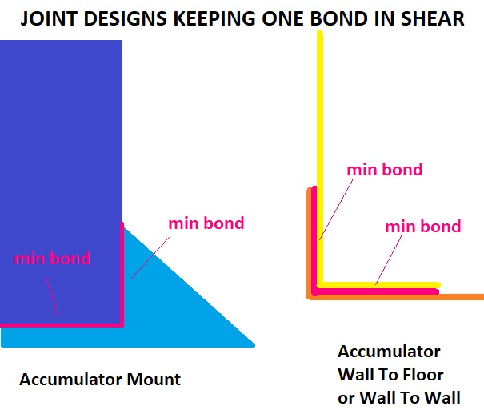
 |  |  |  |  |  |  |  |  |  |  |  |  |  |  |  |  | Plastic Deformation Stress = (M * OD/2) / (no. tubes * I): |  | MPa | EQ |  |  | 0.00 | #DIV/0! |  |  |  |  |  |  |  |  |  |  |  |  | 0.00 | #DIV/0! |  |  |  |  |  |  |  |  |  |  |  |  |  |  |  |  |  |  |  |  |  |  | 59 | 0 | 0 | 0 | 0 | 0 | 0 | 0 | 0 | 0 | 0 | 0 | 0 | 0
 |  |  |  |  |  |  |  |  |  |  |  |  |  |  |  |  | Rules Baseline UTS: | 365 | #VALUE! | #VALUE! |  |  | 0.00 | #DIV/0! |  |  |  |  |  |  | Derived skin modulus of elasticity E (delta_y*L^3/(48*I*delta_x)): | #DIV/0! | GPa | #DIV/0! |  |  | 0.00 | #DIV/0! |  |  |  |  |  |  |  |  |  |  |  |  |  |  |  |  |  |  |  |  |  |  | 60 | 0 | 0 | 0 | 0 | 0 | 0 | 0 | 0 | 0 | 0 | 0 | 0 | 0
 |  |  |  |  |  |  |  |  |  |  |  |  |  |  |  |  |  |  |  |  |  |  | 0.00 | #DIV/0! | Core: | 0 | mm |  |  |  | Derived skin modulus of elasticity E: | #DIV/0! | Pa | EQ |  |  | 0.00 | #DIV/0! |  |  |  |  |  |  |  |  |  |  |  |  |  |  |  |  |  |  |  |  |  |  | 61 | 0 | 0 | 0 | 0 | 0 | 0 | 0 | 0 | 0 | 0 | 0 | 0 | 0
 |  |  |  |  |  |  |  |  |  |  |  |  |  |  |  |  |  |  |  |  |  |  | 0.00 | #DIV/0! |  | 0 | in |  |  |  | Derived skin modulus of elasticity E: | #DIV/0! | psi | EQ |  |  | 0.00 | #DIV/0! |  |  |  |  |  |  |  |  |  |  |  |  |  |  |  |  |  |  |  |  |  |  | 62 | 0 | 0 | 0 | 0 | 0 | 0 | 0 | 0 | 0 | 0 | 0 | 0 | 0
 |  |  |  |  |  |  |  |  |  |  |  |  |  |  |  | Derived energy for one baseline tube (Energy/2)*(I_size/I_test)/((r_size/r_test)^2) |  |  |  |  |  |  | 0.00 | #DIV/0! | Outer: | 0 | mm |  |  |  | Derived UTS of skins σUTS (L*F*r/(4*I)): | #DIV/0! | MPa | #DIV/0! |  |  | 0.00 | #DIV/0! |  |  |  |  |  |  |  |  |  |  |  |  |  |  |  |  |  |  |  |  |  |  | 63 | 0 | 0 | 0 | 0 | 0 | 0 | 0 | 0 | 0 | 0 | 0 | 0 | 0
 |  |  |  |  |  |  |  |  |  |  |  |  |  |  |  |  | Test Displacement at Maximum Force (d): | 0 | mm |  |  |  | 0.00 | #DIV/0! |  | 0 | in |  |  |  | Derived UTS of skins σUTS: | #DIV/0! | Pa | EQ |  |  | 0.00 | #DIV/0! |  |  |  |  |  |  |  |  |  |  |  |  |  |  |  |  |  |  |  |  |  |  | 64 | 0 | 0 | 0 | 0 | 0 | 0 | 0 | 0 | 0 | 0 | 0 | 0 | 0
 |  |  |  |  |  |  |  |  |  |  |  |  |  |  |  |  | Test Energy at Maximum Force (integral of P(d)): | 0.00 | J |  |  |  | 0.00 | #DIV/0! | Inner: | 0 | mm |  |  |  | Derived UTS of skins σUTS: | #DIV/0! | psi | EQ |  |  | 0.00 | #DIV/0! |  |  |  |  |  |  |  |  |  |  |  |  |  |  |  |  |  |  |  |  |  |  | 65 | 0 | 0 | 0 | 0 | 0 | 0 | 0 | 0 | 0 | 0 | 0 | 0 | 0
 |  |  |  |  |  |  |  |  |  |  |  |  |  |  |  |  | Normalize Displacement at Maximum Force (d*E%/UTS%): | #VALUE! | mm |  |  |  | 0.00 | #DIV/0! |  | 0 | in |  |  |  |  |  |  |  |  |  | 0.00 | #DIV/0! |  |  |  |  |  |  |  |  |  |  |  |  |  |  |  |  |  |  |  |  |  |  | 66 | 0 | 0 | 0 | 0 | 0 | 0 | 0 | 0 | 0 | 0 | 0 | 0 | 0
 |  |  |  |  |  |  |  |  |  |  |  |  |  |  |  |  | Normalize Energy at Maximum Force ((P/UTS%)*(d*E%/UTS%)): | #VALUE! | J |  |  |  | 0.00 | #DIV/0! |  |  |  |  |  |  |  |  |  |  |  |  | 0.00 | #DIV/0! |  |  |  |  |  |  |  |  |  |  |  |  |  |  |  |  |  |  |  |  |  |  | 67 | 0 | 0 | 0 | 0 | 0 | 0 | 0 | 0 | 0 | 0 | 0 | 0 | 0
 | Other failure modes are typical in 3-point testing. |  |  |  |  |  |  |  |  |  |  |  |  |  |  |  | #VALUE! | #VALUE! | J |  |  |  | 0.00 | #DIV/0! |  |  |  |  |  |  |  |  |  |  |  |  | 0.00 | #DIV/0! |  |  |  |  |  |  |  |  |  |  |  |  |  |  |  |  |  |  |  |  |  |  | 68 | 0 | 0 | 0 | 0 | 0 | 0 | 0 | 0 | 0 | 0 | 0 | 0 | 0
 | The median carbon panel UTS (2019-2021) is 0MPa. |  |  |  |  |  |  |  |  |  |  |  |  |  |  |  | Size A: | #VALUE! | J |  |  |  | 0.00 | #DIV/0! |  |  |  |  |  |  |  |  |  |  |  |  | 0.00 | #DIV/0! |  |  |  |  |  |  |  |  |  |  |  |  |  |  |  |  |  |  |  |  |  |  | 69 | 0 | 0 | 0 | 0 | 0 | 0 | 0 | 0 | 0 | 0 | 0 | 0 | 0
 | Stiffness traditionally drives layup design. |  |  |  |  |  |  |  |  |  |  |  |  |  |  |  | Size B: | #VALUE! | J |  |  |  | 0.00 | #DIV/0! |  |  |  |  |  |  |  |  |  |  |  |  | 0.00 | #DIV/0! |  |  |  |  |  |  |  |  |  |  |  |  |  |  |  |  |  |  |  |  |  |  | 70 | 0 | 0 | 0 | 0 | 0 | 0 | 0 | 0 | 0 | 0 | 0 | 0 | 0
 | This calculation is valid for SES directional equivalence only. |  |  |  |  |  |  |  |  |  |  |  |  |  |  |  | Size C: | #VALUE! | J |  |  |  | 0.00 | #DIV/0! |  |  |  |  |  |  |  |  |  |  |  |  | 0.00 | #DIV/0! |  |  |  |  |  |  |  |  |  |  |  |  |  |  |  |  |  |  |  |  |  |  | 71 | 0 | 0 | 0 | 0 | 0 | 0 | 0 | 0 | 0 | 0 | 0 | 0 | 0
 | Estimates are only averages from industry and FSAE team documents. |  |  |  |  |  |  |  |  |  |  |  |  |  |  |  | Size D: | #VALUE! | J |  |  |  | 0.00 | #DIV/0! |  |  |  |  |  |  |  |  |  |  |  |  | 0.00 | #DIV/0! |  |  |  |  |  |  |  |  |  |  |  |  |  |  |  |  |  |  |  |  |  |  | 72 | 0 | 0 | 0 | 0 | 0 | 0 | 0 | 0 | 0 | 0 | 0 | 0 | 0
 |  |  |  |  |  |  |  |  |  |  |  |  |  |  |  |  |  |  |  |  |  |  | 0.00 | #DIV/0! |  |  |  |  |  |  |  |  |  |  |  |  | 0.00 | #DIV/0! |  |  |  |  |  |  |  |  |  |  |  |  |  |  |  |  |  |  |  |  |  |  | 73 | 0 | 0 | 0 | 0 | 0 | 0 | 0 | 0 | 0 | 0 | 0 | 0 | 0
 |  |  |  |  |  |  |  |  |  |  |  |  |  |  |  |  |  |  |  |  |  |  | 0.00 | #DIV/0! |  |  |  |  |  |  |  |  |  |  |  |  | 0.00 | #DIV/0! |  |  |  |  |  |  |  |  |  |  |  |  |  |  |  |  |  |  |  |  |  |  | 74 | 0 | 0 | 0 | 0 | 0 | 0 | 0 | 0 | 0 | 0 | 0 | 0 | 0
 |  |  |  |  |  |  |  |  |  |  |  |  |  |  |  |  |  |  |  |  |  |  | 0.00 | #DIV/0! |  |  |  |  |  |  |  |  |  |  |  |  | 0.00 | #DIV/0! |  |  |  |  |  |  |  |  |  |  |  |  |  |  |  |  |  |  |  |  |  |  | 75 | 0 | 0 | 0 | 0 | 0 | 0 | 0 | 0 | 0 | 0 | 0 | 0 | 0
 |  |  |  |  |  |  |  |  |  |  |  |  |  |  |  |  |  |  |  |  |  |  | 0.00 | #DIV/0! |  |  |  |  |  |  |  |  |  |  |  |  | 0.00 | #DIV/0! |  |  |  |  |  |  |  |  |  |  |  |  |  |  |  |  |  |  |  |  |  |  | 76 | 0 | 0 | 0 | 0 | 0 | 0 | 0 | 0 | 0 | 0 | 0 | 0 | 0
 |  |  |  |  |  |  |  |  |  |  |  |  |  |  |  |  |  |  |  |  |  |  | 0.00 | #DIV/0! |  |  |  |  |  |  |  |  |  |  |  |  | 0.00 | #DIV/0! |  |  |  |  |  |  |  |  |  |  |  |  |  |  |  |  |  |  |  |  |  |  | 77 | 0 | 0 | 0 | 0 | 0 | 0 | 0 | 0 | 0 | 0 | 0 | 0 | 0
 |  |  |  |  |  |  |  |  |  |  |  |  |  |  |  |  |  |  |  |  |  |  | 0.00 | #DIV/0! |  |  |  |  |  |  |  |  |  |  |  |  | 0.00 | #DIV/0! |  |  |  |  |  |  |  |  |  |  |  |  |  |  |  |  |  |  |  |  |  |  | 78 | 0 | 0 | 0 | 0 | 0 | 0 | 0 | 0 | 0 | 0 | 0 | 0 | 0
 |  |  |  |  |  |  |  |  |  |  |  |  |  |  |  |  |  |  |  |  |  |  | 0.00 | #DIV/0! |  |  |  |  |  |  |  |  |  |  |  |  | 0.00 | #DIV/0! |  |  |  |  |  |  |  |  |  |  |  |  |  |  |  |  |  |  |  |  |  |  | 79 | 0 | 0 | 0 | 0 | 0 | 0 | 0 | 0 | 0 | 0 | 0 | 0 | 0
 |  |  |  |  |  |  |  |  |  |  |  |  |  |  |  |  |  |  |  |  |  |  | 0.00 | #DIV/0! |  |  |  |  |  |  |  |  |  |  |  |  | 0.00 | #DIV/0! |  |  |  |  |  |  |  |  |  |  |  |  |  |  |  |  |  |  |  |  |  |  | 80 | 0 | 0 | 0 | 0 | 0 | 0 | 0 | 0 | 0 | 0 | 0 | 0 | 0
 |  |  |  |  |  |  |  |  |  |  |  |  |  |  |  |  |  |  |  |  |  |  | 0.00 | #DIV/0! |  |  |  |  |  |  |  |  |  |  |  |  | 0.00 | #DIV/0! |  |  |  |  |  |  |  |  |  |  |  |  |  |  |  |  |  |  |  |  |  |  | 81 | 0 | 0 | 0 | 0 | 0 | 0 | 0 | 0 | 0 | 0 | 0 | 0 | 0
 |  |  |  |  |  |  |  |  |  |  |  |  |  |  |  |  |  |  |  |  |  |  | 0.00 | #DIV/0! |  |  |  |  |  |  |  |  |  |  |  |  | 0.00 | #DIV/0! |  |  |  |  |  |  |  |  |  |  |  |  |  |  |  |  |  |  |  |  |  |  | 82 | 0 | 0 | 0 | 0 | 0 | 0 | 0 | 0 | 0 | 0 | 0 | 0 | 0
 |  |  |  |  |  |  |  |  |  |  |  |  |  |  |  |  |  |  |  |  |  |  | 0.00 | #DIV/0! |  |  |  |  |  |  |  |  |  |  |  |  | 0.00 | #DIV/0! |  |  |  |  |  |  |  |  |  |  |  |  |  |  |  |  |  |  |  |  |  |  | 83 | 0 | 0 | 0 | 0 | 0 | 0 | 0 | 0 | 0 | 0 | 0 | 0 | 0
 |  |  |  |  |  |  |  |  |  |  |  |  |  |  |  |  |  |  |  |  |  |  | 0.00 | #DIV/0! |  |  |  |  |  |  |  |  |  |  |  |  | 0.00 | #DIV/0! |  |  |  |  |  |  |  |  |  |  |  |  |  |  |  |  |  |  |  |  |  |  | 84 | 0 | 0 | 0 | 0 | 0 | 0 | 0 | 0 | 0 | 0 | 0 | 0 | 0
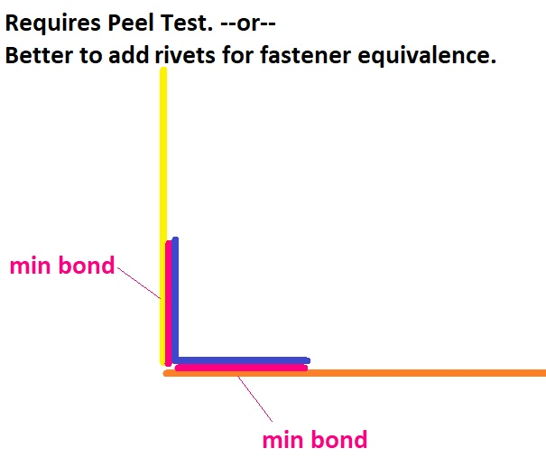
 |  |  |  |  |  |  |  |  |  |  |  |  |  |  |  |  |  |  |  |  |  |  | 0.00 | #DIV/0! |  |  |  |  |  |  |  |  |  |  |  |  | 0.00 | #DIV/0! |  |  |  |  |  |  |  |  |  |  |  |  |  |  |  |  |  |  |  |  |  |  | 85 | 0 | 0 | 0 | 0 | 0 | 0 | 0 | 0 | 0 | 0 | 0 | 0 | 0
 |  |  |  |  |  |  |  |  |  |  |  |  |  |  |  |  |  |  |  |  |  |  | 0.00 | #DIV/0! |  |  |  |  |  |  |  |  |  |  |  |  | 0.00 | #DIV/0! |  |  |  |  |  |  |  |  |  |  |  |  |  |  |  |  |  |  |  |  |  |  | 86 | 0 | 0 | 0 | 0 | 0 | 0 | 0 | 0 | 0 | 0 | 0 | 0 | 0
 |  |  |  |  |  |  |  |  |  |  |  |  |  |  |  |  |  |  |  |  |  |  | 0.00 | #DIV/0! |  |  |  |  |  |  |  |  |  |  |  |  | 0.00 | #DIV/0! |  |  |  |  |  |  |  |  |  |  |  |  |  |  |  |  |  |  |  |  |  |  | 87 | 0 | 0 | 0 | 0 | 0 | 0 | 0 | 0 | 0 | 0 | 0 | 0 | 0
 |  |  |  |  |  |  |  |  |  |  |  |  |  |  |  |  |  |  |  |  |  |  | 0.00 | #DIV/0! |  |  |  |  |  |  |  |  |  |  |  |  | 0.00 | #DIV/0! |  |  |  |  |  |  |  |  |  |  |  |  |  |  |  |  |  |  |  |  |  |  | 88 | 0 | 0 | 0 | 0 | 0 | 0 | 0 | 0 | 0 | 0 | 0 | 0 | 0
 |  |  |  |  |  |  |  |  |  |  |  |  |  |  |  |  |  |  |  |  |  |  | 0.00 | #DIV/0! |  |  |  |  |  |  |  |  |  |  |  |  | 0.00 | #DIV/0! |  |  |  |  |  |  |  |  |  |  |  |  |  |  |  |  |  |  |  |  |  |  | 89 | 0 | 0 | 0 | 0 | 0 | 0 | 0 | 0 | 0 | 0 | 0 | 0 | 0
 |  |  |  |  |  |  |  |  |  |  |  |  |  |  |  |  |  |  |  |  |  |  | 0.00 | #DIV/0! |  |  |  |  |  |  |  |  |  |  |  |  | 0.00 | #DIV/0! |  |  |  |  |  |  |  |  |  |  |  |  |  |  |  |  |  |  |  |  |  |  | 90 | 0 | 0 | 0 | 0 | 0 | 0 | 0 | 0 | 0 | 0 | 0 | 0 | 0
 |  |  |  |  |  |  |  |  |  |  |  |  |  |  |  |  |  |  |  |  |  |  | 0.00 | #DIV/0! |  |  |  |  |  |  |  |  |  |  |  |  | 0.00 | #DIV/0! |  |  |  |  |  |  |  |  |  |  |  |  |  |  |  |  |  |  |  |  |  |  | 91 | 0 | 0 | 0 | 0 | 0 | 0 | 0 | 0 | 0 | 0 | 0 | 0 | 0
 |  |  |  |  |  |  |  |  |  |  |  |  |  |  |  |  |  |  |  |  |  |  | 0.00 | #DIV/0! |  |  |  |  |  |  |  |  |  |  |  |  | 0.00 | #DIV/0! |  |  |  |  |  |  |  |  |  |  |  |  |  |  |  |  |  |  |  |  |  |  | 92 | 0 | 0 | 0 | 0 | 0 | 0 | 0 | 0 | 0 | 0 | 0 | 0 | 0
 |  |  |  |  |  |  |  |  |  |  |  |  |  |  |  |  |  |  |  |  |  |  | 0.00 | #DIV/0! |  |  |  |  |  |  |  |  |  |  |  |  | 0.00 | #DIV/0! |  |  |  |  |  |  |  |  |  |  |  |  |  |  |  |  |  |  |  |  |  |  | 93 | 0 | 0 | 0 | 0 | 0 | 0 | 0 | 0 | 0 | 0 | 0 | 0 | 0
 |  |  |  |  |  |  |  |  |  |  |  |  |  |  |  |  |  |  |  |  |  |  | 0.00 | #DIV/0! |  |  |  |  |  |  |  |  |  |  |  |  | 0.00 | #DIV/0! |  |  |  |  |  |  |  |  |  |  |  |  |  |  |  |  |  |  |  |  |  |  | 94 | 0 | 0 | 0 | 0 | 0 | 0 | 0 | 0 | 0 | 0 | 0 | 0 | 0
 |  |  |  |  |  |  |  |  |  |  |  |  |  |  |  |  |  |  |  |  |  |  | 0.00 | #DIV/0! |  |  |  |  |  |  |  |  |  |  |  |  | 0.00 | #DIV/0! |  |  |  |  |  |  |  |  |  |  |  |  |  |  |  |  |  |  |  |  |  |  | 95 | 0 | 0 | 0 | 0 | 0 | 0 | 0 | 0 | 0 | 0 | 0 | 0 | 0
 |  |  |  |  |  |  |  |  |  |  |  |  |  |  |  |  |  |  |  |  |  |  | 0.00 | #DIV/0! |  |  |  |  |  |  |  |  |  |  |  |  | 0.00 | #DIV/0! |  |  |  |  |  |  |  |  |  |  |  |  |  |  |  |  |  |  |  |  |  |  | 96 | 0 | 0 | 0 | 0 | 0 | 0 | 0 | 0 | 0 | 0 | 0 | 0 | 0
 |  |  |  |  |  |  |  |  |  |  |  |  |  |  |  |  |  |  |  |  |  |  | 0.00 | #DIV/0! |  |  |  |  |  |  |  |  |  |  |  |  | 0.00 | #DIV/0! |  |  |  |  |  |  |  |  |  |  |  |  |  |  |  |  |  |  |  |  |  |  | 97 | 0 | 0 | 0 | 0 | 0 | 0 | 0 | 0 | 0 | 0 | 0 | 0 | 0
 |  |  |  |  |  |  |  |  |  |  |  |  |  |  |  |  |  |  |  |  |  |  | 0.00 | #DIV/0! |  |  |  |  |  |  |  |  |  |  |  |  | 0.00 | #DIV/0! |  |  |  |  |  |  |  |  |  |  |  |  |  |  |  |  |  |  |  |  |  |  | 98 | 0 | 0 | 0 | 0 | 0 | 0 | 0 | 0 | 0 | 0 | 0 | 0 | 0
 |  |  |  |  |  |  |  |  |  |  |  |  |  |  |  |  |  |  |  |  |  |  | 0.00 | #DIV/0! |  |  |  |  |  |  |  |  |  |  |  |  | 0.00 | #DIV/0! |  |  |  |  |  |  |  |  |  |  |  |  |  |  |  |  |  |  |  |  |  |  | 99 | 0 | 0 | 0 | 0 | 0 | 0 | 0 | 0 | 0 | 0 | 0 | 0 | 0
 |  |  |  |  |  |  |  |  |  |  |  |  |  |  |  |  |  |  |  |  |  |  | 0.00 | #DIV/0! |  |  |  |  |  |  |  |  |  |  |  |  | 0.00 | #DIV/0! |  |  |  |  |  |  |  |  |  |  |  |  |  |  |  |  |  |  |  |  |  |  | 100 | 0 | 0 | 0 | 0 | 0 | 0 | 0 | 0 | 0 | 0 | 0 | 0 | 0
 |  |  |  |  |  |  |  |  |  |  |  |  |  |  |  |  |  |  |  |  |  |  | 0.00 | #DIV/0! |  |  |  |  |  |  |  |  |  |  |  |  | 0.00 | #DIV/0! |  |  |  |  |  |  |  |  |  |  |  |  |  |  |  |  |  |  |  |  |  |  | 101 | 0 | 0 | 0 | 0 | 0 | 0 | 0 | 0 | 0 | 0 | 0 | 0 | 0
 |  |  |  |  |  |  |  |  |  |  |  |  |  |  |  |  |  |  |  |  |  |  | 0.00 | #DIV/0! |  |  |  |  |  |  |  |  |  |  |  |  | 0.00 | #DIV/0! |  |  |  |  |  |  |  |  |  |  |  |  |  |  |  |  |  |  |  |  |  |  | 102 | 0 | 0 | 0 | 0 | 0 | 0 | 0 | 0 | 0 | 0 | 0 | 0 | 0
 |  |  |  |  |  |  |  |  |  |  |  |  |  |  |  |  |  |  |  |  |  |  | 0.00 | #DIV/0! |  |  |  |  |  |  |  |  |  |  |  |  | 0.00 | #DIV/0! |  |  |  |  |  |  |  |  |  |  |  |  |  |  |  |  |  |  |  |  |  |  | 103 | 0 | 0 | 0 | 0 | 0 | 0 | 0 | 0 | 0 | 0 | 0 | 0 | 0
 |  |  |  |  |  |  |  |  |  |  |  |  |  |  |  |  |  |  |  |  |  |  | 0.00 | #DIV/0! |  |  |  |  |  |  |  |  |  |  |  |  | 0.00 | #DIV/0! |  |  |  |  |  |  |  |  |  |  |  |  |  |  |  |  |  |  |  |  |  |  | 104 | 0 | 0 | 0 | 0 | 0 | 0 | 0 | 0 | 0 | 0 | 0 | 0 | 0
 |  |  |  |  |  |  |  |  |  |  |  |  |  |  |  |  |  |  |  |  |  |  | 0.00 | #DIV/0! |  |  |  |  |  |  |  |  |  |  |  |  | 0.00 | #DIV/0! |  |  |  |  |  |  |  |  |  |  |  |  |  |  |  |  |  |  |  |  |  |  | 105 | 0 | 0 | 0 | 0 | 0 | 0 | 0 | 0 | 0 | 0 | 0 | 0 | 0
 |  |  |  |  |  |  |  |  |  |  |  |  |  |  |  |  |  |  |  |  |  |  | 0.00 | #DIV/0! |  |  |  |  |  |  |  |  |  |  |  |  | 0.00 | #DIV/0! |  |  |  |  |  |  |  |  |  |  |  |  |  |  |  |  |  |  |  |  |  |  | 106 | 0 | 0 | 0 | 0 | 0 | 0 | 0 | 0 | 0 | 0 | 0 | 0 | 0
 |  |  |  |  |  |  |  |  |  |  |  |  |  |  |  |  |  |  |  |  |  |  | 0.00 | #DIV/0! |  |  |  |  |  |  |  |  |  |  |  |  | 0.00 | #DIV/0! |  |  |  |  |  |  |  |  |  |  |  |  |  |  |  |  |  |  |  |  |  |  | 107 | 0 | 0 | 0 | 0 | 0 | 0 | 0 | 0 | 0 | 0 | 0 | 0 | 0
 |  |  |  |  |  |  |  |  |  |  |  |  |  |  |  |  |  |  |  |  |  |  | 0.00 | #DIV/0! |  |  |  |  |  |  |  |  |  |  |  |  | 0.00 | #DIV/0! |  |  |  |  |  |  |  |  |  |  |  |  |  |  |  |  |  |  |  |  |  |  | 108 | 0 | 0 | 0 | 0 | 0 | 0 | 0 | 0 | 0 | 0 | 0 | 0 | 0
 |  |  |  |  |  |  |  |  |  |  |  |  |  |  |  |  |  |  |  |  |  |  | 0.00 | #DIV/0! |  |  |  |  |  |  |  |  |  |  |  |  | 0.00 | #DIV/0! |  |  |  |  |  |  |  |  |  |  |  |  |  |  |  |  |  |  |  |  |  |  | 109 | 0 | 0 | 0 | 0 | 0 | 0 | 0 | 0 | 0 | 0 | 0 | 0 | 0
 |  |  |  |  |  |  |  |  |  |  |  |  |  |  |  |  |  |  |  |  |  |  | 0.00 | #DIV/0! |  |  |  |  |  |  |  |  |  |  |  |  | 0.00 | #DIV/0! |  |  |  |  |  |  |  |  |  |  |  |  |  |  |  |  |  |  |  |  |  |  | 110 | 0 | 0 | 0 | 0 | 0 | 0 | 0 | 0 | 0 | 0 | 0 | 0 | 0
 |  |  |  |  |  |  |  |  |  |  |  |  |  |  |  |  |  |  |  |  |  |  | 0.00 | #DIV/0! |  |  |  |  |  |  |  |  |  |  |  |  | 0.00 | #DIV/0! |  |  |  |  |  |  |  |  |  |  |  |  |  |  |  |  |  |  |  |  |  |  | 111 | 0 | 0 | 0 | 0 | 0 | 0 | 0 | 0 | 0 | 0 | 0 | 0 | 0
 |  |  |  |  |  |  |  |  |  |  |  |  |  |  |  |  |  |  |  |  |  |  | 0.00 | #DIV/0! |  |  |  |  |  |  |  |  |  |  |  |  | 0.00 | #DIV/0! |  |  |  |  |  |  |  |  |  |  |  |  |  |  |  |  |  |  |  |  |  |  | 112 | 0 | 0 | 0 | 0 | 0 | 0 | 0 | 0 | 0 | 0 | 0 | 0 | 0
 |  |  |  |  |  |  |  |  |  |  |  |  |  |  |  |  |  |  |  |  |  |  | 0.00 | #DIV/0! |  |  |  |  |  |  |  |  |  |  |  |  | 0.00 | #DIV/0! |  |  |  |  |  |  |  |  |  |  |  |  |  |  |  |  |  |  |  |  |  |  | 113 | 0 | 0 | 0 | 0 | 0 | 0 | 0 | 0 | 0 | 0 | 0 | 0 | 0
 |  |  |  |  |  |  |  |  |  |  |  |  |  |  |  |  |  |  |  |  |  |  | 0.00 | #DIV/0! |  |  |  |  |  |  |  |  |  |  |  |  | 0.00 | #DIV/0! |  |  |  |  |  |  |  |  |  |  |  |  |  |  |  |  |  |  |  |  |  |  | 114 | 0 | 0 | 0 | 0 | 0 | 0 | 0 | 0 | 0 | 0 | 0 | 0 | 0
 |  |  |  |  |  |  |  |  |  |  |  |  |  |  |  |  |  |  |  |  |  |  | 0.00 | #DIV/0! |  |  |  |  |  |  |  |  |  |  |  |  | 0.00 | #DIV/0! |  |  |  |  |  |  |  |  |  |  |  |  |  |  |  |  |  |  |  |  |  |  | 115 | 0 | 0 | 0 | 0 | 0 | 0 | 0 | 0 | 0 | 0 | 0 | 0 | 0
 |  |  |  |  |  |  |  |  |  |  |  |  |  |  |  |  |  |  |  |  |  |  | 0.00 | #DIV/0! |  |  |  |  |  |  |  |  |  |  |  |  | 0.00 | #DIV/0! |  |  |  |  |  |  |  |  |  |  |  |  |  |  |  |  |  |  |  |  |  |  | 116 | 0 | 0 | 0 | 0 | 0 | 0 | 0 | 0 | 0 | 0 | 0 | 0 | 0
 |  |  |  |  |  |  |  |  |  |  |  |  |  |  |  |  |  |  |  |  |  |  | 0.00 | #DIV/0! |  |  |  |  |  |  |  |  |  |  |  |  | 0.00 | #DIV/0! |  |  |  |  |  |  |  |  |  |  |  |  |  |  |  |  |  |  |  |  |  |  | 117 | 0 | 0 | 0 | 0 | 0 | 0 | 0 | 0 | 0 | 0 | 0 | 0 | 0
 |  |  |  |  |  |  |  |  |  |  |  |  |  |  |  |  |  |  |  |  |  |  | 0.00 | #DIV/0! |  |  |  |  |  |  |  |  |  |  |  |  | 0.00 | #DIV/0! |  |  |  |  |  |  |  |  |  |  |  |  |  |  |  |  |  |  |  |  |  |  | 118 | 0 | 0 | 0 | 0 | 0 | 0 | 0 | 0 | 0 | 0 | 0 | 0 | 0
 |  |  |  |  |  |  |  |  |  |  |  |  |  |  |  |  |  |  |  |  |  |  | 0.00 | #DIV/0! |  |  |  |  |  |  |  |  |  |  |  |  | 0.00 | #DIV/0! |  |  |  |  |  |  |  |  |  |  |  |  |  |  |  |  |  |  |  |  |  |  | 119 | 0 | 0 | 0 | 0 | 0 | 0 | 0 | 0 | 0 | 0 | 0 | 0 | 0
 |  |  |  |  |  |  |  |  |  |  |  |  |  |  |  |  |  |  |  |  |  |  | 0.00 | #DIV/0! |  |  |  |  |  |  |  |  |  |  |  |  | 0.00 | #DIV/0! |  |  |  |  |  |  |  |  |  |  |  |  |  |  |  |  |  |  |  |  |  |  | 120 | 0 | 0 | 0 | 0 | 0 | 0 | 0 | 0 | 0 | 0 | 0 | 0 | 0
 |  |  |  |  |  |  |  |  |  |  |  |  |  |  |  |  |  |  |  |  |  |  | 0.00 | #DIV/0! |  |  |  |  |  |  |  |  |  |  |  |  | 0.00 | #DIV/0! |  |  |  |  |  |  |  |  |  |  |  |  |  |  |  |  |  |  |  |  |  |  | 121 | 0 | 0 | 0 | 0 | 0 | 0 | 0 | 0 | 0 | 0 | 0 | 0 | 0
 |  |  |  |  |  |  |  |  |  |  |  |  |  |  |  |  |  |  |  |  |  |  | 0.00 | #DIV/0! |  |  |  |  |  |  |  |  |  |  |  |  | 0.00 | #DIV/0! |  |  |  |  |  |  |  |  |  |  |  |  |  |  |  |  |  |  |  |  |  |  | 122 | 0 | 0 | 0 | 0 | 0 | 0 | 0 | 0 | 0 | 0 | 0 | 0 | 0
 |  |  |  |  |  |  |  |  |  |  |  |  |  |  |  |  |  |  |  |  |  |  | 0.00 | #DIV/0! |  |  |  |  |  |  |  |  |  |  |  |  | 0.00 | #DIV/0! |  |  |  |  |  |  |  |  |  |  |  |  |  |  |  |  |  |  |  |  |  |  | 123 | 0 | 0 | 0 | 0 | 0 | 0 | 0 | 0 | 0 | 0 | 0 | 0 | 0
 |  |  |  |  |  |  |  |  |  |  |  |  |  |  |  |  |  |  |  |  |  |  | 0.00 | #DIV/0! |  |  |  |  |  |  |  |  |  |  |  |  | 0.00 | #DIV/0! |  |  |  |  |  |  |  |  |  |  |  |  |  |  |  |  |  |  |  |  |  |  | 124 | 0 | 0 | 0 | 0 | 0 | 0 | 0 | 0 | 0 | 0 | 0 | 0 | 0
 |  |  |  |  |  |  |  |  |  |  |  |  |  |  |  |  |  |  |  |  |  |  | 0.00 | #DIV/0! |  |  |  |  |  |  |  |  |  |  |  |  | 0.00 | #DIV/0! |  |  |  |  |  |  |  |  |  |  |  |  |  |  |  |  |  |  |  |  |  |  | 125 | 0 | 0 | 0 | 0 | 0 | 0 | 0 | 0 | 0 | 0 | 0 | 0 | 0
 |  |  |  |  |  |  |  |  |  |  |  |  |  |  |  |  |  |  |  |  |  |  | 0.00 | #DIV/0! |  |  |  |  |  |  |  |  |  |  |  |  | 0.00 | #DIV/0! |  |  |  |  |  |  |  |  |  |  |  |  |  |  |  |  |  |  |  |  |  |  | 126 | 0 | 0 | 0 | 0 | 0 | 0 | 0 | 0 | 0 | 0 | 0 | 0 | 0
 |  |  |  |  |  |  |  |  |  |  |  |  |  |  |  |  |  |  |  |  |  |  | 0.00 | #DIV/0! |  |  |  |  |  |  |  |  |  |  |  |  | 0.00 | #DIV/0! |  |  |  |  |  |  |  |  |  |  |  |  |  |  |  |  |  |  |  |  |  |  | 127 | 0 | 0 | 0 | 0 | 0 | 0 | 0 | 0 | 0 | 0 | 0 | 0 | 0
 |  |  |  |  |  |  |  |  |  |  |  |  |  |  |  |  |  |  |  |  |  |  | 0.00 | #DIV/0! |  |  |  |  |  |  |  |  |  |  |  |  | 0.00 | #DIV/0! |  |  |  |  |  |  |  |  |  |  |  |  |  |  |  |  |  |  |  |  |  |  | 128 | 0 | 0 | 0 | 0 | 0 | 0 | 0 | 0 | 0 | 0 | 0 | 0 | 0
RENAME F.4.2 Composite |  |  |  |  |  |  |  |  |  |  |  |  |  |  |  |  |  |  |  |  |  |  | 0.00 | #DIV/0! |  |  |  |  |  |  |  |  |  |  |  |  | 0.00 | #DIV/0! |  |  |  |  |  |  |  |  |  |  |  |  |  |  |  |  |  |  |  |  |  |  | 129 | 0 | 0 | 0 | 0 | 0 | 0 | 0 | 0 | 0 | 0 | 0 | 0 | 0
 |  |  |  |  |  |  |  |  |  |  |  |  |  |  |  |  |  |  |  |  |  |  | 0.00 | #DIV/0! |  |  |  |  |  |  |  |  |  |  |  |  | 0.00 | #DIV/0! |  |  |  |  |  |  |  |  |  |  |  |  |  |  |  |  |  |  |  |  |  |  | 130 | 0 | 0 | 0 | 0 | 0 | 0 | 0 | 0 | 0 | 0 | 0 | 0 | 0
 |  |  |  |  |  |  |  |  |  |  |  |  |  |  |  |  |  |  |  |  |  |  | 0.00 | #DIV/0! |  |  |  |  |  |  |  |  |  |  |  |  | 0.00 | #DIV/0! |  |  |  |  |  |  |  |  |  |  |  |  |  |  |  |  |  |  |  |  |  |  | 131 | 0 | 0 | 0 | 0 | 0 | 0 | 0 | 0 | 0 | 0 | 0 | 0 | 0
 |  |  |  |  |  |  |  |  |  |  |  |  |  |  |  |  |  |  |  |  |  |  | 0.00 | #DIV/0! |  |  |  |  |  |  |  |  |  |  |  |  | 0.00 | #DIV/0! |  |  |  |  |  |  |  |  |  |  |  |  |  |  |  |  |  |  |  |  |  |  | 132 | 0 | 0 | 0 | 0 | 0 | 0 | 0 | 0 | 0 | 0 | 0 | 0 | 0
 |  |  |  |  |  |  |  |  |  |  |  |  |  |  |  |  |  |  |  |  |  |  | 0.00 | #DIV/0! |  |  |  |  |  |  |  |  |  |  |  |  | 0.00 | #DIV/0! |  |  |  |  |  |  |  |  |  |  |  |  |  |  |  |  |  |  |  |  |  |  | 133 | 0 | 0 | 0 | 0 | 0 | 0 | 0 | 0 | 0 | 0 | 0 | 0 | 0
 |  |  |  |  |  |  |  |  |  |  |  |  |  |  |  |  |  |  |  |  |  |  | 0.00 | #DIV/0! |  |  |  |  |  |  |  |  |  |  |  |  | 0.00 | #DIV/0! |  |  |  |  |  |  |  |  |  |  |  |  |  |  |  |  |  |  |  |  |  |  | 134 | 0 | 0 | 0 | 0 | 0 | 0 | 0 | 0 | 0 | 0 | 0 | 0 | 0
 |  |  |  |  |  |  |  |  |  |  |  |  |  |  |  |  |  |  |  |  |  |  | 0.00 | #DIV/0! |  |  |  |  |  |  |  |  |  |  |  |  | 0.00 | #DIV/0! |  |  |  |  |  |  |  |  |  |  |  |  |  |  |  |  |  |  |  |  |  |  | 135 | 0 | 0 | 0 | 0 | 0 | 0 | 0 | 0 | 0 | 0 | 0 | 0 | 0
 |  |  |  |  |  |  |  |  |  |  |  |  |  |  |  |  |  |  |  |  |  |  | 0.00 | #DIV/0! |  |  |  |  |  |  |  |  |  |  |  |  | 0.00 | #DIV/0! |  |  |  |  |  |  |  |  |  |  |  |  |  |  |  |  |  |  |  |  |  |  | 136 | 0 | 0 | 0 | 0 | 0 | 0 | 0 | 0 | 0 | 0 | 0 | 0 | 0
 |  |  |  |  |  |  |  |  |  |  |  |  |  |  |  |  |  |  |  |  |  |  | 0.00 | #DIV/0! |  |  |  |  |  |  |  |  |  |  |  |  | 0.00 | #DIV/0! |  |  |  |  |  |  |  |  |  |  |  |  |  |  |  |  |  |  |  |  |  |  | 137 | 0 | 0 | 0 | 0 | 0 | 0 | 0 | 0 | 0 | 0 | 0 | 0 | 0
 |  |  |  |  |  |  |  |  |  |  |  |  |  |  |  |  |  |  |  |  |  |  | 0.00 | #DIV/0! |  |  |  |  |  |  |  |  |  |  |  |  | 0.00 | #DIV/0! |  |  |  |  |  |  |  |  |  |  |  |  |  |  |  |  |  |  |  |  |  |  | 138 | 0 | 0 | 0 | 0 | 0 | 0 | 0 | 0 | 0 | 0 | 0 | 0 | 0
 |  |  |  |  |  |  |  |  |  |  |  |  |  |  |  |  |  |  |  |  |  |  | 0.00 | #DIV/0! |  |  |  |  |  |  |  |  |  |  |  |  | 0.00 | #DIV/0! |  |  |  |  |  |  |  |  |  |  |  |  |  |  |  |  |  |  |  |  |  |  | 139 | 0 | 0 | 0 | 0 | 0 | 0 | 0 | 0 | 0 | 0 | 0 | 0 | 0
 |  |  |  |  |  |  |  |  |  |  |  |  |  |  |  |  |  |  |  |  |  |  | 0.00 | #DIV/0! |  |  |  |  |  |  |  |  |  |  |  |  | 0.00 | #DIV/0! |  |  |  |  |  |  |  |  |  |  |  |  |  |  |  |  |  |  |  |  |  |  | 140 | 0 | 0 | 0 | 0 | 0 | 0 | 0 | 0 | 0 | 0 | 0 | 0 | 0
 |  |  |  |  |  |  |  |  |  |  |  |  |  |  |  |  |  |  |  |  |  |  | 0.00 | #DIV/0! |  |  |  |  |  |  |  |  |  |  |  |  | 0.00 | #DIV/0! |  |  |  |  |  |  |  |  |  |  |  |  |  |  |  |  |  |  |  |  |  |  | 141 | 0 | 0 | 0 | 0 | 0 | 0 | 0 | 0 | 0 | 0 | 0 | 0 | 0
 |  |  |  |  |  |  |  |  |  |  |  |  |  |  |  |  |  |  |  |  |  |  | 0.00 | #DIV/0! |  |  |  |  |  |  |  |  |  |  |  |  | 0.00 | #DIV/0! |  |  |  |  |  |  |  |  |  |  |  |  |  |  |  |  |  |  |  |  |  |  | 142 | 0 | 0 | 0 | 0 | 0 | 0 | 0 | 0 | 0 | 0 | 0 | 0 | 0
 |  |  |  |  |  |  |  |  |  |  |  |  |  |  |  |  |  |  |  |  |  |  | 0.00 | #DIV/0! |  |  |  |  |  |  |  |  |  |  |  |  | 0.00 | #DIV/0! |  |  |  |  |  |  |  |  |  |  |  |  |  |  |  |  |  |  |  |  |  |  | 143 | 0 | 0 | 0 | 0 | 0 | 0 | 0 | 0 | 0 | 0 | 0 | 0 | 0
 |  |  |  |  |  |  |  |  |  |  |  |  |  |  |  |  |  |  |  |  |  |  | 0.00 | #DIV/0! |  |  |  |  |  |  |  |  |  |  |  |  | 0.00 | #DIV/0! |  |  |  |  |  |  |  |  |  |  |  |  |  |  |  |  |  |  |  |  |  |  | 144 | 0 | 0 | 0 | 0 | 0 | 0 | 0 | 0 | 0 | 0 | 0 | 0 | 0
 |  |  |  |  |  |  |  |  |  |  |  |  |  |  |  |  |  |  |  |  |  |  | 0.00 | #DIV/0! |  |  |  |  |  |  |  |  |  |  |  |  | 0.00 | #DIV/0! |  |  |  |  |  |  |  |  |  |  |  |  |  |  |  |  |  |  |  |  |  |  | 145 | 0 | 0 | 0 | 0 | 0 | 0 | 0 | 0 | 0 | 0 | 0 | 0 | 0
 |  |  |  |  |  |  |  |  |  |  |  |  |  |  |  |  |  |  |  |  |  |  | 0.00 | #DIV/0! |  |  |  |  |  |  |  |  |  |  |  |  | 0.00 | #DIV/0! |  |  |  |  |  |  |  |  |  |  |  |  |  |  |  |  |  |  |  |  |  |  | 146 | 0 | 0 | 0 | 0 | 0 | 0 | 0 | 0 | 0 | 0 | 0 | 0 | 0
 |  |  |  |  |  |  |  |  |  |  |  |  |  |  |  |  |  |  |  |  |  |  | 0.00 | #DIV/0! |  |  |  |  |  |  |  |  |  |  |  |  | 0.00 | #DIV/0! |  |  |  |  |  |  |  |  |  |  |  |  |  |  |  |  |  |  |  |  |  |  | 147 | 0 | 0 | 0 | 0 | 0 | 0 | 0 | 0 | 0 | 0 | 0 | 0 | 0
 |  |  |  |  |  |  |  |  |  |  |  |  |  |  |  |  |  |  |  |  |  |  | 0.00 | #DIV/0! |  |  |  |  |  |  |  |  |  |  |  |  | 0.00 | #DIV/0! |  |  |  |  |  |  |  |  |  |  |  |  |  |  |  |  |  |  |  |  |  |  | 148 | 0 | 0 | 0 | 0 | 0 | 0 | 0 | 0 | 0 | 0 | 0 | 0 | 0
 |  |  |  |  |  |  |  |  |  |  |  |  |  |  |  |  |  |  |  |  |  |  | 0.00 | #DIV/0! |  |  |  |  |  |  |  |  |  |  |  |  | 0.00 | #DIV/0! |  |  |  |  |  |  |  |  |  |  |  |  |  |  |  |  |  |  |  |  |  |  | 149 | 0 | 0 | 0 | 0 | 0 | 0 | 0 | 0 | 0 | 0 | 0 | 0 | 0
 |  |  |  |  |  |  |  |  |  |  |  |  |  |  |  |  |  |  |  |  |  |  | 0.00 | #DIV/0! |  |  |  |  |  |  |  |  |  |  |  |  | 0.00 | #DIV/0! |  |  |  |  |  |  |  |  |  |  |  |  |  |  |  |  |  |  |  |  |  |  | 150 | 0 | 0 | 0 | 0 | 0 | 0 | 0 | 0 | 0 | 0 | 0 | 0 | 0
 |  |  |  |  |  |  |  |  |  |  |  |  |  |  |  |  |  |  |  |  |  |  | 0.00 | #DIV/0! |  |  |  |  |  |  |  |  |  |  |  |  | 0.00 | #DIV/0! |  |  |  |  |  |  |  |  |  |  |  |  |  |  |  |  |  |  |  |  |  |  | 151 | 0 | 0 | 0 | 0 | 0 | 0 | 0 | 0 | 0 | 0 | 0 | 0 | 0
 |  |  |  |  |  |  |  |  |  |  |  |  |  |  |  |  |  |  |  |  |  |  | 0.00 | #DIV/0! |  |  |  |  |  |  |  |  |  |  |  |  | 0.00 | #DIV/0! |  |  |  |  |  |  |  |  |  |  |  |  |  |  |  |  |  |  |  |  |  |  | 152 | 0 | 0 | 0 | 0 | 0 | 0 | 0 | 0 | 0 | 0 | 0 | 0 | 0
 |  |  |  |  |  |  |  |  |  |  |  |  |  |  |  |  |  |  |  |  |  |  | 0.00 | #DIV/0! |  |  |  |  |  |  |  |  |  |  |  |  | 0.00 | #DIV/0! |  |  |  |  |  |  |  |  |  |  |  |  |  |  |  |  |  |  |  |  |  |  | 153 | 0 | 0 | 0 | 0 | 0 | 0 | 0 | 0 | 0 | 0 | 0 | 0 | 0
 |  |  |  |  |  |  |  |  |  |  |  |  |  |  |  |  |  |  |  |  |  |  | 0.00 | #DIV/0! |  |  |  |  |  |  |  |  |  |  |  |  | 0.00 | #DIV/0! |  |  |  |  |  |  |  |  |  |  |  |  |  |  |  |  |  |  |  |  |  |  | 154 | 0 | 0 | 0 | 0 | 0 | 0 | 0 | 0 | 0 | 0 | 0 | 0 | 0
 |  |  |  |  |  |  |  |  |  |  |  |  |  |  |  |  |  |  |  |  |  |  | 0.00 | #DIV/0! |  |  |  |  |  |  |  |  |  |  |  |  | 0.00 | #DIV/0! |  |  |  |  |  |  |  |  |  |  |  |  |  |  |  |  |  |  |  |  |  |  | 155 | 0 | 0 | 0 | 0 | 0 | 0 | 0 | 0 | 0 | 0 | 0 | 0 | 0
 |  |  |  |  |  |  |  |  |  |  |  |  |  |  |  |  |  |  |  |  |  |  | 0.00 | #DIV/0! |  |  |  |  |  |  |  |  |  |  |  |  | 0.00 | #DIV/0! |  |  |  |  |  |  |  |  |  |  |  |  |  |  |  |  |  |  |  |  |  |  | 156 | 0 | 0 | 0 | 0 | 0 | 0 | 0 | 0 | 0 | 0 | 0 | 0 | 0
 |  |  |  |  |  |  |  |  |  |  |  |  |  |  |  |  |  |  |  |  |  |  | 0.00 | #DIV/0! |  |  |  |  |  |  |  |  |  |  |  |  | 0.00 | #DIV/0! |  |  |  |  |  |  |  |  |  |  |  |  |  |  |  |  |  |  |  |  |  |  | 157 | 0 | 0 | 0 | 0 | 0 | 0 | 0 | 0 | 0 | 0 | 0 | 0 | 0
 |  |  |  |  |  |  |  |  |  |  |  |  |  |  |  |  |  |  |  |  |  |  | 0.00 | #DIV/0! |  |  |  |  |  |  |  |  |  |  |  |  | 0.00 | #DIV/0! |  |  |  |  |  |  |  |  |  |  |  |  |  |  |  |  |  |  |  |  |  |  | 158 | 0 | 0 | 0 | 0 | 0 | 0 | 0 | 0 | 0 | 0 | 0 | 0 | 0
 |  |  |  |  |  |  |  |  |  |  |  |  |  |  |  |  |  |  |  |  |  |  | 0.00 | #DIV/0! |  |  |  |  |  |  |  |  |  |  |  |  | 0.00 | #DIV/0! |  |  |  |  |  |  |  |  |  |  |  |  |  |  |  |  |  |  |  |  |  |  | 159 | 0 | 0 | 0 | 0 | 0 | 0 | 0 | 0 | 0 | 0 | 0 | 0 | 0
 |  |  |  |  |  |  |  |  |  |  |  |  |  |  |  |  |  |  |  |  |  |  | 0.00 | #DIV/0! |  |  |  |  |  |  |  |  |  |  |  |  | 0.00 | #DIV/0! |  |  |  |  |  |  |  |  |  |  |  |  |  |  |  |  |  |  |  |  |  |  | 160 | 0 | 0 | 0 | 0 | 0 | 0 | 0 | 0 | 0 | 0 | 0 | 0 | 0
 |  |  |  |  |  |  |  |  |  |  |  |  |  |  |  |  |  |  |  |  |  |  | 0.00 | #DIV/0! |  |  |  |  |  |  |  |  |  |  |  |  | 0.00 | #DIV/0! |  |  |  |  |  |  |  |  |  |  |  |  |  |  |  |  |  |  |  |  |  |  | 161 | 0 | 0 | 0 | 0 | 0 | 0 | 0 | 0 | 0 | 0 | 0 | 0 | 0
 |  |  |  |  |  |  |  |  |  |  |  |  |  |  |  |  |  |  |  |  |  |  | 0.00 | #DIV/0! |  |  |  |  |  |  |  |  |  |  |  |  | 0.00 | #DIV/0! |  |  |  |  |  |  |  |  |  |  |  |  |  |  |  |  |  |  |  |  |  |  | 162 | 0 | 0 | 0 | 0 | 0 | 0 | 0 | 0 | 0 | 0 | 0 | 0 | 0
 |  |  |  |  |  |  |  |  |  |  |  |  |  |  |  |  |  |  |  |  |  |  | 0.00 | #DIV/0! |  |  |  |  |  |  |  |  |  |  |  |  | 0.00 | #DIV/0! |  |  |  |  |  |  |  |  |  |  |  |  |  |  |  |  |  |  |  |  |  |  | 163 | 0 | 0 | 0 | 0 | 0 | 0 | 0 | 0 | 0 | 0 | 0 | 0 | 0
 |  |  |  |  |  |  |  |  |  |  |  |  |  |  |  |  |  |  |  |  |  |  | 0.00 | #DIV/0! |  |  |  |  |  |  |  |  |  |  |  |  | 0.00 | #DIV/0! |  |  |  |  |  |  |  |  |  |  |  |  |  |  |  |  |  |  |  |  |  |  | 164 | 0 | 0 | 0 | 0 | 0 | 0 | 0 | 0 | 0 | 0 | 0 | 0 | 0
 |  |  |  |  |  |  |  |  |  |  |  |  |  |  |  |  |  |  |  |  |  |  | 0.00 | #DIV/0! |  |  |  |  |  |  |  |  |  |  |  |  | 0.00 | #DIV/0! |  |  |  |  |  |  |  |  |  |  |  |  |  |  |  |  |  |  |  |  |  |  | 165 | 0 | 0 | 0 | 0 | 0 | 0 | 0 | 0 | 0 | 0 | 0 | 0 | 0
 |  |  |  |  |  |  |  |  |  |  |  |  |  |  |  |  |  |  |  |  |  |  | 0.00 | #DIV/0! |  |  |  |  |  |  |  |  |  |  |  |  | 0.00 | #DIV/0! |  |  |  |  |  |  |  |  |  |  |  |  |  |  |  |  |  |  |  |  |  |  | 166 | 0 | 0 | 0 | 0 | 0 | 0 | 0 | 0 | 0 | 0 | 0 | 0 | 0
 |  |  |  |  |  |  |  |  |  |  |  |  |  |  |  |  |  |  |  |  |  |  | 0.00 | #DIV/0! |  |  |  |  |  |  |  |  |  |  |  |  | 0.00 | #DIV/0! |  |  |  |  |  |  |  |  |  |  |  |  |  |  |  |  |  |  |  |  |  |  | 167 | 0 | 0 | 0 | 0 | 0 | 0 | 0 | 0 | 0 | 0 | 0 | 0 | 0
 |  |  |  |  |  |  |  |  |  |  |  |  |  |  |  |  |  |  |  |  |  |  | 0.00 | #DIV/0! |  |  |  |  |  |  |  |  |  |  |  |  | 0.00 | #DIV/0! |  |  |  |  |  |  |  |  |  |  |  |  |  |  |  |  |  |  |  |  |  |  | 168 | 0 | 0 | 0 | 0 | 0 | 0 | 0 | 0 | 0 | 0 | 0 | 0 | 0
 |  |  |  |  |  |  |  |  |  |  |  |  |  |  |  |  |  |  |  |  |  |  | 0.00 | #DIV/0! |  |  |  |  |  |  |  |  |  |  |  |  | 0.00 | #DIV/0! |  |  |  |  |  |  |  |  |  |  |  |  |  |  |  |  |  |  |  |  |  |  | 169 | 0 | 0 | 0 | 0 | 0 | 0 | 0 | 0 | 0 | 0 | 0 | 0 | 0
 |  |  |  |  |  |  |  |  |  |  |  |  |  |  |  |  |  |  |  |  |  |  | 0.00 | #DIV/0! |  |  |  |  |  |  |  |  |  |  |  |  | 0.00 | #DIV/0! |  |  |  |  |  |  |  |  |  |  |  |  |  |  |  |  |  |  |  |  |  |  | 170 | 0 | 0 | 0 | 0 | 0 | 0 | 0 | 0 | 0 | 0 | 0 | 0 | 0
 |  |  |  |  |  |  |  |  |  |  |  |  |  |  |  |  |  |  |  |  |  |  | 0.00 | #DIV/0! |  |  |  |  |  |  |  |  |  |  |  |  | 0.00 | #DIV/0! |  |  |  |  |  |  |  |  |  |  |  |  |  |  |  |  |  |  |  |  |  |  | 171 | 0 | 0 | 0 | 0 | 0 | 0 | 0 | 0 | 0 | 0 | 0 | 0 | 0
 |  |  |  |  |  |  |  |  |  |  |  |  |  |  |  |  |  |  |  |  |  |  | 0.00 | #DIV/0! |  |  |  |  |  |  |  |  |  |  |  |  | 0.00 | #DIV/0! |  |  |  |  |  |  |  |  |  |  |  |  |  |  |  |  |  |  |  |  |  |  | 172 | 0 | 0 | 0 | 0 | 0 | 0 | 0 | 0 | 0 | 0 | 0 | 0 | 0
 |  |  |  |  |  |  |  |  |  |  |  |  |  |  |  |  |  |  |  |  |  |  | 0.00 | #DIV/0! |  |  |  |  |  |  |  |  |  |  |  |  | 0.00 | #DIV/0! |  |  |  |  |  |  |  |  |  |  |  |  |  |  |  |  |  |  |  |  |  |  | 173 | 0 | 0 | 0 | 0 | 0 | 0 | 0 | 0 | 0 | 0 | 0 | 0 | 0
 |  |  |  |  |  |  |  |  |  |  |  |  |  |  |  |  |  |  |  |  |  |  | 0.00 | #DIV/0! |  |  |  |  |  |  |  |  |  |  |  |  | 0.00 | #DIV/0! |  |  |  |  |  |  |  |  |  |  |  |  |  |  |  |  |  |  |  |  |  |  | 174 | 0 | 0 | 0 | 0 | 0 | 0 | 0 | 0 | 0 | 0 | 0 | 0 | 0
 |  |  |  |  |  |  |  |  |  |  |  |  |  |  |  |  |  |  |  |  |  |  | 0.00 | #DIV/0! |  |  |  |  |  |  |  |  |  |  |  |  | 0.00 | #DIV/0! |  |  |  |  |  |  |  |  |  |  |  |  |  |  |  |  |  |  |  |  |  |  | 175 | 0 | 0 | 0 | 0 | 0 | 0 | 0 | 0 | 0 | 0 | 0 | 0 | 0
 |  |  |  |  |  |  |  |  |  |  |  |  |  |  |  |  |  |  |  |  |  |  | 0.00 | #DIV/0! |  |  |  |  |  |  |  |  |  |  |  |  | 0.00 | #DIV/0! |  |  |  |  |  |  |  |  |  |  |  |  |  |  |  |  |  |  |  |  |  |  | 176 | 0 | 0 | 0 | 0 | 0 | 0 | 0 | 0 | 0 | 0 | 0 | 0 | 0
 |  |  |  |  |  |  |  |  |  |  |  |  |  |  |  |  |  |  |  |  |  |  | 0.00 | #DIV/0! |  |  |  |  |  |  |  |  |  |  |  |  | 0.00 | #DIV/0! |  |  |  |  |  |  |  |  |  |  |  |  |  |  |  |  |  |  |  |  |  |  | 177 | 0 | 0 | 0 | 0 | 0 | 0 | 0 | 0 | 0 | 0 | 0 | 0 | 0
 |  |  |  |  |  |  |  |  |  |  |  |  |  |  |  |  |  |  |  |  |  |  | 0.00 | #DIV/0! |  |  |  |  |  |  |  |  |  |  |  |  | 0.00 | #DIV/0! |  |  |  |  |  |  |  |  |  |  |  |  |  |  |  |  |  |  |  |  |  |  | 178 | 0 | 0 | 0 | 0 | 0 | 0 | 0 | 0 | 0 | 0 | 0 | 0 | 0
 |  |  |  |  |  |  |  |  |  |  |  |  |  |  |  |  |  |  |  |  |  |  | 0.00 | #DIV/0! |  |  |  |  |  |  |  |  |  |  |  |  | 0.00 | #DIV/0! |  |  |  |  |  |  |  |  |  |  |  |  |  |  |  |  |  |  |  |  |  |  | 179 | 0 | 0 | 0 | 0 | 0 | 0 | 0 | 0 | 0 | 0 | 0 | 0 | 0
 |  |  |  |  |  |  |  |  |  |  |  |  |  |  |  |  |  |  |  |  |  |  | 0.00 | #DIV/0! |  |  |  |  |  |  |  |  |  |  |  |  | 0.00 | #DIV/0! |  |  |  |  |  |  |  |  |  |  |  |  |  |  |  |  |  |  |  |  |  |  | 180 | 0 | 0 | 0 | 0 | 0 | 0 | 0 | 0 | 0 | 0 | 0 | 0 | 0
 |  |  |  |  |  |  |  |  |  |  |  |  |  |  |  |  |  |  |  |  |  |  | 0.00 | #DIV/0! |  |  |  |  |  |  |  |  |  |  |  |  | 0.00 | #DIV/0! |  |  |  |  |  |  |  |  |  |  |  |  |  |  |  |  |  |  |  |  |  |  | 181 | 0 | 0 | 0 | 0 | 0 | 0 | 0 | 0 | 0 | 0 | 0 | 0 | 0
 |  |  |  |  |  |  |  |  |  |  |  |  |  |  |  |  |  |  |  |  |  |  | 0.00 | #DIV/0! |  |  |  |  |  |  |  |  |  |  |  |  | 0.00 | #DIV/0! |  |  |  |  |  |  |  |  |  |  |  |  |  |  |  |  |  |  |  |  |  |  | 182 | 0 | 0 | 0 | 0 | 0 | 0 | 0 | 0 | 0 | 0 | 0 | 0 | 0
 |  |  |  |  |  |  |  |  |  |  |  |  |  |  |  |  |  |  |  |  |  |  | 0.00 | #DIV/0! |  |  |  |  |  |  |  |  |  |  |  |  | 0.00 | #DIV/0! |  |  |  |  |  |  |  |  |  |  |  |  |  |  |  |  |  |  |  |  |  |  | 183 | 0 | 0 | 0 | 0 | 0 | 0 | 0 | 0 | 0 | 0 | 0 | 0 | 0
 |  |  |  |  |  |  |  |  |  |  |  |  |  |  |  |  |  |  |  |  |  |  | 0.00 | #DIV/0! |  |  |  |  |  |  |  |  |  |  |  |  | 0.00 | #DIV/0! |  |  |  |  |  |  |  |  |  |  |  |  |  |  |  |  |  |  |  |  |  |  | 184 | 0 | 0 | 0 | 0 | 0 | 0 | 0 | 0 | 0 | 0 | 0 | 0 | 0
 |  |  |  |  |  |  |  |  |  |  |  |  |  |  |  |  |  |  |  |  |  |  | 0.00 | #DIV/0! |  |  |  |  |  |  |  |  |  |  |  |  | 0.00 | #DIV/0! |  |  |  |  |  |  |  |  |  |  |  |  |  |  |  |  |  |  |  |  |  |  | 185 | 0 | 0 | 0 | 0 | 0 | 0 | 0 | 0 | 0 | 0 | 0 | 0 | 0
 |  |  |  |  |  |  |  |  |  |  |  |  |  |  |  |  |  |  |  |  |  |  | 0.00 | #DIV/0! |  |  |  |  |  |  |  |  |  |  |  |  | 0.00 | #DIV/0! |  |  |  |  |  |  |  |  |  |  |  |  |  |  |  |  |  |  |  |  |  |  | 186 | 0 | 0 | 0 | 0 | 0 | 0 | 0 | 0 | 0 | 0 | 0 | 0 | 0
 |  |  |  |  |  |  |  |  |  |  |  |  |  |  |  |  |  |  |  |  |  |  | 0.00 | #DIV/0! |  |  |  |  |  |  |  |  |  |  |  |  | 0.00 | #DIV/0! |  |  |  |  |  |  |  |  |  |  |  |  |  |  |  |  |  |  |  |  |  |  | 187 | 0 | 0 | 0 | 0 | 0 | 0 | 0 | 0 | 0 | 0 | 0 | 0 | 0
 |  |  |  |  |  |  |  |  |  |  |  |  |  |  |  |  |  |  |  |  |  |  | 0.00 | #DIV/0! |  |  |  |  |  |  |  |  |  |  |  |  | 0.00 | #DIV/0! |  |  |  |  |  |  |  |  |  |  |  |  |  |  |  |  |  |  |  |  |  |  | 188 | 0 | 0 | 0 | 0 | 0 | 0 | 0 | 0 | 0 | 0 | 0 | 0 | 0
 |  |  |  |  |  |  |  |  |  |  |  |  |  |  |  |  |  |  |  |  |  |  | 0.00 | #DIV/0! |  |  |  |  |  |  |  |  |  |  |  |  | 0.00 | #DIV/0! |  |  |  |  |  |  |  |  |  |  |  |  |  |  |  |  |  |  |  |  |  |  | 189 | 0 | 0 | 0 | 0 | 0 | 0 | 0 | 0 | 0 | 0 | 0 | 0 | 0
 |  |  |  |  |  |  |  |  |  |  |  |  |  |  |  |  |  |  |  |  |  |  | 0.00 | #DIV/0! |  |  |  |  |  |  |  |  |  |  |  |  | 0.00 | #DIV/0! |  |  |  |  |  |  |  |  |  |  |  |  |  |  |  |  |  |  |  |  |  |  | 190 | 0 | 0 | 0 | 0 | 0 | 0 | 0 | 0 | 0 | 0 | 0 | 0 | 0
 |  |  |  |  |  |  |  |  |  |  |  |  |  |  |  |  |  |  |  |  |  |  | 0.00 | #DIV/0! |  |  |  |  |  |  |  |  |  |  |  |  | 0.00 | #DIV/0! |  |  |  |  |  |  |  |  |  |  |  |  |  |  |  |  |  |  |  |  |  |  | 191 | 0 | 0 | 0 | 0 | 0 | 0 | 0 | 0 | 0 | 0 | 0 | 0 | 0
 |  |  |  |  |  |  |  |  |  |  |  |  |  |  |  |  |  |  |  |  |  |  | 0.00 | #DIV/0! |  |  |  |  |  |  |  |  |  |  |  |  | 0.00 | #DIV/0! |  |  |  |  |  |  |  |  |  |  |  |  |  |  |  |  |  |  |  |  |  |  | 192 | 0 | 0 | 0 | 0 | 0 | 0 | 0 | 0 | 0 | 0 | 0 | 0 | 0
 |  |  |  |  |  |  |  |  |  |  |  |  |  |  |  |  |  |  |  |  |  |  | 0.00 | #DIV/0! |  |  |  |  |  |  |  |  |  |  |  |  | 0.00 | #DIV/0! |  |  |  |  |  |  |  |  |  |  |  |  |  |  |  |  |  |  |  |  |  |  | 193 | 0 | 0 | 0 | 0 | 0 | 0 | 0 | 0 | 0 | 0 | 0 | 0 | 0
 |  |  |  |  |  |  |  |  |  |  |  |  |  |  |  |  |  |  |  |  |  |  | 0.00 | #DIV/0! |  |  |  |  |  |  |  |  |  |  |  |  | 0.00 | #DIV/0! |  |  |  |  |  |  |  |  |  |  |  |  |  |  |  |  |  |  |  |  |  |  | 194 | 0 | 0 | 0 | 0 | 0 | 0 | 0 | 0 | 0 | 0 | 0 | 0 | 0
 |  |  |  |  |  |  |  |  |  |  |  |  |  |  |  |  |  |  |  |  |  |  | 0.00 | #DIV/0! |  |  |  |  |  |  |  |  |  |  |  |  | 0.00 | #DIV/0! |  |  |  |  |  |  |  |  |  |  |  |  |  |  |  |  |  |  |  |  |  |  | 195 | 0 | 0 | 0 | 0 | 0 | 0 | 0 | 0 | 0 | 0 | 0 | 0 | 0
 |  |  |  |  |  |  |  |  |  |  |  |  |  |  |  |  |  |  |  |  |  |  | 0.00 | #DIV/0! |  |  |  |  |  |  |  |  |  |  |  |  | 0.00 | #DIV/0! |  |  |  |  |  |  |  |  |  |  |  |  |  |  |  |  |  |  |  |  |  |  | 196 | 0 | 0 | 0 | 0 | 0 | 0 | 0 | 0 | 0 | 0 | 0 | 0 | 0
 |  |  |  |  |  |  |  |  |  |  |  |  |  |  |  |  |  |  |  |  |  |  | 0.00 | #DIV/0! |  |  |  |  |  |  |  |  |  |  |  |  | 0.00 | #DIV/0! |  |  |  |  |  |  |  |  |  |  |  |  |  |  |  |  |  |  |  |  |  |  | 197 | 0 | 0 | 0 | 0 | 0 | 0 | 0 | 0 | 0 | 0 | 0 | 0 | 0
 |  |  |  |  |  |  |  |  |  |  |  |  |  |  |  |  |  |  |  |  |  |  | 0.00 | #DIV/0! |  |  |  |  |  |  |  |  |  |  |  |  | 0.00 | #DIV/0! |  |  |  |  |  |  |  |  |  |  |  |  |  |  |  |  |  |  |  |  |  |  | 198 | 0 | 0 | 0 | 0 | 0 | 0 | 0 | 0 | 0 | 0 | 0 | 0 | 0
 |  |  |  |  |  |  |  |  |  |  |  |  |  |  |  |  |  |  |  |  |  |  | 0.00 | #DIV/0! |  |  |  |  |  |  |  |  |  |  |  |  | 0.00 | #DIV/0! |  |  |  |  |  |  |  |  |  |  |  |  |  |  |  |  |  |  |  |  |  |  | 199 | 0 | 0 | 0 | 0 | 0 | 0 | 0 | 0 | 0 | 0 | 0 | 0 | 0
 |  |  |  |  |  |  |  |  |  |  |  |  |  |  |  |  |  |  |  |  |  |  | 0.00 | #DIV/0! |  |  |  |  |  |  |  |  |  |  |  |  | 0.00 | #DIV/0! |  |  |  |  |  |  |  |  |  |  |  |  |  |  |  |  |  |  |  |  |  |  | 200 | 0 | 0 | 0 | 0 | 0 | 0 | 0 | 0 | 0 | 0 | 0 | 0 | 0
 |  |  |  |  |  |  |  |  |  |  |  |  |  |  |  |  |  |  |  |  |  |  | 0.00 | #DIV/0! |  |  |  |  |  |  |  |  |  |  |  |  | 0.00 | #DIV/0! |  |  |  |  |  |  |  |  |  |  |  |  |  |  |  |  |  |  |  |  |  |  | 201 | 0 | 0 | 0 | 0 | 0 | 0 | 0 | 0 | 0 | 0 | 0 | 0 | 0
 |  |  |  |  |  |  |  |  |  |  |  |  |  |  |  |  |  |  |  |  |  |  | 0.00 | #DIV/0! |  |  |  |  |  |  |  |  |  |  |  |  | 0.00 | #DIV/0! |  |  |  |  |  |  |  |  |  |  |  |  |  |  |  |  |  |  |  |  |  |  | 202 | 0 | 0 | 0 | 0 | 0 | 0 | 0 | 0 | 0 | 0 | 0 | 0 | 0
 |  |  |  |  |  |  |  |  |  |  |  |  |  |  |  |  |  |  |  |  |  |  | 0.00 | #DIV/0! |  |  |  |  |  |  |  |  |  |  |  |  | 0.00 | #DIV/0! |  |  |  |  |  |  |  |  |  |  |  |  |  |  |  |  |  |  |  |  |  |  | 203 | 0 | 0 | 0 | 0 | 0 | 0 | 0 | 0 | 0 | 0 | 0 | 0 | 0
 |  |  |  |  |  |  |  |  |  |  |  |  |  |  |  |  |  |  |  |  |  |  | 0.00 | #DIV/0! |  |  |  |  |  |  |  |  |  |  |  |  | 0.00 | #DIV/0! |  |  |  |  |  |  |  |  |  |  |  |  |  |  |  |  |  |  |  |  |  |  | 204 | 0 | 0 | 0 | 0 | 0 | 0 | 0 | 0 | 0 | 0 | 0 | 0 | 0
 |  |  |  |  |  |  |  |  |  |  |  |  |  |  |  |  |  |  |  |  |  |  | 0.00 | #DIV/0! |  |  |  |  |  |  |  |  |  |  |  |  | 0.00 | #DIV/0! |  |  |  |  |  |  |  |  |  |  |  |  |  |  |  |  |  |  |  |  |  |  | 205 | 0 | 0 | 0 | 0 | 0 | 0 | 0 | 0 | 0 | 0 | 0 | 0 | 0
 |  |  |  |  |  |  |  |  |  |  |  |  |  |  |  |  |  |  |  |  |  |  | 0.00 | #DIV/0! |  |  |  |  |  |  |  |  |  |  |  |  | 0.00 | #DIV/0! |  |  |  |  |  |  |  |  |  |  |  |  |  |  |  |  |  |  |  |  |  |  | 206 | 0 | 0 | 0 | 0 | 0 | 0 | 0 | 0 | 0 | 0 | 0 | 0 | 0
 |  |  |  |  |  |  |  |  |  |  |  |  |  |  |  |  |  |  |  |  |  |  | 0.00 | #DIV/0! |  |  |  |  |  |  |  |  |  |  |  |  | 0.00 | #DIV/0! |  |  |  |  |  |  |  |  |  |  |  |  |  |  |  |  |  |  |  |  |  |  | 207 | 0 | 0 | 0 | 0 | 0 | 0 | 0 | 0 | 0 | 0 | 0 | 0 | 0
 |  |  |  |  |  |  |  |  |  |  |  |  |  |  |  |  |  |  |  |  |  |  | 0.00 | #DIV/0! |  |  |  |  |  |  |  |  |  |  |  |  | 0.00 | #DIV/0! |  |  |  |  |  |  |  |  |  |  |  |  |  |  |  |  |  |  |  |  |  |  | 208 | 0 | 0 | 0 | 0 | 0 | 0 | 0 | 0 | 0 | 0 | 0 | 0 | 0
 |  |  |  |  |  |  |  |  |  |  |  |  |  |  |  |  |  |  |  |  |  |  | 0.00 | #DIV/0! |  |  |  |  |  |  |  |  |  |  |  |  | 0.00 | #DIV/0! |  |  |  |  |  |  |  |  |  |  |  |  |  |  |  |  |  |  |  |  |  |  | 209 | 0 | 0 | 0 | 0 | 0 | 0 | 0 | 0 | 0 | 0 | 0 | 0 | 0
 |  |  |  |  |  |  |  |  |  |  |  |  |  |  |  |  |  |  |  |  |  |  | 0.00 | #DIV/0! |  |  |  |  |  |  |  |  |  |  |  |  | 0.00 | #DIV/0! |  |  |  |  |  |  |  |  |  |  |  |  |  |  |  |  |  |  |  |  |  |  | 210 | 0 | 0 | 0 | 0 | 0 | 0 | 0 | 0 | 0 | 0 | 0 | 0 | 0
 |  |  |  |  |  |  |  |  |  |  |  |  |  |  |  |  |  |  |  |  |  |  | 0.00 | #DIV/0! |  |  |  |  |  |  |  |  |  |  |  |  | 0.00 | #DIV/0! |  |  |  |  |  |  |  |  |  |  |  |  |  |  |  |  |  |  |  |  |  |  | 211 | 0 | 0 | 0 | 0 | 0 | 0 | 0 | 0 | 0 | 0 | 0 | 0 | 0
 |  |  |  |  |  |  |  |  |  |  |  |  |  |  |  |  |  |  |  |  |  |  | 0.00 | #DIV/0! |  |  |  |  |  |  |  |  |  |  |  |  | 0.00 | #DIV/0! |  |  |  |  |  |  |  |  |  |  |  |  |  |  |  |  |  |  |  |  |  |  | 212 | 0 | 0 | 0 | 0 | 0 | 0 | 0 | 0 | 0 | 0 | 0 | 0 | 0
 |  |  |  |  |  |  |  |  |  |  |  |  |  |  |  |  |  |  |  |  |  |  | 0.00 | #DIV/0! |  |  |  |  |  |  |  |  |  |  |  |  | 0.00 | #DIV/0! |  |  |  |  |  |  |  |  |  |  |  |  |  |  |  |  |  |  |  |  |  |  | 213 | 0 | 0 | 0 | 0 | 0 | 0 | 0 | 0 | 0 | 0 | 0 | 0 | 0
 |  |  |  |  |  |  |  |  |  |  |  |  |  |  |  |  |  |  |  |  |  |  | 0.00 | #DIV/0! |  |  |  |  |  |  |  |  |  |  |  |  | 0.00 | #DIV/0! |  |  |  |  |  |  |  |  |  |  |  |  |  |  |  |  |  |  |  |  |  |  | 214 | 0 | 0 | 0 | 0 | 0 | 0 | 0 | 0 | 0 | 0 | 0 | 0 | 0
 |  |  |  |  |  |  |  |  |  |  |  |  |  |  |  |  |  |  |  |  |  |  | 0.00 | #DIV/0! |  |  |  |  |  |  |  |  |  |  |  |  | 0.00 | #DIV/0! |  |  |  |  |  |  |  |  |  |  |  |  |  |  |  |  |  |  |  |  |  |  | 215 | 0 | 0 | 0 | 0 | 0 | 0 | 0 | 0 | 0 | 0 | 0 | 0 | 0
 |  |  |  |  |  |  |  |  |  |  |  |  |  |  |  |  |  |  |  |  |  |  | 0.00 | #DIV/0! |  |  |  |  |  |  |  |  |  |  |  |  | 0.00 | #DIV/0! |  |  |  |  |  |  |  |  |  |  |  |  |  |  |  |  |  |  |  |  |  |  | 216 | 0 | 0 | 0 | 0 | 0 | 0 | 0 | 0 | 0 | 0 | 0 | 0 | 0
 |  |  |  |  |  |  |  |  |  |  |  |  |  |  |  |  |  |  |  |  |  |  | 0.00 | #DIV/0! |  |  |  |  |  |  |  |  |  |  |  |  | 0.00 | #DIV/0! |  |  |  |  |  |  |  |  |  |  |  |  |  |  |  |  |  |  |  |  |  |  | 217 | 0 | 0 | 0 | 0 | 0 | 0 | 0 | 0 | 0 | 0 | 0 | 0 | 0
 |  |  |  |  |  |  |  |  |  |  |  |  |  |  |  |  |  |  |  |  |  |  | 0.00 | #DIV/0! |  |  |  |  |  |  |  |  |  |  |  |  | 0.00 | #DIV/0! |  |  |  |  |  |  |  |  |  |  |  |  |  |  |  |  |  |  |  |  |  |  | 218 | 0 | 0 | 0 | 0 | 0 | 0 | 0 | 0 | 0 | 0 | 0 | 0 | 0
 |  |  |  |  |  |  |  |  |  |  |  |  |  |  |  |  |  |  |  |  |  |  | 0.00 | #DIV/0! |  |  |  |  |  |  |  |  |  |  |  |  | 0.00 | #DIV/0! |  |  |  |  |  |  |  |  |  |  |  |  |  |  |  |  |  |  |  |  |  |  | 219 | 0 | 0 | 0 | 0 | 0 | 0 | 0 | 0 | 0 | 0 | 0 | 0 | 0
 |  |  |  |  |  |  |  |  |  |  |  |  |  |  |  |  |  |  |  |  |  |  | 0.00 | #DIV/0! |  |  |  |  |  |  |  |  |  |  |  |  | 0.00 | #DIV/0! |  |  |  |  |  |  |  |  |  |  |  |  |  |  |  |  |  |  |  |  |  |  | 220 | 0 | 0 | 0 | 0 | 0 | 0 | 0 | 0 | 0 | 0 | 0 | 0 | 0
 |  |  |  |  |  |  |  |  |  |  |  |  |  |  |  |  |  |  |  |  |  |  | 0.00 | #DIV/0! |  |  |  |  |  |  |  |  |  |  |  |  | 0.00 | #DIV/0! |  |  |  |  |  |  |  |  |  |  |  |  |  |  |  |  |  |  |  |  |  |  | 221 | 0 | 0 | 0 | 0 | 0 | 0 | 0 | 0 | 0 | 0 | 0 | 0 | 0
 |  |  |  |  |  |  |  |  |  |  |  |  |  |  |  |  |  |  |  |  |  |  | 0.00 | #DIV/0! |  |  |  |  |  |  |  |  |  |  |  |  | 0.00 | #DIV/0! |  |  |  |  |  |  |  |  |  |  |  |  |  |  |  |  |  |  |  |  |  |  | 222 | 0 | 0 | 0 | 0 | 0 | 0 | 0 | 0 | 0 | 0 | 0 | 0 | 0
 |  |  |  |  |  |  |  |  |  |  |  |  |  |  |  |  |  |  |  |  |  |  | 0.00 | #DIV/0! |  |  |  |  |  |  |  |  |  |  |  |  | 0.00 | #DIV/0! |  |  |  |  |  |  |  |  |  |  |  |  |  |  |  |  |  |  |  |  |  |  | 223 | 0 | 0 | 0 | 0 | 0 | 0 | 0 | 0 | 0 | 0 | 0 | 0 | 0
 |  |  |  |  |  |  |  |  |  |  |  |  |  |  |  |  |  |  |  |  |  |  | 0.00 | #DIV/0! |  |  |  |  |  |  |  |  |  |  |  |  | 0.00 | #DIV/0! |  |  |  |  |  |  |  |  |  |  |  |  |  |  |  |  |  |  |  |  |  |  | 224 | 0 | 0 | 0 | 0 | 0 | 0 | 0 | 0 | 0 | 0 | 0 | 0 | 0
 |  |  |  |  |  |  |  |  |  |  |  |  |  |  |  |  |  |  |  |  |  |  | 0.00 | #DIV/0! |  |  |  |  |  |  |  |  |  |  |  |  | 0.00 | #DIV/0! |  |  |  |  |  |  |  |  |  |  |  |  |  |  |  |  |  |  |  |  |  |  | 225 | 0 | 0 | 0 | 0 | 0 | 0 | 0 | 0 | 0 | 0 | 0 | 0 | 0
 |  |  |  |  |  |  |  |  |  |  |  |  |  |  |  |  |  |  |  |  |  |  | 0.00 | #DIV/0! |  |  |  |  |  |  |  |  |  |  |  |  | 0.00 | #DIV/0! |  |  |  |  |  |  |  |  |  |  |  |  |  |  |  |  |  |  |  |  |  |  | 226 | 0 | 0 | 0 | 0 | 0 | 0 | 0 | 0 | 0 | 0 | 0 | 0 | 0
 |  |  |  |  |  |  |  |  |  |  |  |  |  |  |  |  |  |  |  |  |  |  | 0.00 | #DIV/0! |  |  |  |  |  |  |  |  |  |  |  |  | 0.00 | #DIV/0! |  |  |  |  |  |  |  |  |  |  |  |  |  |  |  |  |  |  |  |  |  |  | 227 | 0 | 0 | 0 | 0 | 0 | 0 | 0 | 0 | 0 | 0 | 0 | 0 | 0
 |  |  |  |  |  |  |  |  |  |  |  |  |  |  |  |  |  |  |  |  |  |  | 0.00 | #DIV/0! |  |  |  |  |  |  |  |  |  |  |  |  | 0.00 | #DIV/0! |  |  |  |  |  |  |  |  |  |  |  |  |  |  |  |  |  |  |  |  |  |  | 228 | 0 | 0 | 0 | 0 | 0 | 0 | 0 | 0 | 0 | 0 | 0 | 0 | 0
 |  |  |  |  |  |  |  |  |  |  |  |  |  |  |  |  |  |  |  |  |  |  | 0.00 | #DIV/0! |  |  |  |  |  |  |  |  |  |  |  |  | 0.00 | #DIV/0! |  |  |  |  |  |  |  |  |  |  |  |  |  |  |  |  |  |  |  |  |  |  | 229 | 0 | 0 | 0 | 0 | 0 | 0 | 0 | 0 | 0 | 0 | 0 | 0 | 0
 |  |  |  |  |  |  |  |  |  |  |  |  |  |  |  |  |  |  |  |  |  |  | 0.00 | #DIV/0! |  |  |  |  |  |  |  |  |  |  |  |  | 0.00 | #DIV/0! |  |  |  |  |  |  |  |  |  |  |  |  |  |  |  |  |  |  |  |  |  |  | 230 | 0 | 0 | 0 | 0 | 0 | 0 | 0 | 0 | 0 | 0 | 0 | 0 | 0
 |  |  |  |  |  |  |  |  |  |  |  |  |  |  |  |  |  |  |  |  |  |  | 0.00 | #DIV/0! |  |  |  |  |  |  |  |  |  |  |  |  | 0.00 | #DIV/0! |  |  |  |  |  |  |  |  |  |  |  |  |  |  |  |  |  |  |  |  |  |  | 231 | 0 | 0 | 0 | 0 | 0 | 0 | 0 | 0 | 0 | 0 | 0 | 0 | 0
 |  |  |  |  |  |  |  |  |  |  |  |  |  |  |  |  |  |  |  |  |  |  | 0.00 | #DIV/0! |  |  |  |  |  |  |  |  |  |  |  |  | 0.00 | #DIV/0! |  |  |  |  |  |  |  |  |  |  |  |  |  |  |  |  |  |  |  |  |  |  | 232 | 0 | 0 | 0 | 0 | 0 | 0 | 0 | 0 | 0 | 0 | 0 | 0 | 0
 |  |  |  |  |  |  |  |  |  |  |  |  |  |  |  |  |  |  |  |  |  |  | 0.00 | #DIV/0! |  |  |  |  |  |  |  |  |  |  |  |  | 0.00 | #DIV/0! |  |  |  |  |  |  |  |  |  |  |  |  |  |  |  |  |  |  |  |  |  |  | 233 | 0 | 0 | 0 | 0 | 0 | 0 | 0 | 0 | 0 | 0 | 0 | 0 | 0
 |  |  |  |  |  |  |  |  |  |  |  |  |  |  |  |  |  |  |  |  |  |  | 0.00 | #DIV/0! |  |  |  |  |  |  |  |  |  |  |  |  | 0.00 | #DIV/0! |  |  |  |  |  |  |  |  |  |  |  |  |  |  |  |  |  |  |  |  |  |  | 234 | 0 | 0 | 0 | 0 | 0 | 0 | 0 | 0 | 0 | 0 | 0 | 0 | 0
 |  |  |  |  |  |  |  |  |  |  |  |  |  |  |  |  |  |  |  |  |  |  | 0.00 | #DIV/0! |  |  |  |  |  |  |  |  |  |  |  |  | 0.00 | #DIV/0! |  |  |  |  |  |  |  |  |  |  |  |  |  |  |  |  |  |  |  |  |  |  | 235 | 0 | 0 | 0 | 0 | 0 | 0 | 0 | 0 | 0 | 0 | 0 | 0 | 0
 |  |  |  |  |  |  |  |  |  |  |  |  |  |  |  |  |  |  |  |  |  |  | 0.00 | #DIV/0! |  |  |  |  |  |  |  |  |  |  |  |  | 0.00 | #DIV/0! |  |  |  |  |  |  |  |  |  |  |  |  |  |  |  |  |  |  |  |  |  |  | 236 | 0 | 0 | 0 | 0 | 0 | 0 | 0 | 0 | 0 | 0 | 0 | 0 | 0
 |  |  |  |  |  |  |  |  |  |  |  |  |  |  |  |  |  |  |  |  |  |  | 0.00 | #DIV/0! |  |  |  |  |  |  |  |  |  |  |  |  | 0.00 | #DIV/0! |  |  |  |  |  |  |  |  |  |  |  |  |  |  |  |  |  |  |  |  |  |  | 237 | 0 | 0 | 0 | 0 | 0 | 0 | 0 | 0 | 0 | 0 | 0 | 0 | 0
 |  |  |  |  |  |  |  |  |  |  |  |  |  |  |  |  |  |  |  |  |  |  | 0.00 | #DIV/0! |  |  |  |  |  |  |  |  |  |  |  |  | 0.00 | #DIV/0! |  |  |  |  |  |  |  |  |  |  |  |  |  |  |  |  |  |  |  |  |  |  | 238 | 0 | 0 | 0 | 0 | 0 | 0 | 0 | 0 | 0 | 0 | 0 | 0 | 0
 |  |  |  |  |  |  |  |  |  |  |  |  |  |  |  |  |  |  |  |  |  |  | 0.00 | #DIV/0! |  |  |  |  |  |  |  |  |  |  |  |  | 0.00 | #DIV/0! |  |  |  |  |  |  |  |  |  |  |  |  |  |  |  |  |  |  |  |  |  |  | 239 | 0 | 0 | 0 | 0 | 0 | 0 | 0 | 0 | 0 | 0 | 0 | 0 | 0
 |  |  |  |  |  |  |  |  |  |  |  |  |  |  |  |  |  |  |  |  |  |  | 0.00 | #DIV/0! |  |  |  |  |  |  |  |  |  |  |  |  | 0.00 | #DIV/0! |  |  |  |  |  |  |  |  |  |  |  |  |  |  |  |  |  |  |  |  |  |  | 240 | 0 | 0 | 0 | 0 | 0 | 0 | 0 | 0 | 0 | 0 | 0 | 0 | 0
 |  |  |  |  |  |  |  |  |  |  |  |  |  |  |  |  |  |  |  |  |  |  | 0.00 | #DIV/0! |  |  |  |  |  |  |  |  |  |  |  |  | 0.00 | #DIV/0! |  |  |  |  |  |  |  |  |  |  |  |  |  |  |  |  |  |  |  |  |  |  | 241 | 0 | 0 | 0 | 0 | 0 | 0 | 0 | 0 | 0 | 0 | 0 | 0 | 0
 |  |  |  |  |  |  |  |  |  |  |  |  |  |  |  |  |  |  |  |  |  |  | 0.00 | #DIV/0! |  |  |  |  |  |  |  |  |  |  |  |  | 0.00 | #DIV/0! |  |  |  |  |  |  |  |  |  |  |  |  |  |  |  |  |  |  |  |  |  |  | 242 | 0 | 0 | 0 | 0 | 0 | 0 | 0 | 0 | 0 | 0 | 0 | 0 | 0
 |  |  |  |  |  |  |  |  |  |  |  |  |  |  |  |  |  |  |  |  |  |  | 0.00 | #DIV/0! |  |  |  |  |  |  |  |  |  |  |  |  | 0.00 | #DIV/0! |  |  |  |  |  |  |  |  |  |  |  |  |  |  |  |  |  |  |  |  |  |  | 243 | 0 | 0 | 0 | 0 | 0 | 0 | 0 | 0 | 0 | 0 | 0 | 0 | 0
 |  |  |  |  |  |  |  |  |  |  |  |  |  |  |  |  |  |  |  |  |  |  | 0.00 | #DIV/0! |  |  |  |  |  |  |  |  |  |  |  |  | 0.00 | #DIV/0! |  |  |  |  |  |  |  |  |  |  |  |  |  |  |  |  |  |  |  |  |  |  | 244 | 0 | 0 | 0 | 0 | 0 | 0 | 0 | 0 | 0 | 0 | 0 | 0 | 0
 |  |  |  |  |  |  |  |  |  |  |  |  |  |  |  |  |  |  |  |  |  |  | 0.00 | #DIV/0! |  |  |  |  |  |  |  |  |  |  |  |  | 0.00 | #DIV/0! |  |  |  |  |  |  |  |  |  |  |  |  |  |  |  |  |  |  |  |  |  |  | 245 | 0 | 0 | 0 | 0 | 0 | 0 | 0 | 0 | 0 | 0 | 0 | 0 | 0
 |  |  |  |  |  |  |  |  |  |  |  |  |  |  |  |  |  |  |  |  |  |  | 0.00 | #DIV/0! |  |  |  |  |  |  |  |  |  |  |  |  | 0.00 | #DIV/0! |  |  |  |  |  |  |  |  |  |  |  |  |  |  |  |  |  |  |  |  |  |  | 246 | 0 | 0 | 0 | 0 | 0 | 0 | 0 | 0 | 0 | 0 | 0 | 0 | 0
 |  |  |  |  |  |  |  |  |  |  |  |  |  |  |  |  |  |  |  |  |  |  | 0.00 | #DIV/0! |  |  |  |  |  |  |  |  |  |  |  |  | 0.00 | #DIV/0! |  |  |  |  |  |  |  |  |  |  |  |  |  |  |  |  |  |  |  |  |  |  | 247 | 0 | 0 | 0 | 0 | 0 | 0 | 0 | 0 | 0 | 0 | 0 | 0 | 0
 |  |  |  |  |  |  |  |  |  |  |  |  |  |  |  |  |  |  |  |  |  |  | 0.00 | #DIV/0! |  |  |  |  |  |  |  |  |  |  |  |  | 0.00 | #DIV/0! |  |  |  |  |  |  |  |  |  |  |  |  |  |  |  |  |  |  |  |  |  |  | 248 | 0 | 0 | 0 | 0 | 0 | 0 | 0 | 0 | 0 | 0 | 0 | 0 | 0
 |  |  |  |  |  |  |  |  |  |  |  |  |  |  |  |  |  |  |  |  |  |  | 0.00 | #DIV/0! |  |  |  |  |  |  |  |  |  |  |  |  | 0.00 | #DIV/0! |  |  |  |  |  |  |  |  |  |  |  |  |  |  |  |  |  |  |  |  |  |  | 249 | 0 | 0 | 0 | 0 | 0 | 0 | 0 | 0 | 0 | 0 | 0 | 0 | 0
 |  |  |  |  |  |  |  |  |  |  |  |  |  |  |  |  |  |  |  |  |  |  | 0.00 | #DIV/0! |  |  |  |  |  |  |  |  |  |  |  |  | 0.00 | #DIV/0! |  |  |  |  |  |  |  |  |  |  |  |  |  |  |  |  |  |  |  |  |  |  | 250 | 0 | 0 | 0 | 0 | 0 | 0 | 0 | 0 | 0 | 0 | 0 | 0 | 0
 |  |  |  |  |  |  |  |  |  |  |  |  |  |  |  |  |  |  |  |  |  |  | 0.00 | #DIV/0! |  |  |  |  |  |  |  |  |  |  |  |  | 0.00 | #DIV/0! |  |  |  |  |  |  |  |  |  |  |  |  |  |  |  |  |  |  |  |  |  |  | 251 | 0 | 0 | 0 | 0 | 0 | 0 | 0 | 0 | 0 | 0 | 0 | 0 | 0
 |  |  |  |  |  |  |  |  |  |  |  |  |  |  |  |  |  |  |  |  |  |  | 0.00 | #DIV/0! |  |  |  |  |  |  |  |  |  |  |  |  | 0.00 | #DIV/0! |  |  |  |  |  |  |  |  |  |  |  |  |  |  |  |  |  |  |  |  |  |  | 252 | 0 | 0 | 0 | 0 | 0 | 0 | 0 | 0 | 0 | 0 | 0 | 0 | 0
 |  |  |  |  |  |  |  |  |  |  |  |  |  |  |  |  |  |  |  |  |  |  | 0.00 | #DIV/0! |  |  |  |  |  |  |  |  |  |  |  |  | 0.00 | #DIV/0! |  |  |  |  |  |  |  |  |  |  |  |  |  |  |  |  |  |  |  |  |  |  | 253 | 0 | 0 | 0 | 0 | 0 | 0 | 0 | 0 | 0 | 0 | 0 | 0 | 0
 |  |  |  |  |  |  |  |  |  |  |  |  |  |  |  |  |  |  |  |  |  |  | 0.00 | #DIV/0! |  |  |  |  |  |  |  |  |  |  |  |  | 0.00 | #DIV/0! |  |  |  |  |  |  |  |  |  |  |  |  |  |  |  |  |  |  |  |  |  |  | 254 | 0 | 0 | 0 | 0 | 0 | 0 | 0 | 0 | 0 | 0 | 0 | 0 | 0
 |  |  |  |  |  |  |  |  |  |  |  |  |  |  |  |  |  |  |  |  |  |  | 0.00 | #DIV/0! |  |  |  |  |  |  |  |  |  |  |  |  | 0.00 | #DIV/0! |  |  |  |  |  |  |  |  |  |  |  |  |  |  |  |  |  |  |  |  |  |  | 255 | 0 | 0 | 0 | 0 | 0 | 0 | 0 | 0 | 0 | 0 | 0 | 0 | 0
 |  |  |  |  |  |  |  |  |  |  |  |  |  |  |  |  |  |  |  |  |  |  | 0.00 | #DIV/0! |  |  |  |  |  |  |  |  |  |  |  |  | 0.00 | #DIV/0! |  |  |  |  |  |  |  |  |  |  |  |  |  |  |  |  |  |  |  |  |  |  | 256 | 0 | 0 | 0 | 0 | 0 | 0 | 0 | 0 | 0 | 0 | 0 | 0 | 0
 |  |  |  |  |  |  |  |  |  |  |  |  |  |  |  |  |  |  |  |  |  |  | 0.00 | #DIV/0! |  |  |  |  |  |  |  |  |  |  |  |  | 0.00 | #DIV/0! |  |  |  |  |  |  |  |  |  |  |  |  |  |  |  |  |  |  |  |  |  |  | 257 | 0 | 0 | 0 | 0 | 0 | 0 | 0 | 0 | 0 | 0 | 0 | 0 | 0
 |  |  |  |  |  |  |  |  |  |  |  |  |  |  |  |  |  |  |  |  |  |  | 0.00 | #DIV/0! |  |  |  |  |  |  |  |  |  |  |  |  | 0.00 | #DIV/0! |  |  |  |  |  |  |  |  |  |  |  |  |  |  |  |  |  |  |  |  |  |  | 258 | 0 | 0 | 0 | 0 | 0 | 0 | 0 | 0 | 0 | 0 | 0 | 0 | 0
 |  |  |  |  |  |  |  |  |  |  |  |  |  |  |  |  |  |  |  |  |  |  | 0.00 | #DIV/0! |  |  |  |  |  |  |  |  |  |  |  |  | 0.00 | #DIV/0! |  |  |  |  |  |  |  |  |  |  |  |  |  |  |  |  |  |  |  |  |  |  | 259 | 0 | 0 | 0 | 0 | 0 | 0 | 0 | 0 | 0 | 0 | 0 | 0 | 0
 |  |  |  |  |  |  |  |  |  |  |  |  |  |  |  |  |  |  |  |  |  |  | 0.00 | #DIV/0! |  |  |  |  |  |  |  |  |  |  |  |  | 0.00 | #DIV/0! |  |  |  |  |  |  |  |  |  |  |  |  |  |  |  |  |  |  |  |  |  |  | 260 | 0 | 0 | 0 | 0 | 0 | 0 | 0 | 0 | 0 | 0 | 0 | 0 | 0
 |  |  |  |  |  |  |  |  |  |  |  |  |  |  |  |  |  |  |  |  |  |  | 0.00 | #DIV/0! |  |  |  |  |  |  |  |  |  |  |  |  | 0.00 | #DIV/0! |  |  |  |  |  |  |  |  |  |  |  |  |  |  |  |  |  |  |  |  |  |  | 261 | 0 | 0 | 0 | 0 | 0 | 0 | 0 | 0 | 0 | 0 | 0 | 0 | 0
 |  |  |  |  |  |  |  |  |  |  |  |  |  |  |  |  |  |  |  |  |  |  | 0.00 | #DIV/0! |  |  |  |  |  |  |  |  |  |  |  |  | 0.00 | #DIV/0! |  |  |  |  |  |  |  |  |  |  |  |  |  |  |  |  |  |  |  |  |  |  | 262 | 0 | 0 | 0 | 0 | 0 | 0 | 0 | 0 | 0 | 0 | 0 | 0 | 0
 |  |  |  |  |  |  |  |  |  |  |  |  |  |  |  |  |  |  |  |  |  |  | 0.00 | #DIV/0! |  |  |  |  |  |  |  |  |  |  |  |  | 0.00 | #DIV/0! |  |  |  |  |  |  |  |  |  |  |  |  |  |  |  |  |  |  |  |  |  |  | 263 | 0 | 0 | 0 | 0 | 0 | 0 | 0 | 0 | 0 | 0 | 0 | 0 | 0
 |  |  |  |  |  |  |  |  |  |  |  |  |  |  |  |  |  |  |  |  |  |  | 0.00 | #DIV/0! |  |  |  |  |  |  |  |  |  |  |  |  | 0.00 | #DIV/0! |  |  |  |  |  |  |  |  |  |  |  |  |  |  |  |  |  |  |  |  |  |  | 264 | 0 | 0 | 0 | 0 | 0 | 0 | 0 | 0 | 0 | 0 | 0 | 0 | 0
 |  |  |  |  |  |  |  |  |  |  |  |  |  |  |  |  |  |  |  |  |  |  | 0.00 | #DIV/0! |  |  |  |  |  |  |  |  |  |  |  |  | 0.00 | #DIV/0! |  |  |  |  |  |  |  |  |  |  |  |  |  |  |  |  |  |  |  |  |  |  | 265 | 0 | 0 | 0 | 0 | 0 | 0 | 0 | 0 | 0 | 0 | 0 | 0 | 0
 |  |  |  |  |  |  |  |  |  |  |  |  |  |  |  |  |  |  |  |  |  |  | 0.00 | #DIV/0! |  |  |  |  |  |  |  |  |  |  |  |  | 0.00 | #DIV/0! |  |  |  |  |  |  |  |  |  |  |  |  |  |  |  |  |  |  |  |  |  |  | 266 | 0 | 0 | 0 | 0 | 0 | 0 | 0 | 0 | 0 | 0 | 0 | 0 | 0
 |  |  |  |  |  |  |  |  |  |  |  |  |  |  |  |  |  |  |  |  |  |  | 0.00 | #DIV/0! |  |  |  |  |  |  |  |  |  |  |  |  | 0.00 | #DIV/0! |  |  |  |  |  |  |  |  |  |  |  |  |  |  |  |  |  |  |  |  |  |  | 267 | 0 | 0 | 0 | 0 | 0 | 0 | 0 | 0 | 0 | 0 | 0 | 0 | 0
 |  |  |  |  |  |  |  |  |  |  |  |  |  |  |  |  |  |  |  |  |  |  | 0.00 | #DIV/0! |  |  |  |  |  |  |  |  |  |  |  |  | 0.00 | #DIV/0! |  |  |  |  |  |  |  |  |  |  |  |  |  |  |  |  |  |  |  |  |  |  | 268 | 0 | 0 | 0 | 0 | 0 | 0 | 0 | 0 | 0 | 0 | 0 | 0 | 0
 |  |  |  |  |  |  |  |  |  |  |  |  |  |  |  |  |  |  |  |  |  |  | 0.00 | #DIV/0! |  |  |  |  |  |  |  |  |  |  |  |  | 0.00 | #DIV/0! |  |  |  |  |  |  |  |  |  |  |  |  |  |  |  |  |  |  |  |  |  |  | 269 | 0 | 0 | 0 | 0 | 0 | 0 | 0 | 0 | 0 | 0 | 0 | 0 | 0
 |  |  |  |  |  |  |  |  |  |  |  |  |  |  |  |  |  |  |  |  |  |  | 0.00 | #DIV/0! |  |  |  |  |  |  |  |  |  |  |  |  | 0.00 | #DIV/0! |  |  |  |  |  |  |  |  |  |  |  |  |  |  |  |  |  |  |  |  |  |  | 270 | 0 | 0 | 0 | 0 | 0 | 0 | 0 | 0 | 0 | 0 | 0 | 0 | 0
 |  |  |  |  |  |  |  |  |  |  |  |  |  |  |  |  |  |  |  |  |  |  | 0.00 | #DIV/0! |  |  |  |  |  |  |  |  |  |  |  |  | 0.00 | #DIV/0! |  |  |  |  |  |  |  |  |  |  |  |  |  |  |  |  |  |  |  |  |  |  | 271 | 0 | 0 | 0 | 0 | 0 | 0 | 0 | 0 | 0 | 0 | 0 | 0 | 0
 |  |  |  |  |  |  |  |  |  |  |  |  |  |  |  |  |  |  |  |  |  |  | 0.00 | #DIV/0! |  |  |  |  |  |  |  |  |  |  |  |  | 0.00 | #DIV/0! |  |  |  |  |  |  |  |  |  |  |  |  |  |  |  |  |  |  |  |  |  |  | 272 | 0 | 0 | 0 | 0 | 0 | 0 | 0 | 0 | 0 | 0 | 0 | 0 | 0
 |  |  |  |  |  |  |  |  |  |  |  |  |  |  |  |  |  |  |  |  |  |  | 0.00 | #DIV/0! |  |  |  |  |  |  |  |  |  |  |  |  | 0.00 | #DIV/0! |  |  |  |  |  |  |  |  |  |  |  |  |  |  |  |  |  |  |  |  |  |  | 273 | 0 | 0 | 0 | 0 | 0 | 0 | 0 | 0 | 0 | 0 | 0 | 0 | 0
 |  |  |  |  |  |  |  |  |  |  |  |  |  |  |  |  |  |  |  |  |  |  | 0.00 | #DIV/0! |  |  |  |  |  |  |  |  |  |  |  |  | 0.00 | #DIV/0! |  |  |  |  |  |  |  |  |  |  |  |  |  |  |  |  |  |  |  |  |  |  | 274 | 0 | 0 | 0 | 0 | 0 | 0 | 0 | 0 | 0 | 0 | 0 | 0 | 0
 |  |  |  |  |  |  |  |  |  |  |  |  |  |  |  |  |  |  |  |  |  |  | 0.00 | #DIV/0! |  |  |  |  |  |  |  |  |  |  |  |  | 0.00 | #DIV/0! |  |  |  |  |  |  |  |  |  |  |  |  |  |  |  |  |  |  |  |  |  |  | 275 | 0 | 0 | 0 | 0 | 0 | 0 | 0 | 0 | 0 | 0 | 0 | 0 | 0
 |  |  |  |  |  |  |  |  |  |  |  |  |  |  |  |  |  |  |  |  |  |  | 0.00 | #DIV/0! |  |  |  |  |  |  |  |  |  |  |  |  | 0.00 | #DIV/0! |  |  |  |  |  |  |  |  |  |  |  |  |  |  |  |  |  |  |  |  |  |  | 276 | 0 | 0 | 0 | 0 | 0 | 0 | 0 | 0 | 0 | 0 | 0 | 0 | 0
 |  |  |  |  |  |  |  |  |  |  |  |  |  |  |  |  |  |  |  |  |  |  | 0.00 | #DIV/0! |  |  |  |  |  |  |  |  |  |  |  |  | 0.00 | #DIV/0! |  |  |  |  |  |  |  |  |  |  |  |  |  |  |  |  |  |  |  |  |  |  | 277 | 0 | 0 | 0 | 0 | 0 | 0 | 0 | 0 | 0 | 0 | 0 | 0 | 0
 |  |  |  |  |  |  |  |  |  |  |  |  |  |  |  |  |  |  |  |  |  |  | 0.00 | #DIV/0! |  |  |  |  |  |  |  |  |  |  |  |  | 0.00 | #DIV/0! |  |  |  |  |  |  |  |  |  |  |  |  |  |  |  |  |  |  |  |  |  |  | 278 | 0 | 0 | 0 | 0 | 0 | 0 | 0 | 0 | 0 | 0 | 0 | 0 | 0
 |  |  |  |  |  |  |  |  |  |  |  |  |  |  |  |  |  |  |  |  |  |  | 0.00 | #DIV/0! |  |  |  |  |  |  |  |  |  |  |  |  | 0.00 | #DIV/0! |  |  |  |  |  |  |  |  |  |  |  |  |  |  |  |  |  |  |  |  |  |  | 279 | 0 | 0 | 0 | 0 | 0 | 0 | 0 | 0 | 0 | 0 | 0 | 0 | 0
 |  |  |  |  |  |  |  |  |  |  |  |  |  |  |  |  |  |  |  |  |  |  | 0.00 | #DIV/0! |  |  |  |  |  |  |  |  |  |  |  |  | 0.00 | #DIV/0! |  |  |  |  |  |  |  |  |  |  |  |  |  |  |  |  |  |  |  |  |  |  | 280 | 0 | 0 | 0 | 0 | 0 | 0 | 0 | 0 | 0 | 0 | 0 | 0 | 0
 |  |  |  |  |  |  |  |  |  |  |  |  |  |  |  |  |  |  |  |  |  |  | 0.00 | #DIV/0! |  |  |  |  |  |  |  |  |  |  |  |  | 0.00 | #DIV/0! |  |  |  |  |  |  |  |  |  |  |  |  |  |  |  |  |  |  |  |  |  |  | 281 | 0 | 0 | 0 | 0 | 0 | 0 | 0 | 0 | 0 | 0 | 0 | 0 | 0
 |  |  |  |  |  |  |  |  |  |  |  |  |  |  |  |  |  |  |  |  |  |  | 0.00 | #DIV/0! |  |  |  |  |  |  |  |  |  |  |  |  | 0.00 | #DIV/0! |  |  |  |  |  |  |  |  |  |  |  |  |  |  |  |  |  |  |  |  |  |  | 282 | 0 | 0 | 0 | 0 | 0 | 0 | 0 | 0 | 0 | 0 | 0 | 0 | 0
 |  |  |  |  |  |  |  |  |  |  |  |  |  |  |  |  |  |  |  |  |  |  | 0.00 | #DIV/0! |  |  |  |  |  |  |  |  |  |  |  |  | 0.00 | #DIV/0! |  |  |  |  |  |  |  |  |  |  |  |  |  |  |  |  |  |  |  |  |  |  | 283 | 0 | 0 | 0 | 0 | 0 | 0 | 0 | 0 | 0 | 0 | 0 | 0 | 0
 |  |  |  |  |  |  |  |  |  |  |  |  |  |  |  |  |  |  |  |  |  |  | 0.00 | #DIV/0! |  |  |  |  |  |  |  |  |  |  |  |  | 0.00 | #DIV/0! |  |  |  |  |  |  |  |  |  |  |  |  |  |  |  |  |  |  |  |  |  |  | 284 | 0 | 0 | 0 | 0 | 0 | 0 | 0 | 0 | 0 | 0 | 0 | 0 | 0
 |  |  |  |  |  |  |  |  |  |  |  |  |  |  |  |  |  |  |  |  |  |  | 0.00 | #DIV/0! |  |  |  |  |  |  |  |  |  |  |  |  | 0.00 | #DIV/0! |  |  |  |  |  |  |  |  |  |  |  |  |  |  |  |  |  |  |  |  |  |  | 285 | 0 | 0 | 0 | 0 | 0 | 0 | 0 | 0 | 0 | 0 | 0 | 0 | 0
 |  |  |  |  |  |  |  |  |  |  |  |  |  |  |  |  |  |  |  |  |  |  | 0.00 | #DIV/0! |  |  |  |  |  |  |  |  |  |  |  |  | 0.00 | #DIV/0! |  |  |  |  |  |  |  |  |  |  |  |  |  |  |  |  |  |  |  |  |  |  | 286 | 0 | 0 | 0 | 0 | 0 | 0 | 0 | 0 | 0 | 0 | 0 | 0 | 0
 |  |  |  |  |  |  |  |  |  |  |  |  |  |  |  |  |  |  |  |  |  |  | 0.00 | #DIV/0! |  |  |  |  |  |  |  |  |  |  |  |  | 0.00 | #DIV/0! |  |  |  |  |  |  |  |  |  |  |  |  |  |  |  |  |  |  |  |  |  |  | 287 | 0 | 0 | 0 | 0 | 0 | 0 | 0 | 0 | 0 | 0 | 0 | 0 | 0
 |  |  |  |  |  |  |  |  |  |  |  |  |  |  |  |  |  |  |  |  |  |  | 0.00 | #DIV/0! |  |  |  |  |  |  |  |  |  |  |  |  | 0.00 | #DIV/0! |  |  |  |  |  |  |  |  |  |  |  |  |  |  |  |  |  |  |  |  |  |  | 288 | 0 | 0 | 0 | 0 | 0 | 0 | 0 | 0 | 0 | 0 | 0 | 0 | 0
 |  |  |  |  |  |  |  |  |  |  |  |  |  |  |  |  |  |  |  |  |  |  | 0.00 | #DIV/0! |  |  |  |  |  |  |  |  |  |  |  |  | 0.00 | #DIV/0! |  |  |  |  |  |  |  |  |  |  |  |  |  |  |  |  |  |  |  |  |  |  | 289 | 0 | 0 | 0 | 0 | 0 | 0 | 0 | 0 | 0 | 0 | 0 | 0 | 0
 |  |  |  |  |  |  |  |  |  |  |  |  |  |  |  |  |  |  |  |  |  |  | 0.00 | #DIV/0! |  |  |  |  |  |  |  |  |  |  |  |  | 0.00 | #DIV/0! |  |  |  |  |  |  |  |  |  |  |  |  |  |  |  |  |  |  |  |  |  |  | 290 | 0 | 0 | 0 | 0 | 0 | 0 | 0 | 0 | 0 | 0 | 0 | 0 | 0
 |  |  |  |  |  |  |  |  |  |  |  |  |  |  |  |  |  |  |  |  |  |  | 0.00 | #DIV/0! |  |  |  |  |  |  |  |  |  |  |  |  | 0.00 | #DIV/0! |  |  |  |  |  |  |  |  |  |  |  |  |  |  |  |  |  |  |  |  |  |  | 291 | 0 | 0 | 0 | 0 | 0 | 0 | 0 | 0 | 0 | 0 | 0 | 0 | 0
 |  |  |  |  |  |  |  |  |  |  |  |  |  |  |  |  |  |  |  |  |  |  | 0.00 | #DIV/0! |  |  |  |  |  |  |  |  |  |  |  |  | 0.00 | #DIV/0! |  |  |  |  |  |  |  |  |  |  |  |  |  |  |  |  |  |  |  |  |  |  | 292 | 0 | 0 | 0 | 0 | 0 | 0 | 0 | 0 | 0 | 0 | 0 | 0 | 0
 |  |  |  |  |  |  |  |  |  |  |  |  |  |  |  |  |  |  |  |  |  |  | 0.00 | #DIV/0! |  |  |  |  |  |  |  |  |  |  |  |  | 0.00 | #DIV/0! |  |  |  |  |  |  |  |  |  |  |  |  |  |  |  |  |  |  |  |  |  |  | 293 | 0 | 0 | 0 | 0 | 0 | 0 | 0 | 0 | 0 | 0 | 0 | 0 | 0
 |  |  |  |  |  |  |  |  |  |  |  |  |  |  |  |  |  |  |  |  |  |  | 0.00 | #DIV/0! |  |  |  |  |  |  |  |  |  |  |  |  | 0.00 | #DIV/0! |  |  |  |  |  |  |  |  |  |  |  |  |  |  |  |  |  |  |  |  |  |  | 294 | 0 | 0 | 0 | 0 | 0 | 0 | 0 | 0 | 0 | 0 | 0 | 0 | 0
 |  |  |  |  |  |  |  |  |  |  |  |  |  |  |  |  |  |  |  |  |  |  | 0.00 | #DIV/0! |  |  |  |  |  |  |  |  |  |  |  |  | 0.00 | #DIV/0! |  |  |  |  |  |  |  |  |  |  |  |  |  |  |  |  |  |  |  |  |  |  | 295 | 0 | 0 | 0 | 0 | 0 | 0 | 0 | 0 | 0 | 0 | 0 | 0 | 0
 |  |  |  |  |  |  |  |  |  |  |  |  |  |  |  |  |  |  |  |  |  |  | 0.00 | #DIV/0! |  |  |  |  |  |  |  |  |  |  |  |  | 0.00 | #DIV/0! |  |  |  |  |  |  |  |  |  |  |  |  |  |  |  |  |  |  |  |  |  |  | 296 | 0 | 0 | 0 | 0 | 0 | 0 | 0 | 0 | 0 | 0 | 0 | 0 | 0
 |  |  |  |  |  |  |  |  |  |  |  |  |  |  |  |  |  |  |  |  |  |  | 0.00 | #DIV/0! |  |  |  |  |  |  |  |  |  |  |  |  | 0.00 | #DIV/0! |  |  |  |  |  |  |  |  |  |  |  |  |  |  |  |  |  |  |  |  |  |  | 297 | 0 | 0 | 0 | 0 | 0 | 0 | 0 | 0 | 0 | 0 | 0 | 0 | 0
 |  |  |  |  |  |  |  |  |  |  |  |  |  |  |  |  |  |  |  |  |  |  | 0.00 | #DIV/0! |  |  |  |  |  |  |  |  |  |  |  |  | 0.00 | #DIV/0! |  |  |  |  |  |  |  |  |  |  |  |  |  |  |  |  |  |  |  |  |  |  | 298 | 0 | 0 | 0 | 0 | 0 | 0 | 0 | 0 | 0 | 0 | 0 | 0 | 0
 |  |  |  |  |  |  |  |  |  |  |  |  |  |  |  |  |  |  |  |  |  |  | 0.00 | #DIV/0! |  |  |  |  |  |  |  |  |  |  |  |  | 0.00 | #DIV/0! |  |  |  |  |  |  |  |  |  |  |  |  |  |  |  |  |  |  |  |  |  |  | 299 | 0 | 0 | 0 | 0 | 0 | 0 | 0 | 0 | 0 | 0 | 0 | 0 | 0
 |  |  |  |  |  |  |  |  |  |  |  |  |  |  |  |  |  |  |  |  |  |  | 0.00 | #DIV/0! |  |  |  |  |  |  |  |  |  |  |  |  | 0.00 | #DIV/0! |  |  |  |  |  |  |  |  |  |  |  |  |  |  |  |  |  |  |  |  |  |  | 300 | 0 | 0 | 0 | 0 | 0 | 0 | 0 | 0 | 0 | 0 | 0 | 0 | 0
 |  |  |  |  |  |  |  |  |  |  |  |  |  |  |  |  |  |  |  |  |  |  | 0.00 | #DIV/0! |  |  |  |  |  |  |  |  |  |  |  |  | 0.00 | #DIV/0! |  |  |  |  |  |  |  |  |  |  |  |  |  |  |  |  |  |  |  |  |  |  | 301 | 0 | 0 | 0 | 0 | 0 | 0 | 0 | 0 | 0 | 0 | 0 | 0 | 0
 |  |  |  |  |  |  |  |  |  |  |  |  |  |  |  |  |  |  |  |  |  |  | 0.00 | #DIV/0! |  |  |  |  |  |  |  |  |  |  |  |  | 0.00 | #DIV/0! |  |  |  |  |  |  |  |  |  |  |  |  |  |  |  |  |  |  |  |  |  |  | 302 | 0 | 0 | 0 | 0 | 0 | 0 | 0 | 0 | 0 | 0 | 0 | 0 | 0
 |  |  |  |  |  |  |  |  |  |  |  |  |  |  |  |  |  |  |  |  |  |  | 0.00 | #DIV/0! |  |  |  |  |  |  |  |  |  |  |  |  | 0.00 | #DIV/0! |  |  |  |  |  |  |  |  |  |  |  |  |  |  |  |  |  |  |  |  |  |  | 303 | 0 | 0 | 0 | 0 | 0 | 0 | 0 | 0 | 0 | 0 | 0 | 0 | 0
 |  |  |  |  |  |  |  |  |  |  |  |  |  |  |  |  |  |  |  |  |  |  | 0.00 | #DIV/0! |  |  |  |  |  |  |  |  |  |  |  |  | 0.00 | #DIV/0! |  |  |  |  |  |  |  |  |  |  |  |  |  |  |  |  |  |  |  |  |  |  | 304 | 0 | 0 | 0 | 0 | 0 | 0 | 0 | 0 | 0 | 0 | 0 | 0 | 0
 |  |  |  |  |  |  |  |  |  |  |  |  |  |  |  |  |  |  |  |  |  |  | 0.00 | #DIV/0! |  |  |  |  |  |  |  |  |  |  |  |  | 0.00 | #DIV/0! |  |  |  |  |  |  |  |  |  |  |  |  |  |  |  |  |  |  |  |  |  |  | 305 | 0 | 0 | 0 | 0 | 0 | 0 | 0 | 0 | 0 | 0 | 0 | 0 | 0
 |  |  |  |  |  |  |  |  |  |  |  |  |  |  |  |  |  |  |  |  |  |  | 0.00 | #DIV/0! |  |  |  |  |  |  |  |  |  |  |  |  | 0.00 | #DIV/0! |  |  |  |  |  |  |  |  |  |  |  |  |  |  |  |  |  |  |  |  |  |  | 306 | 0 | 0 | 0 | 0 | 0 | 0 | 0 | 0 | 0 | 0 | 0 | 0 | 0
 |  |  |  |  |  |  |  |  |  |  |  |  |  |  |  |  |  |  |  |  |  |  | 0.00 | #DIV/0! |  |  |  |  |  |  |  |  |  |  |  |  | 0.00 | #DIV/0! |  |  |  |  |  |  |  |  |  |  |  |  |  |  |  |  |  |  |  |  |  |  | 307 | 0 | 0 | 0 | 0 | 0 | 0 | 0 | 0 | 0 | 0 | 0 | 0 | 0
 |  |  |  |  |  |  |  |  |  |  |  |  |  |  |  |  |  |  |  |  |  |  | 0.00 | #DIV/0! |  |  |  |  |  |  |  |  |  |  |  |  | 0.00 | #DIV/0! |  |  |  |  |  |  |  |  |  |  |  |  |  |  |  |  |  |  |  |  |  |  | 308 | 0 | 0 | 0 | 0 | 0 | 0 | 0 | 0 | 0 | 0 | 0 | 0 | 0
 |  |  |  |  |  |  |  |  |  |  |  |  |  |  |  |  |  |  |  |  |  |  | 0.00 | #DIV/0! |  |  |  |  |  |  |  |  |  |  |  |  | 0.00 | #DIV/0! |  |  |  |  |  |  |  |  |  |  |  |  |  |  |  |  |  |  |  |  |  |  | 309 | 0 | 0 | 0 | 0 | 0 | 0 | 0 | 0 | 0 | 0 | 0 | 0 | 0
 |  |  |  |  |  |  |  |  |  |  |  |  |  |  |  |  |  |  |  |  |  |  | 0.00 | #DIV/0! |  |  |  |  |  |  |  |  |  |  |  |  | 0.00 | #DIV/0! |  |  |  |  |  |  |  |  |  |  |  |  |  |  |  |  |  |  |  |  |  |  | 310 | 0 | 0 | 0 | 0 | 0 | 0 | 0 | 0 | 0 | 0 | 0 | 0 | 0
 |  |  |  |  |  |  |  |  |  |  |  |  |  |  |  |  |  |  |  |  |  |  | 0.00 | #DIV/0! |  |  |  |  |  |  |  |  |  |  |  |  | 0.00 | #DIV/0! |  |  |  |  |  |  |  |  |  |  |  |  |  |  |  |  |  |  |  |  |  |  | 311 | 0 | 0 | 0 | 0 | 0 | 0 | 0 | 0 | 0 | 0 | 0 | 0 | 0
 |  |  |  |  |  |  |  |  |  |  |  |  |  |  |  |  |  |  |  |  |  |  | 0.00 | #DIV/0! |  |  |  |  |  |  |  |  |  |  |  |  | 0.00 | #DIV/0! |  |  |  |  |  |  |  |  |  |  |  |  |  |  |  |  |  |  |  |  |  |  | 312 | 0 | 0 | 0 | 0 | 0 | 0 | 0 | 0 | 0 | 0 | 0 | 0 | 0
 |  |  |  |  |  |  |  |  |  |  |  |  |  |  |  |  |  |  |  |  |  |  | 0.00 | #DIV/0! |  |  |  |  |  |  |  |  |  |  |  |  | 0.00 | #DIV/0! |  |  |  |  |  |  |  |  |  |  |  |  |  |  |  |  |  |  |  |  |  |  | 313 | 0 | 0 | 0 | 0 | 0 | 0 | 0 | 0 | 0 | 0 | 0 | 0 | 0
 |  |  |  |  |  |  |  |  |  |  |  |  |  |  |  |  |  |  |  |  |  |  | 0.00 | #DIV/0! |  |  |  |  |  |  |  |  |  |  |  |  | 0.00 | #DIV/0! |  |  |  |  |  |  |  |  |  |  |  |  |  |  |  |  |  |  |  |  |  |  | 314 | 0 | 0 | 0 | 0 | 0 | 0 | 0 | 0 | 0 | 0 | 0 | 0 | 0
 |  |  |  |  |  |  |  |  |  |  |  |  |  |  |  |  |  |  |  |  |  |  | 0.00 | #DIV/0! |  |  |  |  |  |  |  |  |  |  |  |  | 0.00 | #DIV/0! |  |  |  |  |  |  |  |  |  |  |  |  |  |  |  |  |  |  |  |  |  |  | 315 | 0 | 0 | 0 | 0 | 0 | 0 | 0 | 0 | 0 | 0 | 0 | 0 | 0
 |  |  |  |  |  |  |  |  |  |  |  |  |  |  |  |  |  |  |  |  |  |  | 0.00 | #DIV/0! |  |  |  |  |  |  |  |  |  |  |  |  | 0.00 | #DIV/0! |  |  |  |  |  |  |  |  |  |  |  |  |  |  |  |  |  |  |  |  |  |  | 316 | 0 | 0 | 0 | 0 | 0 | 0 | 0 | 0 | 0 | 0 | 0 | 0 | 0
 |  |  |  |  |  |  |  |  |  |  |  |  |  |  |  |  |  |  |  |  |  |  | 0.00 | #DIV/0! |  |  |  |  |  |  |  |  |  |  |  |  | 0.00 | #DIV/0! |  |  |  |  |  |  |  |  |  |  |  |  |  |  |  |  |  |  |  |  |  |  | 317 | 0 | 0 | 0 | 0 | 0 | 0 | 0 | 0 | 0 | 0 | 0 | 0 | 0
 |  |  |  |  |  |  |  |  |  |  |  |  |  |  |  |  |  |  |  |  |  |  | 0.00 | #DIV/0! |  |  |  |  |  |  |  |  |  |  |  |  | 0.00 | #DIV/0! |  |  |  |  |  |  |  |  |  |  |  |  |  |  |  |  |  |  |  |  |  |  | 318 | 0 | 0 | 0 | 0 | 0 | 0 | 0 | 0 | 0 | 0 | 0 | 0 | 0
 |  |  |  |  |  |  |  |  |  |  |  |  |  |  |  |  |  |  |  |  |  |  | 0.00 | #DIV/0! |  |  |  |  |  |  |  |  |  |  |  |  | 0.00 | #DIV/0! |  |  |  |  |  |  |  |  |  |  |  |  |  |  |  |  |  |  |  |  |  |  | 319 | 0 | 0 | 0 | 0 | 0 | 0 | 0 | 0 | 0 | 0 | 0 | 0 | 0
 |  |  |  |  |  |  |  |  |  |  |  |  |  |  |  |  |  |  |  |  |  |  | 0.00 | #DIV/0! |  |  |  |  |  |  |  |  |  |  |  |  | 0.00 | #DIV/0! |  |  |  |  |  |  |  |  |  |  |  |  |  |  |  |  |  |  |  |  |  |  | 320 | 0 | 0 | 0 | 0 | 0 | 0 | 0 | 0 | 0 | 0 | 0 | 0 | 0
 |  |  |  |  |  |  |  |  |  |  |  |  |  |  |  |  |  |  |  |  |  |  | 0.00 | #DIV/0! |  |  |  |  |  |  |  |  |  |  |  |  | 0.00 | #DIV/0! |  |  |  |  |  |  |  |  |  |  |  |  |  |  |  |  |  |  |  |  |  |  | 321 | 0 | 0 | 0 | 0 | 0 | 0 | 0 | 0 | 0 | 0 | 0 | 0 | 0
 |  |  |  |  |  |  |  |  |  |  |  |  |  |  |  |  |  |  |  |  |  |  | 0.00 | #DIV/0! |  |  |  |  |  |  |  |  |  |  |  |  | 0.00 | #DIV/0! |  |  |  |  |  |  |  |  |  |  |  |  |  |  |  |  |  |  |  |  |  |  | 322 | 0 | 0 | 0 | 0 | 0 | 0 | 0 | 0 | 0 | 0 | 0 | 0 | 0
 |  |  |  |  |  |  |  |  |  |  |  |  |  |  |  |  |  |  |  |  |  |  | 0.00 | #DIV/0! |  |  |  |  |  |  |  |  |  |  |  |  | 0.00 | #DIV/0! |  |  |  |  |  |  |  |  |  |  |  |  |  |  |  |  |  |  |  |  |  |  | 323 | 0 | 0 | 0 | 0 | 0 | 0 | 0 | 0 | 0 | 0 | 0 | 0 | 0
 |  |  |  |  |  |  |  |  |  |  |  |  |  |  |  |  |  |  |  |  |  |  | 0.00 | #DIV/0! |  |  |  |  |  |  |  |  |  |  |  |  | 0.00 | #DIV/0! |  |  |  |  |  |  |  |  |  |  |  |  |  |  |  |  |  |  |  |  |  |  | 324 | 0 | 0 | 0 | 0 | 0 | 0 | 0 | 0 | 0 | 0 | 0 | 0 | 0
 |  |  |  |  |  |  |  |  |  |  |  |  |  |  |  |  |  |  |  |  |  |  | 0.00 | #DIV/0! |  |  |  |  |  |  |  |  |  |  |  |  | 0.00 | #DIV/0! |  |  |  |  |  |  |  |  |  |  |  |  |  |  |  |  |  |  |  |  |  |  | 325 | 0 | 0 | 0 | 0 | 0 | 0 | 0 | 0 | 0 | 0 | 0 | 0 | 0
 |  |  |  |  |  |  |  |  |  |  |  |  |  |  |  |  |  |  |  |  |  |  | 0.00 | #DIV/0! |  |  |  |  |  |  |  |  |  |  |  |  | 0.00 | #DIV/0! |  |  |  |  |  |  |  |  |  |  |  |  |  |  |  |  |  |  |  |  |  |  | 326 | 0 | 0 | 0 | 0 | 0 | 0 | 0 | 0 | 0 | 0 | 0 | 0 | 0
 |  |  |  |  |  |  |  |  |  |  |  |  |  |  |  |  |  |  |  |  |  |  | 0.00 | #DIV/0! |  |  |  |  |  |  |  |  |  |  |  |  | 0.00 | #DIV/0! |  |  |  |  |  |  |  |  |  |  |  |  |  |  |  |  |  |  |  |  |  |  | 327 | 0 | 0 | 0 | 0 | 0 | 0 | 0 | 0 | 0 | 0 | 0 | 0 | 0
 |  |  |  |  |  |  |  |  |  |  |  |  |  |  |  |  |  |  |  |  |  |  | 0.00 | #DIV/0! |  |  |  |  |  |  |  |  |  |  |  |  | 0.00 | #DIV/0! |  |  |  |  |  |  |  |  |  |  |  |  |  |  |  |  |  |  |  |  |  |  | 328 | 0 | 0 | 0 | 0 | 0 | 0 | 0 | 0 | 0 | 0 | 0 | 0 | 0
 |  |  |  |  |  |  |  |  |  |  |  |  |  |  |  |  |  |  |  |  |  |  | 0.00 | #DIV/0! |  |  |  |  |  |  |  |  |  |  |  |  | 0.00 | #DIV/0! |  |  |  |  |  |  |  |  |  |  |  |  |  |  |  |  |  |  |  |  |  |  | 329 | 0 | 0 | 0 | 0 | 0 | 0 | 0 | 0 | 0 | 0 | 0 | 0 | 0
 |  |  |  |  |  |  |  |  |  |  |  |  |  |  |  |  |  |  |  |  |  |  | 0.00 | #DIV/0! |  |  |  |  |  |  |  |  |  |  |  |  | 0.00 | #DIV/0! |  |  |  |  |  |  |  |  |  |  |  |  |  |  |  |  |  |  |  |  |  |  | 330 | 0 | 0 | 0 | 0 | 0 | 0 | 0 | 0 | 0 | 0 | 0 | 0 | 0
 |  |  |  |  |  |  |  |  |  |  |  |  |  |  |  |  |  |  |  |  |  |  | 0.00 | #DIV/0! |  |  |  |  |  |  |  |  |  |  |  |  | 0.00 | #DIV/0! |  |  |  |  |  |  |  |  |  |  |  |  |  |  |  |  |  |  |  |  |  |  | 331 | 0 | 0 | 0 | 0 | 0 | 0 | 0 | 0 | 0 | 0 | 0 | 0 | 0
 |  |  |  |  |  |  |  |  |  |  |  |  |  |  |  |  |  |  |  |  |  |  | 0.00 | #DIV/0! |  |  |  |  |  |  |  |  |  |  |  |  | 0.00 | #DIV/0! |  |  |  |  |  |  |  |  |  |  |  |  |  |  |  |  |  |  |  |  |  |  | 332 | 0 | 0 | 0 | 0 | 0 | 0 | 0 | 0 | 0 | 0 | 0 | 0 | 0
 |  |  |  |  |  |  |  |  |  |  |  |  |  |  |  |  |  |  |  |  |  |  | 0.00 | #DIV/0! |  |  |  |  |  |  |  |  |  |  |  |  | 0.00 | #DIV/0! |  |  |  |  |  |  |  |  |  |  |  |  |  |  |  |  |  |  |  |  |  |  | 333 | 0 | 0 | 0 | 0 | 0 | 0 | 0 | 0 | 0 | 0 | 0 | 0 | 0
 |  |  |  |  |  |  |  |  |  |  |  |  |  |  |  |  |  |  |  |  |  |  | 0.00 | #DIV/0! |  |  |  |  |  |  |  |  |  |  |  |  | 0.00 | #DIV/0! |  |  |  |  |  |  |  |  |  |  |  |  |  |  |  |  |  |  |  |  |  |  | 334 | 0 | 0 | 0 | 0 | 0 | 0 | 0 | 0 | 0 | 0 | 0 | 0 | 0
 |  |  |  |  |  |  |  |  |  |  |  |  |  |  |  |  |  |  |  |  |  |  | 0.00 | #DIV/0! |  |  |  |  |  |  |  |  |  |  |  |  | 0.00 | #DIV/0! |  |  |  |  |  |  |  |  |  |  |  |  |  |  |  |  |  |  |  |  |  |  | 335 | 0 | 0 | 0 | 0 | 0 | 0 | 0 | 0 | 0 | 0 | 0 | 0 | 0
 |  |  |  |  |  |  |  |  |  |  |  |  |  |  |  |  |  |  |  |  |  |  | 0.00 | #DIV/0! |  |  |  |  |  |  |  |  |  |  |  |  | 0.00 | #DIV/0! |  |  |  |  |  |  |  |  |  |  |  |  |  |  |  |  |  |  |  |  |  |  | 336 | 0 | 0 | 0 | 0 | 0 | 0 | 0 | 0 | 0 | 0 | 0 | 0 | 0
 |  |  |  |  |  |  |  |  |  |  |  |  |  |  |  |  |  |  |  |  |  |  | 0.00 | #DIV/0! |  |  |  |  |  |  |  |  |  |  |  |  | 0.00 | #DIV/0! |  |  |  |  |  |  |  |  |  |  |  |  |  |  |  |  |  |  |  |  |  |  | 337 | 0 | 0 | 0 | 0 | 0 | 0 | 0 | 0 | 0 | 0 | 0 | 0 | 0
 |  |  |  |  |  |  |  |  |  |  |  |  |  |  |  |  |  |  |  |  |  |  | 0.00 | #DIV/0! |  |  |  |  |  |  |  |  |  |  |  |  | 0.00 | #DIV/0! |  |  |  |  |  |  |  |  |  |  |  |  |  |  |  |  |  |  |  |  |  |  | 338 | 0 | 0 | 0 | 0 | 0 | 0 | 0 | 0 | 0 | 0 | 0 | 0 | 0
 |  |  |  |  |  |  |  |  |  |  |  |  |  |  |  |  |  |  |  |  |  |  | 0.00 | #DIV/0! |  |  |  |  |  |  |  |  |  |  |  |  | 0.00 | #DIV/0! |  |  |  |  |  |  |  |  |  |  |  |  |  |  |  |  |  |  |  |  |  |  | 339 | 0 | 0 | 0 | 0 | 0 | 0 | 0 | 0 | 0 | 0 | 0 | 0 | 0
 |  |  |  |  |  |  |  |  |  |  |  |  |  |  |  |  |  |  |  |  |  |  | 0.00 | #DIV/0! |  |  |  |  |  |  |  |  |  |  |  |  | 0.00 | #DIV/0! |  |  |  |  |  |  |  |  |  |  |  |  |  |  |  |  |  |  |  |  |  |  | 340 | 0 | 0 | 0 | 0 | 0 | 0 | 0 | 0 | 0 | 0 | 0 | 0 | 0
 |  |  |  |  |  |  |  |  |  |  |  |  |  |  |  |  |  |  |  |  |  |  | 0.00 | #DIV/0! |  |  |  |  |  |  |  |  |  |  |  |  | 0.00 | #DIV/0! |  |  |  |  |  |  |  |  |  |  |  |  |  |  |  |  |  |  |  |  |  |  | 341 | 0 | 0 | 0 | 0 | 0 | 0 | 0 | 0 | 0 | 0 | 0 | 0 | 0
 |  |  |  |  |  |  |  |  |  |  |  |  |  |  |  |  |  |  |  |  |  |  | 0.00 | #DIV/0! |  |  |  |  |  |  |  |  |  |  |  |  | 0.00 | #DIV/0! |  |  |  |  |  |  |  |  |  |  |  |  |  |  |  |  |  |  |  |  |  |  | 342 | 0 | 0 | 0 | 0 | 0 | 0 | 0 | 0 | 0 | 0 | 0 | 0 | 0
 |  |  |  |  |  |  |  |  |  |  |  |  |  |  |  |  |  |  |  |  |  |  | 0.00 | #DIV/0! |  |  |  |  |  |  |  |  |  |  |  |  | 0.00 | #DIV/0! |  |  |  |  |  |  |  |  |  |  |  |  |  |  |  |  |  |  |  |  |  |  | 343 | 0 | 0 | 0 | 0 | 0 | 0 | 0 | 0 | 0 | 0 | 0 | 0 | 0
 |  |  |  |  |  |  |  |  |  |  |  |  |  |  |  |  |  |  |  |  |  |  | 0.00 | #DIV/0! |  |  |  |  |  |  |  |  |  |  |  |  | 0.00 | #DIV/0! |  |  |  |  |  |  |  |  |  |  |  |  |  |  |  |  |  |  |  |  |  |  | 344 | 0 | 0 | 0 | 0 | 0 | 0 | 0 | 0 | 0 | 0 | 0 | 0 | 0
 |  |  |  |  |  |  |  |  |  |  |  |  |  |  |  |  |  |  |  |  |  |  | 0.00 | #DIV/0! |  |  |  |  |  |  |  |  |  |  |  |  | 0.00 | #DIV/0! |  |  |  |  |  |  |  |  |  |  |  |  |  |  |  |  |  |  |  |  |  |  | 345 | 0 | 0 | 0 | 0 | 0 | 0 | 0 | 0 | 0 | 0 | 0 | 0 | 0
 |  |  |  |  |  |  |  |  |  |  |  |  |  |  |  |  |  |  |  |  |  |  | 0.00 | #DIV/0! |  |  |  |  |  |  |  |  |  |  |  |  | 0.00 | #DIV/0! |  |  |  |  |  |  |  |  |  |  |  |  |  |  |  |  |  |  |  |  |  |  | 346 | 0 | 0 | 0 | 0 | 0 | 0 | 0 | 0 | 0 | 0 | 0 | 0 | 0
 |  |  |  |  |  |  |  |  |  |  |  |  |  |  |  |  |  |  |  |  |  |  | 0.00 | #DIV/0! |  |  |  |  |  |  |  |  |  |  |  |  | 0.00 | #DIV/0! |  |  |  |  |  |  |  |  |  |  |  |  |  |  |  |  |  |  |  |  |  |  | 347 | 0 | 0 | 0 | 0 | 0 | 0 | 0 | 0 | 0 | 0 | 0 | 0 | 0
 |  |  |  |  |  |  |  |  |  |  |  |  |  |  |  |  |  |  |  |  |  |  | 0.00 | #DIV/0! |  |  |  |  |  |  |  |  |  |  |  |  | 0.00 | #DIV/0! |  |  |  |  |  |  |  |  |  |  |  |  |  |  |  |  |  |  |  |  |  |  | 348 | 0 | 0 | 0 | 0 | 0 | 0 | 0 | 0 | 0 | 0 | 0 | 0 | 0
 |  |  |  |  |  |  |  |  |  |  |  |  |  |  |  |  |  |  |  |  |  |  | 0.00 | #DIV/0! |  |  |  |  |  |  |  |  |  |  |  |  | 0.00 | #DIV/0! |  |  |  |  |  |  |  |  |  |  |  |  |  |  |  |  |  |  |  |  |  |  | 349 | 0 | 0 | 0 | 0 | 0 | 0 | 0 | 0 | 0 | 0 | 0 | 0 | 0
 |  |  |  |  |  |  |  |  |  |  |  |  |  |  |  |  |  |  |  |  |  |  | 0.00 | #DIV/0! |  |  |  |  |  |  |  |  |  |  |  |  | 0.00 | #DIV/0! |  |  |  |  |  |  |  |  |  |  |  |  |  |  |  |  |  |  |  |  |  |  | 350 | 0 | 0 | 0 | 0 | 0 | 0 | 0 | 0 | 0 | 0 | 0 | 0 | 0
 |  |  |  |  |  |  |  |  |  |  |  |  |  |  |  |  |  |  |  |  |  |  | 0.00 | #DIV/0! |  |  |  |  |  |  |  |  |  |  |  |  | 0.00 | #DIV/0! |  |  |  |  |  |  |  |  |  |  |  |  |  |  |  |  |  |  |  |  |  |  | 351 | 0 | 0 | 0 | 0 | 0 | 0 | 0 | 0 | 0 | 0 | 0 | 0 | 0
 |  |  |  |  |  |  |  |  |  |  |  |  |  |  |  |  |  |  |  |  |  |  | 0.00 | #DIV/0! |  |  |  |  |  |  |  |  |  |  |  |  | 0.00 | #DIV/0! |  |  |  |  |  |  |  |  |  |  |  |  |  |  |  |  |  |  |  |  |  |  | 352 | 0 | 0 | 0 | 0 | 0 | 0 | 0 | 0 | 0 | 0 | 0 | 0 | 0
 |  |  |  |  |  |  |  |  |  |  |  |  |  |  |  |  |  |  |  |  |  |  | 0.00 | #DIV/0! |  |  |  |  |  |  |  |  |  |  |  |  | 0.00 | #DIV/0! |  |  |  |  |  |  |  |  |  |  |  |  |  |  |  |  |  |  |  |  |  |  | 353 | 0 | 0 | 0 | 0 | 0 | 0 | 0 | 0 | 0 | 0 | 0 | 0 | 0
 |  |  |  |  |  |  |  |  |  |  |  |  |  |  |  |  |  |  |  |  |  |  | 0.00 | #DIV/0! |  |  |  |  |  |  |  |  |  |  |  |  | 0.00 | #DIV/0! |  |  |  |  |  |  |  |  |  |  |  |  |  |  |  |  |  |  |  |  |  |  | 354 | 0 | 0 | 0 | 0 | 0 | 0 | 0 | 0 | 0 | 0 | 0 | 0 | 0
 |  |  |  |  |  |  |  |  |  |  |  |  |  |  |  |  |  |  |  |  |  |  | 0.00 | #DIV/0! |  |  |  |  |  |  |  |  |  |  |  |  | 0.00 | #DIV/0! |  |  |  |  |  |  |  |  |  |  |  |  |  |  |  |  |  |  |  |  |  |  | 355 | 0 | 0 | 0 | 0 | 0 | 0 | 0 | 0 | 0 | 0 | 0 | 0 | 0
 |  |  |  |  |  |  |  |  |  |  |  |  |  |  |  |  |  |  |  |  |  |  | 0.00 | #DIV/0! |  |  |  |  |  |  |  |  |  |  |  |  | 0.00 | #DIV/0! |  |  |  |  |  |  |  |  |  |  |  |  |  |  |  |  |  |  |  |  |  |  | 356 | 0 | 0 | 0 | 0 | 0 | 0 | 0 | 0 | 0 | 0 | 0 | 0 | 0
 |  |  |  |  |  |  |  |  |  |  |  |  |  |  |  |  |  |  |  |  |  |  | 0.00 | #DIV/0! |  |  |  |  |  |  |  |  |  |  |  |  | 0.00 | #DIV/0! |  |  |  |  |  |  |  |  |  |  |  |  |  |  |  |  |  |  |  |  |  |  | 357 | 0 | 0 | 0 | 0 | 0 | 0 | 0 | 0 | 0 | 0 | 0 | 0 | 0
 |  |  |  |  |  |  |  |  |  |  |  |  |  |  |  |  |  |  |  |  |  |  | 0.00 | #DIV/0! |  |  |  |  |  |  |  |  |  |  |  |  | 0.00 | #DIV/0! |  |  |  |  |  |  |  |  |  |  |  |  |  |  |  |  |  |  |  |  |  |  | 358 | 0 | 0 | 0 | 0 | 0 | 0 | 0 | 0 | 0 | 0 | 0 | 0 | 0
 |  |  |  |  |  |  |  |  |  |  |  |  |  |  |  |  |  |  |  |  |  |  | 0.00 | #DIV/0! |  |  |  |  |  |  |  |  |  |  |  |  | 0.00 | #DIV/0! |  |  |  |  |  |  |  |  |  |  |  |  |  |  |  |  |  |  |  |  |  |  | 359 | 0 | 0 | 0 | 0 | 0 | 0 | 0 | 0 | 0 | 0 | 0 | 0 | 0
 |  |  |  |  |  |  |  |  |  |  |  |  |  |  |  |  |  |  |  |  |  |  | 0.00 | #DIV/0! |  |  |  |  |  |  |  |  |  |  |  |  | 0.00 | #DIV/0! |  |  |  |  |  |  |  |  |  |  |  |  |  |  |  |  |  |  |  |  |  |  | 360 | 0 | 0 | 0 | 0 | 0 | 0 | 0 | 0 | 0 | 0 | 0 | 0 | 0
 |  |  |  |  |  |  |  |  |  |  |  |  |  |  |  |  |  |  |  |  |  |  | 0.00 | #DIV/0! |  |  |  |  |  |  |  |  |  |  |  |  | 0.00 | #DIV/0!
 |  |  |  |  |  |  |  |  |  |  |  |  |  |  |  |  |  |  |  |  |  |  | 0.00 | #DIV/0! |  |  |  |  |  |  |  |  |  |  |  |  | 0.00 | #DIV/0! |  |  |  |  |  |  |  |  |  |  |  |  |  |  |  |  |  |  |  |  |  |  | Material | 0 | 0 | 0 | 0 | 0 | 0 | 0 | 0 | 0 | 0
 |  |  |  |  |  |  |  |  |  |  |  |  |  |  |  |  |  |  |  |  |  |  | 0.00 | #DIV/0! |  |  |  |  |  |  |  |  |  |  |  |  | 0.00 | #DIV/0! |  |  |  |  |  |  |  |  |  |  |  |  |  |  |  |  |  |  |  |  |  |  | Direction | 0 | 0 | 0 | 0 | 0 | 0 | 0 | 0 | 0 | 0
 |  |  |  |  |  |  |  |  |  |  |  |  |  |  |  |  |  |  |  |  |  |  | 0.00 | #DIV/0! |  |  |  |  |  |  |  |  |  |  |  |  | 0.00 | #DIV/0! |  |  |  |  |  |  |  |  |  |  |  |  |  |  |  |  |  |  |  |  |  |  | Fibers | 0 | 0 | 0 | 0 | 0 | 0 | 0 | 0 | 0 | 0
 |  |  |  |  |  |  |  |  |  |  |  |  |  |  |  |  |  |  |  |  |  |  | 0.00 | #DIV/0! |  |  |  |  |  |  |  |  |  |  |  |  | 0.00 | #DIV/0! |  |  |  |  |  |  |  |  |  |  |  |  |  |  |  |  |  |  |  |  |  |  | gsm | 0 | 0 | 0 | 0 | 0 | 0 | 0 | 0 | 0 | 0
 |  |  |  |  |  |  |  |  |  |  |  |  |  |  |  |  |  |  |  |  |  |  | 0.00 | #DIV/0! |  |  |  |  |  |  |  |  |  |  |  |  | 0.00 | #DIV/0! |  |  |  |  |  |  |  |  |  |  |  |  |  |  |  |  |  |  |  |  |  |  | Instances | 0 | 0 | 0 | 0 | 0 | 0 | 0 | 0 | 0 | 0
 |  |  |  |  |  |  |  |  |  |  |  |  |  |  |  |  |  |  |  |  |  |  | 0.00 | #DIV/0! |  |  |  |  |  |  |  |  |  |  |  |  | 0.00 | #DIV/0! |  |  |  |  |  |  |  |  |  |  |  |  |  |  |  |  |  |  |  |  |  |  | 1 | 0 | 0 | 0 | 0 | 0 | 0 | 0 | 0 | 0 | 0 | Panel Modulus Estimate
 |  |  |  |  |  |  |  |  |  |  |  |  |  |  |  |  |  |  |  |  |  |  | 0.00 | #DIV/0! |  |  |  |  |  |  |  |  |  |  |  |  | 0.00 | #DIV/0! |  |  |  |  |  |  |  |  |  |  |  |  |  |  |  |  |  |  |  |  |  |  | Fibers | 0 | 0 | 0 | 0 | 0 | 0 | 0 | 0 | 0 | 0 | 0 |  | 0
 |  |  |  |  |  |  |  |  |  |  |  |  |  |  |  |  |  |  |  |  |  |  | 0.00 | #DIV/0! |  |  |  |  |  |  |  |  |  |  |  |  | 0.00 | #DIV/0! |  |  |  |  |  |  |  |  |  |  |  |  |  |  |  |  |  |  |  |  |  |  | Fibers | 60 | 60 | 60 | 60 | 60 | 60 | 60 | 60 | 60 | 60 | 0
 |  |  |  |  |  |  |  |  |  |  |  |  |  |  |  |  |  |  |  |  |  |  | 0.00 | #DIV/0! |  |  |  |  |  |  |  |  |  |  |  |  | 0.00 | #DIV/0! |  |  |  |  |  |  |  |  |  |  |  |  |  |  |  |  |  |  |  |  |  |  | Fibers | -60 | -60 | -60 | -60 | -60 | -60 | -60 | -60 | -60 | -60 | 0
 |  |  |  |  |  |  |  |  |  |  |  |  |  |  |  |  |  |  |  |  |  |  | 0.00 | #DIV/0! |  |  |  |  |  |  |  |  |  |  |  |  | 0.00 | #DIV/0! |  |  |  |  |  |  |  |  |  |  |  |  |  |  |  |  |  |  |  |  |  |  |  |  |  |  |  |  |  |  |  |  |  | 0
 |  |  |  |  |  |  |  |  |  |  |  |  |  |  |  |  |  |  |  |  |  |  | 0.00 | #DIV/0! |  |  |  |  |  |  |  |  |  |  |  |  | 0.00 | #DIV/0! |  |  |  |  |  |  |  |  |  |  |  |  |  |  |  |  |  |  |  |  |  |  | 0 Tensile | 1 | 1 | 1 | 1 | 1 | 1 | 1 | 1 | 1 | 1 | 0
 |  |  |  |  |  |  |  |  |  |  |  |  |  |  |  |  |  |  |  |  |  |  | 0.00 | #DIV/0! |  |  |  |  |  |  |  |  |  |  |  |  | 0.00 | #DIV/0! |  |  |  |  |  |  |  |  |  |  |  |  |  |  |  |  |  |  |  |  |  |  | 90 Tensile | 1 | 1 | 1 | 1 | 1 | 1 | 1 | 1 | 1 | 1 | 0 |  | 0
 |  |  |  |  |  |  |  |  |  |  |  |  |  |  |  |  |  |  |  |  |  |  | 0.00 | #DIV/0! |  |  |  |  |  |  |  |  |  |  |  |  | 0.00 | #DIV/0! |  |  |  |  |  |  |  |  |  |  |  |  |  |  |  |  |  |  |  |  |  |  | 0 | 0 | 0 | 0 | 0 | 0 | 0 | 0 | 0 | 0 | 0 | 0 | 0 | 0
 |  |  |  |  |  |  |  |  |  |  |  |  |  |  |  |  |  |  |  |  |  |  | 0.00 | #DIV/0! |  |  |  |  |  |  |  |  |  |  |  |  | 0.00 | #DIV/0! |  |  |  |  |  |  |  |  |  |  |  |  |  |  |  |  |  |  |  |  |  |  | 1 | 0 | 0 | 0 | 0 | 0 | 0 | 0 | 0 | 0 | 0 | 0 | 0 | 0
 |  |  |  |  |  |  |  |  |  |  |  |  |  |  |  |  |  |  |  |  |  |  | 0.00 | #DIV/0! |  |  |  |  |  |  |  |  |  |  |  |  | 0.00 | #DIV/0! |  |  |  |  |  |  |  |  |  |  |  |  |  |  |  |  |  |  |  |  |  |  | 2 | 0 | 0 | 0 | 0 | 0 | 0 | 0 | 0 | 0 | 0 | 0 | 0 | 0
 |  |  |  |  |  |  |  |  |  |  |  |  |  |  |  |  |  |  |  |  |  |  | 0.00 | #DIV/0! |  |  |  |  |  |  |  |  |  |  |  |  | 0.00 | #DIV/0! |  |  |  |  |  |  |  |  |  |  |  |  |  |  |  |  |  |  |  |  |  |  | 3 | 0 | 0 | 0 | 0 | 0 | 0 | 0 | 0 | 0 | 0 | 0 | 0 | 0
 |  |  |  |  |  |  |  |  |  |  |  |  |  |  |  |  |  |  |  |  |  |  | 0.00 | #DIV/0! |  |  |  |  |  |  |  |  |  |  |  |  | 0.00 | #DIV/0! |  |  |  |  |  |  |  |  |  |  |  |  |  |  |  |  |  |  |  |  |  |  | 4 | 0 | 0 | 0 | 0 | 0 | 0 | 0 | 0 | 0 | 0 | 0 | 0 | 0
 |  |  |  |  |  |  |  |  |  |  |  |  |  |  |  |  |  |  |  |  |  |  | 0.00 | #DIV/0! |  |  |  |  |  |  |  |  |  |  |  |  | 0.00 | #DIV/0! |  |  |  |  |  |  |  |  |  |  |  |  |  |  |  |  |  |  |  |  |  |  | 5 | 0 | 0 | 0 | 0 | 0 | 0 | 0 | 0 | 0 | 0 | 0 | 0 | 0
 |  |  |  |  |  |  |  |  |  |  |  |  |  |  |  |  |  |  |  |  |  |  | 0.00 | #DIV/0! |  |  |  |  |  |  |  |  |  |  |  |  | 0.00 | #DIV/0! |  |  |  |  |  |  |  |  |  |  |  |  |  |  |  |  |  |  |  |  |  |  | 6 | 0 | 0 | 0 | 0 | 0 | 0 | 0 | 0 | 0 | 0 | 0 | 0 | 0
 |  |  |  |  |  |  |  |  |  |  |  |  |  |  |  |  |  |  |  |  |  |  | 0.00 | #DIV/0! |  |  |  |  |  |  |  |  |  |  |  |  | 0.00 | #DIV/0! |  |  |  |  |  |  |  |  |  |  |  |  |  |  |  |  |  |  |  |  |  |  | 7 | 0 | 0 | 0 | 0 | 0 | 0 | 0 | 0 | 0 | 0 | 0 | 0 | 0
 |  |  |  |  |  |  |  |  |  |  |  |  |  |  |  |  |  |  |  |  |  |  | 0.00 | #DIV/0! |  |  |  |  |  |  |  |  |  |  |  |  | 0.00 | #DIV/0! |  |  |  |  |  |  |  |  |  |  |  |  |  |  |  |  |  |  |  |  |  |  | 8 | 0 | 0 | 0 | 0 | 0 | 0 | 0 | 0 | 0 | 0 | 0 | 0 | 0
 |  |  |  |  |  |  |  |  |  |  |  |  |  |  |  |  |  |  |  |  |  |  | 0.00 | #DIV/0! |  |  |  |  |  |  |  |  |  |  |  |  | 0.00 | #DIV/0! |  |  |  |  |  |  |  |  |  |  |  |  |  |  |  |  |  |  |  |  |  |  | 9 | 0 | 0 | 0 | 0 | 0 | 0 | 0 | 0 | 0 | 0 | 0 | 0 | 0
 |  |  |  |  |  |  |  |  |  |  |  |  |  |  |  |  |  |  |  |  |  |  | 0.00 | #DIV/0! |  |  |  |  |  |  |  |  |  |  |  |  | 0.00 | #DIV/0! |  |  |  |  |  |  |  |  |  |  |  |  |  |  |  |  |  |  |  |  |  |  | 10 | 0 | 0 | 0 | 0 | 0 | 0 | 0 | 0 | 0 | 0 | 0 | 0 | 0
 |  |  |  |  |  |  |  |  |  |  |  |  |  |  |  |  |  |  |  |  |  |  | 0.00 | #DIV/0! |  |  |  |  |  |  |  |  |  |  |  |  | 0.00 | #DIV/0! |  |  |  |  |  |  |  |  |  |  |  |  |  |  |  |  |  |  |  |  |  |  | 11 | 0 | 0 | 0 | 0 | 0 | 0 | 0 | 0 | 0 | 0 | 0 | 0 | 0
 |  |  |  |  |  |  |  |  |  |  |  |  |  |  |  |  |  |  |  |  |  |  | 0.00 | #DIV/0! |  |  |  |  |  |  |  |  |  |  |  |  | 0.00 | #DIV/0! |  |  |  |  |  |  |  |  |  |  |  |  |  |  |  |  |  |  |  |  |  |  | 12 | 0 | 0 | 0 | 0 | 0 | 0 | 0 | 0 | 0 | 0 | 0 | 0 | 0
 |  |  |  |  |  |  |  |  |  |  |  |  |  |  |  |  |  |  |  |  |  |  | 0.00 | #DIV/0! |  |  |  |  |  |  |  |  |  |  |  |  | 0.00 | #DIV/0! |  |  |  |  |  |  |  |  |  |  |  |  |  |  |  |  |  |  |  |  |  |  | 13 | 0 | 0 | 0 | 0 | 0 | 0 | 0 | 0 | 0 | 0 | 0 | 0 | 0
 |  |  |  |  |  |  |  |  |  |  |  |  |  |  |  |  |  |  |  |  |  |  | 0.00 | #DIV/0! |  |  |  |  |  |  |  |  |  |  |  |  | 0.00 | #DIV/0! |  |  |  |  |  |  |  |  |  |  |  |  |  |  |  |  |  |  |  |  |  |  | 14 | 0 | 0 | 0 | 0 | 0 | 0 | 0 | 0 | 0 | 0 | 0 | 0 | 0
 |  |  |  |  |  |  |  |  |  |  |  |  |  |  |  |  |  |  |  |  |  |  | 0.00 | #DIV/0! |  |  |  |  |  |  |  |  |  |  |  |  | 0.00 | #DIV/0! |  |  |  |  |  |  |  |  |  |  |  |  |  |  |  |  |  |  |  |  |  |  | 15 | 0 | 0 | 0 | 0 | 0 | 0 | 0 | 0 | 0 | 0 | 0 | 0 | 0
 |  |  |  |  |  |  |  |  |  |  |  |  |  |  |  |  |  |  |  |  |  |  | 0.00 | #DIV/0! |  |  |  |  |  |  |  |  |  |  |  |  | 0.00 | #DIV/0! |  |  |  |  |  |  |  |  |  |  |  |  |  |  |  |  |  |  |  |  |  |  | 16 | 0 | 0 | 0 | 0 | 0 | 0 | 0 | 0 | 0 | 0 | 0 | 0 | 0
 |  |  |  |  |  |  |  |  |  |  |  |  |  |  |  |  |  |  |  |  |  |  | 0.00 | #DIV/0! |  |  |  |  |  |  |  |  |  |  |  |  | 0.00 | #DIV/0! |  |  |  |  |  |  |  |  |  |  |  |  |  |  |  |  |  |  |  |  |  |  | 17 | 0 | 0 | 0 | 0 | 0 | 0 | 0 | 0 | 0 | 0 | 0 | 0 | 0
 |  |  |  |  |  |  |  |  |  |  |  |  |  |  |  |  |  |  |  |  |  |  | 0.00 | #DIV/0! |  |  |  |  |  |  |  |  |  |  |  |  | 0.00 | #DIV/0! |  |  |  |  |  |  |  |  |  |  |  |  |  |  |  |  |  |  |  |  |  |  | 18 | 0 | 0 | 0 | 0 | 0 | 0 | 0 | 0 | 0 | 0 | 0 | 0 | 0
 |  |  |  |  |  |  |  |  |  |  |  |  |  |  |  |  |  |  |  |  |  |  | 0.00 | #DIV/0! |  |  |  |  |  |  |  |  |  |  |  |  | 0.00 | #DIV/0! |  |  |  |  |  |  |  |  |  |  |  |  |  |  |  |  |  |  |  |  |  |  | 19 | 0 | 0 | 0 | 0 | 0 | 0 | 0 | 0 | 0 | 0 | 0 | 0 | 0
 |  |  |  |  |  |  |  |  |  |  |  |  |  |  |  |  |  |  |  |  |  |  | 0.00 | #DIV/0! |  |  |  |  |  |  |  |  |  |  |  |  | 0.00 | #DIV/0! |  |  |  |  |  |  |  |  |  |  |  |  |  |  |  |  |  |  |  |  |  |  | 20 | 0 | 0 | 0 | 0 | 0 | 0 | 0 | 0 | 0 | 0 | 0 | 0 | 0
 |  |  |  |  |  |  |  |  |  |  |  |  |  |  |  |  |  |  |  |  |  |  | 0.00 | #DIV/0! |  |  |  |  |  |  |  |  |  |  |  |  | 0.00 | #DIV/0! |  |  |  |  |  |  |  |  |  |  |  |  |  |  |  |  |  |  |  |  |  |  | 21 | 0 | 0 | 0 | 0 | 0 | 0 | 0 | 0 | 0 | 0 | 0 | 0 | 0
 |  |  |  |  |  |  |  |  |  |  |  |  |  |  |  |  |  |  |  |  |  |  | 0.00 | #DIV/0! |  |  |  |  |  |  |  |  |  |  |  |  | 0.00 | #DIV/0! |  |  |  |  |  |  |  |  |  |  |  |  |  |  |  |  |  |  |  |  |  |  | 22 | 0 | 0 | 0 | 0 | 0 | 0 | 0 | 0 | 0 | 0 | 0 | 0 | 0
 |  |  |  |  |  |  |  |  |  |  |  |  |  |  |  |  |  |  |  |  |  |  | 0.00 | #DIV/0! |  |  |  |  |  |  |  |  |  |  |  |  | 0.00 | #DIV/0! |  |  |  |  |  |  |  |  |  |  |  |  |  |  |  |  |  |  |  |  |  |  | 23 | 0 | 0 | 0 | 0 | 0 | 0 | 0 | 0 | 0 | 0 | 0 | 0 | 0
 |  |  |  |  |  |  |  |  |  |  |  |  |  |  |  |  |  |  |  |  |  |  | 0.00 | #DIV/0! |  |  |  |  |  |  |  |  |  |  |  |  | 0.00 | #DIV/0! |  |  |  |  |  |  |  |  |  |  |  |  |  |  |  |  |  |  |  |  |  |  | 24 | 0 | 0 | 0 | 0 | 0 | 0 | 0 | 0 | 0 | 0 | 0 | 0 | 0
 |  |  |  |  |  |  |  |  |  |  |  |  |  |  |  |  |  |  |  |  |  |  | 0.00 | #DIV/0! |  |  |  |  |  |  |  |  |  |  |  |  | 0.00 | #DIV/0! |  |  |  |  |  |  |  |  |  |  |  |  |  |  |  |  |  |  |  |  |  |  | 25 | 0 | 0 | 0 | 0 | 0 | 0 | 0 | 0 | 0 | 0 | 0 | 0 | 0
 |  |  |  |  |  |  |  |  |  |  |  |  |  |  |  |  |  |  |  |  |  |  | 0.00 | #DIV/0! |  |  |  |  |  |  |  |  |  |  |  |  | 0.00 | #DIV/0! |  |  |  |  |  |  |  |  |  |  |  |  |  |  |  |  |  |  |  |  |  |  | 26 | 0 | 0 | 0 | 0 | 0 | 0 | 0 | 0 | 0 | 0 | 0 | 0 | 0
 |  |  |  |  |  |  |  |  |  |  |  |  |  |  |  |  |  |  |  |  |  |  | 0.00 | #DIV/0! |  |  |  |  |  |  |  |  |  |  |  |  | 0.00 | #DIV/0! |  |  |  |  |  |  |  |  |  |  |  |  |  |  |  |  |  |  |  |  |  |  | 27 | 0 | 0 | 0 | 0 | 0 | 0 | 0 | 0 | 0 | 0 | 0 | 0 | 0
 |  |  |  |  |  |  |  |  |  |  |  |  |  |  |  |  |  |  |  |  |  |  | 0.00 | #DIV/0! |  |  |  |  |  |  |  |  |  |  |  |  | 0.00 | #DIV/0! |  |  |  |  |  |  |  |  |  |  |  |  |  |  |  |  |  |  |  |  |  |  | 28 | 0 | 0 | 0 | 0 | 0 | 0 | 0 | 0 | 0 | 0 | 0 | 0 | 0
 |  |  |  |  |  |  |  |  |  |  |  |  |  |  |  |  |  |  |  |  |  |  | 0.00 | #DIV/0! |  |  |  |  |  |  |  |  |  |  |  |  | 0.00 | #DIV/0! |  |  |  |  |  |  |  |  |  |  |  |  |  |  |  |  |  |  |  |  |  |  | 29 | 0 | 0 | 0 | 0 | 0 | 0 | 0 | 0 | 0 | 0 | 0 | 0 | 0
 |  |  |  |  |  |  |  |  |  |  |  |  |  |  |  |  |  |  |  |  |  |  | 0.00 | #DIV/0! |  |  |  |  |  |  |  |  |  |  |  |  | 0.00 | #DIV/0! |  |  |  |  |  |  |  |  |  |  |  |  |  |  |  |  |  |  |  |  |  |  | 30 | 0 | 0 | 0 | 0 | 0 | 0 | 0 | 0 | 0 | 0 | 0 | 0 | 0
 |  |  |  |  |  |  |  |  |  |  |  |  |  |  |  |  |  |  |  |  |  |  | 0.00 | #DIV/0! |  |  |  |  |  |  |  |  |  |  |  |  | 0.00 | #DIV/0! |  |  |  |  |  |  |  |  |  |  |  |  |  |  |  |  |  |  |  |  |  |  | 31 | 0 | 0 | 0 | 0 | 0 | 0 | 0 | 0 | 0 | 0 | 0 | 0 | 0
 |  |  |  |  |  |  |  |  |  |  |  |  |  |  |  |  |  |  |  |  |  |  | 0.00 | #DIV/0! |  |  |  |  |  |  |  |  |  |  |  |  | 0.00 | #DIV/0! |  |  |  |  |  |  |  |  |  |  |  |  |  |  |  |  |  |  |  |  |  |  | 32 | 0 | 0 | 0 | 0 | 0 | 0 | 0 | 0 | 0 | 0 | 0 | 0 | 0
 |  |  |  |  |  |  |  |  |  |  |  |  |  |  |  |  |  |  |  |  |  |  | 0.00 | #DIV/0! |  |  |  |  |  |  |  |  |  |  |  |  | 0.00 | #DIV/0! |  |  |  |  |  |  |  |  |  |  |  |  |  |  |  |  |  |  |  |  |  |  | 33 | 0 | 0 | 0 | 0 | 0 | 0 | 0 | 0 | 0 | 0 | 0 | 0 | 0
 |  |  |  |  |  |  |  |  |  |  |  |  |  |  |  |  |  |  |  |  |  |  | 0.00 | #DIV/0! |  |  |  |  |  |  |  |  |  |  |  |  | 0.00 | #DIV/0! |  |  |  |  |  |  |  |  |  |  |  |  |  |  |  |  |  |  |  |  |  |  | 34 | 0 | 0 | 0 | 0 | 0 | 0 | 0 | 0 | 0 | 0 | 0 | 0 | 0
 |  |  |  |  |  |  |  |  |  |  |  |  |  |  |  |  |  |  |  |  |  |  | 0.00 | #DIV/0! |  |  |  |  |  |  |  |  |  |  |  |  | 0.00 | #DIV/0! |  |  |  |  |  |  |  |  |  |  |  |  |  |  |  |  |  |  |  |  |  |  | 35 | 0 | 0 | 0 | 0 | 0 | 0 | 0 | 0 | 0 | 0 | 0 | 0 | 0
 |  |  |  |  |  |  |  |  |  |  |  |  |  |  |  |  |  |  |  |  |  |  | 0.00 | #DIV/0! |  |  |  |  |  |  |  |  |  |  |  |  | 0.00 | #DIV/0! |  |  |  |  |  |  |  |  |  |  |  |  |  |  |  |  |  |  |  |  |  |  | 36 | 0 | 0 | 0 | 0 | 0 | 0 | 0 | 0 | 0 | 0 | 0 | 0 | 0
 |  |  |  |  |  |  |  |  |  |  |  |  |  |  |  |  |  |  |  |  |  |  | 0.00 | #DIV/0! |  |  |  |  |  |  |  |  |  |  |  |  | 0.00 | #DIV/0! |  |  |  |  |  |  |  |  |  |  |  |  |  |  |  |  |  |  |  |  |  |  | 37 | 0 | 0 | 0 | 0 | 0 | 0 | 0 | 0 | 0 | 0 | 0 | 0 | 0
 |  |  |  |  |  |  |  |  |  |  |  |  |  |  |  |  |  |  |  |  |  |  | 0.00 | #DIV/0! |  |  |  |  |  |  |  |  |  |  |  |  | 0.00 | #DIV/0! |  |  |  |  |  |  |  |  |  |  |  |  |  |  |  |  |  |  |  |  |  |  | 38 | 0 | 0 | 0 | 0 | 0 | 0 | 0 | 0 | 0 | 0 | 0 | 0 | 0
 |  |  |  |  |  |  |  |  |  |  |  |  |  |  |  |  |  |  |  |  |  |  | 0.00 | #DIV/0! |  |  |  |  |  |  |  |  |  |  |  |  | 0.00 | #DIV/0! |  |  |  |  |  |  |  |  |  |  |  |  |  |  |  |  |  |  |  |  |  |  | 39 | 0 | 0 | 0 | 0 | 0 | 0 | 0 | 0 | 0 | 0 | 0 | 0 | 0
 |  |  |  |  |  |  |  |  |  |  |  |  |  |  |  |  |  |  |  |  |  |  | 0.00 | #DIV/0! |  |  |  |  |  |  |  |  |  |  |  |  | 0.00 | #DIV/0! |  |  |  |  |  |  |  |  |  |  |  |  |  |  |  |  |  |  |  |  |  |  | 40 | 0 | 0 | 0 | 0 | 0 | 0 | 0 | 0 | 0 | 0 | 0 | 0 | 0
 |  |  |  |  |  |  |  |  |  |  |  |  |  |  |  |  |  |  |  |  |  |  | 0.00 | #DIV/0! |  |  |  |  |  |  |  |  |  |  |  |  | 0.00 | #DIV/0! |  |  |  |  |  |  |  |  |  |  |  |  |  |  |  |  |  |  |  |  |  |  | 41 | 0 | 0 | 0 | 0 | 0 | 0 | 0 | 0 | 0 | 0 | 0 | 0 | 0
 |  |  |  |  |  |  |  |  |  |  |  |  |  |  |  |  |  |  |  |  |  |  | 0.00 | #DIV/0! |  |  |  |  |  |  |  |  |  |  |  |  | 0.00 | #DIV/0! |  |  |  |  |  |  |  |  |  |  |  |  |  |  |  |  |  |  |  |  |  |  | 42 | 0 | 0 | 0 | 0 | 0 | 0 | 0 | 0 | 0 | 0 | 0 | 0 | 0
 |  |  |  |  |  |  |  |  |  |  |  |  |  |  |  |  |  |  |  |  |  |  | 0.00 | #DIV/0! |  |  |  |  |  |  |  |  |  |  |  |  | 0.00 | #DIV/0! |  |  |  |  |  |  |  |  |  |  |  |  |  |  |  |  |  |  |  |  |  |  | 43 | 0 | 0 | 0 | 0 | 0 | 0 | 0 | 0 | 0 | 0 | 0 | 0 | 0
 |  |  |  |  |  |  |  |  |  |  |  |  |  |  |  |  |  |  |  |  |  |  | 0.00 | #DIV/0! |  |  |  |  |  |  |  |  |  |  |  |  | 0.00 | #DIV/0! |  |  |  |  |  |  |  |  |  |  |  |  |  |  |  |  |  |  |  |  |  |  | 44 | 0 | 0 | 0 | 0 | 0 | 0 | 0 | 0 | 0 | 0 | 0 | 0 | 0
 |  |  |  |  |  |  |  |  |  |  |  |  |  |  |  |  |  |  |  |  |  |  | 0.00 | #DIV/0! |  |  |  |  |  |  |  |  |  |  |  |  | 0.00 | #DIV/0! |  |  |  |  |  |  |  |  |  |  |  |  |  |  |  |  |  |  |  |  |  |  | 45 | 0 | 0 | 0 | 0 | 0 | 0 | 0 | 0 | 0 | 0 | 0 | 0 | 0
 |  |  |  |  |  |  |  |  |  |  |  |  |  |  |  |  |  |  |  |  |  |  | 0.00 | #DIV/0! |  |  |  |  |  |  |  |  |  |  |  |  | 0.00 | #DIV/0! |  |  |  |  |  |  |  |  |  |  |  |  |  |  |  |  |  |  |  |  |  |  | 46 | 0 | 0 | 0 | 0 | 0 | 0 | 0 | 0 | 0 | 0 | 0 | 0 | 0
 |  |  |  |  |  |  |  |  |  |  |  |  |  |  |  |  |  |  |  |  |  |  | 0.00 | #DIV/0! |  |  |  |  |  |  |  |  |  |  |  |  | 0.00 | #DIV/0! |  |  |  |  |  |  |  |  |  |  |  |  |  |  |  |  |  |  |  |  |  |  | 47 | 0 | 0 | 0 | 0 | 0 | 0 | 0 | 0 | 0 | 0 | 0 | 0 | 0
 |  |  |  |  |  |  |  |  |  |  |  |  |  |  |  |  |  |  |  |  |  |  | 0.00 | #DIV/0! |  |  |  |  |  |  |  |  |  |  |  |  | 0.00 | #DIV/0! |  |  |  |  |  |  |  |  |  |  |  |  |  |  |  |  |  |  |  |  |  |  | 48 | 0 | 0 | 0 | 0 | 0 | 0 | 0 | 0 | 0 | 0 | 0 | 0 | 0
 |  |  |  |  |  |  |  |  |  |  |  |  |  |  |  |  |  |  |  |  |  |  | 0.00 | #DIV/0! |  |  |  |  |  |  |  |  |  |  |  |  | 0.00 | #DIV/0! |  |  |  |  |  |  |  |  |  |  |  |  |  |  |  |  |  |  |  |  |  |  | 49 | 0 | 0 | 0 | 0 | 0 | 0 | 0 | 0 | 0 | 0 | 0 | 0 | 0
 |  |  |  |  |  |  |  |  |  |  |  |  |  |  |  |  |  |  |  |  |  |  | 0.00 | #DIV/0! |  |  |  |  |  |  |  |  |  |  |  |  | 0.00 | #DIV/0! |  |  |  |  |  |  |  |  |  |  |  |  |  |  |  |  |  |  |  |  |  |  | 50 | 0 | 0 | 0 | 0 | 0 | 0 | 0 | 0 | 0 | 0 | 0 | 0 | 0
 |  |  |  |  |  |  |  |  |  |  |  |  |  |  |  |  |  |  |  |  |  |  | 0.00 | #DIV/0! |  |  |  |  |  |  |  |  |  |  |  |  | 0.00 | #DIV/0! |  |  |  |  |  |  |  |  |  |  |  |  |  |  |  |  |  |  |  |  |  |  | 51 | 0 | 0 | 0 | 0 | 0 | 0 | 0 | 0 | 0 | 0 | 0 | 0 | 0
 |  |  |  |  |  |  |  |  |  |  |  |  |  |  |  |  |  |  |  |  |  |  | 0.00 | #DIV/0! |  |  |  |  |  |  |  |  |  |  |  |  | 0.00 | #DIV/0! |  |  |  |  |  |  |  |  |  |  |  |  |  |  |  |  |  |  |  |  |  |  | 52 | 0 | 0 | 0 | 0 | 0 | 0 | 0 | 0 | 0 | 0 | 0 | 0 | 0
 |  |  |  |  |  |  |  |  |  |  |  |  |  |  |  |  |  |  |  |  |  |  | 0.00 | #DIV/0! |  |  |  |  |  |  |  |  |  |  |  |  | 0.00 | #DIV/0! |  |  |  |  |  |  |  |  |  |  |  |  |  |  |  |  |  |  |  |  |  |  | 53 | 0 | 0 | 0 | 0 | 0 | 0 | 0 | 0 | 0 | 0 | 0 | 0 | 0
 |  |  |  |  |  |  |  |  |  |  |  |  |  |  |  |  |  |  |  |  |  |  | 0.00 | #DIV/0! |  |  |  |  |  |  |  |  |  |  |  |  | 0.00 | #DIV/0! |  |  |  |  |  |  |  |  |  |  |  |  |  |  |  |  |  |  |  |  |  |  | 54 | 0 | 0 | 0 | 0 | 0 | 0 | 0 | 0 | 0 | 0 | 0 | 0 | 0
 |  |  |  |  |  |  |  |  |  |  |  |  |  |  |  |  |  |  |  |  |  |  | 0.00 | #DIV/0! |  |  |  |  |  |  |  |  |  |  |  |  | 0.00 | #DIV/0! |  |  |  |  |  |  |  |  |  |  |  |  |  |  |  |  |  |  |  |  |  |  | 55 | 0 | 0 | 0 | 0 | 0 | 0 | 0 | 0 | 0 | 0 | 0 | 0 | 0
 |  |  |  |  |  |  |  |  |  |  |  |  |  |  |  |  |  |  |  |  |  |  | 0.00 | #DIV/0! |  |  |  |  |  |  |  |  |  |  |  |  | 0.00 | #DIV/0! |  |  |  |  |  |  |  |  |  |  |  |  |  |  |  |  |  |  |  |  |  |  | 56 | 0 | 0 | 0 | 0 | 0 | 0 | 0 | 0 | 0 | 0 | 0 | 0 | 0
 |  |  |  |  |  |  |  |  |  |  |  |  |  |  |  |  |  |  |  |  |  |  | 0.00 | #DIV/0! |  |  |  |  |  |  |  |  |  |  |  |  | 0.00 | #DIV/0! |  |  |  |  |  |  |  |  |  |  |  |  |  |  |  |  |  |  |  |  |  |  | 57 | 0 | 0 | 0 | 0 | 0 | 0 | 0 | 0 | 0 | 0 | 0 | 0 | 0
 |  |  |  |  |  |  |  |  |  |  |  |  |  |  |  |  |  |  |  |  |  |  | 0.00 | #DIV/0! |  |  |  |  |  |  |  |  |  |  |  |  | 0.00 | #DIV/0! |  |  |  |  |  |  |  |  |  |  |  |  |  |  |  |  |  |  |  |  |  |  | 58 | 0 | 0 | 0 | 0 | 0 | 0 | 0 | 0 | 0 | 0 | 0 | 0 | 0
 |  |  |  |  |  |  |  |  |  |  |  |  |  |  |  |  |  |  |  |  |  |  | 0.00 | #DIV/0! |  |  |  |  |  |  |  |  |  |  |  |  | 0.00 | #DIV/0! |  |  |  |  |  |  |  |  |  |  |  |  |  |  |  |  |  |  |  |  |  |  | 59 | 0 | 0 | 0 | 0 | 0 | 0 | 0 | 0 | 0 | 0 | 0 | 0 | 0
 |  |  |  |  |  |  |  |  |  |  |  |  |  |  |  |  |  |  |  |  |  |  | 0.00 | #DIV/0! |  |  |  |  |  |  |  |  |  |  |  |  | 0.00 | #DIV/0! |  |  |  |  |  |  |  |  |  |  |  |  |  |  |  |  |  |  |  |  |  |  | 60 | 0 | 0 | 0 | 0 | 0 | 0 | 0 | 0 | 0 | 0 | 0 | 0 | 0
 |  |  |  |  |  |  |  |  |  |  |  |  |  |  |  |  |  |  |  |  |  |  | 0.00 | #DIV/0! |  |  |  |  |  |  |  |  |  |  |  |  | 0.00 | #DIV/0! |  |  |  |  |  |  |  |  |  |  |  |  |  |  |  |  |  |  |  |  |  |  | 61 | 0 | 0 | 0 | 0 | 0 | 0 | 0 | 0 | 0 | 0 | 0 | 0 | 0
 |  |  |  |  |  |  |  |  |  |  |  |  |  |  |  |  |  |  |  |  |  |  | 0.00 | #DIV/0! |  |  |  |  |  |  |  |  |  |  |  |  | 0.00 | #DIV/0! |  |  |  |  |  |  |  |  |  |  |  |  |  |  |  |  |  |  |  |  |  |  | 62 | 0 | 0 | 0 | 0 | 0 | 0 | 0 | 0 | 0 | 0 | 0 | 0 | 0
 |  |  |  |  |  |  |  |  |  |  |  |  |  |  |  |  |  |  |  |  |  |  | 0.00 | #DIV/0! |  |  |  |  |  |  |  |  |  |  |  |  | 0.00 | #DIV/0! |  |  |  |  |  |  |  |  |  |  |  |  |  |  |  |  |  |  |  |  |  |  | 63 | 0 | 0 | 0 | 0 | 0 | 0 | 0 | 0 | 0 | 0 | 0 | 0 | 0
 |  |  |  |  |  |  |  |  |  |  |  |  |  |  |  |  |  |  |  |  |  |  | 0.00 | #DIV/0! |  |  |  |  |  |  |  |  |  |  |  |  | 0.00 | #DIV/0! |  |  |  |  |  |  |  |  |  |  |  |  |  |  |  |  |  |  |  |  |  |  | 64 | 0 | 0 | 0 | 0 | 0 | 0 | 0 | 0 | 0 | 0 | 0 | 0 | 0
 |  |  |  |  |  |  |  |  |  |  |  |  |  |  |  |  |  |  |  |  |  |  | 0.00 | #DIV/0! |  |  |  |  |  |  |  |  |  |  |  |  | 0.00 | #DIV/0! |  |  |  |  |  |  |  |  |  |  |  |  |  |  |  |  |  |  |  |  |  |  | 65 | 0 | 0 | 0 | 0 | 0 | 0 | 0 | 0 | 0 | 0 | 0 | 0 | 0
 |  |  |  |  |  |  |  |  |  |  |  |  |  |  |  |  |  |  |  |  |  |  | 0.00 | #DIV/0! |  |  |  |  |  |  |  |  |  |  |  |  | 0.00 | #DIV/0! |  |  |  |  |  |  |  |  |  |  |  |  |  |  |  |  |  |  |  |  |  |  | 66 | 0 | 0 | 0 | 0 | 0 | 0 | 0 | 0 | 0 | 0 | 0 | 0 | 0
 |  |  |  |  |  |  |  |  |  |  |  |  |  |  |  |  |  |  |  |  |  |  | 0.00 | #DIV/0! |  |  |  |  |  |  |  |  |  |  |  |  | 0.00 | #DIV/0! |  |  |  |  |  |  |  |  |  |  |  |  |  |  |  |  |  |  |  |  |  |  | 67 | 0 | 0 | 0 | 0 | 0 | 0 | 0 | 0 | 0 | 0 | 0 | 0 | 0
...

F.7.1-5 Composite Chassis
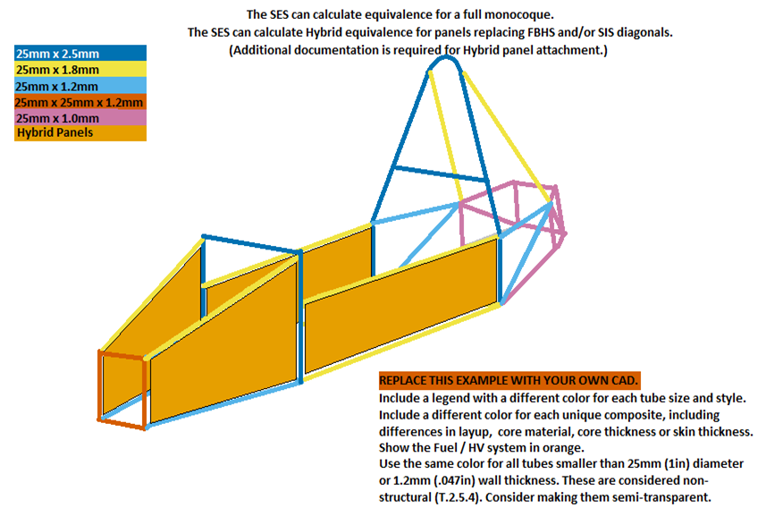
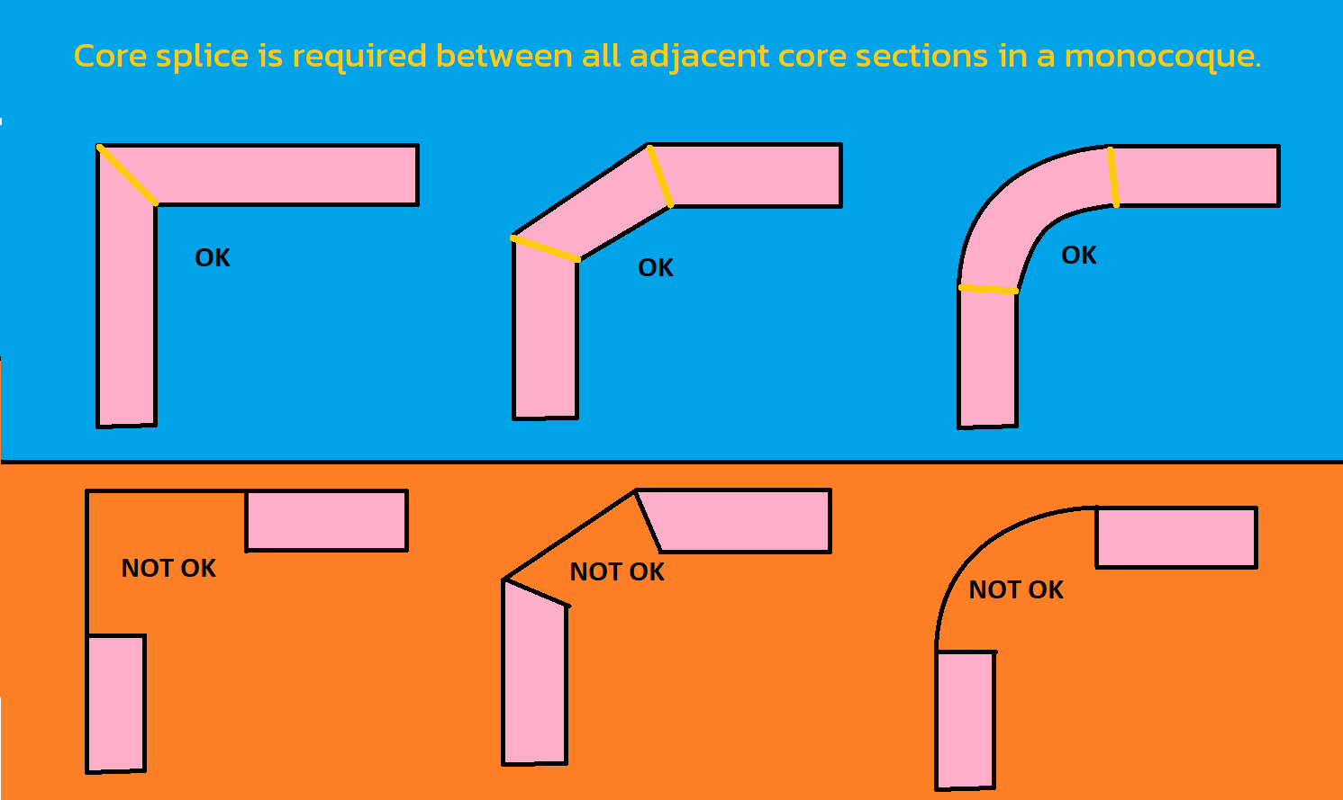
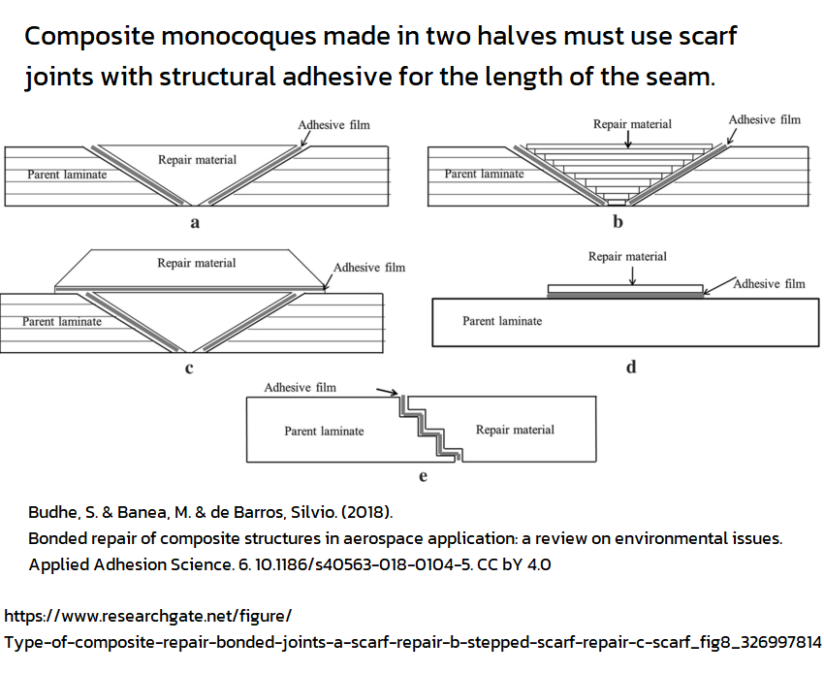
Note: Forces are given in Pa, not Mpa or Gpa. |  |  |  |  |  |  |  | Tested | Tested | Tested |  |  |  | TABLE GENERATED ACROSS ALL TABS |  |  |  |  | TEST PANEL |  |  |  | MONOCOQUE PANEL |  |  | Legend Color |  |  |  |  |  |  |  |  |  |  |  |  |  |  |  |  |  |  |  |  |  |  |  |  |  |  |  |  |  |  |  |  |  |  |  |  |  |  |  |  |  |  |  |  |  |  |  | Panel | Tested | Tested | Size A | Size B | Size C | Size D
Material |  | E (Pa) |  | S_Ultimate (Pa) |  | Shear (Pa) |  | Core | Outer | Inner |  |  | SUMMARY |  |  | Material Entered |  | Core | Outer | Inner | Panel | Core | Outer | Inner | Panel |  |  |  |  |  |  |  |  |  |  |  |  |  |  |  |  |  |  |  |  |  |  |  |  |  |  |  |  |  |  |  |  |  |  |  |  |  |  |  |  |  |  |  |  |  |  |  |  | Energy | (I) | (r) | Energy | (L) 400mm | (d) 19mm | Energy
F.3.4.2 Steel |  | 2.00E+11 |  | 3.65E+08 |  | 2.11E+08 |  | mm | mm | mm |  |  | Anti-Intrusion: | BLANK |  | mm |  |  |  |  | 0 |  |  |  | 0 | Best practice: Line up color legend here with table to the left. |  |  |  |  |  |  |  |  |  |  |  |  |  |  |  |  |  |  |  |  |  |  |  |  |  |  |  |  |  |  |  |  |  |  |  |  |  |  |  |  |  |  |  |  |  |  |  | J | m^4 | m | J | J | J | J
RENAME F.4.2 Composite |  | #DIV/0! |  | #DIV/0! |  | 0.00E+00 |  | 0 | 0 | 0 | BLANK |  | Front Bulkhead: | BLANK |  | x |  |  |  |  | 0 |  |  |  | 0 |  |  |  |  |  |  |  |  |  |  |  |  |  |  |  |  |  |  |  |  |  |  |  |  |  |  |  |  |  |  |  |  |  |  |  |  |  |  |  |  |  |  |  |  |  |  |  |  | 0.00 | #DIV/0! | #DIV/0! | #VALUE! | #VALUE! | #VALUE! | #VALUE!
 |  |  |  |  |  |  |  |  |  |  |  |  | FBHS: | BLANK |  | RENAME F.4.2 Composite |  |  |  |  | 0 | 0 | 0 | 0 | 0
 |  |  |  |  |  |  |  |  |  |  |  |  | Forward FHB: | BLANK |  | x |  |  |  |  | 0 |  |  |  | 0
 |  |  |  |  |  |  |  |  |  |  |  |  | Front Hoop: | BLANK |  | x |  |  |  |  | 0 |  |  |  | 0
 |  |  |  |  |  |  |  |  |  |  |  |  |  |  |  |  |  |  |  |  | 0 |  |  |  | 0
 |  |  |  |  |  |  |  |  |  |  |  |  |  |  |  |  |  |  |  |  | 0 |  |  |  | 0 |  |  |  | Repeat Front 3/4 3D CAD with color coded tube sizes / layups. |  |  |  |  |  |  |  |  |  |  |  |  | Repeat Rear 3/4 3D CAD with color coded tube sizes / layups. |  |  |  |  |  |  |  |  |  |  |  |  | Repeat Side View CAD with color coded tube sizes / layups. |  |  |  |  |  |  |  |  |  |  |  | Repeat Top View CAD with color coded tube sizes / layups.
 |  |  |  |  |  |  |  |  |  |  |  |  |  |  |  |  |  |  |  |  | 0 |  |  |  | 0
 |  |  |  |  |  |  |  |  |  |  |  |  |  |  |  |  |  |  |  |  | 0 |  |  |  | 0 |  |  |  | Use different colors for square and round. |  |  |  |  |  |  |  |  |  |  |  |  | Use different colors for square and round. |  |  |  |  |  |  |  |  |  |  |  |  | Use different colors for square and round. |  |  |  |  |  |  |  |  |  |  |  | Use different colors for square and round.
 |  |  |  |  |  |  |  |  |  |  |  |  | SIS Vertical: | BLANK |  | RENAME F.4.2 Composite |  |  |  |  | 0 | 0 | 0 | 0 | 0
 |  |  |  |  |  |  |  |  |  |  |  |  | SIS Floor: | EQ |  | RENAME F.4.2 Composite |  |  |  |  | 0 | 0 | 0 | 0 | 0 |  |  |  | Include a legend that shows each color and size. |  |  |  |  |  |  |  |  |  |  |  |  | Include a legend that shows each color and size. |  |  |  |  |  |  |  |  |  |  |  |  | Include a legend that shows each color and size. |  |  |  |  |  |  |  |  |  |  |  | Include a legend that shows each color and size.
 |  |  |  |  |  |  |  |  |  |  |  |  |  |  |  |  |  |  |  |  | 0 |  |  |  | 0
 |  |  |  |  |  |  |  |  |  |  |  |  | Main Hoop: | BLANK |  | Steel x Round |  |  |  |  | 0 |  |  |  | 0 |  |  |  | Fuel tank, HV systems, pressurized tanks shown in orange. |  |  |  |  |  |  |  |  |  |  |  |  | Fuel tank, HV systems, pressurized tanks shown in orange. |  |  |  |  |  |  |  |  |  |  |  |  | Fuel tank, HV systems, pressurized tanks shown in orange. |  |  |  |  |  |  |  |  |  |  |  | Fuel tank, HV systems, pressurized tanks shown in orange.
 |  |  |  |  |  |  |  |  |  |  |  |  |  |  |  |  |  |  |  |  | 0 |  |  |  | 0
 |  |  |  |  |  |  |  |  |  |  |  |  |  |  |  |  |  |  |  |  | 0 |  |  |  | 0
 |  |  |  |  |  |  |  |  |  |  |  |  |  |  |  |  |  |  |  |  | 0 |  |  |  | 0
 |  |  |  |  |  |  |  |  |  |  |  |  | Shoulder Harness: | BLANK |  | Steel x |  |  |  |  | 0 |  |  |  | 0
 |  |  |  |  |  |  |  |  |  |  |  |  |  |  |  |  |  |  |  |  | 0 |  |  |  | 0
BLANK |  |  | Copy as many F.4.2 Composite testing tabs as necessary for unique layups. |  |  |  |  |  |  |  |  |  | Main Hoop Braces: | BLANK |  | Steel x |  |  |  |  | 0 |  |  |  | 0
 |  |  | Match tab and material list names. No need to use "F.4.2 Composite" in the name. |  |  |  |  |  |  |  |  |  |  |  |  |  |  |  |  |  | 0 |  |  |  | 0
Sections at 95% to 100% EQ will receive extra scrutiny. |  |  | SCROLL UP IF LAYUP USED DROPDOWN APPEARS BLANK |  |  |  |  |  |  |  |  |  | MHBS: | BLANK |  | x |  |  |  |  | 0 |  |  |  | 0
 |  |  | Core thickness may be scaled between 100% and 50% of tested thickness. |  |  |  |  |  |  |  |  |  | Acc. Side Protect: | BLANK |  | x |  |  |  |  | 0 |  |  |  | 0
mm |  |  | Core must maintain the same material. Honeycombs must also maintain wall and cell size. |  |  |  |  |  |  |  |  |  | Trac. Side Protect: | BLANK |  | x |  |  |  |  | 0 |  |  |  | 0
 |  |  | Doubled skin must repeat the whole layup. Ignored reinforcement must be outside EQ layups. |  |  |  |  |  |  |  |  |  | Rear Bulkhead: | BLANK |  | RENAME F.4.2 Composite |  |  |  |  | 0 |  |  |  | 0
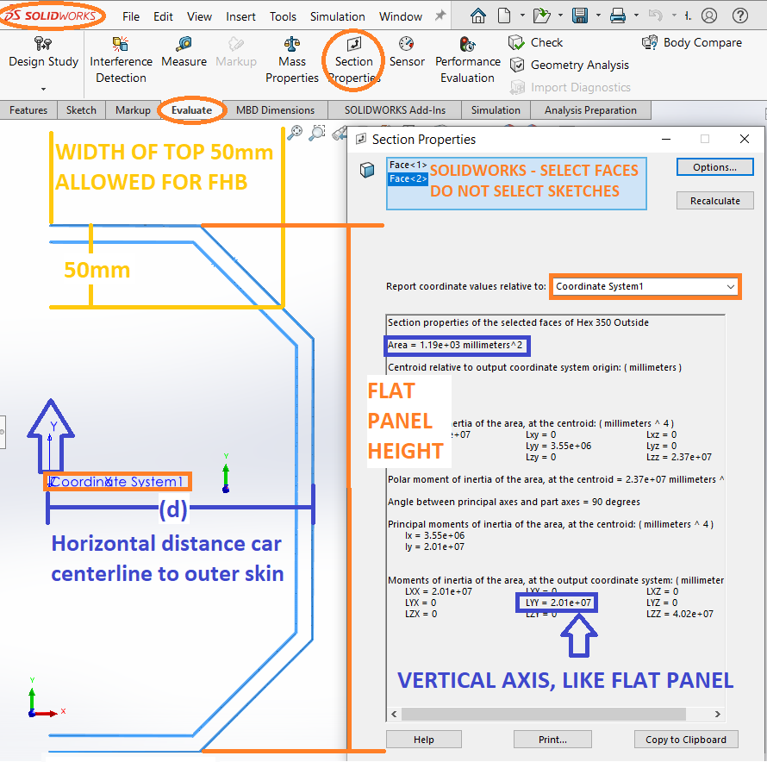
 |  |  |  |  |  |  |  |  |  |  |  |  |  |  |  |  |  |  |  |  |  | HIGHLIGHTED TABS SHOW CORE CHANGES, OR INCORRECTLY SCALED SKINS
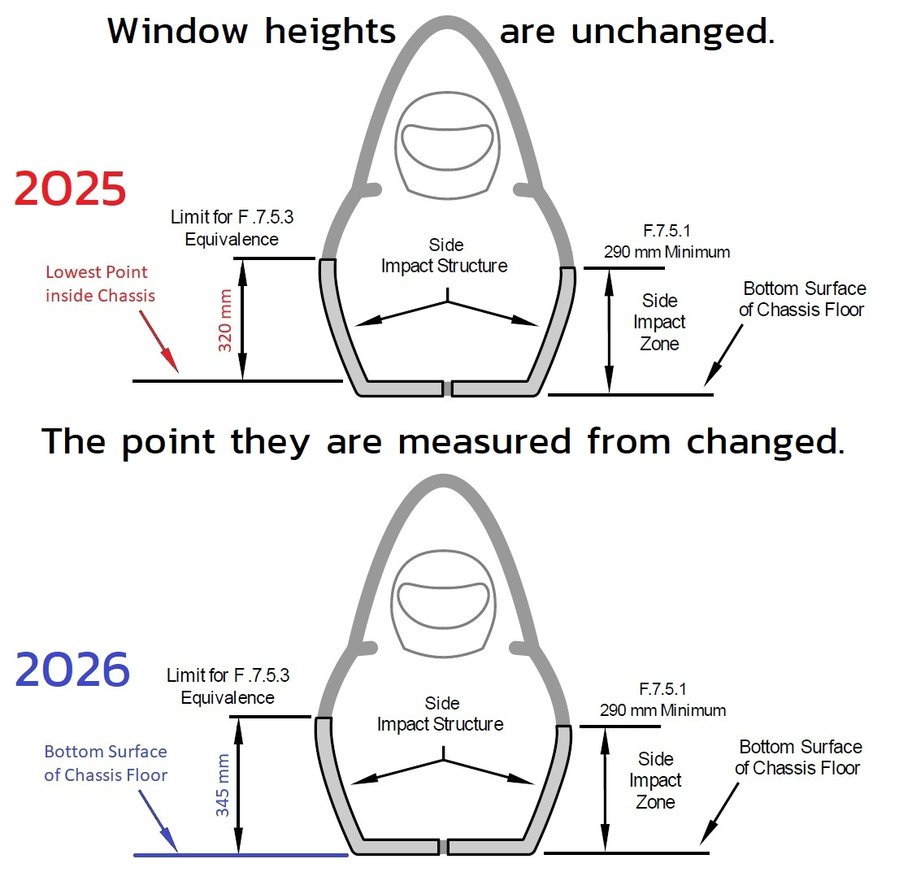

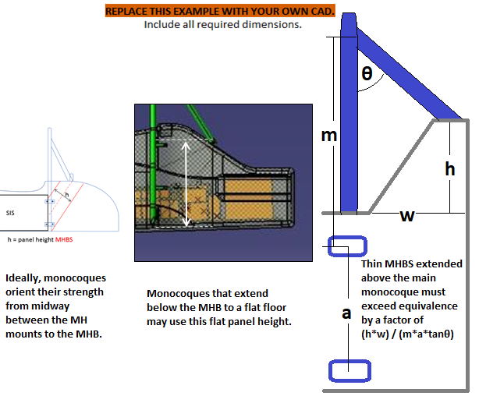

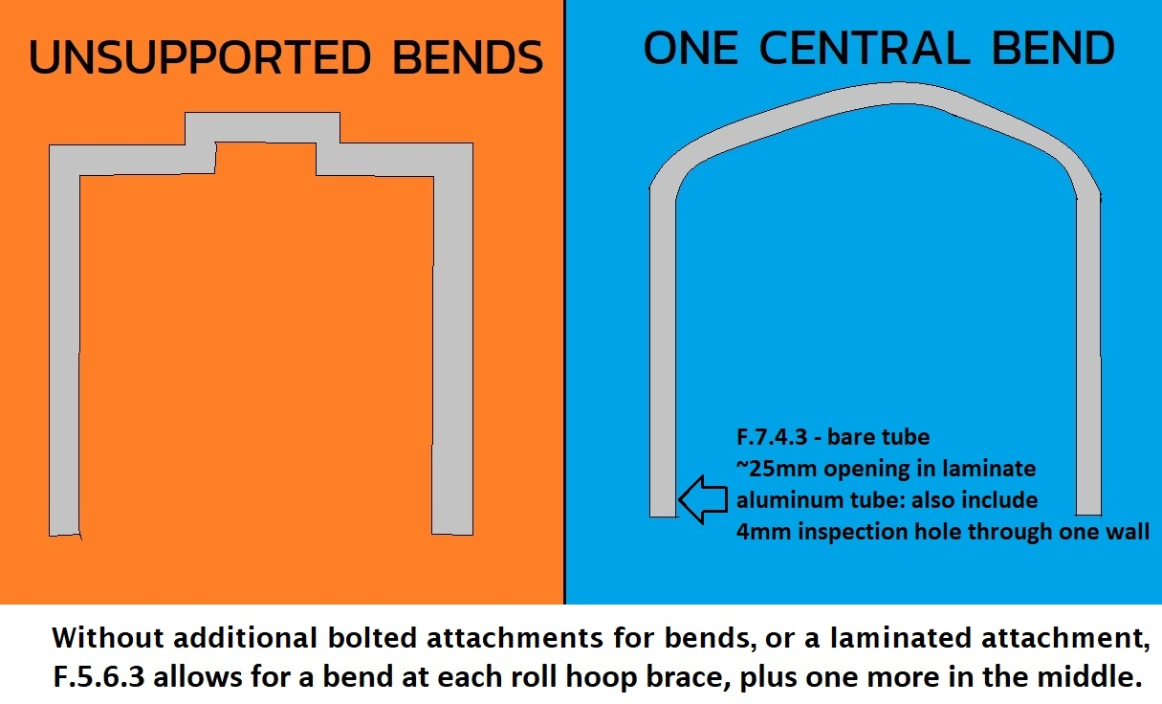

 |  |  |  |  |  |  |  |  |  |  |  |  |  |  |  |  |  |  |  |  |  |  |  |  |  |  |  |  |  |  |  |  |  |  |  |  |  |  |  |  |  |  |  |  |  |  |  |  |  |  |  |  |  |  |  |  |  |  |  |  |  |  |  |  | Repeat Bottom View CAD with color coded tube sizes / layups.

 |  |  |  |  |  |  |  |  |  |  |  |  |  |  |  |  |  |  |  |  |  |  |  |  |  |  |  |  |  |  |  |  |  |  |  |  |  |  |  |  |  |  |  |  |  |  |  |  |  |  |  |  |  |  |  |  |  |  |  |  |  |  |  |  | Use different colors for square and round.
FBHS CAD with dimensions required. |  |  |  |  |  |  |  |  |  | FHB CAD with dimensions required. |  |  |  |  |  |  |  |  |  | SIS CAD with dimensions required. |  |  |  |  |  |  |  |  | MHBS CAD with dimensions required. |  |  |  |  |  |  |  |  | Tractive Battery Side Protection with dimensions. |  |  |  |  |  |  |  |  | Tractive Side Protection CAD with dimensions. |  |  |  |  |  |  |  |  | Rear Bulkhead CAD with dimensions required.
 |  |  |  |  |  |  |  |  |  |  |  |  |  |  |  |  |  |  |  |  |  |  |  |  |  |  |  |  |  |  |  |  |  |  |  |  |  |  |  |  |  |  |  |  |  |  |  |  |  |  |  |  |  |  |  |  |  |  |  |  |  |  |  |  | Include a legend that shows each color and size.
Show skin and core thickness, height, depth, and skin moment of inertia. |  |  |  |  |  |  |  |  |  | Show skin and core thickness, height, depth, and skin moment of inertia. |  |  |  |  |  |  |  |  |  | Show skin and core thickness, height, depth, and skin moment of inertia. |  |  |  |  |  |  |  |  | Show skin and core thickness, height, depth, and skin moment of inertia. |  |  |  |  |  |  |  |  |  |  |  |  | FEA is not accepted in the SES. |  |  |  |  | Must be within Rollover Protection Envelope.
 |  |  |  |  |  |  |  |  |  |  |  |  |  |  |  |  |  |  |  |  |  |  |  |  |  |  |  |  |  |  |  |  |  |  |  |  |  |  |  |  |  |  |  |  |  |  |  |  |  |  |  |  |  |  |  |  |  |  |  |  |  |  |  |  | Fuel tank, HV systems, pressurized tanks shown in orange.
 |  |  |  |  |  |  |  |  |  |  |  |  |  |  |  |  |  |  |  |  |  |  |  |  |  |  |  |  |  |  |  |  |  |  |  |  |  |  |  |  |  |  |  |  |  |  |  |  |  |  | FEA is not accepted in the SES. |  |  |  |  |  |  |  |  | FEA is not accepted in the SES.

 |  |  |  | FEA is not accepted in the SES. |  |  |  |  |  |  |  |  |  | FEA is not accepted in the SES. |  |  |  |  |  |  |  |  |  | FEA is not accepted in the SES. |  |  |  |  |  |  |  |  | FEA is not accepted in the SES.
 |  |  |  |  |  |  |  |  |  |  |  |  |  |  |  |  |  |  |  |  |  |  |  | F.7.1.3 Corners between panels used for equivalence must contain core. |  |  |  |  |  |  |  |  | F.7.1.3 Corners between panels used for equivalence must contain core.
 |  |  |  | F.7.1.3 Corners between panels used for equivalence must contain core. |  |  |  |  |  |  |  |  |  | F.7.1.3 Corners between panels used for equivalence must contain core. |  |  |  |  |  |  |  |  |  |  |  |  |  |  |  |  |  |  |  |  |  |  |  |  |  |  |  | F.7.1.3 Corners between panels used for equivalence must contain core. |  |  |  |  |  |  |  |  | F.7.1.3 Corners between panels used for equivalence must contain core. |  |  |  |  |  |  |  |  | F.7.1.3 Corners between panels used for equivalence must contain core.
 |  |  |  |  |  |  |  |  |  |  |  |  |  |  |  |  |  |  |  |  |  |  |  | No side view openings between MH and FH. Attachments are not openings. |  |  |  |  |  |  |  |  | Select the minimum or average cross section for the MHBS.
 |  |  |  | Select the minimum or average cross section for the FBHS. |  |  |  |  |  |  |  |  |  | Select the minimum or average cross section for the FBH. |  |  |  |  |  |  |  |  |  | No inspection hole through panel as in other sections. |  |  |  |  |  |  |  |  | Minimize panel bending by locating MHB mounts near corners. |  |  |  |  |  |  |  |  | Select the minimum or average cross section for the Tractive Battery protection. |  |  |  |  |  |  |  |  | Select the minimum or average cross section for the Tractive protection. |  |  |  |  |  |  |  |  | Select the minimum or average cross section for the Rear Bulkhead.
 |  |  |  | Access holes or single skins are not counted, and usually create the minimum cross section. |  |  |  |  |  |  |  |  |  | Access holes or single skins are not counted, and usually create the minimum cross section. |  |  |  |  |  |  |  |  |  |  |  |  |  |  |  |  |  |  | Cross sectional equivalence cannot include the area between the two MHB mounts. |  |  |  |  |  |  |  |  | Access holes or single skins are not counted, and usually create the minimum cross section. |  |  |  |  |  |  |  |  | Access holes or single skins are not counted, and usually create the minimum cross section. |  |  |  |  |  |  |  |  | Access holes or single skins are not counted, and usually create the minimum cross section.
 |  |  |  | Treat sharp cross sectional discontinuities (example: damper cutouts) like holes. |  |  |  |  |  |  |  |  |  | Treat sharp cross sectional discontinuities (example: damper cutouts) like holes. |  |  |  |  |  |  |  |  |  | Select the minimum or average cross sectional height for the vertical panel. |  |  |  |  |  |  |  |  |  |  |  |  |  |  |  |  |  | Treat sharp cross sectional discontinuities (example: damper cutouts) like holes. |  |  |  |  |  |  |  |  | Treat sharp cross sectional discontinuities (example: damper cutouts) like holes. |  |  |  |  |  |  |  |  | Treat sharp cross sectional discontinuities (example: damper cutouts) like holes.
 |  |  |  |  |  |  |  |  |  |  |  |  |  |  |  |  |  |  |  |  |  |  |  | FLOOR BETWEEN FH/MH MUST USE MINIMUM, SUBTRACT ALL OPENINGS AND SINGLE SKINS.
 |  |  |  | In metric, make sure to convert from m^2 to mm^2 and from m^4 to mm^4. |  |  |  |  |  |  |  |  |  | In metric, make sure to convert from m^2 to mm^2 and from m^4 to mm^4. |  |  |  |  |  |  |  |  |  |  |  |  |  |  |  |  |  |  |  |  |  |  |  |  |  |  |  | In metric, make sure to convert from m^2 to mm^2 and from m^4 to mm^4. |  |  |  |  |  |  |  |  | In metric, make sure to convert from m^2 to mm^2 and from m^4 to mm^4. |  |  |  |  |  |  |  |  | In metric, make sure to convert from m^2 to mm^2 and from m^4 to mm^4.
 |  |  |  |  |  |  |  |  |  |  |  |  |  |  |  |  |  |  |  |  |  |  |  |  |  |  |  |  |  |  |  |  | Shoulder Harness is a vertical cross section generally along the centerline of the monocoque.
 |  |  |  | FBHS and FHB assumes symmetry, and compares half-monocoque to one side worth of tubes. |  |  |  |  |  |  |  |  |  | FBHS and FHB assumes symmetry, and compares half-monocoque to one side worth of tubes. |  |  |  |  |  |  |  |  |  | SIS assumes symmetry, and compares half-monocoque to one side worth of tubes. |  |  |  |  |  |  |  |  | MHBS assumes symmetry, and compares half-monocoque to one side worth of tubes. |  |  |  |  |  |  |  |  | HV Protection assumes symmetry, and compares half-monocoque to one side worth of tubes. |  |  |  |  |  |  |  |  | HV Protection assumes symmetry, and compares half-monocoque to one side worth of tubes. |  |  |  |  |  |  |  |  | Compares panel to three tubes in the required size (depending on Tractive Battery proximity.) |  |  |  |  |  |  |  |  | Compares panel to three tubes in the required size (depending on Tractive Battery proximity.)
 |  |  |  | If additional images are necessary, they may be placed below each section. |  |  |  |  |  |  |  |  |  | If additional images are necessary, they may be placed below each section. |  |  |  |  |  |  |  |  |  | If additional images are necessary, they may be placed below each section. |  |  |  |  |  |  |  |  | If additional images are necessary, they may be placed below each section. |  |  |  |  |  |  |  |  | Additional images may be placed below each section. |  |  |  |  |  |  |  |  | Additional images may be placed below each section. |  |  |  |  |  |  |  |  | Additional images may be placed below each section. |  |  |  |  |  |  |  |  | Additional images may be placed below each section.
BLANK |  | Front Bulkhead Supports (FBHS) |  |  |  |  |  |  |  | BLANK |  | Front Hoop Braces (FHB) |  |  |  |  |  |  |  | BLANK |  | Side Impact Structure (SIS) |  |  |  |  |  |  | BLANK |  | Main Hoop Brace Support (MHBS) |  |  |  |  |  |  | BLANK |  | Tractive Battery Side Protection |  |  |  |  |  |  | BLANK |  | Rear Bulkhead Support |  |  |  |  |  |  | BLANK |  | Rear Of Monocoque |  |  |  |  |  |  | BLANK |  | Diagonal Or Removable Rear Panel

 |  |  |  |  |  |  |  |  |  |  |  |  |  |  |  |  |  |  |  | F.7.5.2 | The Side Impact Zone must be equivalent to 3 x Size B tubes.
BLANK |  |  |  |  |  |  |  |  |  |  |  |  |  | The height(d) of the moncoque comparison for Forward FHB must not exceed 50mm. |  |  |  |  |  | F.7.5.3 | F.4.4 | The vertical SIS, calculated as a flat panel, must be >= two SIS tubes. |  |  |  |  |  |  | F.7.8.9 | Core must create continous monocoque load paths integrating the entire perimeter |  |  |  |  |  |  |  | F.11.1.1 | F.1.11 | Tractive Batteries must be within the Primary Structure. |  |  |  |  |  |  | F.11.1.3 | F.1.13 | Inboard HV Components must be within the Rollover Protection Envelope. |  |  |  |  |  |  | F.11.3.2 | The rear bulkhead must intersect the F.6.4.4 window across the length of the car. |  |  |  |  |  |  |  | BLANK
F.7.3 |  |  |  |  | Front Bulkhead Support Construction: | 0 |  | EQ |  | BLANK |  |  |  |  |  |  |  |  |  | F.7.5.4 | F.4.4 | Half the floor, calculated as a flat panel, may be added for third tube EQ. |  |  |  |  |  |  | of Harness Attachments, Roll Hoop Mounts, and Roll Hoop Brace Mounts into the monocoque. |  |  |  |  |  |  |  |  | F.1.10 | Tractive Battery protection is part of the Primary Structure |  |  |  |  |  |  |  | F.11.3.6 | HV Components and mounts must be forward of the rear plane of the Rear Bulkhead. |  |  |  |  |  |  |  | The RB may be >345mm above the SIS Bottom, but no structure >345mm counts towards equivalence. |  |  |  |  |  |  |  |  |  |  |  |  |  | Size B Steel Tubes Replaced: | 0 |  | EQ
 |  |  |  |  | Size C Steel Tubes Replaced On One Side: | 0 |  | EQ |  | F.6.3 |  |  |  |  | Front Hoop Brace Construction: | 0 |  | N/A |  | F.7.5.1 | The SIS top edge must be >= 290mm above the BOTTOM of the SIS floor. |  |  |  |  |  |  |  |  |  |  |  |  |  |  |  |  |  |  |  |  |  |  |  |  |  | EV.4.1.3 | Outboard wheel motors are the exception. Cables must exit ahead of FH, behind MH. |  |  |  |  |  |  |  | F.11.3.3 | Rear bulkhead verticality tolerance: +/- Panel thickness longitudinally. |  |  |  |  |  |  |  |  |  |  |  |  | Diagonal Or Removable Panel Layup Used: | RENAME F.4.2 Composite |  | EQ
 |  |  |  |  | Layup Used: | RENAME F.4.2 Composite |  | EQ |  |  |  |  |  |  | Size B Steel Tubes Replaced On One Side: | 0 |  | N/A |  | F.7.5.3 | 345mm panel height above the BOTTOM of the SIS floor is the max available for equivalence. |  |  |  |  |  |  |  | BLANK |  |  |  |  |  |  |  |  | F.11.2.3 | The entire top edge of the Tractive Battery protection must be at least 290mm above the |  |  |  |  |  |  |  | F.11.2.3 | The entire top edge of the HV System protection must be at least 290mm above the |  |  |  |  |  |  |  | As with the Front Bulkhead, up to 25mm in front of the rear panel may be included in I_vertical. |  |  |  |  |  |  |  |  |  |  |  |  |  |  | Monocoque |  | EQ
 |  |  |  |  |  | Monocoque |  | EQ |  |  |  |  |  |  | Layup Used: | RENAME F.4.2 Composite |  | N/A |  | Structure above 345mm is encouraged. |  |  |  |  |  |  |  |  | F.3.1.1i |  |  |  |  | Main Hoop Brace Support Construction: | 0 |  | EQ | BOTTOM of the SIS floor, or reach the top of the Tractive Battery assembly, whichever is lower. |  |  |  |  |  |  |  |  | BOTTOM of the SIS floor, or reach the top of the Tractive Battery assembly, whichever is lower. |  |  |  |  |  |  |  |  |  |  |  |  |  |  |  |  |  | F.4.2.2.d |  | 50% < Core < 100%: | 100.00% |  | Core thickness: |  | mm | BLANK
F.4.2.2.d |  | 50% < Core < 100%: | 100.00% |  | Core thickness: |  | mm | BLANK |  |  |  |  |  |  |  | Monocoque |  | N/A |  |  |  |  |  |  |  |  |  |  |  |  |  |  |  | Size C Steel Tubes Replaced On One Side: | 0 |  | EQ |  |  |  |  |  |  |  |  |  |  |  |  |  |  |  |  |  |  | The equivalence of a removable panel and the rear of the monocoque will be added together. |  |  |  |  |  |  |  |  |  |  | Scaling option, layup repeats: |  |  | Outer skin thickness: | 0 | mm | EQ
 |  | Scaling option, layup repeats: |  |  | Outer skin thickness: | 0 | mm | EQ |  | F.4.2.2.d |  | 50% < Core < 100%: | 100.00% |  | Core thickness: |  | mm | N/A |  | T.5.5.4 | Monocoque floors under a fuel tank require two or more 25mm drains in front of the tank. |  |  |  |  |  |  |  |  |  |  |  |  | Layup Used: | RENAME F.4.2 Composite |  | EQ | BLANK |  |  |  |  |  |  |  |  | BLANK |  |  |  |  |  |  |  |  | Bolted joints >120kN are required if a removable panel is used. |  |  |  |  |  |  |  |  |  |  | Scaling option, layup repeats: |  |  | Inner skin thickness: | 0 | mm | EQ
 |  | Scaling option, layup repeats: |  |  | Inner skin thickness: | 0 | mm | EQ |  |  |  | Scaling option, layup repeats: |  |  | Outer skin thickness: | 0 | mm | EQ |  |  |  |  |  | FLOOR BETWEEN FH/MH MUST USE MINIMUM, SUBTRACT ALL OPENINGS AND SINGLE SKINS. |  |  |  |  |  |  |  |  |  |  | Monocoque |  | EQ | T.1.6.3.b |  |  |  |  | Air gap to driver's seat >=25mm: |  | mm | BLANK |  |  |  |  | EV motor location: |  |  |  | BLANK |  |  |  |  |  |  |  |  |  |  |  |  |  |  | Panel thickness: | 0 | mm | EQ
 |  |  |  |  | Panel thickness: | 0 | mm | EQ |  |  |  | Scaling option, layup repeats: |  |  | Inner skin thickness: | 0 | mm | EQ |  | BLANK |  |  |  |  |  |  |  |  | F.4.2.2.d |  | 50% < Core < 100%: | 100.00% |  | Core thickness: |  | mm | BLANK |  |  |  |  |  |  |  |  |  |  |  |  |  |  |  |  |  |  | BLANK |  |  |  |  |  |  |  |  |  |  |  |  |  | Rear View Height (Minus holes and single skins): |  | mm | BLANK
 |  |  |  |  | Side View Height (Minus holes and single skins): |  | mm | BLANK |  |  |  |  |  |  | Panel thickness: | 0 | mm | N/A |  | F.7.5.3.b |  |  |  |  | Side Impact Vertical Requirements: | Hybrid |  | EQ |  |  | Scaling option, layup repeats: |  |  | Outer skin thickness: | 0 | mm | EQ | BLANK |  |  |  |  |  |  |  |  | BLANK |  |  |  |  |  |  |  |  |  |  |  |  |  | Rear Of Chassis: | 0 |  | EQ | OPTION - Second Moment, Surpassing Flat Panel, CLEAR CELLS IF NOT USED |  |  |  |  |  |  |  | EQ
OPTION - Half Car Second Moment, Surpassing Flat Panel, CLEAR CELLS IF NOT USED |  |  |  |  |  |  |  | N/A |  |  |  |  |  |  | Half Car Width (Minus holes and single skins): |  | mm | N/A |  |  |  |  |  |  | Size B Steel Tubes Replaced On One Side: | 0 |  | EQ |  |  | Scaling option, layup repeats: |  |  | Inner skin thickness: | 0 | mm | EQ | F.11.2.1 |  |  |  |  | Tractive Battery Side Protection: | 0 |  | EQ | F.11.2.3 |  |  |  |  | Tractive Side Protection Construction: | 0 |  | EQ |  |  |  |  |  | Lowest edge of SIS floor to top of Rear Bulkhead >=290mm: |  | mm | BLANK |  |  |  |  |  | Car centerline composite cross sectional area (skin only, no core): |  | mm^2 | N/A
 |  |  |  |  | Half-car composite cross sectional area (skin only, no core): |  | mm^2 | N/A |  | OPTION - Half Car Second Moment, Surpassing Flat Panel, CLEAR CELLS IF NOT USED |  |  |  |  |  |  |  | N/A |  |  |  |  |  |  | Side Impact Vertical Layup Used: | RENAME F.4.2 Composite |  | EQ |  |  |  |  |  | Panel thickness: | 0 | mm | EQ |  |  |  |  |  | Size B Steel Tubes Replaced On One Side: | 0 |  | EQ |  |  |  |  |  | Size B Steel Tubes Replaced On One Side: | 0 |  | EQ | F.11.3.1.a |  |  |  |  | Min distance from Tractive Battery to Rear Bulkhead? |  | mm | BLANK |  |  |  |  |  | Half car composite cross-section depth (d): |  | mm | N/A
 |  |  |  |  | Half car composite cross-section depth (d): |  | mm | N/A |  |  |  |  |  |  | Half-car composite cross sectional area (skin only, no core): |  | mm^2 | N/A |  |  |  |  |  |  |  | Monocoque |  | EQ |  |  |  |  |  | Side View Height (Minus holes and single skins): |  | mm | BLANK |  |  |  |  |  | Layup Used: | RENAME F.4.2 Composite |  | EQ |  |  |  |  |  | Layup Used: | RENAME F.4.2 Composite |  | EQ |  |  | Size B | required for F.11.2.1 Tractive Battery protection. |  |  |  |  | EQ |  |  |  |  |  | Rectangle I_vertical estimation: | 0.00E+00 | mm^4 | N/A
 |  |  |  |  | Rectangle I_vertical estimation: | 0.00E+00 | mm^4 | N/A |  |  |  |  |  |  | Half-car composite cross section height (d): |  | mm | N/A |  | F.4.2.2.d |  | 50% < Core < 100%: | 100.00% |  | Core thickness: |  | mm | BLANK | OPTION - Half Car Second Moment, Surpassing Flat Panel, CLEAR CELLS IF NOT USED |  |  |  |  |  |  |  | N/A |  |  |  |  |  |  | Monocoque |  | EQ |  |  |  |  |  |  | Monocoque |  | EQ |  |  |  |  |  | Rear Bulkhead, rearmost composite portion: |  |  | BLANK |  |  |  |  |  | Car centerline composite area moment (I_vertical): |  | mm^4 | N/A
 |  |  |  |  | Half-car composite area moment about car center (I_vertical): |  | mm^4 | N/A |  |  |  |  |  |  | Rectangle I_horizontal estimation: | 0.00E+00 | mm^4 | N/A |  |  |  | Scaling option, layup repeats: |  |  | Outer skin thickness: | 0 | mm | EQ |  |  |  |  |  | Half-car composite cross sectional area (skin only, no core): |  | mm^2 | N/A | F.4.2.2.d |  | 50% < Core < 100%: | 100.00% |  | Core thickness: |  | mm | BLANK | F.4.2.2.d |  | 50% < Core < 100%: | 100.00% |  | Core thickness: |  | mm | BLANK |  |  |  |  |  |  |  |  |  | Offset |  |  |  |  | Area Moment I_vertical >= Iflat + Aflat*d^2 (m^4): | #VALUE! | #VALUE! | N/A
Offset |  |  |  |  | Area Moment I_vertical >= Iflat + Aflat*d^2 (m^4): | #VALUE! | #VALUE! | N/A |  |  |  |  |  |  | Half-car composite area moment about car centerline (I_vertical): |  | mm^4 | N/A |  |  |  | Scaling option, layup repeats: |  |  | Inner skin thickness: | 0 | mm | EQ |  |  |  |  |  | Half car composite cross-section depth (d): |  | mm | N/A |  |  | Scaling option, layup repeats: |  |  | Outer skin thickness: | 0 | mm | EQ |  |  | Scaling option, layup repeats: |  |  | Outer skin thickness: | 0 | mm | EQ | EQ |  |  |  |  |  |  |  |  | Offset |  |  |  |  | Area Moment I_vertical >= Itube + Atube*d^2 (m^4): | 0.00E+00 |  | EQ
Offset |  |  |  |  | Area Moment I_vertical >= Itube + Atube*d^2 (m^4): | 0.00E+00 |  | EQ |  | Offset |  |  |  |  | Area Moment I_lateral >= Iflat + Aflat*d^2 (m^4): | #VALUE! | #VALUE! | N/A |  |  |  |  |  |  | Panel thickness: | 0 | mm | EQ |  |  |  |  |  | Rectangle I_vertical estimation: | 0.00E+00 | mm^4 | N/A |  |  | Scaling option, layup repeats: |  |  | Inner skin thickness: | 0 | mm | EQ |  |  | Scaling option, layup repeats: |  |  | Inner skin thickness: | 0 | mm | EQ |  |  |  |  |  | Size B Steel Tubes Replaced: | 0 |  | N/A |  |  |  |  |  | (I) for comparison = MAX (offset * Itube, offset * Iflat): |  | #VALUE! | EQ
 |  |  |  |  | (I) for comparison = MAX (offset * Itube, offset * Iflat): |  | #VALUE! | EQ |  | Offset |  |  |  |  | Area Moment I_lateral >= Itube + Atube*d^2 (m^4): | 0.00E+00 |  | EQ |  | F.4.4 |  |  |  |  | Side View Height (From BOTTOM of SIS floor): |  | mm | BLANK |  |  |  |  |  | Half-car composite area moment about car centerline (I_vertical): |  | mm^4 | N/A |  |  |  |  |  | Panel thickness: | 0 | mm | EQ |  |  |  |  |  | Panel thickness: | 0 | mm | EQ |  |  |  |  |  | Rear Of Chassis Layup Used: | RENAME F.4.2 Composite |  | N/A |  |  |  | x Steel Tube |  | Flat (h) | I_vertical |  | EQ
 |  |  | 0 x Size C Steel Tube |  | Flat (h) | I_vertical |  | EQ |  |  |  |  |  |  | (I) for comparison = MAX (offset * Itube, offset * Iflat): |  | #VALUE! | EQ |  |  |  |  |  | 0 x Size B Steel Tube |  | Flat (h) |  | EQ | Offset |  |  |  |  | Area Moment I_vertical >= Iflat + Aflat*d^2 (m^4): | #VALUE! | #VALUE! | N/A |  |  |  |  |  | Side View Height (Minus holes and single skins): |  | mm | BLANK |  |  |  |  |  | Side View Height (Minus holes and single skins): |  | mm | BLANK |  |  |  |  |  |  | Monocoque |  | N/A | F.3.4.1 |  |  | Cross sectional area (A): | 0.00E+00 | 0.00E+00 |  | m^2 | EQ
F.3.4.1 |  |  | Cross sectional area (A): | 0.00E+00 | 0.00E+00 |  | m^2 | EQ |  |  |  |  | 0 x Size B Steel Tube |  | Flat (w) | I_vertical |  | EQ |  | F.3.4.1 |  |  |  | Cross sectional area (A): | 0.00E+00 | 0.00E+00 | m^2 | EQ | Offset |  |  |  |  | Area Moment I_vertical >= Itube + Atube*d^2 (m^4): | 0.00E+00 |  | EQ | OPTION - Half Car Second Moment, Surpassing Flat Panel, CLEAR CELLS IF NOT USED |  |  |  |  |  |  |  | EQ | OPTION - Half Car Second Moment, Surpassing Flat Panel, CLEAR CELLS IF NOT USED |  |  |  |  |  |  |  | EQ | F.4.2.2.d |  | 50% < Core < 100%: | 100.00% |  | Core thickness: |  | mm | N/A |  |  |  | Second moment of inertia (I): | 0.00E+00 |  |  | m^4 | EQ
 |  |  | Second moment of inertia (I): | 0.00E+00 |  |  | m^4 | EQ |  | F.3.4.1 |  |  | Cross sectional area (A): | 0.00E+00 | 0.00E+00 |  | m^2 | N/A |  |  |  |  |  | Second moment of inertia (I): | 0.00E+00 |  | m^4 | EQ |  |  |  |  |  | (I) for comparison = MAX (offset * Itube, offset * Iflat): |  | #VALUE! | EQ |  |  |  |  |  | Half-car composite cross sectional area (skin only, no core): |  | mm^2 | N/A |  |  |  |  |  | Half-car composite cross sectional area (skin only, no core): |  | mm^2 | N/A |  |  | Scaling option, layup repeats: |  |  | Outer skin thickness: | 0 | mm | N/A | F.3.4.2a |  |  | Young's Modulus (E): | 2.00E+11 | #DIV/0! | #DIV/0! | Pa | #DIV/0!
F.3.4.2.a |  |  | Young's Modulus (E): | 2.00E+11 | #DIV/0! | #DIV/0! | Pa | #DIV/0! |  |  |  |  | Second moment of inertia (I): | 0.00E+00 |  |  | m^4 | N/A |  | F.3.4.2a |  |  |  | Young's Modulus (E): | 2.00E+11 | #DIV/0! | Pa | #DIV/0! |  |  |  | 0 x Size C Steel Tube |  | Flat (h) | I_vertical |  | EQ |  |  |  |  |  | Half car composite cross-section depth (d): |  | mm | N/A |  |  |  |  |  | Half car composite cross-section depth (d): |  | mm | N/A |  |  | Scaling option, layup repeats: |  |  | Inner skin thickness: | 0 | mm | N/A |  |  |  | Ultimate Tensile Strength (S): | 3.65E+08 | #DIV/0! | #DIV/0! | Pa | #DIV/0!
 |  |  | Ultimate Tensile Strength (S): | 3.65E+08 | #DIV/0! | #DIV/0! | Pa | #DIV/0! |  | F.3.4.2.a |  |  | Young's Modulus (E): | 2.00E+11 | #DIV/0! | #DIV/0! | Pa | N/A |  |  |  |  |  | Ultimate Tensile Strength (S): | 3.65E+08 | #DIV/0! | Pa | #DIV/0! | F.3.4.1 |  |  | Cross sectional area (A): | 0.00E+00 | 0.00E+00 |  | m^2 | EQ |  |  |  |  |  | Rectangle I_vertical estimation: | 0.00E+00 | mm^4 | N/A |  |  |  |  |  | Rectangle I_vertical estimation: | 0.00E+00 | mm^4 | N/A |  |  |  |  |  | Panel thickness: | 0 | mm | N/A |  |  |  | Shear: | 2.11E+08 | 0.00E+00 | 0.00E+00 | Pa | BLANK
 |  |  | Shear: | 2.11E+08 | 0.00E+00 | 0.00E+00 | Pa | BLANK |  |  |  |  | Ultimate Tensile Strength (S): | 3.65E+08 | #DIV/0! | #DIV/0! | Pa | N/A |  |  |  |  |  | Shear: | 2.11E+08 | 0.00E+00 | Pa | BLANK |  |  |  | Second moment of inertia (I): | 0.00E+00 |  |  | m^4 | EQ |  |  |  |  |  | Half-car composite area moment about car centerline (I_vertical): |  | mm^4 | N/A |  |  |  |  |  | Half-car composite area moment about car centerline (I_vertical): |  | mm^4 | N/A |  |  |  |  |  | Rear View Height (Minus holes and single skins): |  | mm | N/A | Buckling Modulus |  |  | E_1*I_1 <= E_2*I_2: | 0.00E+00 | #DIV/0! | #DIV/0! | #DIV/0! | #DIV/0!
Buckling Modulus |  |  | E_1*I_1 <= E_2*I_2: | 0.00E+00 | #DIV/0! | #DIV/0! | #DIV/0! | #DIV/0! |  |  |  |  | Shear: | 2.11E+08 | 0.00E+00 | 0.00E+00 | Pa | BLANK |  | Buckling Modulus |  |  |  | E_1*I_1 <= E_2*I_2: | 0.00E+00 | #DIV/0! | #DIV/0! | #DIV/0! | F.3.4.2a |  |  | Young's Modulus (E): | 2.00E+11 | #DIV/0! | #DIV/0! | Pa | #DIV/0! | Offset |  |  |  |  | Area Moment I_vertical >= Iflat + Aflat*d^2 (m^4): | #VALUE! | #VALUE! | N/A | Offset |  |  |  |  | Area Moment I_vertical >= Iflat + Aflat*d^2 (m^4): | #VALUE! | #VALUE! | N/A | OPTION - Second Moment, Surpassing Flat Panel, CLEAR CELLS IF NOT USED |  |  |  |  |  |  |  | N/A | UTS |  |  | S_1*A_1 <= S_2*A_2: | 0.00E+00 | #DIV/0! | #DIV/0! | #DIV/0! | #DIV/0!
UTS |  |  | S_1*A_1 <= S_2*A_2: | 0.00E+00 | #DIV/0! | #DIV/0! | #DIV/0! | #DIV/0! |  | Buckling Modulus |  |  | E_1*I_1 <= E_2*I_2: | 0.00E+00 | #DIV/0! | #DIV/0! | #DIV/0! | N/A |  | UTS |  |  |  | S_1*A_1 <= S_2*A_2: | 0.00E+00 | #DIV/0! | #DIV/0! | #DIV/0! |  |  |  | Ultimate Tensile Strength (S): | 3.65E+08 | #DIV/0! | #DIV/0! | Pa | #DIV/0! | Offset |  |  |  |  | Area Moment I_vertical >= Itube + Atube*d^2 (m^4): | 0.00E+00 |  | EQ | Offset |  |  |  |  | Area Moment I_vertical >= Itube + Atube*d^2 (m^4): | 0.00E+00 |  | EQ |  |  |  |  |  | Car centerline composite cross sectional area (skin only, no core): |  | mm^2 | N/A | Bending |  |  | 4*S_1*I_1/r <= 4*S_2*I_2/r: | 0.00E+00 | #VALUE! | #DIV/0! | #VALUE! | #VALUE!
Bending |  |  | 4*S_1*I_1/r <= 4*S_2*I_2/r: | 0.00E+00 | #DIV/0! | #DIV/0! | #DIV/0! | #DIV/0! |  | UTS |  |  | S_1*A_1 <= S_2*A_2: | 0.00E+00 | #DIV/0! | #DIV/0! | #DIV/0! | N/A |  | Bending |  |  |  | 4*S_1*I_1/r <= 4*S_2*I_2/r: | 0.00E+00 |  |  | CHECK |  |  |  | Shear: | 2.11E+08 | 0.00E+00 | 0.00E+00 | Pa | BLANK |  |  |  |  |  | (I) for comparison = MAX (offset * Itube, offset * Iflat): |  | #VALUE! | EQ |  |  |  |  |  | (I) for comparison = MAX (offset * Itube, offset * Iflat): |  | #VALUE! | EQ |  |  |  |  |  | Half car composite cross-section depth (d): |  | mm | N/A | Deflection |  |  | Bending_1/(48*EI): | 0.00E+00 | #VALUE! | #DIV/0! | #VALUE! | #VALUE!
Deflection |  |  | Bending_1/(48*EI): | 0.00E+00 | #DIV/0! | #DIV/0! | #DIV/0! | #DIV/0! |  | Bending |  |  | 4*S_1*I_1/r <= 4*S_2*I_2/r: | 0.00E+00 |  | #DIV/0! |  | N/A |  | Deflection |  |  |  | Bending_1/(48*EI): | 0.00E+00 | #DIV/0! | #DIV/0! | #DIV/0! | Buckling Modulus |  |  | E_1*I_1 <= E_2*I_2: | 0.00E+00 | #DIV/0! | #DIV/0! | #DIV/0! | #DIV/0! |  |  |  | 0 x Size B Steel Tube |  | Flat (h) | I_vertical |  | EQ |  |  |  | 0 x Size C Steel Tube |  | Flat (h) | I_vertical |  | EQ |  |  |  |  |  | Rectangle I_vertical estimation: | 0.00E+00 | mm^4 | N/A | Energy |  |  | F.4.3.2-3 comparison: | 0.00E+00 | #VALUE! |  | #VALUE! | #VALUE!
Energy |  |  | F.4.3.2-3 comparison: | 0.00E+00 |  |  |  | CHECK |  | Deflection |  |  | Bending_1/(48*EI): | 0.00E+00 | #DIV/0! | #DIV/0! | #DIV/0! | N/A |  | Energy |  |  |  | F.4.3.2-3 comparison: | 0.00E+00 |  |  | CHECK | UTS |  |  | S_1*A_1 <= S_2*A_2: | 0.00E+00 | #DIV/0! | #DIV/0! | #DIV/0! | #DIV/0! | F.3.4.1 |  |  | Cross sectional area (A): | 0.00E+00 | 0.00E+00 |  | m^2 | EQ | F.3.4.1 |  |  | Cross sectional area (A): | 0.00E+00 | 0.00E+00 |  | m^2 | EQ |  |  |  |  |  | Car centerline composite area moment (I_vertical): |  | mm^4 | N/A | Flat Panel Properties |  |  | Flat Panel Properties |  |  | Flat Panel Properties
 | Flat Panel Properties |  |  | Flat Panel Properties |  |  | Flat Panel Properties |  |  | Energy |  |  | F.4.3.2-3 comparison: | 0.00E+00 |  |  |  | N/A |  |  | Flat Panel Properties |  |  | Flat Panel Properties |  |  | Flat Panel Properties |  | Bending |  |  | 4*S_1*I_1/r <= 4*S_2*I_2/r: | 0.00E+00 |  | #DIV/0! |  | CHECK |  |  |  | Second moment of inertia (I): | 0.00E+00 |  |  | m^4 | EQ |  |  |  | Second moment of inertia (I): | 0.00E+00 |  |  | m^4 | EQ | Offset |  |  |  |  | Area Moment I_vertical >= Iflat + Aflat*d^2 (m^4): | #VALUE! | #VALUE! | N/A | Outer (b) | 0 | m | A1 | 0.00E+00 | m^2 | I1 | 0.00E+00 | m^4
Outer (b) | 0 | m | A1 | 0.00E+00 | m^2 | I1 | 0.00E+00 | m^4 |  |  | Flat Panel Properties |  |  | Flat Panel Properties |  |  | Flat Panel Properties |  |  | Outer (b) | 0 | m | A1 | 0.00E+00 | m^2 | I1 | 0.00E+00 | m^4 | Deflection |  |  | Bending_1/(48*EI): | 0.00E+00 | #DIV/0! | #DIV/0! | #DIV/0! | #DIV/0! | F.3.4.2a |  |  | Young's Modulus (E): | 2.00E+11 | #DIV/0! | #DIV/0! | Pa | #DIV/0! | F.3.4.2a |  |  | Young's Modulus (E): | 2.00E+11 | #DIV/0! | #DIV/0! | Pa | #DIV/0! | Offset |  |  |  |  | Area Moment I_vertical >= Itube + Atube*d^2 (m^4): | 0.00E+00 |  | N/A | Outer (h) | 0 | m | A2 | 0.00E+00 | m^2 | I2 | 0.00E+00 | m^4
Outer (h) | 0 | m | A2 | 0.00E+00 | m^2 | I2 | 0.00E+00 | m^4 |  | Outer (b) | 0 | m | A1 | 0.00E+00 | m^2 | I1 | 0.00E+00 | m^4 |  | Outer (h) | 0 | m | A2 | 0.00E+00 | m^2 | I2 | 0.00E+00 | m^4 | Energy |  |  | F.4.3.2-3 comparison: | 0.00E+00 |  |  |  | CHECK |  |  |  | Ultimate Tensile Strength (S): | 3.65E+08 | #DIV/0! | #DIV/0! | Pa | #DIV/0! |  |  |  | Ultimate Tensile Strength (S): | 3.65E+08 | #DIV/0! | #DIV/0! | Pa | #DIV/0! |  |  |  |  |  | (I) for comparison = MAX (offset * Itube, offset * Iflat): |  | #VALUE! | N/A | Thickness | 0 | m | y1 | 0 | m | Ic1 |  | m^4
Thickness | 0 | m | y1 | 0 | m | Ic1 |  | m^4 |  | Outer (h) | 0 | m | A2 | 0.00E+00 | m^2 | I2 | 0.00E+00 | m^4 |  | Thickness | 0 | m | y1 | 0 | m | Ic1 |  | m^4 |  | Flat Panel Properties |  |  | Flat Panel Properties |  |  | Flat Panel Properties |  |  |  |  | Shear: | 2.11E+08 | 0.00E+00 | 0.00E+00 | Pa | BLANK |  |  |  | Shear: | 2.11E+08 | 0.00E+00 | 0.00E+00 | Pa | BLANK |  |  |  | 0 x Size B Steel Tube |  | Flat (h) | I_vertical |  | N/A | Inner (b) | 0 | m | y2 | 0 | m | Ic2 |  | m^4
Inner (b) | 0 | m | y2 | 0 | m | Ic2 |  | m^4 |  | Thickness | 0 | m | y1 | 0 | m | Ic1 |  | m^4 |  | Inner (b) | 0 | m | y2 | 0 | m | Ic2 |  | m^4 | Outer (b) | 0 | m | A1 | 0.00E+00 | m^2 | I1 | 0.00E+00 | m^4 | Buckling Modulus |  |  | E_1*I_1 <= E_2*I_2: | 0.00E+00 | #DIV/0! | #DIV/0! | #DIV/0! | #DIV/0! | Buckling Modulus |  |  | E_1*I_1 <= E_2*I_2: | 0.00E+00 | #DIV/0! | #DIV/0! | #DIV/0! | #DIV/0! | F.3.4.1 |  |  | Cross sectional area (A): | 0.00E+00 | 0.00E+00 |  | m^2 | N/A | Inner (h) | 0 | m | Centroid |  | m | Ic12 |  | m^4
Inner (h) | 0 | m | Centroid |  | m | Ic12 |  | m^4 |  | Inner (b) | 0 | m | y2 | 0 | m | Ic2 |  | m^4 |  | Inner (h) | 0 | m | Centroid |  | m | Ic12 |  | m^4 | Outer (h) | 0 | m | A2 | 0.00E+00 | m^2 | I2 | 0.00E+00 | m^4 | UTS |  |  | S_1*A_1 <= S_2*A_2: | 0.00E+00 | #DIV/0! | #DIV/0! | #DIV/0! | #DIV/0! | UTS |  |  | S_1*A_1 <= S_2*A_2: | 0.00E+00 | #DIV/0! | #DIV/0! | #DIV/0! | #DIV/0! |  |  |  | Second moment of inertia (I): | 0.00E+00 | 0.00E+00 | 0.00E+00 | m^4 | N/A
 |  |  |  |  |  |  |  |  |  | Inner (h) | 0 | m | Centroid |  | m | Ic12 |  | m^4 |  |  |  |  |  |  |  |  |  |  | Thickness | 0 | m | y1 | 0 | m | Ic1 |  | m^4 | Bending |  |  | 4*S_1*I_1/r <= 4*S_2*I_2/r: | 0.00E+00 |  | #DIV/0! |  | CHECK | Bending |  |  | 4*S_1*I_1/r <= 4*S_2*I_2/r: | 0.00E+00 |  | #DIV/0! |  | CHECK | F.3.4.2a |  |  | Young's Modulus (E): | 2.00E+11 | #DIV/0! | #DIV/0! | Pa | N/A | EQ
REJECT |  |  |  |  |  |  |  |  |  |  |  |  |  |  |  |  |  |  |  | EQ |  |  |  |  |  |  |  |  | Inner (b) | 0 | m | y2 | 0 | m | Ic2 |  | m^4 | Deflection |  |  | Bending_1/(48*EI): | 0.00E+00 | #DIV/0! | #DIV/0! | #DIV/0! | #DIV/0! | Deflection |  |  | Bending_1/(48*EI): | 0.00E+00 | #DIV/0! | #DIV/0! | #DIV/0! | #DIV/0! |  |  |  | Ultimate Tensile Strength (S): | 3.65E+08 | #DIV/0! | #DIV/0! | Pa | N/A | F.7.8.9 |  |  |  |  | Attachments On Removable Panel: |  |  | N/A
F.7.3.2 |  |  |  | 1 tube <= Flat Panel Vertical EI: | 0.00E+00 | #DIV/0! | #DIV/0! | #DIV/0! |  |  | Size C |  |  |  |  | Rearward Front Hoop Brace is not required. |  |  |  | F.7.5.5 |  |  |  | Shear, highest peak: | 7.50E+03 | 0.00E+00 |  | EQ | Inner (h) | 0 | m | Centroid |  | m | Ic12 |  | m^4 | Energy |  |  | F.4.3.2-3 comparison: | 0.00E+00 |  |  |  | CHECK | Energy |  |  | F.4.3.2-3 comparison: | 0.00E+00 |  |  |  | CHECK |  |  |  | Shear: | 2.11E+08 | 0.00E+00 | 0.00E+00 | Pa | N/A |  |  |  |  |  | Fastener diameter: |  | mm | N/A
F.7.3.3 |  |  |  | Shear, highest peak: | 4.00E+03 | 0.00E+00 |  | EQ |  |  |  |  |  | A rearward FHB is calculated as a flat panel between the FH and MH, above the SIS. |  |  |  |  |  |  |  |  |  |  |  |  |  |  |  |  |  |  |  |  |  |  |  | Flat Panel Properties |  |  | Flat Panel Properties |  |  | Flat Panel Properties |  |  | Flat Panel Properties |  |  | Flat Panel Properties |  |  | Flat Panel Properties |  |  | Buckling Modulus |  |  | E_1*I_1 <= E_2*I_2: | 0.00E+00 | #DIV/0! | #DIV/0! | #DIV/0! | N/A |  |  |  |  |  | Min fasteners per regulated section (4,6,or 8): |  | 30000 | N/A
 |  |  |  |  |  |  |  |  |  | EQ |  |  |  |  |  |  |  |  |  |  |  |  |  | The horizontal SIS floor is calculated as a flat panel, and may contribute a third tube EQ. |  |  |  |  | REJECT |  |  |  |  |  |  |  |  | Outer (b) | 0 | m | A1 | 0.00E+00 | m^2 | I1 | 0.00E+00 | m^4 | Outer (b) | 0 | m | A1 | 0.00E+00 | m^2 | I1 | 0.00E+00 | m^4 | UTS |  |  | S_1*A_1 <= S_2*A_2: | 0.00E+00 | #DIV/0! | #DIV/0! | #DIV/0! | N/A |  |  |  |  |  | Panel thickness: | 0 | mm | N/A
EQ |  |  |  |  |  |  |  |  |  | F.6.2.3b |  |  |  |  | Rear Front Bulkhead Support (FBHS) | N/A |  | N/A |  | EQ |  |  |  |  |  |  |  |  | F.7.3.2 |  |  |  | 1 tube <= Flat Panel Vertical EI: | 0.00E+00 | #DIV/0! | #DIV/0! | #DIV/0! | Outer (h) | 0 | m | A2 | 0.00E+00 | m^2 | I2 | 0.00E+00 | m^4 | Outer (h) | 0 | m | A2 | 0.00E+00 | m^2 | I2 | 0.00E+00 | m^4 | Bending |  |  | 4*S_1*I_1/r <= 4*S_2*I_2/r: | 0.00E+00 | 0.00E+00 | #DIV/0! |  | N/A |  |  |  |  |  | Insert thickness: |  | mm | N/A
F.5.14 |  |  |  |  | Steering Protection Construction: | 0 |  | N/A |  |  |  |  |  |  | Size C Steel Tubes Replaced On One Side: | 0 |  | N/A |  | F.7.5.2 |  |  |  |  | Side Impact Floor Contribution: | Hybrid |  | N/A | F.7.3.3 |  |  |  | Shear, highest peak: | 4.00E+03 | 0.00E+00 |  | EQ | Thickness | 0 | m | y1 | 0 | m | Ic1 |  | m^4 | Thickness | 0 | m | y1 | 0 | m | Ic1 |  | m^4 | Deflection |  |  | Bending_1/(48*EI): | 0.00E+00 | #DIV/0! | #DIV/0! | #DIV/0! | N/A |  |  | Scaling option, layup repeats: |  |  | Outer skin thickness: | 0 | mm | N/A
 |  |  |  |  | Size C Steel Tubes Replaced On One Side: | 0 |  | N/A |  |  |  |  |  |  | Layup Used: | RENAME F.4.2 Composite |  | N/A |  |  |  |  |  |  | Size B Steel Tubes Replaced On One Side: | 0 |  | N/A |  |  |  |  |  |  |  |  |  | Inner (b) | 0 | m | y2 | 0 | m | Ic2 |  | m^4 | Inner (b) | 0 | m | y2 | 0 | m | Ic2 |  | m^4 | Energy |  |  | F.4.3.2-3 comparison: | 0.00E+00 | 0.00E+00 | 0.00E+00 |  | N/A |  |  | Scaling option, layup repeats: |  |  | Inner skin thickness: | 0 | mm | N/A
 |  |  |  |  | Layup Used: | RENAME F.4.2 Composite |  | N/A |  |  |  |  |  |  |  | Monocoque |  | N/A |  |  |  |  |  |  | Side Impact Vertical Layup Used: | RENAME F.4.2 Composite |  | N/A |  |  |  |  |  |  |  |  |  | Inner (h) | 0 | m | Centroid |  | m | Ic12 |  | m^4 | Inner (h) | 0 | m | Centroid |  | m | Ic12 |  | m^4 | Flat Panel Properties |  |  | Flat Panel Properties |  |  | Flat Panel Properties |  |  |  |  |  |  |  | Insert Modulus E>=4GPa: |  | GPa | N/A
 |  |  |  |  |  | Monocoque |  | N/A |  | F.4.2.2.d |  | 50% < Core < 100%: | 100.00% |  | Core thickness: |  | mm | N/A |  |  |  |  |  |  |  | Monocoque |  | N/A |  |  |  |  |  |  |  |  |  |  |  |  |  |  |  |  |  |  |  |  |  |  |  |  |  |  |  | Outer (b) | 0 | m | A1 | 0.00E+00 | m^2 | I1 | 0.00E+00 | m^4 |  |  |  |  |  | Insert Compressive Strength >=12MPa: |  | MPa | N/A
F.4.2.2.d |  | 50% < Core < 100%: | 100.00% |  | Core thickness: |  | mm | N/A |  |  |  | Scaling option, layup repeats: |  |  | Outer skin thickness: | 0 | mm | N/A |  |  |  |  | Vertical |  | Core thickness: | 0 | mm | N/A |  |  |  |  |  |  |  |  |  | REJECT |  |  |  |  |  |  |  |  | REJECT |  |  |  |  |  |  |  |  | Outer (h) | 0 | m | A2 | 0.00E+00 | m^2 | I2 | 0.00E+00 | m^4 |  |  |  |  |  | Insert Shear Strength>=2.5MPa: |  | MPa | N/A
 |  | Scaling option, layup repeats: |  |  | Outer skin thickness: | 0 | mm | N/A |  |  |  | Scaling option, layup repeats: |  |  | Inner skin thickness: | 0 | mm | N/A |  |  |  |  | Vertical |  | Outer skin thickness: | 0 | mm | N/A |  |  |  |  |  |  |  |  |  | F.7.5.3.a |  |  |  | 1 tube <= Flat Panel Vertical EI | 0.00E+00 | #DIV/0! | #DIV/0! | #DIV/0! | F.7.3.2 |  |  |  | 1 tube <= Flat Panel Vertical EI: | 0.00E+00 | #DIV/0! | #DIV/0! | #DIV/0! | Thickness | 0 | m | y1 | 0 | m | Ic1 |  | m^4 |  |  |  |  |  | Backing perimeter on outer skin: |  | mm | N/A
 |  | Scaling option, layup repeats: |  |  | Inner skin thickness: | 0 | mm | N/A |  |  |  |  |  |  | Panel thickness: | 0 | mm | N/A |  |  |  |  | Vertical |  | Inner skin thickness: | 0 | mm | N/A |  |  |  |  |  |  |  |  |  | F.7.5.3.b |  |  |  | 1 tube <= Flat Panel Energy | 0.00E+00 |  |  | EQ | F.7.3.3 |  |  |  | Shear, highest peak: | 4.00E+03 | 0.00E+00 |  | EQ | Inner (b) | 0 | m | y2 | 0 | m | Ic2 |  | m^4 |  |  |  |  |  | Insert Perimeter on panel: |  | mm | N/A
 |  |  |  |  | Panel thickness: | 0 | mm | N/A |  |  |  |  |  |  | Side View Height (Minus holes and single skins): |  | mm | N/A |  |  |  |  | Vertical |  | Panel thickness: | 0 | mm | N/A |  |  |  |  |  |  |  |  |  | F.7.5.5 |  |  |  | Shear, highest peak: | 7.50E+03 | 0.00E+00 |  | EQ |  |  |  |  |  |  |  |  |  | Inner (h) | 0 | m | Centroid |  | m | Ic12 |  | m^4 | F.7.8.5 | Backing: |  | 0.00E+00 | 0.00E+00 | mm: |  | 0.00E+00 | N/A
 |  |  |  |  | Side View Height (Minus holes and single skins): |  | mm | N/A |  | OPTION - Half Car Second Moment, Surpassing Flat Panel, CLEAR CELLS IF NOT USED |  |  |  |  |  |  |  | N/A |  | OPTION - Floor may replace 1 out of 3 SIS tubes replaced. CLEAR CELLS IF NOT USED. |  |  |  |  |  |  |  | N/A |  |  |  |  |  |  |  |  |  |  |  |  |  |  |  |  |  |  |  |  |  |  |  |  |  |  |  |  |  |  |  |  |  |  |  |  |  |  |  |  |  | Min - Fastener spacing, edge, weaker layup, or corner distance: |  | mm | N/A
OPTION - Half Car Second Moment, Surpassing Flat Panel, CLEAR CELLS IF NOT USED |  |  |  |  |  |  |  | N/A |  |  |  |  |  |  | Half-car composite cross sectional area (skin only, no core): |  | mm^2 | N/A |  | F.7.5.4 |  |  |  |  | Side Impact Floor Layup Used: | RENAME F.4.2 Composite |  | N/A |  |  |  |  |  |  |  |  |  |  |  |  |  |  |  |  |  |  |  |  |  |  |  |  |  |  |  | EQ |  |  |  |  |  |  |  |  |  |  |  |  |  | Skin shear strength: | 0.00E+00 | Pa | N/A
 |  |  |  |  | Half-car composite cross sectional area (skin only, no core): |  | mm^2 | N/A |  |  |  |  |  |  | Half-car composite cross section depth (d): |  | mm | N/A |  |  |  |  |  |  |  | Monocoque |  | N/A |  |  |  |  |  |  |  |  |  |  |  |  |  |  |  |  |  |  |  |  |  |  |  |  |  |  |  | F.7.8.9 |  |  |  |  | Attachments On Rear Of Monocoque: |  |  | N/A | F.7.9.1 |  |  |  |  | Perimeter shear strength > 30000N: |  | 0.00% | N/A
 |  |  |  |  | Half car composite cross-section depth (d): |  | mm | N/A |  |  |  |  |  |  | Rectangle I_vertical estimation: | 0.00E+00 | mm^4 | N/A |  | F.4.2.2.d |  | 50% < Core < 100%: | 100.00% |  | Core thickness: |  | mm | N/A |  |  |  |  |  |  |  |  |  |  |  |  |  |  |  |  |  |  |  |  |  |  |  |  |  |  |  |  |  |  |  |  | Fastener diameter: |  | mm | N/A |  |  |  |  |  | Tearout shear strength > 30000N: |  | 0.00% | N/A
 |  |  |  |  | Rectangle I_vertical estimation: | 0.00E+00 | mm^4 | N/A |  |  |  |  |  |  | Half-car composite area moment about car centerline (I_vertical): |  | mm^4 | N/A |  |  |  | Scaling option, layup repeats: |  |  | Outer skin thickness: | 0 | mm | EQ |  |  |  |  |  |  |  |  |  |  |  |  |  |  |  |  |  |  |  |  |  |  |  |  |  |  |  |  |  |  |  |  | Min fasteners per regulated section (4,6,or 8): |  | 30000 | N/A |  |  |  |  |  |  |  | mm | N/A
 |  |  |  |  | Half-car composite area moment about car center (I_vertical): |  | mm^4 | N/A |  | Offset |  |  |  |  | Area Moment I_vertical >= Iflat + Aflat*d^2 (m^4): | #VALUE! | #VALUE! | N/A |  |  |  | Scaling option, layup repeats: |  |  | Inner skin thickness: | 0 | mm | EQ |  |  |  |  |  |  |  |  |  |  |  |  |  |  |  |  |  |  |  |  |  |  |  |  |  |  |  |  |  |  |  |  | Panel thickness: | 0 | mm | N/A |  |  |  |  |  |  | 0 | m^2 | N/A
Offset |  |  |  |  | Area Moment I_vertical >= Iflat + Aflat*d^2 (m^4): | #VALUE! | #VALUE! | N/A |  | Offset |  |  |  |  | Area Moment I_vertical >= Itube + Atube*d^2 (m^4): | 0.00E+00 |  | N/A |  |  |  |  |  |  | Panel thickness: | 0 | mm | N/A |  |  |  |  |  |  |  |  |  |  |  |  |  |  |  |  |  |  |  |  |  |  |  |  |  |  |  |  |  |  |  |  | Insert thickness: |  | mm | N/A |  |  |  |  |  |  | 0.00E+00 | 0.00% | N/A
Offset |  |  |  |  | Area Moment I_vertical >= Itube + Atube*d^2 (m^4): | 0.00E+00 |  | N/A |  |  |  |  |  |  | (I) for comparison = MAX (offset * Itube, offset * Iflat): |  | #VALUE! | N/A |  | F.4.4 |  |  |  |  | Minimum half-floor width: |  | mm | N/A |  |  |  |  |  |  |  |  |  |  |  |  |  |  |  |  |  |  |  |  |  |  |  |  |  |  |  |  |  | Scaling option, layup repeats: |  |  | Outer skin thickness: | 0 | mm | N/A
 |  |  |  |  | (I) for comparison = MAX (offset * Itube, offset * Iflat): |  | #VALUE! | N/A |  |  |  |  | 0 x Size C Steel Tube |  | Flat (h) | I_vertical |  | N/A |  |  |  |  |  | 0 x Size B Steel Tube |  | Flat (w) |  | N/A |  |  |  |  |  |  |  |  |  |  |  |  |  |  |  |  |  |  |  |  |  |  |  |  |  |  |  |  |  | Scaling option, layup repeats: |  |  | Inner skin thickness: | 0 | mm | N/A
 |  |  | 0 x Size C Steel Tube |  | Flat (h) | I_vertical |  | N/A |  | F.3.4.1 |  |  | Cross sectional area (A): | 0.00E+00 | 0.00E+00 |  | m^2 | N/A |  | F.3.4.1 |  |  |  | Cross sectional area (A): | 0.00E+00 | 0.00E+00 | m^2 | N/A |  |  |  |  |  |  |  |  |  |  |  |  |  |  |  |  |  |  |  |  |  |  |  |  |  |  |  |  |  |  |  |  | Insert Modulus E>=4GPa: |  | GPa | N/A
F.3.4.1 |  |  | Cross sectional area (A): | 0.00E+00 | 0.00E+00 |  | m^2 | N/A |  |  |  |  | Second moment of inertia (I): | 0.00E+00 |  |  | m^4 | N/A |  |  |  |  |  | Second moment of inertia (I): | 0.00E+00 | 0.00E+00 | m^4 | N/A |  |  |  |  |  |  |  |  |  |  |  |  |  |  |  |  |  |  |  |  |  |  |  |  |  |  |  |  |  |  |  |  | Insert Compressive Strength >=12MPa: |  | MPa | N/A
 |  |  | Second moment of inertia (I): | 0.00E+00 |  |  | m^4 | N/A |  | F.3.4.2.a |  |  | Young's Modulus (E): | 2.00E+11 | #DIV/0! | #DIV/0! | Pa | N/A |  | F.3.4.2a |  |  |  | Young's Modulus (E): | 2.00E+11 | 0.00E+00 | Pa | N/A |  |  |  |  |  |  |  |  |  |  |  |  |  |  |  |  |  |  |  |  |  |  |  |  |  |  |  |  |  |  |  |  | Insert Shear Strength>=2.5MPa: |  | MPa | N/A
F.3.4.2.a |  |  | Young's Modulus (E): | 2.00E+11 | #DIV/0! | #DIV/0! | Pa | N/A |  |  |  |  | Ultimate Tensile Strength (S): | 3.65E+08 | #DIV/0! | #DIV/0! | Pa | N/A |  |  |  |  |  | Ultimate Tensile Strength (S): | 3.65E+08 | 0.00E+00 | Pa | N/A |  |  |  |  |  |  |  |  |  |  |  |  |  |  |  |  |  |  |  |  |  |  |  |  |  |  |  |  |  |  |  |  | Backing perimeter on inner skin: |  | mm | N/A
 |  |  | Ultimate Tensile Strength (S): | 3.65E+08 | #DIV/0! | #DIV/0! | Pa | N/A |  |  |  |  | Shear: | 2.11E+08 | 0.00E+00 | 0.00E+00 | Pa | N/A |  |  |  |  |  | Shear: | 2.11E+08 | 0.00E+00 | Pa | N/A |  |  |  |  |  |  |  |  |  |  |  |  |  |  |  |  |  |  |  |  |  |  |  |  |  |  |  |  |  |  |  |  | Insert Perimeter on panel: |  | mm | N/A
 |  |  | Shear: | 2.11E+08 | 0.00E+00 | 0.00E+00 | Pa | N/A |  | Buckling Modulus |  |  | E_1*I_1 <= E_2*I_2: | 0.00E+00 | #DIV/0! | #DIV/0! | #DIV/0! | N/A |  | Buckling Modulus |  |  |  | E_1*I_1 <= E_2*I_2: | 0.00E+00 | #DIV/0! | #DIV/0! | N/A |  |  |  |  |  |  |  |  |  |  |  |  |  |  |  |  |  |  |  |  |  |  |  |  |  |  |  | F.7.8.5 | Backing: |  | 0.00E+00 | 0.00E+00 | mm: |  | 0.00E+00 | N/A
Buckling Modulus |  |  | E_1*I_1 <= E_2*I_2: | 0.00E+00 | #DIV/0! | #DIV/0! | #DIV/0! | N/A |  | UTS |  |  | S_1*A_1 <= S_2*A_2: | 0.00E+00 | #DIV/0! | #DIV/0! | #DIV/0! | N/A |  | UTS |  |  |  | S_1*A_1 <= S_2*A_2: | 0.00E+00 | #DIV/0! | #DIV/0! | N/A |  |  |  |  |  |  |  |  |  |  |  |  |  |  |  |  |  |  |  |  |  |  |  |  |  |  |  |  |  |  |  |  | Min - Fastener spacing, edge, weaker layup, or corner distance: |  | mm | N/A
UTS |  |  | S_1*A_1 <= S_2*A_2: | 0.00E+00 | #DIV/0! | #DIV/0! | #DIV/0! | N/A |  | Bending |  |  | 4*S_1*I_1/r <= 4*S_2*I_2/r: | 0.00E+00 | #DIV/0! | #DIV/0! | #DIV/0! | N/A |  | Bending |  |  |  | 4*S_1*I_1/r <= 4*S_2*I_2/r: | 0.00E+00 | 0.00E+00 |  | N/A |  |  |  |  |  |  |  |  |  |  |  |  |  |  |  |  |  |  |  |  |  |  |  |  |  |  |  |  |  |  |  |  | Skin shear strength: | 0.00E+00 | Pa | N/A
Bending |  |  | 4*S_1*I_1/r <= 4*S_2*I_2/r: | 0.00E+00 | #DIV/0! | #DIV/0! | #DIV/0! | N/A |  | Deflection |  |  | Bending_1/(48*EI): | 0.00E+00 | #DIV/0! | #DIV/0! | #DIV/0! | N/A |  | Deflection |  |  |  | Bending_1/(48*EI): | 0.00E+00 | 0.00E+00 |  | N/A |  |  |  |  |  |  |  |  |  |  |  |  |  |  |  |  |  |  |  |  |  |  |  |  |  |  |  | F.7.9.1 |  |  |  |  | Perimeter shear strength > 30000N: |  | 0.00% | N/A
Deflection |  |  | Bending_1/(48*EI): | 0.00E+00 | #DIV/0! | #DIV/0! | #DIV/0! | N/A |  | Energy |  |  | F.4.3.2-3 comparison: | 0.00E+00 |  |  |  | N/A |  | Energy |  |  |  | F.4.3.2-3 comparison: | 0.00E+00 | #VALUE! | #VALUE! | N/A |  |  |  |  |  |  |  |  |  |  |  |  |  |  |  |  |  |  |  |  |  |  |  |  |  |  |  |  |  |  |  |  | Tearout shear strength > 30000N: |  | 0.00% | N/A
Energy |  |  | F.4.3.2-3 comparison: | 0.00E+00 |  |  |  | N/A |  |  | Flat Panel Properties |  |  | Flat Panel Properties |  |  | Flat Panel Properties |  |  |  | Flat Panel Properties |  |  | Flat Panel Properties |  |  | Flat Panel Properties |  |  |  |  |  |  |  |  |  |  |  |  |  |  |  |  |  |  |  |  |  |  |  |  |  |  |  |  |  |  |  |  |  |  |  | Pa | N/A
 | Flat Panel Properties |  |  | Flat Panel Properties |  |  | Flat Panel Properties |  |  | Outer (b) | 0 | m | A1 | 0.00E+00 | m^2 | I1 | 0.00E+00 | m^4 |  | Outer (b) | 0 | m | A1 | 0.00E+00 | m^2 | I1 | 0.00E+00 | m^4 |  |  |  |  |  |  |  |  |  |  |  |  |  |  |  |  |  |  |  |  |  |  |  |  |  |  |  |  |  |  |  |  |  | 0.00E+00 | #VALUE! | N/A
Outer (b) | 0 | m | A1 | 0.00E+00 | m^2 | I1 | 0.00E+00 | m^4 |  | Outer (h) | 0 | m | A2 | 0.00E+00 | m^2 | I2 | 0.00E+00 | m^4 |  | Outer (h) | 0 | m | A2 | 0.00E+00 | m^2 | I2 | 0.00E+00 | m^4
Outer (h) | 0 | m | A2 | 0.00E+00 | m^2 | I2 | 0.00E+00 | m^4 |  | Thickness | 0 | m | y1 | 0 | m | Ic1 |  | m^4 |  | Thickness | 0 | m | y1 | 0 | m | Ic1 |  | m^4
Thickness | 0 | m | y1 | 0 | m | Ic1 |  | m^4 |  | Inner (b) | 0 | m | y2 | 0 | m | Ic2 |  | m^4 |  | Inner (b) | 0 | m | y2 | 0 | m | Ic2 |  | m^4
Inner (b) | 0 | m | y2 | 0 | m | Ic2 |  | m^4 |  | Inner (h) | 0 | m | Centroid |  | m | Ic12 |  | m^4 |  | Inner (h) | 0 | m | Centroid |  | m | Ic12 |  | m^4
Inner (h) | 0 | m | Centroid |  | m | Ic12 |  | m^4
 |  |  |  |  |  |  |  |  |  | F.6.2.3b | Rear FBHS braces require Size C equivalence.
 |  |  |  |  |  |  |  |  |  | F.6.3.5 | Rear FBHS braces require Size B equivalence.

F.7.1-5 Composite Chassis

F.7.6-9 Mono Attachments
 | Lap
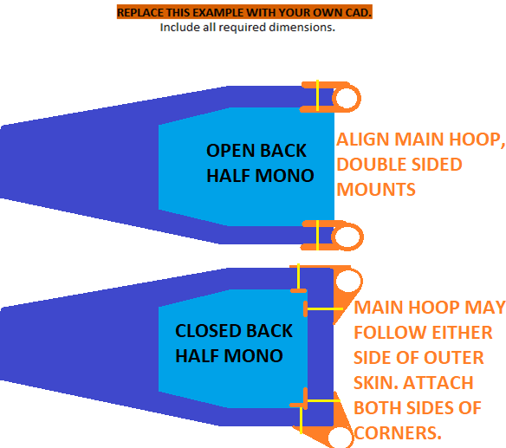
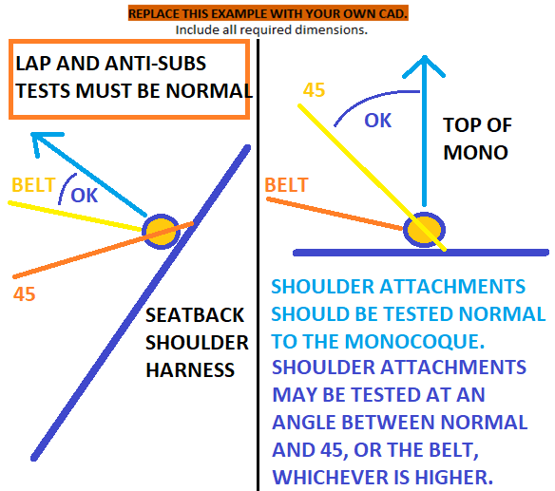
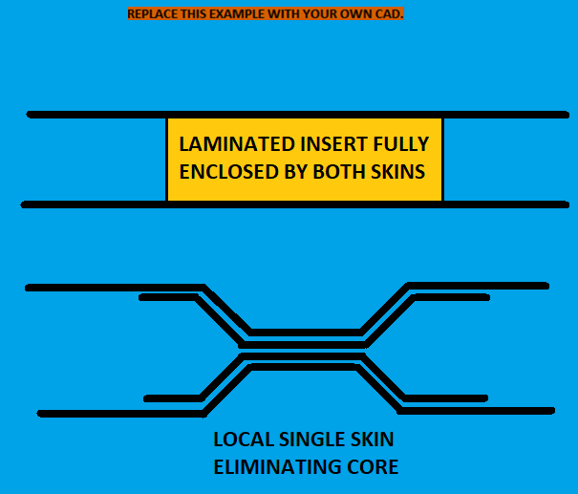
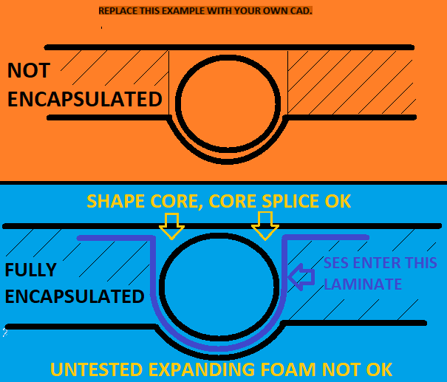
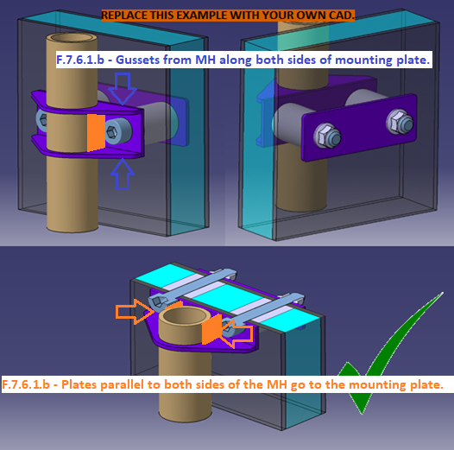
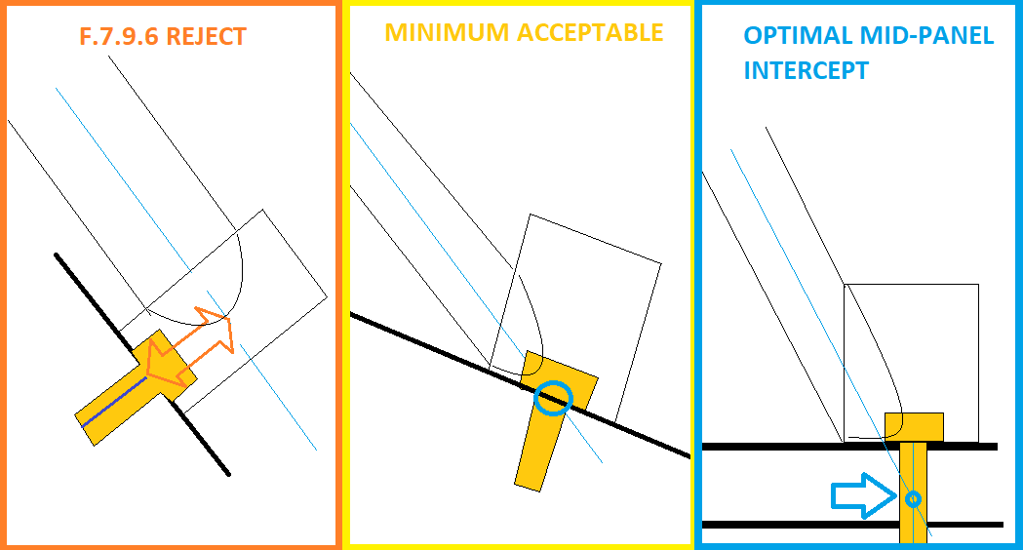
E, Sy, Su, Sy-Weld, Su-Weld |  |  |  |  |  |  |  | Paste in logged data from test below. It is acceptable to resample at a lower
Steel | 6061-T6 |  |  |  |  |  |  | frequency to reduce the number of datapoints. Enter test dates above the columns.
2.00E+11 | 6.90E+10 |  |  |  |  |  |  | Test date: |  | N/A |  | BLANK |  | N/A |  | N/A
3.05E+08 | 2.40E+08 |  |  |  |  |  |  | Shoulder | 0 | Lap | 0 | Anti | 0 | Other | 0
3.65E+08 | 2.90E+08 |  |  |  |  |  |  | mm | N | mm | N | mm | N | mm | N
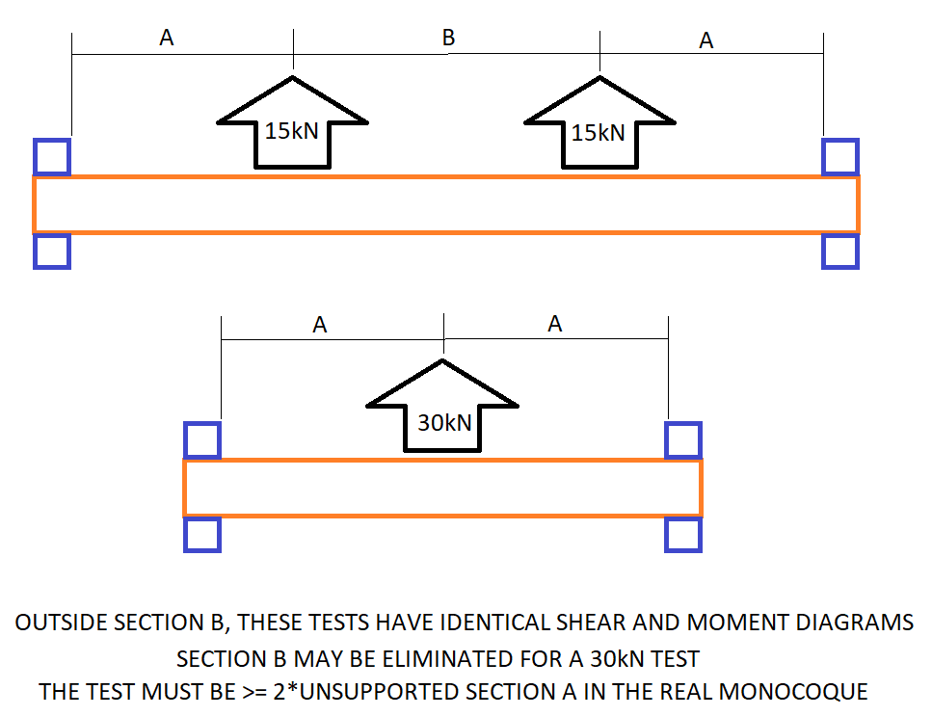
1.80E+08 | 1.15E+08
3.00E+08 | 1.75E+08
S_Yield | 79% | 0% | Required: Test setup images, measurements.
S_Ultimate | 79% | 0%
Sy-Weld | 64% | 0% | All test samples must be presented at Technical Inspection.
Su-Weld | 58% | 0% |  |  |  |  |  |  |  |  |  |  |  |  |  |  | Shoulder harness uses the minimum
 | Critical Steel Comparison
Su | Su-Weld | S_Yield |  |  |  |  |  |  |  |  |  |  |  |  |  |  | side-view cross section. |  |  |  |  |  |  |  |  | Belt inserts with dimensions required. |  |  |  |  |  |  |  |  | FH mountings with all dimensions required. |  |  |  |  |  |  |  | MH mountings with all dimensions required. |  |  |  |  |  |  |  |  | MHB mountings with all dimensions required. |  |  |  |  |  |  |  |  | MHB mountings with all dimensions required.
3.65E+08 | 3.00E+08 | 3.05E+08
3.65E+08 | 1.75E+08 | 0.00E+00 |  |  |  |  |  |  |  |  |  |  |  |  |  |  | Show skin and core thickness, height, depth, and skin moment of inertia.

 | Shoulder
 |  |  |  |  |  |  |  |  |  |  |  |  |  |  |  |  | Belt inserts with dimensions required.

Select
mm

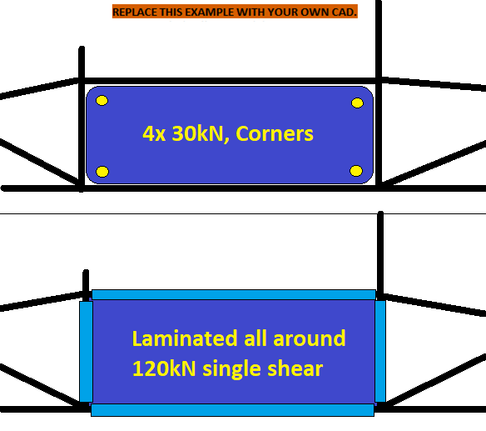
BLANK
 |  |  | Required: Load deflection curve.
 |  |  |  |  |  |  |  |  |  |  |  |  |  |  |  |  |  |  |  |  |  |  |  |  |  |  |  |  |  | These images apply to all three attachment sections. |  |  |  |  |  |  |  | These images apply to all three attachment sections. |  |  |  |  |  |  |  |  | These images apply to all three attachment sections. |  |  |  |  |  |  |  |  | These images apply to all three attachment sections. |  |  |  |  |  |  |  |  | These images apply to all three attachment sections.
 |  |  |  |  |  |  |  |  |  |  |  |  |  |  |  |  |  |  |  |  | If additional images are necessary, they may be placed below each section. |  |  |  |  |  |  |  |  | If additional images are necessary, they may be placed below each section. |  |  |  |  |  |  |  | If additional images are necessary, they may be placed below each section. |  |  |  |  |  |  |  |  | If additional images are necessary, they may be placed below each section. |  |  |  |  |  |  |  |  | If additional images are necessary, they may be placed below each section. |  |  |  |  |  |  |  |  | If additional images are necessary, they may be placed below each section.
 |  |  |  |  |  |  |  |  |  |  |  |  |  |  |  |  | N/A |  | Shoulder Harness Structure, Inserts |  |  |  |  |  |  | N/A |  | Lap, Anti-sub, 7th Point Inserts |  |  |  |  |  |  | N/A |  | Front Hoop Mounts |  |  |  |  |  | N/A |  | Main Hoop Mounts |  |  |  |  |  |  | N/A |  | Hoop Brace Mounts, Steering Protect |  |  |  |  |  |  | BLANK |  | Tractive Battery to Mono, Diagonals

 |  |  |  |  |  |  |  |  |  |  |  |  |  |  |  |  |  |  |  |  |  |  |  |  |  |  |  |  |  |  |  |  |  |  |  |  |  |  |  |  |  |  | F.7.6.2 | Below the Main Hoop Braces, F.7.9 attachments or additional braces are required
 |  |  |  |  |  |  |  |  |  |  |  |  |  |  |  |  |  |  |  |  | For comparison to test results. |  |  |  |  |  |  |  |  | Derived shear strength, for comparison and checking. |  |  |  |  | F.7.4.2 | Bolted Front Hoops must have F.7.9 attachments within 25 mm of any bends and nodes. |  |  |  |  |  |  | F.5.6.3.b | within 25mm of all MH bends, checked from both front and side view. |  |  |  |  |  |  |  | F.7.8.7 | The tube centerline should intersect the bolt centerline between the skins. |  |  |  |  |  |  |  | F.7.8.7 | The tube centerline should intersect the bolt centerline between the skins.
 |  |  |  |  |  |  |  |  |  |  |  |  |  |  |  |  | EQ |  |  |  |  |  |  |  |  |  |  |  |  | If single thickness attachments are used, core elimination is expected to be minimized and highly local. |  |  |  |  | F.6.3.4 | Bolted Front Hoop attachments must begin within 50mm of the top of the Front Hoop. |  |  |  |  |  |  |  | Above the monocoque, MH bends require triangulation to the MHB mount. |  |  |  |  |  |  |  | F.7.8.9 | Load paths using core are required to integrate mounts into the rest of the monocoque.
 |  |  |  |  |  |  |  |  |  |  |  |  |  |  |  |  | F.3.2.1.k |  |  |  |  | Shoulder Harness Attachment: | 0 |  | N/A | EQ |  |  |  |  |  |  |  |  | F.7.6.1.b | Minimize any gap between the Roll Hoops and the bolted mounting plates. |  |  |  |  |  |  | F.7.8.2.a | MHBS / RBHS nodes must be within 25mm of the start of a bend. |  |  |  |  |  |  |  |  |  |  |  | Brackets without gussets are unacceptable. |  |  |  |  |  |  |  |  | Brackets without gussets are unacceptable.
FEA is not accepted anywhere |  |  |  |  |  |  |  |  |  |  |  |  |  |  |  |  |  |  |  |  |  | Size A Steel Tubes Replaced: | 0 |  | N/A |  |  |  |  |  | Lap and Anti-Submarine Belt Attachment: | 0 |  | N/A | Include gussets along the top and bottom of the mounts, and plates parallel to the Hoops. |  |  |  |  |  |  |  | F.7.6.1.b | Minimize any gap between the Roll Hoops and the bolted mounting plates. |  |  |  |  |  |  |  | EQ |  |  |  |  |  |  |  |  | EQ
in the SES or Tech Inspection. |  |  |  |  |  |  |  |  |  |  |  |  |  |  |  |  |  |  |  |  |  | Type SES Tab Name Of Layup Used: |  |  | N/A |  |  |  |  |  | Type SES Tab Name Of Layup Used: |  |  | N/A |  |  |  |  |  |  |  |  | Include gussets along the top and bottom of the mounts, and plates parallel to the Hoops. |  |  |  |  |  |  |  |  | F.7.8 |  |  |  |  | MHB Attachment: | Welded |  | N/A | F.10.5.6-7 |  |  |  |  | Tractive Battery Mounts, Flush to Monocoque: | Welded |  | N/A
 |  |  |  |  |  |  |  |  |  |  |  |  |  |  |  |  |  |  |  |  |  | Core thickness: |  | mm | N/A |  |  |  |  |  | Hardpoint type: |  |  | N/A | Photograph FH welds before laminating. Resubmit SES with FH lamination photos after manufacturing. |  |  |  |  |  |  |  | Make MH vertical spacing as wide as practical from the bottom to the top of the monocoque. |  |  |  |  |  |  |  |  |  |  |  |  |  | Type SES Tab Name, MHB Attachment Layup: |  |  | N/A |  |  |  |  |  | Type SES Tab Name, Tractive Battery Attachment Layup: |  |  | N/A
 |  |  | If additional images are necessary, they may be placed below each section. |  |  |  |  |  |  |  |  |  |  |  |  |  |  |  |  |  |  | Outer skin thickness: |  | mm | N/A |  |  |  |  |  | Fastener diameter: |  | mm | N/A | F.7.4.3.c | Leave 25mm at one end of the Front Hoop exposed to allow diameter inspection. |  |  |  |  |  |  | All SES mounting and backing plates must be near circular or near oval. Straight sections are fine. |  |  |  |  |  |  |  |  | F.7.8.8 |  |  |  |  | MHB Attachment: |  |  | N/A | F.7.8.8 |  |  |  |  | Tractive Battery Attachment: |  |  | N/A
 |  |  | BLANK |  | Harness Attachments |  |  |  |  |  |  |  |  |  |  |  |  |  |  |  |  | Inner skin thickness: |  | mm | N/A |  |  |  |  |  | Number of fasteners: |  |  | N/A | F.5.7.7 | Aluminum FH: Drill a 4mm inspection hole through one side for thickness inspection. |  |  |  |  |  |  | Concave sections are not. No cutouts except for bolt holes. |  |  |  |  |  |  |  |  |  |  |  |  |  | Fastener diameter: |  | mm | N/A |  |  |  |  |  | Fastener diameter: |  | mm | N/A
 |  |  |  |  |  |  |  |  |  |  |  |  |  |  |  |  |  |  |  |  |  | Panel thickness: | 0 | mm | N/A |  |  |  |  |  | Panel thickness: | 0 | mm | N/A | Fully encapsulate the Front Hoop from outer skin to outer skin, and from inner skin to inner skin. |  |  |  |  |  |  |  | Half-Monocoque With Rear Spaceframe |  |  |  |  |  |  |  |  | F.7.8.4 or 7 |  |  |  |  | No. of fasteners (2 x 8mm or 1 x 10mm): |  |  | N/A |  |  |  |  |  | Number of fasteners per perimeter shear (1 or more): |  |  | N/A
 |  |  |  |  |  |  |  |  |  |  |  |  |  |  |  |  |  |  |  |  |  | Composite Panel Dimension (Intersecting Car Centerline): |  | mm | N/A |  |  |  |  |  | Skin thickness - belt side: |  | mm | N/A |  |  |  | The laminate used for equivalence runs from the outer skin, around the FH with the inner skin, and back. |  |  |  |  | We expect the Main Hoop to be directly rearward, in line with the monocoque panels. |  |  |  |  |  |  |  |  |  |  |  |  |  | Panel thickness: | 0 | mm | N/A |  |  |  |  |  | Panel thickness: | 0 | mm | N/A
 |  |  |  | ACTUAL BELTS DO NOT NEED TO BE TESTED, EXCEPT IF NECESSARY FOR WRAPPED HARDWARE |  |  |  |  |  |  |  |  |  |  |  |  | OPTION - Second Moment, Surpassing Flat Panel, CLEAR CELLS IF NOT USED |  |  |  |  |  |  |  | N/A |  |  |  |  |  | Skin thickness - opposite side: |  | mm | N/A | EQ |  |  |  |  |  |  |  | We expect the MH Mounts to attach on both sides of the tube and slide over the panels. |  |  |  |  |  |  |  |  |  |  |  |  |  | Insert thickness: |  | mm | N/A |  |  |  |  |  | Insert thickness: |  | mm | N/A
 |  |  |  | Leave hardware or belts used for testing on the test piece for inspection. |  |  |  |  |  |  |  |  |  |  |  |  |  |  |  |  |  | Car centerline composite cross sectional area (skin only, no core): |  | mm^2 | N/A |  | Insert material: |  |  |  | Insert thickness: |  | mm | N/A | F.7.4 |  |  |  | Front Hoop Mounts: | Welded |  | N/A |  |  |  |  | Brackets without gussets are unacceptable. |  |  |  |  |  |  | Scaling option, layup repeats: |  |  | Outer skin thickness: | Layup | mm | N/A |  |  | Scaling option, layup repeats: |  |  | Outer skin thickness: | Layup | mm | N/A
 |  |  |  | PIECES THAT HAVE BEEN TESTED MAY NOT BE REINSTALLED ON THE CAR |  |  |  |  |  |  |  |  |  |  |  |  |  |  |  |  |  | Car centerline composite area moment (I_skinparallel): |  | mm^4 | N/A |  |  |  |  |  | Insert Perimeter on monocoque: |  | mm | N/A |  |  |  |  | Front Hoop Mounts: |  |  | N/A | EQ |  |  |  |  |  |  |  |  |  |  | Scaling option, layup repeats: |  |  | Inner skin thickness: | Typo | mm | N/A |  |  | Scaling option, layup repeats: |  |  | Inner skin thickness: | Typo | mm | N/A
 |  |  |  | Design of tested hardpoints and hardware must match hardpoints and hardware on car. |  |  |  |  |  |  |  |  |  |  |  |  |  |  |  |  |  | Maximum normal distance, section to centroid: |  | mm | N/A | F.7.8.5 | Backing: |  | 0.00E+00 | 0.00E+00 | mm: |  | 0.00% | N/A | Skin used: |  |  |  | Type SES Tab Name Of Layup Used: |  |  | N/A | F.7.6 |  |  |  |  | Main Hoop Attachments: | Welded |  | N/A |  | Insert Material: |  |  |  |  |  |  | N/A |  | Insert Material: |  |  |  |  |  |  | N/A
 |  |  |  | Hardware for >30kN SH panel may replace car design hardware after 15kN is proven. |  |  |  |  |  |  |  |  |  |  |  |  |  |  |  | 0 x Steel Tube |  | Flat h or L | I_parallel |  | N/A |  |  |  |  |  | Backing plate perimeter on monocoque: |  | mm | N/A |  |  |  |  | Front Hoop centerline length: |  | mm | N/A | F.7.8.1 |  |  |  |  | Number of Main Hoop Mounts on each side: |  |  | N/A |  |  |  |  |  | Insert Modulus E>=4GPa: |  | GPa | N/A |  |  |  |  |  | Insert Modulus E>=4GPa: |  | GPa | N/A
 |  |  |  | F.4.2.1 | Carve in the test dates and sample name. |  |  |  |  |  |  |  |  |  |  |  | F.3.4.1.a |  |  | Wall thickness: | 0.0024 | 0 | 0 | m | N/A |  |  |  |  |  | Minimum - Fastener spacing, edge, or corner distance: |  | mm | N/A |  |  | Scaling option, layup repeats: |  | Laminate thickness: | Typo | mm | N/A |  |  |  |  |  | Type SES Tab Name, Top MH Attachment Layup: |  |  | N/A |  |  |  |  |  | Insert Compressive Strength >=12MPa: |  | MPa | N/A |  |  |  |  |  | Insert Compressive Strength >=12MPa: |  | MPa | N/A
 |  |  |  | F.7.9.2.f | Test fixture may not hold an edge that would be free in the monocoque. |  |  |  |  |  |  |  |  |  |  |  |  |  |  | Outer Diameter / Panel Thickness: | 0.025 | 0 | 0 | m | N/A |  |  |  |  |  | Skin shear strength (If tested): | Typo | 0.00% | N/A |  |  |  |  | Skin shear area - centerline x 1 thickness: | #VALUE! | m^2 | N/A | F.7.8.8 |  |  |  |  | Top MH Attachment: |  |  | N/A |  |  |  |  |  | Insert Shear Strength>=2.5MPa: |  | MPa | N/A |  |  |  |  |  | Insert Shear Strength>=2.5MPa: |  | MPa | N/A
 |  |  |  | Test piece cross section and distances to openings must not be larger than on car. |  |  |  |  |  |  |  |  |  |  |  |  |  |  |  | Cross sectional area (A): | 0.00E+00 | 0.00E+00 |  | m^2 | N/A |  |  |  |  |  | Harness test load / shear area = Min shear strength: |  | Pa | N/A |  |  |  |  | Skin shear strength: | Typo | Pa | N/A |  |  |  |  |  | Fastener diameter: | 0.3125 | mm | N/A |  |  |  |  |  | Tube axis angle to mount face normal: |  | deg | N/A |  |  |  |  | For multiple mounts of the same design, enter each worst case value. |  |  |  | N/A
 |  |  |  |  |  |  |  |  |  |  |  |  |  |  |  |  |  |  |  | Second moment of inertia (I): | 0.00E+00 |  |  | m^4 | N/A |  |  |  |  |  |  |  |  |  | F.7.4.3.b |  |  |  | Single tearout path >=180000N: |  | 0.00% | N/A | F.7.8.4 |  |  |  |  | No. of fasteners (2 x 8mm): |  |  | N/A |  |  |  |  |  | Bracket thickness: |  | mm | N/A |  |  |  |  |  |  |  | For multiple mounts on different layups, screenshot this section or copy this tab. | N/A
 |  |  |  | F.7.9.2.c | Shoulder attachments should be tested normal (90 degrees) to the skin. |  |  |  |  |  |  |  |  |  |  |  | F.3.4.2a |  |  | Young's Modulus (E): | 2.00E+11 | Layup | Layup | Pa | N/A | EQ |  |  |  |  |  |  |  |  |  |  |  |  | Front Hoop Lamination: |  |  | N/A |  |  |  |  |  | Panel thickness: | 0 | mm | N/A |  |  |  |  |  | Backing perimeter on outer skin: |  | mm | N/A |  |  |  |  |  | Backing perimeter on monocoque skin: |  | mm | N/A
 |  |  |  | Shoulder attachments may be tested at angles >= both belt angle and 45 degrees to the skin. |  |  |  |  |  |  |  |  |  |  |  |  |  |  |  | Ultimate Tensile Strength (S): | 3.65E+08 | Name | Name | Pa | N/A |  |  |  |  |  | 7th-Point Attachment: | 0 |  | N/A |  |  |  |  | Lap joint strength: | Typo | Pa | N/A |  |  |  |  |  | Insert thickness: |  | mm | N/A |  |  |  |  |  | Insert Perimeter on monocoque: |  | mm | N/A |  |  |  |  |  | Insert Perimeter on monocoque: |  | mm | N/A
 |  |  |  |  |  |  |  |  |  |  |  |  |  |  |  |  |  |  |  | Shear: | 2.11E+08 | Typo | Typo | Pa | N/A |  |  |  |  |  | Type SES Tab Name Of Layup Used: |  |  | N/A |  |  |  |  | Total bond width including both sides of the Front Hoop: |  | mm | N/A |  |  | Scaling option, layup repeats: |  |  | Outer skin thickness: | Layup | mm | N/A | F.7.8.5 | Backing: |  | 0.00E+00 | 0.00E+00 | mm: |  | 0.00% | N/A | F.7.8.5 | Backing: |  | 0.00E+00 | 0.00E+00 | mm: |  | 0.00E+00 | N/A
 |  |  |  | Requirements for custom brackets to approximate a tube wrap: |  |  |  |  |  |  |  |  |  |  |  |  | Buckling Modulus |  |  | E_1*I_1 <= E_2*I_2: | 0.00E+00 |  |  |  | N/A |  |  |  |  |  | Hardpoint type: |  |  | N/A |  |  |  |  | Bond shear area: | 0 | m^2 | N/A |  |  | Scaling option, layup repeats: |  |  | Inner skin thickness: | Typo | mm | N/A |  |  |  |  |  | Backing perimeter on inner skin: |  | mm | N/A |  |  |  |  |  | Tractive Battery Mount Perimeter on monocoque skin: |  | mm | N/A
 |  |  |  | Straight, round cylindrical section perpendicular to webbing, min 7/16" diameter. |  |  |  |  |  |  |  |  |  |  |  |  | UTS |  |  | S_1*A_1 <= S_2*A_2: | 0.00E+00 |  |  |  | N/A |  |  |  |  |  | Fastener diameter: |  | mm | N/A | F.7.4.3.b |  |  |  | Bond failure >=180000N: | #VALUE! | #VALUE! | N/A |  | Insert Material: |  |  |  |  |  |  | N/A |  |  |  |  |  | Min - Fastener spacing, edge, weaker layup, or corner distance: |  | mm | N/A |  |  |  |  |  | Min - Fastener spacing, edge, weaker layup, or corner distance: |  | mm | N/A
 |  |  |  |  |  |  |  |  |  |  |  |  |  |  |  |  | Bending |  |  | 4*S_1*I_1/r <= 4*S_2*I_2/r: | 0.00E+00 |  |  |  | N/A |  |  |  |  |  | Number of fasteners: |  |  | N/A |  |  |  |  |  |  |  |  |  |  |  |  |  | Insert Modulus E>=4GPa: |  | GPa | N/A |  |  |  |  |  | Skin shear strength: | Typo | Pa | N/A |  |  |  |  |  | Skin shear strength: | Typo | Pa | N/A
 |  |  |  | Proper harness floor attachment locations need to be carefully considered. |  |  |  |  |  |  |  |  |  |  |  |  | Deflection |  |  | Bending_1/(48*EI): | 0.00E+00 |  |  |  | N/A |  |  |  |  |  | Panel thickness: | 0 | mm | N/A |  |  |  | Brackets without gussets are unacceptable. |  |  |  |  |  |  |  |  |  | Insert Compressive Strength >=12MPa: |  | MPa | N/A | F.7.8.1 |  |  |  |  | Perimeter shear strength >30000N: |  | 0.00% | N/A | F.10.5.6-7 |  |  |  |  | Perimeter shear strength >15000N: |  | 0.00% | N/A
 |  |  |  | Attachment of the anti-sub to the SIS vertical is almost certainly not appropriate. |  |  |  |  |  |  |  |  |  |  |  |  | Energy |  |  | F.4.3.2-3 comparison: | 0.00E+00 |  |  |  | N/A |  |  |  |  |  | Skin thickness - belt side: |  | mm | N/A | EQ |  |  |  |  |  |  |  |  |  |  |  |  | Insert Shear Strength>=2.5MPa: |  | MPa | N/A |  |  |  |  |  | Perimeter shear strength >30000N: |  | 0.00% | N/A |  |  |  |  |  | Perimeter shear strength >15000N: |  | 0.00% | N/A
 |  |  |  |  |  |  |  |  |  |  |  |  |  |  |  |  |  | Flat Panel Properties |  |  | Flat Panel Properties |  |  | Flat Panel Properties |  |  |  |  |  |  | Skin thickness - opposite side: |  | mm | N/A | F.7.4 |  |  |  | Front Hoop Mounts: | Welded |  | N/A |  |  |  |  |  | Tube gap from panel: |  | mm | N/A |  |  |  |  |  | Tearout strength >30000N: |  | 0.00% | N/A |  |  |  |  |  | Tearout shear strength >15000N: |  | 0.00% | N/A
 |  |  |  | F.7.9.1.d | Lap and anti-submarine belt monocoque attachments must support 30kN if: |  |  |  |  |  |  |  |  |  |  |  | Outer (b) | 0 | m | A1 | 0.00E+00 | m^2 | I1 | 0.00E+00 | m^4 |  | Insert material: |  |  |  | Insert thickness: |  | mm | N/A | F.7.8.1 |  |  |  | Number of Front Hoop Mounts on each side: |  |  | N/A | F.7.6.1 |  |  |  |  | Bracket thickness: |  | mm | N/A |  |  |  |  |  | Bracket edge distance (mm) (e/d >= 1.5): |  | #DIV/0! | N/A |  |  |  |  |  | Bracket edge distance (mm) (e/d >= 1.5): |  | #DIV/0! | N/A
 |  |  |  | - sharing the same attachment on each side |  |  |  |  |  |  |  |  |  |  |  |  | Outer (h) | 0 | m | A2 | 0.00E+00 | m^2 | I2 | 0.00E+00 | m^4 |  |  |  |  |  | Insert Perimeter on monocoque: |  | mm | N/A |  |  |  |  | Type SES Tab Name, Top FH Attachment Layup: |  |  | N/A |  |  |  |  |  | Backing perimeter on outer skin: |  | mm | N/A | EQ |  |  |  |  |  |  |  |  | Bonded Steering Protection Attachment
 |  |  |  | - sharing the same chassis insert on each side, or anti-subs sharing in the center |  |  |  |  |  |  |  |  |  |  |  |  | Thickness | 0 | m | y1 | 0 | m | Ic1 |  | m^4 | F.7.8.5 | Backing: |  | 0.00E+00 | 0.00E+00 | mm: |  | 0.00% | N/A | F.7.8.8 |  |  |  | Top FH Attachment: |  |  | N/A |  |  |  |  |  | Insert Perimeter on monocoque: |  | mm | N/A | F.7.8 |  |  |  |  | Steering Protection Mounts: | N/A |  | N/A
 |  |  |  | - not spaced further than the >= 125mm required by F.7.10.2.a load testing. |  |  |  |  |  |  |  |  |  |  |  |  | Inner (b) | 0 | m | y2 | 0.000 | m | Ic2 |  | m^4 |  |  |  |  |  | Backing plate perimeter on monocoque: |  | mm | N/A |  |  |  |  | Fastener diameter: |  | mm | N/A | F.7.8.5 | Backing: |  | 0.00E+00 | 0.00E+00 | mm: |  | 0.00% | N/A |  |  |  |  |  | Type SES Tab Name, Steering Protection Attachment Layup: |  |  | N/A | EQ
 |  |  |  | F.7.9.2.b | TEST LOADS MUST BE NORMAL TO THE SKIN OF THE SAMPLE. |  |  |  |  |  |  |  |  |  |  |  | Inner (h) | 0 | m | Centroid |  | m | Ic12 |  | m^4 |  |  |  |  |  | Minimum - Fastener spacing, edge, or corner distance: |  | mm | N/A | F.7.8.4 |  |  |  | No. of fasteners (2 x 8mm): |  |  | N/A |  |  |  |  |  | Backing perimeter on inner skin: |  | mm | N/A | F.7.8.8 |  |  |  |  | Steering Protection Attachment: |  |  | N/A |  |  |  |  |  | What is the brand name of the adhesive? |  |  | N/A
 |  |  |  |  |  |  |  |  |  |  |  |  |  |  |  |  |  |  |  |  |  |  |  |  |  |  |  |  |  |  | Skin shear strength (If tested): | Typo | 0.00% | N/A |  |  |  |  | Panel thickness: | 0 | mm | N/A |  |  |  |  |  | Min - Fastener spacing, edge, weaker layup, or corner distance: |  | mm | N/A |  |  |  |  |  | Fastener diameter: |  | mm | N/A |  |  |  |  |  | Minimum shear / peel strength of adhesive: |  | N/mm^2 | N/A
 |  |  |  | F.7.9.1.c | All 5, 6, and 7-point anti-submarine belt attachments must support 15kN. |  |  |  |  |  |  |  |  |  |  |  |  |  |  |  | Derived shear strength, for comparison and checking. |  |  |  |  |  |  |  |  |  | Harness test load / shear area = Min shear strength: |  | Pa | N/A |  |  |  |  | Insert thickness: |  | mm | N/A |  |  |  |  |  | Skin shear strength: | Typo | Pa | N/A |  |  |  |  |  | Number of fasteners per perimeter shear (1 or more): |  |  | N/A |  |  |  |  |  | 50% adhesive reduction for safety factor: | 0 | N/mm^2 | N/A
 |  |  |  | F.7.9.2.b | TEST LOADS MUST BE NORMAL TO THE SKIN OF THE SAMPLE. |  |  |  |  |  |  |  |  |  |  |  |  |  |  |  | If single thickness attachments are used, core elimination is expected to be minimized and highly local. |  |  |  |  |  |  |  |  |  |  |  |  |  |  |  | Scaling option, layup repeats: |  | Outer skin thickness: | Layup | mm | N/A | F.7.8.1 |  |  |  |  | Perimeter shear strength >45000N: |  | 0.00% | N/A |  |  |  |  |  | Panel thickness: | 0 | mm | N/A |  |  |  |  |  | Minimum bond area: |  | mm^2 | N/A
 |  |  |  |  |  |  |  |  |  |  |  |  |  |  |  |  | EQ |  |  |  |  |  |  |  |  |  |  |  |  |  |  |  |  |  |  |  | Scaling option, layup repeats: |  | Inner skin thickness: | Typo | mm | N/A |  |  |  |  |  | Perimeter shear strength >45000N: |  | 0.00% | N/A |  |  |  |  |  | Insert thickness: |  | mm | N/A |  |  |  |  |  | Calculated bond strength: |  |  | N/A
 |  |  | EQ |  |  |  |  |  |  |  |  |  |  |  |  |  |  |  |  |  |  | Shoulder Harness Attachment: | 0 |  | N/A |  |  |  |  |  |  |  |  |  |  | Insert Material: |  |  |  |  |  | N/A |  |  |  |  |  | Tearout strength >45000N: |  | 0.00% | N/A |  |  | Scaling option, layup repeats: |  |  | Outer skin thickness: | Layup | mm | N/A
 |  |  |  |  |  | Shoulder Harness attachment points: | N/A |  |  |  |  |  |  |  |  |  |  |  |  |  |  | Type SES Tab Name Of Layup Used: |  |  | N/A |  |  |  |  |  |  |  |  |  |  |  |  |  | Insert Modulus E>=4GPa: |  | GPa | N/A |  |  |  |  |  | Bracket edge distance (mm) (e/d >= 1.5): |  | 0 | N/A |  |  | Scaling option, layup repeats: |  |  | Inner skin thickness: | Typo | mm | N/A | BLANK
...

F.10.1-4 Modules And Container
...
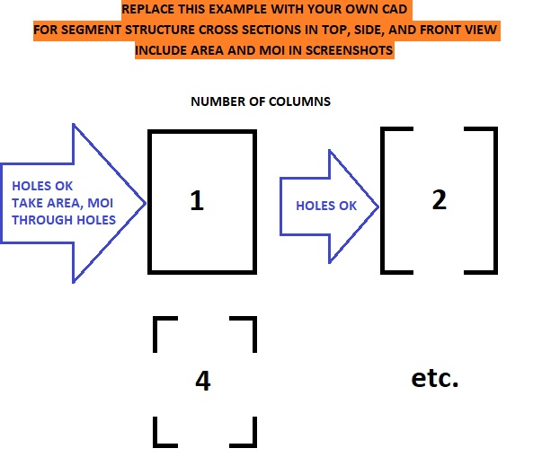
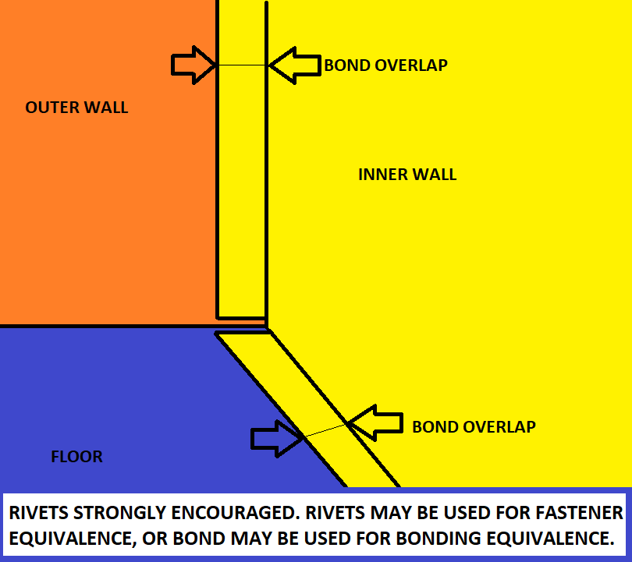
...
 |  |  |  |  |  |  |  |  |  |  |  |  |  |  | Module cross section, Top View.
3/4 view of single module |  | 3/4 view of single module, structure only |  |  | Module cross section, Front View. |  |  |  |  | Module cross section, Side View. |  |  |  |  |  |  |  | Module cross section and attachment CAD. |  |  |  | Show all wall attachments / weld paths.
 |  |  |  |  |  |  |  |  |  |  |  |  |  |  | Select smallest column, show A and MOI.
 |  |  |  |  | Select smallest column, show A and MOI. |  |  |  |  | Select smallest column, show A and MOI. |  |  |  |  |  |  |  |  |  |  | Show all dimensions entered. | All walls must attach to floor.
...
 |  |  |  |  |  |  |  |  |  |  |  |  |  |  |  |  |  | Show all dimensions entered below. |  |  |  | Show all dimensions entered below.
...
 |  |  | Additional images may be placed below each section. |  |  |  |  |  |  |  |  |  |  |  |  |  |  | Additional images may be placed below each section. |  |  |  | Additional images may be placed below each section.
 | Module Test Loads |  | BLANK | Module 40G Longitudinal, X |  |  |  | BLANK | Module 40G Lateral, Y |  |  |  | BLANK | Module 20G Vertical, Z |  |  |  | BLANK |  | Module Attachment |  | BLANK |  | Walls And Floor
...
 | The test load is calculated in each direction from the acceleration, the number of modules in a line, |  | BLANK |  |  |  |  | BLANK |  |  |  |  | BLANK |  |  |  |  | F.10.1.6 | Open ended pop rivets are prohibited anywhere inside the Tractive Battery Container. |  |  | F.10.2.3 | Internal walls must separate all modules, reaching an internal or external lid above.
 | and the load scaling factor for 60C material properties. |  |  |  | Most similar material, X direction: |  | BLANK |  |  | Most similar material, X direction: |  | BLANK |  |  | Most similar material, X direction: |  | BLANK |  | Pop rivets of any kind should not be used anywhere in the Tractive Battery Container. |  |  | F.10.2.5 | All internal and external walls and floors must be attached at all joints except for lids.
 |  |  |  |  |  | Enter the material used. For exact matches, type the name from the table. | EQ |  |  |  | Enter the material used. For exact matches, type the name from the table. | EQ |  |  |  | Enter the material used. For exact matches, type the name from the table. | EQ |  |  |  |  | EV.4.3.2 | Electrical, plumbing, wiring, and fasteners are allowed to pass through internal walls.
 |  |  |  |  |  |  |  |  |  |  |  |  |  |  |  | For similar materials, enter the room temperature E and Sy for comparison. | EQ | F.10.3.2 | Modules must be mechanically attached to the Container. |  |  | F.10.4 | Airflow holes are permitted in internal walls.
...

F.10.3.5 Module Test
...
Required: Test setup images, measurements. |  |  |  |  |  | X Direction |  | Y Direction |  | Z Direction |  | Required: Test setup images, measurements. |  |  |  |  |  | ROOM TEMP |  |  | 60C |  |  | Required: Test setup images, measurements. |  |  |  |  |  | ROOM TEMP |  |  | 60C |  |  | Required: Test setup images, measurements. |  |  |  |  |  | ROOM TEMP |  |  | 60C
 |  |  |  |  |  | MAX | 0 | MAX | 0 | MAX | 0 |  |  |  |  |  |  | MAX | 0 | LINEAR | MAX | 0 | LINEAR |  |  |  |  |  |  | MAX | 0 | LINEAR | MAX | 0 | LINEAR |  |  |  |  |  |  | MAX | 0 | LINEAR | MAX | 0 | LINEAR
All test samples must be presented at Technical Inspection. |  |  |  |  |  | 0 | 0 | 0 | 0 | 0 | 0 | All test samples must be presented at Technical Inspection. |  |  |  |  |  | 0 | 0 | #DIV/0! | 0 | 0 | #DIV/0! | All test samples must be presented at Technical Inspection. |  |  |  |  |  | 0 | 0 | #DIV/0! | 0 | 0 | #DIV/0! | All test samples must be presented at Technical Inspection. |  |  |  |  |  | 0 | 0 | #DIV/0! | 0 | 0 | #DIV/0!
 |  |  |  |  |  | mm | N | mm | N | mm | N |  |  |  |  |  |  | mm | N | #DIV/0! | mm | N | #DIV/0! |  |  |  |  |  |  | mm | N | #DIV/0! | mm | N | #DIV/0! |  |  |  |  |  |  | mm | N | #DIV/0! | mm | N | #DIV/0!
 |  |  |  |  |  | Disp. (d) | Force (P) | Disp. (d) | Force (P) | Disp. (d) | Force (P) |  |  |  |  |  |  | Disp. (d) | Force (P) | Modulus | Disp. (d) | Force (P) | Modulus |  |  |  |  |  |  | Disp. (d) | Force (P) | Modulus | Disp. (d) | Force (P) | Modulus |  |  |  |  |  |  | Disp. (d) | Force (P) | Modulus | Disp. (d) | Force (P) | Modulus
 |  |  |  |  |  | 0.00 | 0.00 | 0.00 | 0.00 | 0.00 | 0.00 |  |  |  |  |  |  | 0.00 | 0.00 | 0.00 | 0.00 | 0.00 | 0.00 |  |  |  |  |  |  | 0.00 | 0.00 | 0.00 | 0.00 | 0.00 | 0.00 |  |  |  |  |  |  | 0.00 | 0.00 | 0.00 | 0.00 | 0.00 | 0.00
Additional images may be added below. |  |  |  |  |  | 0.00 | 0.00 | 0.00 | 0.00 | 0.00 | 0.00 | Additional images may be added below. |  |  |  |  |  | 0.00 | 0.00 | #DIV/0! | 0.00 | 0.00 | #DIV/0! | Additional images may be added below. |  |  |  |  |  | 0.00 | 0.00 | #DIV/0! | 0.00 | 0.00 | #DIV/0! | Additional images may be added below. |  |  |  |  |  | 0.00 | 0.00 | #DIV/0! | 0.00 | 0.00 | #DIV/0!
 |  |  |  |  |  |  |  |  |  |  |  |  |  |  |  |  |  |  |  | #DIV/0! |  |  | #DIV/0! |  |  |  |  |  |  |  |  | #DIV/0! |  |  | #DIV/0! |  |  |  |  |  |  |  |  | #DIV/0! |  |  | #DIV/0!
 |  |  |  |  |  |  |  |  |  |  |  |  |  |  |  |  |  |  |  | #DIV/0! |  |  | #DIV/0! |  |  |  |  |  |  |  |  | #DIV/0! |  |  | #DIV/0! |  |  |  |  |  |  |  |  | #DIV/0! |  |  | #DIV/0!
 |  |  |  |  |  |  |  |  |  |  |  |  |  |  |  |  |  |  |  | #DIV/0! |  |  | #DIV/0! |  |  |  |  |  |  |  |  | #DIV/0! |  |  | #DIV/0! |  |  |  |  |  |  |  |  | #DIV/0! |  |  | #DIV/0!
 |  |  |  |  |  |  |  |  |  |  |  |  |  |  |  |  |  |  |  | #DIV/0! |  |  | #DIV/0! |  |  |  |  |  |  |  |  | #DIV/0! |  |  | #DIV/0! |  |  |  |  |  |  |  |  | #DIV/0! |  |  | #DIV/0!
 | X Direction | Y Direction | Z Direction
0.00 | 0.00 | 0.00 | 0.00
0.00 | 0.00 | 0.00 | 0.00
 | Team Material 1 | XY | Linear Elastic | Team Material 1 60C | XY 60C | Linear Elastic 60C
0.00 | 0.00 | 0 | 0.00 | 0.00 | 0 | 0.00
0.00 | 0.00 | 0 | 0.00 | 0.00 | 0 | 0.00
 |  |  | 0.00 |  |  | 0.00
 |  |  | 0.00 |  |  | 0.00
 |  |  | 0.00 |  |  | 0.00
 |  |  | 0.00 |  |  | 0.00
 |  |  | 0.00 |  |  | 0.00
 |  |  | 0.00 |  |  | 0.00
 |  |  | 0.00 |  |  | 0.00
 |  |  | 0.00 |  |  | 0.00
 |  |  | 0.00 |  |  | 0.00
 |  |  | 0.00 |  |  | 0.00
 |  |  | 0.00 |  |  | 0.00
 |  |  | 0.00 |  |  | 0.00
 |  |  | 0.00 |  |  | 0.00
 |  |  | 0.00 |  |  | 0.00
 |  |  | 0.00 |  |  | 0.00
 |  |  | 0.00 |  |  | 0.00
 |  |  | 0.00 |  |  | 0.00
 |  |  | 0.00 |  |  | 0.00
 |  |  | 0.00 |  |  | 0.00
 |  |  | 0.00 |  |  | 0.00
 |  |  | 0.00 |  |  | 0.00
 |  |  | 0.00 |  |  | 0.00
 |  |  | 0.00 |  |  | 0.00
 |  |  | 0.00 |  |  | 0.00
 |  |  | 0.00 |  |  | 0.00
 |  |  | 0.00 |  |  | 0.00
 |  |  | 0.00 |  |  | 0.00
 |  |  | 0.00 |  |  | 0.00
 |  |  | 0.00 |  |  | 0.00
 |  |  | 0.00 |  |  | 0.00
 |  |  | 0.00 |  |  | 0.00
 |  |  | 0.00 |  |  | 0.00
 |  |  | 0.00 |  |  | 0.00
 |  |  | 0.00 |  |  | 0.00
 |  |  | 0.00 |  |  | 0.00
 |  |  | 0.00 |  |  | 0.00
 |  |  | 0.00 |  |  | 0.00
 |  |  | 0.00 |  |  | 0.00
 |  |  | 0.00 |  |  | 0.00
 |  |  | 0.00 |  |  | 0.00
 |  |  | 0.00 |  |  | 0.00
 |  |  | 0.00 |  |  | 0.00
 |  |  | 0.00 |  |  | 0.00
 |  |  | 0.00 |  |  | 0.00
 |  |  | 0.00 |  |  | 0.00
 |  |  | 0.00 |  |  | 0.00
 |  |  | 0.00 |  |  | 0.00
 |  |  | 0.00 |  |  | 0.00
...
 | Team Material 2 | XY | Linear Elastic | Team Material 2 60C | XY 60C | Linear Elastic 60C
0.00 | 0.00 | 0 | 0.00 | 0.00 | 0 | 0.00
0.00 | 0.00 | 0 | 0.00 | 0.00 | 0 | 0.00
 |  |  | 0.00 |  |  | 0.00
 |  |  | 0.00 |  |  | 0.00
 |  |  | 0.00 |  |  | 0.00
 |  |  | 0.00 |  |  | 0.00
 |  |  | 0.00 |  |  | 0.00
 |  |  | 0.00 |  |  | 0.00
 |  |  | 0.00 |  |  | 0.00
 |  |  | 0.00 |  |  | 0.00
 |  |  | 0.00 |  |  | 0.00
 |  |  | 0.00 |  |  | 0.00
 |  |  | 0.00 |  |  | 0.00
 |  |  | 0.00 |  |  | 0.00
 |  |  | 0.00 |  |  | 0.00
 |  |  | 0.00 |  |  | 0.00
 |  |  | 0.00 |  |  | 0.00
 |  |  | 0.00 |  |  | 0.00
 |  |  | 0.00 |  |  | 0.00
 |  |  | 0.00 |  |  | 0.00
 |  |  | 0.00 |  |  | 0.00
 |  |  | 0.00 |  |  | 0.00
 |  |  | 0.00 |  |  | 0.00
 |  |  | 0.00 |  |  | 0.00
 |  |  | 0.00 |  |  | 0.00
 |  |  | 0.00 |  |  | 0.00
 |  |  | 0.00 |  |  | 0.00
 |  |  | 0.00 |  |  | 0.00
 |  |  | 0.00 |  |  | 0.00
 |  |  | 0.00 |  |  | 0.00
 |  |  | 0.00 |  |  | 0.00
 |  |  | 0.00 |  |  | 0.00
 |  |  | 0.00 |  |  | 0.00
 |  |  | 0.00 |  |  | 0.00
 |  |  | 0.00 |  |  | 0.00
 |  |  | 0.00 |  |  | 0.00
 |  |  | 0.00 |  |  | 0.00
 |  |  | 0.00 |  |  | 0.00
 |  |  | 0.00 |  |  | 0.00
 |  |  | 0.00 |  |  | 0.00
 |  |  | 0.00 |  |  | 0.00
 |  |  | 0.00 |  |  | 0.00
 |  |  | 0.00 |  |  | 0.00
 |  |  | 0.00 |  |  | 0.00
 |  |  | 0.00 |  |  | 0.00
 |  |  | 0.00 |  |  | 0.00
 |  |  | 0.00 |  |  | 0.00
 |  |  | 0.00 |  |  | 0.00
 |  |  | 0.00 |  |  | 0.00
 |  |  | 0.00 |  |  | 0.00
...
 | Team Material 3 | XY | Linear Elastic | Team Material 3 60C | XY 60C | Linear Elastic 60C
0.00 | 0.00 | 0 | 0.00 | 0.00 | 0 | 0.00
0.00 | 0.00 | 0 | 0.00 | 0.00 | 0 | 0.00
 |  |  | 0.00 |  |  | 0.00
 |  |  | 0.00 |  |  | 0.00
 |  |  | 0.00 |  |  | 0.00
 |  |  | 0.00 |  |  | 0.00
 |  |  | 0.00 |  |  | 0.00
 |  |  | 0.00 |  |  | 0.00
 |  |  | 0.00 |  |  | 0.00
 |  |  | 0.00 |  |  | 0.00
 |  |  | 0.00 |  |  | 0.00
 |  |  | 0.00 |  |  | 0.00
 |  |  | 0.00 |  |  | 0.00
 |  |  | 0.00 |  |  | 0.00
 |  |  | 0.00 |  |  | 0.00
 |  |  | 0.00 |  |  | 0.00
 |  |  | 0.00 |  |  | 0.00
 |  |  | 0.00 |  |  | 0.00
 |  |  | 0.00 |  |  | 0.00
 |  |  | 0.00 |  |  | 0.00
 |  |  | 0.00 |  |  | 0.00
 |  |  | 0.00 |  |  | 0.00
 |  |  | 0.00 |  |  | 0.00
 |  |  | 0.00 |  |  | 0.00
 |  |  | 0.00 |  |  | 0.00
 |  |  | 0.00 |  |  | 0.00
 |  |  | 0.00 |  |  | 0.00
 |  |  | 0.00 |  |  | 0.00
 |  |  | 0.00 |  |  | 0.00
 |  |  | 0.00 |  |  | 0.00
 |  |  | 0.00 |  |  | 0.00
 |  |  | 0.00 |  |  | 0.00
 |  |  | 0.00 |  |  | 0.00
 |  |  | 0.00 |  |  | 0.00
 |  |  | 0.00 |  |  | 0.00
 |  |  | 0.00 |  |  | 0.00
 |  |  | 0.00 |  |  | 0.00
 |  |  | 0.00 |  |  | 0.00
 |  |  | 0.00 |  |  | 0.00
 |  |  | 0.00 |  |  | 0.00
 |  |  | 0.00 |  |  | 0.00
 |  |  | 0.00 |  |  | 0.00
 |  |  | 0.00 |  |  | 0.00
 |  |  | 0.00 |  |  | 0.00
 |  |  | 0.00 |  |  | 0.00
 |  |  | 0.00 |  |  | 0.00
 |  |  | 0.00 |  |  | 0.00
 |  |  | 0.00 |  |  | 0.00
 |  |  | 0.00 |  |  | 0.00
 |  |  | 0.00 |  |  | 0.00
...
 |  |  |  |  |  |  |  |  |  |  |  |  |  |  |  |  |  |  |  | #DIV/0! |  |  | #DIV/0! |  |  |  |  |  |  |  |  | #DIV/0! |  |  | #DIV/0! |  |  |  |  |  |  |  |  | #DIV/0! |  |  | #DIV/0!
 |  |  |  |  |  |  |  |  |  |  |  |  |  |  |  |  |  |  |  | #DIV/0! |  |  | #DIV/0! |  |  |  |  |  |  |  |  | #DIV/0! |  |  | #DIV/0! |  |  |  |  |  |  |  |  | #DIV/0! |  |  | #DIV/0!
 |  |  |  |  |  |  |  |  |  |  |  |  |  |  |  |  |  |  |  | #DIV/0! |  |  | #DIV/0! |  |  |  |  |  |  |  |  | #DIV/0! |  |  | #DIV/0! |  |  |  |  |  |  |  |  | #DIV/0! |  |  | #DIV/0!
 |  |  |  |  |  |  |  |  |  |  |  |  |  |  |  |  |  |  |  | #DIV/0! |  |  | #DIV/0! |  |  |  |  |  |  |  |  | #DIV/0! |  |  | #DIV/0! |  |  |  |  |  |  |  |  | #DIV/0! |  |  | #DIV/0!
 |  |  |  |  |  |  |  |  |  |  |  |  |  |  |  |  |  |  |  | #DIV/0! |  |  | #DIV/0! |  |  |  |  |  |  |  |  | #DIV/0! |  |  | #DIV/0! |  |  |  |  |  |  |  |  | #DIV/0! |  |  | #DIV/0!
 |  |  |  |  |  |  |  |  |  |  |  |  |  |  |  |  |  |  |  | #DIV/0! |  |  | #DIV/0! |  |  |  |  |  |  |  |  | #DIV/0! |  |  | #DIV/0! |  |  |  |  |  |  |  |  | #DIV/0! |  |  | #DIV/0!
 |  |  |  |  |  |  |  |  |  |  |  |  |  |  |  |  |  |  |  | #DIV/0! |  |  | #DIV/0! |  |  |  |  |  |  |  |  | #DIV/0! |  |  | #DIV/0! |  |  |  |  |  |  |  |  | #DIV/0! |  |  | #DIV/0!
 |  |  |  |  |  |  |  |  |  |  |  |  |  |  |  |  |  |  |  | #DIV/0! |  |  | #DIV/0! |  |  |  |  |  |  |  |  | #DIV/0! |  |  | #DIV/0! |  |  |  |  |  |  |  |  | #DIV/0! |  |  | #DIV/0!
 |  |  |  |  |  |  |  |  |  |  |  |  |  |  |  |  |  |  |  | #DIV/0! |  |  | #DIV/0! |  |  |  |  |  |  |  |  | #DIV/0! |  |  | #DIV/0! |  |  |  |  |  |  |  |  | #DIV/0! |  |  | #DIV/0!
Required: Load deflection curve. |  |  |  |  |  |  |  |  |  |  |  | Required: Load deflection curve. |  |  |  |  |  |  |  | #DIV/0! |  |  | #DIV/0! | Required: Load deflection curve. |  |  |  |  |  |  |  | #DIV/0! |  |  | #DIV/0! | Required: Load deflection curve. |  |  |  |  |  |  |  | #DIV/0! |  |  | #DIV/0!
 |  |  |  |  |  |  |  |  |  |  |  |  |  |  |  |  |  |  |  | #DIV/0! |  |  | #DIV/0! |  |  |  |  |  |  |  |  | #DIV/0! |  |  | #DIV/0! |  |  |  |  |  |  |  |  | #DIV/0! |  |  | #DIV/0!
 |  |  |  |  |  |  |  |  |  |  |  |  |  |  |  |  |  |  |  | #DIV/0! |  |  | #DIV/0! |  |  |  |  |  |  |  |  | #DIV/0! |  |  | #DIV/0! |  |  |  |  |  |  |  |  | #DIV/0! |  |  | #DIV/0!
 |  |  |  |  |  |  |  |  |  |  |  |  |  |  |  |  |  |  |  | #DIV/0! |  |  | #DIV/0! |  |  |  |  |  |  |  |  | #DIV/0! |  |  | #DIV/0! |  |  |  |  |  |  |  |  | #DIV/0! |  |  | #DIV/0!
 |  |  |  |  |  |  |  |  |  |  |  |  |  |  |  |  |  |  |  | #DIV/0! |  |  | #DIV/0! |  |  |  |  |  |  |  |  | #DIV/0! |  |  | #DIV/0! |  |  |  |  |  |  |  |  | #DIV/0! |  |  | #DIV/0!
 |  |  |  |  |  |  |  |  |  |  |  |  |  |  |  |  |  |  |  | #DIV/0! |  |  | #DIV/0! |  |  |  |  |  |  |  |  | #DIV/0! |  |  | #DIV/0! |  |  |  |  |  |  |  |  | #DIV/0! |  |  | #DIV/0!
 |  |  |  |  |  |  |  |  |  |  |  |  |  |  |  |  |  |  |  | #DIV/0! |  |  | #DIV/0! |  |  |  |  |  |  |  |  | #DIV/0! |  |  | #DIV/0! |  |  |  |  |  |  |  |  | #DIV/0! |  |  | #DIV/0!
 |  |  |  |  |  |  |  |  |  |  |  |  |  |  |  |  |  |  |  | #DIV/0! |  |  | #DIV/0! |  |  |  |  |  |  |  |  | #DIV/0! |  |  | #DIV/0! |  |  |  |  |  |  |  |  | #DIV/0! |  |  | #DIV/0!
 |  |  |  |  |  |  |  |  |  |  |  |  |  |  |  |  |  |  |  | #DIV/0! |  |  | #DIV/0! |  |  |  |  |  |  |  |  | #DIV/0! |  |  | #DIV/0! |  |  |  |  |  |  |  |  | #DIV/0! |  |  | #DIV/0!
 |  |  |  |  |  |  |  |  |  |  |  |  |  |  |  |  |  |  |  | #DIV/0! |  |  | #DIV/0! |  |  |  |  |  |  |  |  | #DIV/0! |  |  | #DIV/0! |  |  |  |  |  |  |  |  | #DIV/0! |  |  | #DIV/0!
 |  |  |  |  |  |  |  |  |  |  |  |  |  |  |  |  |  |  |  | #DIV/0! |  |  | #DIV/0! |  |  |  |  |  |  |  |  | #DIV/0! |  |  | #DIV/0! |  |  |  |  |  |  |  |  | #DIV/0! |  |  | #DIV/0!
 |  |  |  |  |  |  |  |  |  |  |  |  |  |  |  |  |  |  |  | #DIV/0! |  |  | #DIV/0! |  |  |  |  |  |  |  |  | #DIV/0! |  |  | #DIV/0! |  |  |  |  |  |  |  |  | #DIV/0! |  |  | #DIV/0!
If additional images are necessary, they may be placed below each section. |  |  |  |  |  |  |  |  |  |  |  | If additional images are necessary, they may be placed below each section. |  |  |  |  |  |  |  | #DIV/0! |  |  | #DIV/0! | If additional images are necessary, they may be placed below each section. |  |  |  |  |  |  |  | #DIV/0! |  |  | #DIV/0! | If additional images are necessary, they may be placed below each section. |  |  |  |  |  |  |  | #DIV/0! |  |  | #DIV/0!
 |  |  |  |  |  |  |  |  |  |  |  |  |  |  |  |  |  |  |  | #DIV/0! |  |  | #DIV/0! |  |  |  |  |  |  |  |  | #DIV/0! |  |  | #DIV/0! |  |  |  |  |  |  |  |  | #DIV/0! |  |  | #DIV/0!
REJECT |  |  |  |  |  |  |  |  |  |  |  | BLANK |  |  |  |  |  |  |  | #DIV/0! |  |  | #DIV/0! | BLANK |  |  |  |  |  |  |  | #DIV/0! |  |  | #DIV/0! | BLANK |  |  |  |  |  |  |  | #DIV/0! |  |  | #DIV/0!
 | Test load, long accel 40*mass*modules_long*load_scaling: | 0.00E+00 | 0.00E+00 | #DIV/0! | #DIV/0! |  |  |  |  |  |  |  | Material Family: | Plastic Type 1 |  |  | EQ |  |  | #DIV/0! |  |  | #DIV/0! |  | Material Family: | Plastic Type 2 |  |  | EQ |  |  | #DIV/0! |  |  | #DIV/0! |  | Material Family: | Plastic Type 3 |  |  | EQ |  |  | #DIV/0! |  |  | #DIV/0!
 | Lateral acceleration 40*mass*modules_wide: | 0.00E+00 | 0.00E+00 | #DIV/0! | #DIV/0! |  |  |  |  |  |  |  | Coupon Material: | Team Material 1 |  |  | EQ |  |  | #DIV/0! |  |  | #DIV/0! |  | Coupon Material: | Team Material 2 |  |  | EQ |  |  | #DIV/0! |  |  | #DIV/0! |  | Coupon Material: | Team Material 3 |  |  | EQ |  |  | #DIV/0! |  |  | #DIV/0!
 | Vertical acceleration 20*mass*modules_high: | 0.00E+00 | 0.00E+00 | #DIV/0! | #DIV/0! |  |  |  |  |  |  |  | Dates of test: |  |  |  | BLANK |  |  | #DIV/0! |  |  | #DIV/0! |  | Dates of test: |  |  |  | BLANK |  |  | #DIV/0! |  |  | #DIV/0! |  | Dates of test: |  |  |  | BLANK |  |  | #DIV/0! |  |  | #DIV/0!
 |  |  |  |  |  |  |  |  |  |  |  |  |  |  | Coupon width: | mm | BLANK |  |  | #DIV/0! |  |  | #DIV/0! |  |  |  | Coupon width: | mm | BLANK |  |  | #DIV/0! |  |  | #DIV/0! |  |  |  | Coupon width: | mm | BLANK |  |  | #DIV/0! |  |  | #DIV/0!
 |  |  |  |  |  |  |  |  |  |  |  |  |  |  | Coupon Thickness: | mm | BLANK |  |  | #DIV/0! |  |  | #DIV/0! |  |  |  | Coupon Thickness: | mm | BLANK |  |  | #DIV/0! |  |  | #DIV/0! |  |  |  | Coupon Thickness: | mm | BLANK |  |  | #DIV/0! |  |  | #DIV/0!
 |  |  |  |  |  |  |  |  |  |  |  |  |  |  | Starting Length between clamps: | mm | BLANK |  |  | #DIV/0! |  |  | #DIV/0! |  |  |  | Starting Length between clamps: | mm | BLANK |  |  | #DIV/0! |  |  | #DIV/0! |  |  |  | Starting Length between clamps: | mm | BLANK |  |  | #DIV/0! |  |  | #DIV/0!
 |  |  |  |  |  |  |  |  |  |  |  |  |  |  |  |  |  |  |  | #DIV/0! |  |  | #DIV/0! |  |  |  |  |  |  |  |  | #DIV/0! |  |  | #DIV/0! |  |  |  |  |  |  |  |  | #DIV/0! |  |  | #DIV/0!
...

F.10.5 Battery Attachment
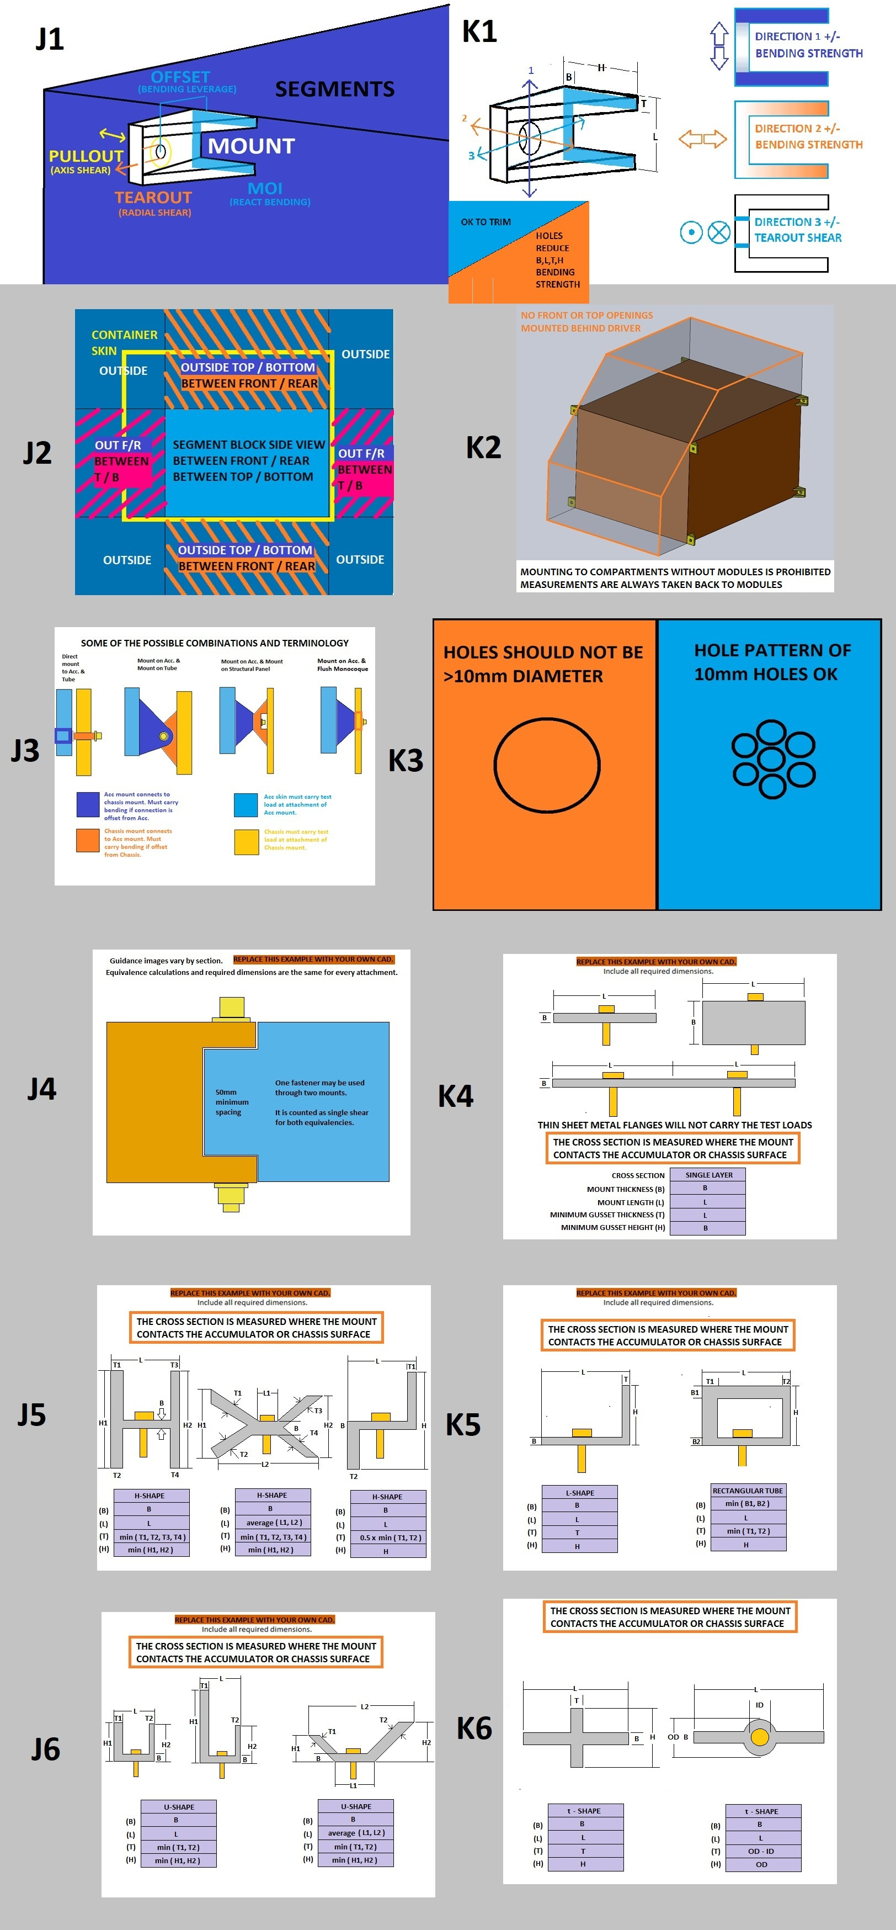
...
Intersection of fastener axis and fastener shear plane. |  |  | N/A
 |  | Review sections below: mounts per tube, bending if fastener shear is offset. | N/A
Offset from composite panel or radially from tube surface: |  | mm | N/A
Mount material (Composite skin for internal hardpoint): |  |  | N/A
 | #N/A | Pa | N/A
 | #N/A | Pa | N/A
 | #N/A | Pa | N/A
--Pullout--Face thickness, do not include core: |  | mm | N/A
--Tearout--Minimum - Fastener spacing, edge, or corner distance: |  | mm | N/A
Number of fasteners used (2x if in double shear): | 0 |  | N/A
Fastener shear diameter: | 0 | mm | N/A
Threads in shear: | 0 |  | N/A
Fastener UTS: | 0.00E+00 | Pa | N/A
--Pullout--Min total perimeter of washers or inserts on one surface: |  | mm | N/A
--Shear--0.577*fasteners*UTS*pi*r^2 >= Test Load: | 0.00E+00 |  | N/A
--Pullout--Mount shear*thickness*perimeter >= Test Load: | #N/A | #N/A | N/A
--Tearout--Mount shear*thickness*edge distance >= Test Load: | #N/A | #N/A | N/A
...
Chassis type at mount: |  |  | N/A
 |  |  | N/A
Square side, Size B required: |  | mm | N/A
Chassis tube wall, Size B required: |  | mm | N/A
Number of chassis mounts on this tube: |  |  | N/A
Ultimate Strength (Su): | #N/A | Pa | N/A
Acc Mount Tube second moment of inertia (I), Size B required: | 0.00E+00 | mm^4 | N/A
Tube Length (L): |  | mm | N/A
Furthest mount from nearest triangulated node (a): |  | mm | N/A
Tube Max Bending Force (Su*I)/(a*(1-a/L)*OD/2): |  |  | N/A
...
Mount cross section on chassis surface: |  |  | N/A
Mount thickness (B): |  | mm | N/A
Mount length (L): |  | mm | N/A
Minimum gusset thickness (T): |  | mm | N/A
Minimum gusset height normal to mount face (H): |  | mm | N/A
Su > 15000N Bending in shear M*y / I: |  |  | N/A
Su > 15000N Bending normal M*y / I: |  |  | N/A
Shear >= Parabolic shear 3*Test Load/2*area: |  |  | N/A
...
Chassis wall at chassis mount: |  |  | N/A
 | #N/A | Pa | N/A
 | #N/A | Pa | N/A
 | #N/A | Pa | N/A
 |  | mm | N/A
 |  |  | N/A
 |  | mm | N/A
 |  |  | N/A
 |  | mm | N/A
 |  |  | N/A
 |  | Pa | N/A
 |  | mm | N/A
 | 0.00E+00 |  | N/A
 | #N/A | #N/A | N/A
 | #N/A | #N/A | N/A
 |  | mm | N/A
 | 0 | mm | N/A
 |  |  | N/A
 |  | N/mm^2 | N/A
 |  | N/mm^2 | N/A
 |  | mm^2 | N/A
 |  |  | N/A
 |  |  | N/A
 |  | mm | N/A
 |  | mm | N/A
 |  |  | N/A
...

F.8 Front Protection
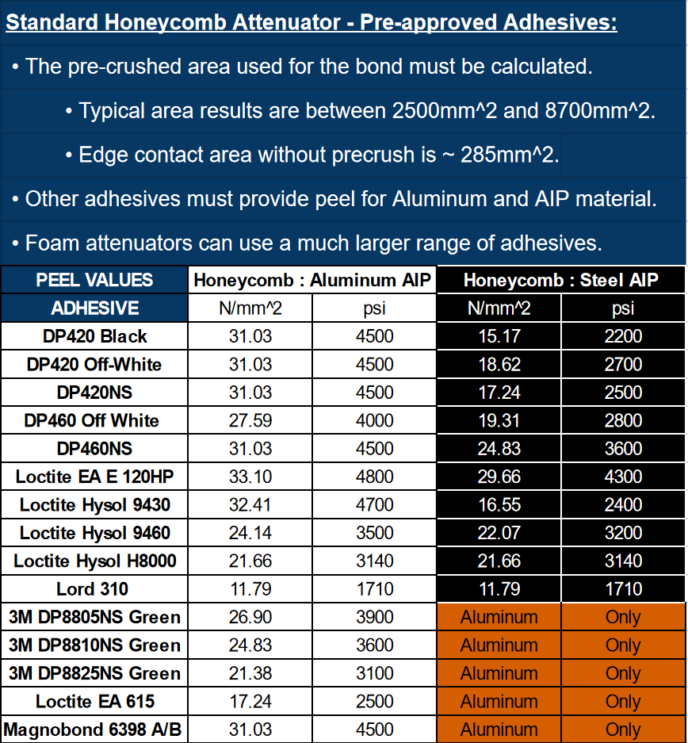
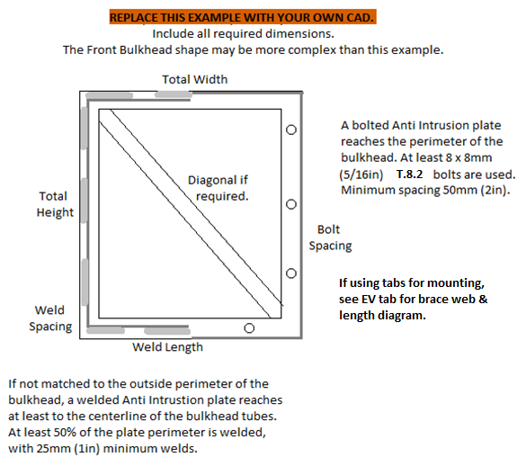
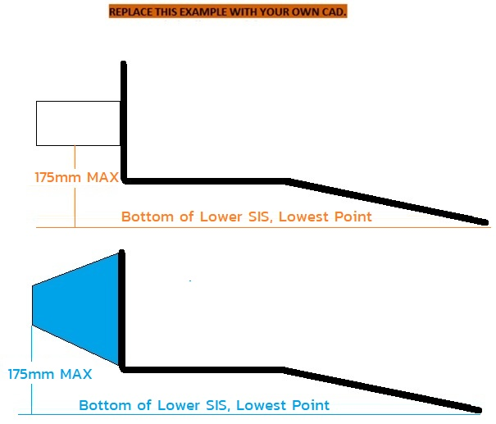
E, Sy, Su, Sy-Weld, Su-Weld |  |  |  |  |  |  |  |  |  |  |  |  |  |  |  |  |  |  |  |  |  |  |  |  |  |  |  |  |  |  |  |  |  |  |  |  |  |  |  |  |  |  |  |  |  |  |  |  | Paste in IA data from test below: |  |  |  | Paste in COMPOSITE AIP
Steel | 6061-T6 |  |  |  |  |  |  |  |  |  |  |  |  |  |  |  |  |  |  |  |  |  |  |  |  |  |  |  |  |  |  |  |  |  |  |  |  |  |  |  |  |  |  |  |  |  |  |  | It is acceptable to resample the data |  |  |  | data from test below:
2.00E+11 | 6.90E+10 |  |  |  |  |  |  |  |  |  |  |  |  |  |  |  |  |  |  |  |  |  |  |  |  |  |  |  |  |  |  |  |  |  |  |  |  |  |  |  |  |  |  |  |  |  |  |  | at a lower frequency to reduce the |  |  |  | It is acceptable to resample

3.05E+08 | 2.40E+08 |  |  |  |  |  |  |  |  |  |  |  |  |  |  |  |  |  |  |  |  |  |  |  |  |  |  |  |  |  |  |  |  |  |  |  |  |  |  |  |  |  |  |  |  |  |  | Insert Test Pictures - may be added below: | number of datapoints. |  |  |  | the data at a lower frequency.

3.65E+08 | 2.90E+08
1.80E+08 | 1.15E+08 |  |  |  |  |  |  |  |  |  |  |  |  |  |  |  |  |  |  |  |  |  |  |  |  |  |  |  |  |  |  |  |  |  |  |  |  |  |  |  |  |  |  |  |  |  |  | (a.) IA and FB test fixture before the test (F.8.7.4.d)
3.00E+08 | 1.75E+08

 | Force
S_Yield | 79% | 0% |  |  |  |  |  |  |  |  |  |  |  |  |  |  |  |  |  |  |  |  |  |  |  |  |  |  |  |  |  |  |  |  |  |  |  |  |  |  |  |  |  |  |  |  |  | which also shows the method of spacing AIP | MAX | MAX | AVERAGE | MAX | MAX
S_Ultimate | 79% | 0% |  |  |  |  | Insert Pictures - may be added left or below: |  |  |  |  |  |  |  |  |  |  |  |  |  |  |  |  |  |  |  |  |  |  |  |  |  |  |  |  |  |  |  |  |  |  |  |  |  |  |  |  |  | 0 | 0 | 0 | 0 | 0
Sy-Weld | 64% | 0% |  |  |  |  |  |  |  |  |  |  |  |  | Insert Pictures - continued: |  |  |  |  |  |  |  | Insert measurement of IA front top edge height. |  |  |  |  |  |  |  |  |  |  |  |  |  |  |  |  |  |  |  |  |  |  |  |  | (F.8.7.4.d) which also shows the method of spacing AIP | Disp. | Force | Weighted | Energy | Disp.
Su-Weld | 58% | 0% |  |  |  |  | (a.) Standard Impact Attenuator Receipt |  |  |  |  |  |  |  |  |  |  |  |  |  |  |  |  |  |  |  |  |  |  |  |  |  |  |  |  |  |  |  |  |  |  |  |  |  |  |  |  |  | mm | N | N | J | mm
 | Critical Steel Comparison | No |  |  |  |  |  |  |  |  |  |  |  |  | (d.) Wing Detachment Material Properites |  |  |  |  |  |  |  |  |  |  |  |  | Front Bulkhead CAD with dimensions required. |  |  |  |  |  |  |  | Front Bulkhead CAD with dimensions required. |  |  |  |  |  |  |  |  |  |  |  | at least 50mm from any rigid structure (F.8.7.6.c) | 0 | 0 | 0 | 0 | 0
Su | Su-Weld | S_Yield |  |  |  |  |  |  |  |  |  |  |  |  |  |  |  |  |  |  |  |  | Shear Dimensions |  |  |  |  |  |  |  |  |  |  |  |  |  |  |  |  | Annually tested items must be |  |  |  |  |  |  |  |  |  |  | #DIV/0! | 0
3.65E+08 | 3.00E+08 | 3.05E+08 |  |  |  |  | (b.) Adhesive Material Properties - |  |  |  |  |  |  |  |  |  |  |  |  |  |  |  |  |  |  |  |  |  |  |  |  |  |  |  |  | Show skin and core thickness, |  |  |  |  |  |  |  |  |  |  |  | (b. ) IA, Anti-Intrusion Plate after the IA test (F.8.7.4.d) |  |  | #DIV/0! | 0
3.65E+08 | 1.75E+08 | 0.00E+00 |  |  |  |  |  |  |  |  |  |  |  |  |  |  |  |  |  |  |  |  | Do not count holes as part of the area. |  |  |  |  | Show 25mm gap to pedal assembly. |  |  |  |  |  |  |  |  |  |  |  | permanently marked with the date. |  |  |  |  |  |  |  |  |  |  | #DIV/0! | 0
 |  |  |  |  |  |  | Indicate selected value, include units conversion |  |  |  |  |  |  |  | (e.) Other Wing Detachment Calculations |  |  |  |  |  |  |  |  |  |  |  |  |  |  |  |  |  |  |  |  | height, depth, and moment of inertia. |  |  |  |  |  |  |  |  |  |  |  | which shows the deflection was less than 25.4mm |  |  | #DIV/0! | 0
BLANK |  |  |  |  |  |  |  |  |  |  |  |  |  |  |  |  |  |  |  |  |  |  | Even with precrush, honeycomb bond area is |  |  |  |  |  |  |  |  |  |  |  |  |  |  |  |  | Tested items must be presented during |  |  |  |  |  |  |  |  |  |  | #DIV/0! | 0
 |  |  |  |  |  |  |  |  |  |  |  |  |  |  | (if not using standard fastener shear) |  |  |  |  |  |  |  |  |  |  |  |  | Pedal attachments preferably >25mm behind FB. |  |  |  |  |  |  |  |  |  |  |  |  |  |  |  |  |  |  |  | (F.8.7.6.d) |  |  | #DIV/0! | 0
 |  |  |  |  |  |  | (c.) Composite Material Receipts |  |  |  |  |  |  |  |  |  |  |  |  |  |  |  | usually <50% of the face. |  |  |  |  |  |  |  |  |  |  |  |  |  |  |  |  | Technical Inspection. |  |  |  |  |  |  |  |  |  |  | #DIV/0! | 0
 |  |  |  |  |  |  |  |  |  |  |  |  |  |  |  |  |  |  |  |  |  |  |  |  |  |  |  |  |  |  |  |  |  |  |  |  |  |  |  |  |  |  |  |  |  |  |  | (c.) IA / AIP Force Displacement Curve |  |  | #DIV/0! | 0
 |  |  |  |  |  |  | (if not already on 3-Point test tab) |  |  |  |  |  |  |  |  |  |  |  |  |  |  |  | Include calculation of bond area. |  |  |  |  | https://www.fsaeonline.com/cdsweb/rqa/ViewFAQ.aspx?faqnum=368 |  |  |  |  |  |  |  |  |  |  |  |  |  |  |  |  |  |  |  |  |  |  | #DIV/0! | 0
 |  |  |  |  |  |  |  |  |  |  |  |  |  |  |  |  |  |  |  |  |  |  |  |  |  |  |  |  |  |  |  |  |  |  |  |  |  |  |  |  |  |  |  |  |  |  |  |  |  |  | #DIV/0! | 0
 |  |  |  |  |  |  |  |  |  |  |  |  |  |  |  |  |  |  |  |  |  |  |  |  |  |  |  |  |  |  |  |  |  |  |  |  |  |  |  |  |  |  |  |  |  |  |  |  |  |  | #DIV/0! | 0
 |  |  |  |  |  |  |  |  |  |  |  |  |  |  |  |  |  |  |  |  |  |  |  |  |  |  |  |  |  |  |  |  |  |  |  |  |  |  |  |  |  |  |  |  |  |  |  |  |  |  | #DIV/0! | 0
mm |  |  |  |  |  |  |  |  |  |  |  |  |  |  |  |  |  |  |  |  |  |  |  |  |  |  |  |  |  |  |  |  |  |  |  |  |  |  |  |  |  |  |  |  |  |  |  |  |  |  | #DIV/0! | 0
 |  |  |  |  |  |  |  |  |  |  |  |  |  |  |  |  |  |  |  |  |  |  |  |  |  |  |  |  |  |  |  |  |  |  |  |  |  |  |  |  |  |  |  |  |  |  |  |  |  |  | #DIV/0! | 0
 |  |  |  |  |  |  |  |  |  |  |  |  |  |  |  |  |  |  |  |  |  |  |  |  |  |  |  |  |  |  |  |  |  |  |  |  |  |  |  |  |  |  |  |  |  |  |  |  |  |  | #DIV/0! | 0
FEA is not accepted anywhere |  |  |  |  |  |  |  |  |  |  |  |  |  |  |  |  |  |  |  |  |  |  |  |  |  |  |  |  |  |  |  |  |  |  |  | FB compares the minimum horizontal or vertical panel to two tubes (plus diagonal if required.) |  |  |  |  |  |  |  |  |  |  |  |  |  |  | #DIV/0! | 0
in the SES or Tech Inspection. |  |  | F.8.7.3 | F.5.5.2 | Provide IA receipt and material properties documents above or below. |  |  |  |  |  |  |  |  |  |  |  |  |  |  | Additional images or calculations may be placed below each section. |  |  |  | If additional images are necessary, they may be placed below each section. |  |  |  |  |  |  |  |  |  |  |  | If additional images are necessary, they may be placed below each section. |  |  |  |  |  |  |  |  | Additional images or calculations may be placed below each section. |  |  |  |  |  | #DIV/0! | 0
 |  |  | BLANK |  | Attenuator and Diagonal |  |  |  |  |  | BLANK |  | Anti-Intrusion Plate |  |  |  |  |  |  | BLANK |  | IA Attachment, Wing Detachment |  | BLANK |  | Front Bulkhead, Composite Diagonal |  |  |  |  |  |  | BLANK |  | AIP and Diagonal Attachment |  | EQ |  | Physical Test Fixture Guidance |  |  |  |  |  | EQ |  | Physical Tests |  |  |  | #DIV/0! | 0
 |  |  |  |  |  |  |  |  |  |  |  |  |  |  |  |  |  |  |  |  |  |  |  |  |  |  |  |  |  |  |  |  |  |  |  |  |  |  |  |  |  |  |  |  |  |  |  |  |  |  | #DIV/0! | 0
 |  |  |  |  |  |  |  |  |  |  |  |  |  |  |  |  |  |  |  |  |  |  |  |  |  |  |  |  |  |  |  |  |  |  |  |  |  |  |  |  |  |  |  |  |  |  |  |  |  |  | #DIV/0! | 0
 |  |  | No Test: |  |  | + |  |  |  |  | No additional test for Steel or Aluminum AIP. |  |  |  |  |  |  |  |  | F.8.5.2 | Foam and honeycomb attenuators must be bonded to the AIP. |  |  | F.8.6.3 | A 25mm gap is required between the AIP + FB + Diagonal and the pedal assembly. |  |  |  |  |  |  |  | F.8.2.2.a | A welded AIP must reach tube centerlines. Any other AIP must match the bulkhead perimeter. |  |  | F.8.8.6.b | The tested IA must be attached to a structurally representative section of the chassis. |  |  |  |  |  |  | F.8.4.3.b | Teams may use quasi-static or dynamic testing on the Impact Attenuator tab to prove |  |  |  |  | #DIV/0! | 0
 |  |  |  |  |  |  |  |  |  |  |  |  |  |  |  |  |  |  |  | The entire attenuator face must be bonded with adhesive suitable for both materials. |  |  |  |  | This includes not mounting the pedal bases or rails to the lower FB tube. |  |  |  |  |  |  |  | F.8.2.3.b | Anti Intrusion Plates bolted through welded inserts on the centerline of Size B tubes |  |  |  |  |  |  |  |  |  |  |  | the AI plate deflects less than 25mm without a diagonal. |  |  |  |  | #DIV/0! | 0
 |  |  |  |  |  |  |  |  |  |  |  |  |  |  |  |  |  |  |  |  |  |  |  | BLANK |  |  |  |  |  |  |  |  |  | automatically meet the 15kN load requirement. The centerline method is strongly preferred. |  |  | EQ |  |  |  |  |  |  |  |  |  |  |  |  |  | #DIV/0! | 0
 |  |  | F.8.4.3 | A Standard Foam Attenuator may be oriented horizontally or vertically. |  |  |  |  |  |  | BLANK |  |  |  |  |  |  |  |  | Honeycomb attenuators must be glued on a pre-crushed side. Do not count area of holes. |  |  |  |  |  |  |  |  | Air gap Front Bulkhead + Diag to pedals at full travel >= 25mm: |  | mm | BLANK | F.8.2.3.c | Bonding is legal for composite bulkheads with no openings. The entire surface must be bonded. |  |  |  |  |  |  | Front Bulkhead Outside to Outside Height: | 0 | mm | N/A | F.8.8.7.b | Dynamic tests may not be performed by students. |  |  |  |  | #DIV/0! | 0
 |  |  |  | The outside edges of the Bulkhead must be no more than 25mm (1in) from the foam. |  |  |  |  |  |  | F.8.2.1 |  |  |  |  | Anti-Intrusion Plate (AI) material: |  |  | BLANK | No wall wetting may be factored into the bond area. Use a calculation of pre-crushed area. |  |  |  |  |  |  |  |  | Air gap Front Bulkhead + Diag to pedal mounts should be >= 25mm: |  | mm | BLANK | F.8.3 | An integrated composite AIP may also qualify as the monocoque front bulkhead. |  |  |  |  |  |  | Front Bulkhead Outside To Outside Width: | 0 | mm | N/A |  |  |  |  |  |  | #DIV/0! | 0
 |  |  |  | Otherwise, a diagonal or an annual physical test will be required. |  |  |  |  |  |  |  |  |  |  |  | Steel: 1.5mm (0.060in), Aluminum: 4.0mm (0.157in): |  | mm | BLANK | Multiple layers of honeycomb require pre-crushed bond on both sides of a plate between each layer. |  |  |  |  |  |  |  |  |  |  |  |  | F.8.2.3.d | If the AIP does not meet FB equivalence, it may be fully enclosed in a monocoque in front of |  |  | F.8.8.6.c |  |  |  | Bulkhead gap to fixture between corners >=50mm: |  | mm
 |  |  |  |  |  |  |  |  |  |  |  |  |  |  |  |  |  |  |  |  |  |  |  |  |  |  |  |  |  |  |  |  |  | the front bulkhead layup. |  |  | F.8.4.2.a |  |  |  | Tested IA starting length > 200mm: |  | mm
...
 |  |  |  |  |  |  |  |  |  |  | Inner (h) | #VALUE! | m | Centroid |  | m | Ic12 |  | m^4
 |  |  |  |  |  |  |  |  |  |  | Horizontal Panel Properties |  |  | Horizontal Panel Properties |  |  | Horizontal Panel Properties
 |  |  |  |  |  |  |  |  |  |  | Outer (b) | 0 | m | A1 | #VALUE! | m^2 | I1 | #VALUE! | m^4
 |  |  |  |  |  |  | Diagonal, AIP, and FB material must be entered in cells J57, J59, T37, AN35, and AN37. |  |  |  | Outer (h) | #VALUE! | m | A2 | #VALUE! | m^2 | I2 | #VALUE! | m^4
 |  |  |  |  |  |  |  |  |  |  | Thickness | #VALUE! | m | y1 | #VALUE! | m | Ic1 |  | m^4
 |  |  |  |  |  |  | to | Composite |  | BLANK | Inner (b) | 0 | m | y2 | #VALUE! | m | Ic2 |  | m^4
 |  |  |  |  |  |  |  |  |  | N/A | Inner (h) | #VALUE! | m | Centroid |  | m | Ic12 |  | m^4 |  |  |  | Front view, show the front wing and mounts are
 |  |  |  |  |  |  |  |  | mm | N/A
 |  |  |  |  |  |  |  |  |  | BLANK | Fig. 3-4: | https://www.aboutcivil.org/simply-supported-UDL-beam-formulas-bending-moment-equations.html
 |  |  |  |  |  |  |  | Typo | Pa | EQ |  |  |  |  |  |  |  |  |  |  |  |  | entirely outside / below the front bulkhead.

 |  |  |  |  |  |  |  | Typo | mm | EQ
 |  |  |  |  |  |  |  | Typo | mm | EQ
 |  |  |  |  |  |  |  |  | mm | N/A
 |  |  |  |  |  |  |  |  | mm | N/A |  |  |  |  |  |  |  |  |  |  |  |  | Show total number of fasteners for
 |  |  |  |  |  |  |  |  |  | N/A
 |  |  |  |  |  |  |  |  | mm | N/A |  |  |  |  |  |  |  |  |  |  |  |  | Fastener Shear Dialogue.
 |  |  |  |  |  |  |  |  | N | N/A
 |  |  |  |  |  |  |  |  |  | N/A
 |  |  |  |  |  |  |  | 0.00E+00 |  | N/A
 |  |  |  |  |  |  |  | #VALUE! | #VALUE! | N/A |  |  |  |  |  |  |  |  |  |  |  |  | Show fastener UTS source / conversion.
 |  |  |  |  |  |  |  | #VALUE! | #VALUE! | N/A
 |  |  |  |  |  |  |  | 0.00E+00 | Pa | N/A
 |  |  |  |  |  |  |  |  | mm | N/A
 |  |  |  |  |  |  |  | 0 | mm | N/A
 |  |  |  |  |  |  |  |  |  | N/A
 |  |  |  |  |  |  |  |  |  | N/A
 |  |  |  |  |  |  |  |  | N/mm^2 | N/A
 |  |  |  |  |  |  |  |  | mm^2 | N/A
 |  |  |  |  |  |  |  |  |  | N/A
 |  |  |  |  |  |  |  |  | mm | N/A
 |  |  |  |  |  |  |  | #VALUE! | m^2 | N/A
 |  |  |  |  |  |  |  | Typo | Pa | N/A
 |  |  |  |  |  |  |  |  | 0.00% | N/A
...

...

...
E, Sy, Su, Sy-Weld, Su-Weld
 |  |  |  |  |  |  |  |  |  |  |  |  |  |  |  |  |  |  |  |  |  |  |  | Bending |  |  | 4*S_1*I_1/r <= 4*S_2*I_2/r: | 0.00E+00 |  |  |  | N/A
 |  |  |  |  |  |  |  |  |  |  |  |  |  |  |  |  |  |  |  |  |  |  |  | Deflection |  |  | Bending_1/(48*EI): | 0.00E+00 |  |  |  | N/A
 |  |  |  |  |  |  |  |  |  |  |  |  |  |  |  |  |  |  |  |  |  |  |  | Energy |  |  | F.4.3.2-3 comparison: | 0.00E+00 |  |  |  | N/A
 |  |  |  |  |  |  |  |  |  |  |  |  |  |  |  |  |  |  |  |  |  |  |  |  | Flat Panel Properties |  |  | Flat Panel Properties |  |  | Flat Panel Properties
 |  |  |  |  |  |  |  |  |  |  |  |  |  |  |  |  |  |  |  |  |  |  |  | Outer (b) | 0 | m | A1 | #VALUE! | m^2 | I1 | #VALUE! | m^4
 |  |  |  |  |  |  |  |  |  |  |  |  |  |  |  |  |  |  |  |  |  |  |  | Outer (h) | #VALUE! | m | A2 | #VALUE! | m^2 | I2 | #VALUE! | m^4
 |  |  |  |  |  |  |  |  |  |  |  |  |  |  |  |  |  |  |  |  |  |  |  | Thickness | #VALUE! | m | y1 | #VALUE! | m | Ic1 |  | m^4
 |  |  |  |  |  |  |  |  |  |  |  |  |  |  |  |  |  |  |  |  |  |  |  | Inner (b) | 0 | m | y2 | #VALUE! | m | Ic2 |  | m^4
 |  |  |  |  |  |  |  |  |  |  |  |  |  |  |  |  |  |  |  |  |  |  |  | Inner (h) | #VALUE! | m | Centroid |  | m | Ic12 |  | m^4
...

...

...

...

F.3.4.3 Welded Inserts



BLANK
 | Any removable members
 | along required tubes?


 | Tube Chassis BY133: | 0

BLANK
 | Any holes over 4mm drilled
 | in F.3.2.1 required tubes?
 | Driver Harness: | No
 | Tube Chassis BY134: | 0 |  |  |  |  |  |  |  |  | Welded Tube Insert with dimensions. |  |  |  |  |  | Welded Tube Insert with dimensions. |  |  |  |  |  | Welded Tube Insert with dimensions. |  |  |  |  |  | Welded Tube Insert with dimensions.
 | AIP Inserts: | No |  |  | Welded Tube Insert with dimensions.
 | Tractive Battery: | No |  |  |  |  |  |  |  |  | Also show in context where removable |  |  |  |  |  | Also show in context where removable |  |  |  |  |  | Also show in context where removable |  |  |  |  |  | Also show in context where removable
 |  |  |  |  | Also show in context where removable
BLANK |  |  |  |  |  |  |  |  |  |  | members are located. |  |  |  |  |  | members are located. |  |  |  |  |  | members are located. |  |  |  |  |  | members are located.
 | Does the steering rack |  |  |  | members are located.
 | interrupt any required tubes? |  |  |  |  |  |  |  |  |  | Inserts must be welded on both ends. |  |  |  |  |  | Inserts must be welded on both ends. |  |  |  |  |  | Inserts must be welded on both ends. |  |  |  |  |  | Inserts must be welded on both ends.
 | Tube Chassis BY135: | 0 |  |  | Inserts must be welded on both ends.

BLANK

mm

FEA is not accepted anywhere |  |  | Please show the source of each area and MOI measurement. |  |  |  |  |  | Please show the source of each area and MOI measurement. |  |  |  |  |  | Please show the source of each area and MOI measurement. |  |  |  |  |  | Please show the source of each area and MOI measurement. |  |  |  |  |  | Please show the source of each area and MOI measurement.
in the SES or Tech Inspection. |  |  | If additional images are necessary, they may be placed below each section. |  |  |  |  |  | If additional images are necessary, they may be placed below each section. |  |  |  |  |  | If additional images are necessary, they may be placed below each section. |  |  |  |  |  | If additional images are necessary, they may be placed below each section. |  |  |  |  |  | If additional images are necessary, they may be placed below each section.
 |  |  | N/A | Welded Tube Insert |  |  |  |  | N/A | Welded Tube Insert |  |  |  |  | N/A | Welded Tube Insert |  |  |  |  | N/A | Welded Tube Insert |  |  |  |  | N/A | Welded Tube Insert
Unwelded E, Sy, Su
Steel | 6061-T6 | Other AL | Note: Young's Modulus is given in MPa, not Gpa. |  |  |  |  |  | Note: Young's Modulus is given in MPa, not Gpa. |  |  |  |  |  | Note: Young's Modulus is given in MPa, not Gpa. |  |  |  |  |  | Note: Young's Modulus is given in MPa, not Gpa. |  |  |  |  |  | Note: Young's Modulus is given in MPa, not Gpa.
2.00E+11 | 6.90E+10 |  | EQ |  |  |  |  |  | EQ |  |  |  |  |  | EQ |  |  |  |  |  | EQ |  |  |  |  |  | EQ
3.05E+08 | 2.40E+08 |  |  |  |  | Minimum | Tube With Hole | N/A |  |  |  | Minimum | Tube With Hole | N/A |  |  |  | Minimum | Tube With Hole | N/A |  |  |  | Minimum | Tube With Hole | N/A |  |  |  | Minimum | Tube With Hole |  | N/A
 |  |  |  |  |  | F.3.2.1 | + | N/A |  |  |  | F.3.2.1 | + | N/A |  |  |  | F.3.2.1 | + | N/A |  |  |  | F.3.2.1 | + | N/A |  |  |  | F.3.2.1 | + |  | N/A
 |  |  |  |  |  | Tube | Insert | N/A |  |  |  | Tube | Insert | N/A |  |  |  | Tube | Insert | N/A |  |  |  | Tube | Insert | N/A |  |  |  | Tube | Insert |  | N/A
 |  |  |  |  |  |  |  |  |  |  |  |  |  |  |  |  | Material: | 0 |  | N/A |  |  | Material: | 0 |  | N/A |  |  | Material: | 0 |  |  | N/A
 |  |  |  |  |  |  |  |  |  |  |  |  |  |  |  |  |  |  |  |  |  |  |  |  |  |  |  |  | Original tube: |  |  |  | N/A
 |  |  |  |  |  |  |  |  |  |  |  |  |  |  |  |  |  |  |  |  |  |  |  |  |  |  |  |  | Wall thickness: | 3 |  | mm | N/A
 |  |  |  |  |  |  |  |  |  |  |  |  |  |  |  |  |  |  |  |  |  |  |  |  |  |  |  |  | Square side: | 25 |  | mm | N/A
 |  |  |  |  |  |  |  |  |  |  |  |  |  |  |  |  |  |  |  |  |  |  |  |  |  |  |  |  | Tube cross sectional area (A_1): | 1.26E+02 | - | mm^2 | N/A
 |  |  |  |  |  |  |  |  |  |  |  |  |  |  |  |  |  |  |  |  |  |  |  |  |  |  |  |  | Tube second moment of inertia (I_1): | 1.80E+04 | - | mm^4 | N/A
 |  |  |  |  |  |  |  |  |  |  |  |  |  |  |  |  |  |  |  |  |  |  |  |  |  |  |  |  |  | Tube with Hole cross sectional area (A_3): |  | mm^2 | N/A
 |  |  |  |  |  |  |  |  |  |  |  |  |  |  |  |  |  |  |  |  |  |  |  |  |  |  |  |  |  | Tube with Hole area moment of inertia (I_3): |  | mm^4 | N/A
 |  |  |  |  |  |  |  |  |  |  |  |  |  |  |  |  |  |  |  |  |  |  |  |  |  |  |  |  |  | Insert outer diameter: |  | mm | N/A
...

F.5.12 Bolted Members


BLANK
Bolted Members Used?
 | Tube Chassis BY133: | 0

For EQ:
All entries filled out correctly.
- or if not used -
1. Clear Row 34.
2. Clear Row 41 Lug and Cap thickness.

Symmetric left / right |  |  |  |  |  | Bolted Chassis Connection with dimensions. |  |  |  |  |  | Bolted Chassis Connection with dimensions. |  |  |  |  |  | Bolted Chassis Connection with dimensions.
attachments only need to be
entered for one side. |  |  |  |  |  | Also show in context where removable |  |  |  |  |  | Also show in context where removable |  |  |  |  |  | Also show in context where removable

If more than 5 non-symmetric |  |  |  |  |  | members are located. |  |  |  |  |  | members are located. |  |  |  |  |  | members are located.
bolted connections are used,
make a copy of this tab.

Removable tubes require
welded inserts to prevent
crushing.

mm

BLANK
 |  |  |  |  |  | Removable tubes require welded inserts to prevent crushing. |  |  |  |  |  | Removable tubes require welded inserts to prevent crushing. |  |  |  |  |  | Removable tubes require welded inserts to prevent crushing.
 |  |  | If additional images are necessary, they may be placed below each section. |  |  |  |  |  | If additional images are necessary, they may be placed below each section. |  |  |  |  |  | If additional images are necessary, they may be placed below each section.
 |  |  | N/A |  | Bolted Connection |  |  |  | N/A |  | Bolted Connection |  |  |  | N/A |  | Bolted Connection

 |  |  | EQ |  |  |  |  |  | EQ |  |  |  |  |  | EQ
 |  |  | F.5.12.2 |  |  |  | Bolted Connection: | N/A | F.5.12.2 |  |  |  | Bolted Connection: | N/A | F.5.12.2 |  |  |  | Bolted Connection:
 |  |  | F.5.3.1 | All fasteners for removable tubing require crush bushings through the tubes. |  |  |  |  | F.5.3.1 | All fasteners for removable tubing require crush bushings through the tubes. |  |  |  |  | F.5.3.1 | All fasteners for removable tubing require crush bushings through the tubes.
 |  |  |  | This is the only location where we recognize grinding welds flush is necessary. |  |  |  |  |  | This is the only location where we recognize grinding welds flush is necessary. |  |  |  |  |  | This is the only location where we recognize grinding welds flush is necessary.
FEA is not accepted anywhere |  |  |  | Inserts are not mandatory for outside sleeves and lugs for removable tubing. |  |  |  |  |  | Inserts are not mandatory for outside sleeves and lugs for removable tubing. |  |  |  |  |  | Inserts are not mandatory for outside sleeves and lugs for removable tubing.
...

